Mesh Refinement
Mesh Convergence Study
Slender Delta wing, AR=1 @ 20° α
 | Case | Cells | Force [1] | Force [2]
SnappyHexMesh | 1 | 30301 | 0.411938 | -0.00454529 | excluded
 | 2 | 88018 | 0.470676 | -0.00845599
 | 3 | 171639 | 0.467875 | -0.0101059
 | 4 | 287449 | 0.463241 | -0.0116177
 | 5 | 440275 | 0.447322 | -0.0131918
 | 6 | 622959 | 0.448549 | -0.0137016
cfMesh | 7 | 875365 | 0.440725 | -0.014022
 | 8 | 1161776 | 0.4343 | -0.0155509
 | 9 | 1665955 | 0.429635 | -0.0161359
 | 10 | 4442919 | 0.432533 | -0.0167059
 | 11 | 6801407 | 0.433094 | -0.017056
 | 12 | 13214219 | 0.432793 | -0.0165597

Mesh Refinement: Number of Cells
 | snappyHexMesh |  | cfMesh
1 | 30301 | 7 | 875365
2 | 88018 | 8 | 1161776
3 | 171639 | 9 | 1665955
4 | 287449 | 10 | 4442919
5 | 440275 | 11 | 6801407
6 | 622959 | 12 | 13214219
Mesh Refinement: Force [1] convergence
Mesh Refinement: Force [2] convergence

DATA
A | alpha [deg] | Cl CFD | Cl Theory | absolute difference | % difference
0.5 | 0 | 0.00018422857143 | 0 | 0.00018422857143 | 100
 | 5 | 0.078568550529 | 0.083556617475 | 0.0049880669467 | 6.3486813911
 | 10 | 0.18980877559 | 0.20987541734 | 0.020066641746 | 10.572030552
 | 15 | 0.32825377845 | 0.37070791232 | 0.042454133868 | 12.93332679
 | 20 | 0.48769039163 | 0.55508204193 | 0.0673916503 | 13.818531482
 | 25 | 0.65268697494 | 0.75004998841 | 0.097363013475 | 14.917260067
 | 30 | 0.84334012346 | 0.94157346424 | 0.098233340779 | 11.648128441
1 | 0 | 0.00056055020408 | 0 | 0.00056055020408 | 100
 | 5 | 0.13357687648 | 0.1370551837 | 0.0034783072142 | 2.6039740603
 | 10 | 0.29820875856 | 0.31383832534 | 0.015629566785 | 5.2411494754
 | 15 | 0.49637991759 | 0.51947545119 | 0.023095533593 | 4.652793712
 | 20 | 0.71610359239 | 0.74074386763 | 0.02464027524 | 3.4408813896
 | 25 | 0.9488821094 | 0.9629672449 | 0.014085135498 | 1.4843925666
 | 30 | 1.127876469 | 1.1710127195 | 0.043136250516 | 3.8245545235

Plots
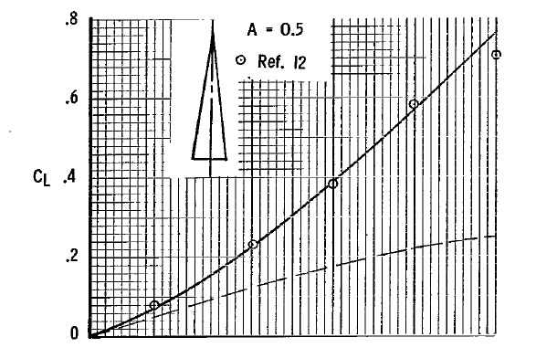
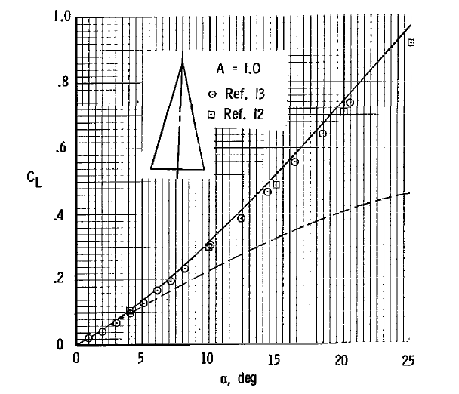
CL vs α A=1.0 @ Re = 13,3333
 | A=1 | A=1 theory
0 | 0.00056055020408 | 0
5 | 0.13357687648 | 0.1370551837
10 | 0.29820875856 | 0.31383832534
15 | 0.49637991759 | 0.51947545119
20 | 0.71610359239 | 0.74074386763
25 | 0.9488821094 | 0.9629672449
30 | 1.127876469 | 1.1710127195
CL vs α @ Re = 13,3333
 | A=0.5 | A=1
0 | 0.00018422857143 | 0.00056055020408
5 | 0.078568550529 | 0.13357687648
10 | 0.18980877559 | 0.29820875856
15 | 0.32825377845 | 0.49637991759
20 | 0.48769039163 | 0.71610359239
25 | 0.65268697494 | 0.9488821094
30 | 0.84334012346 | 1.127876469
CL vs α A=0.5 @ Re = 13,3333
 | A=0.5 | A=0.5 theory
0 | 0.00018422857143 | 0
5 | 0.078568550529 | 0.083556617475
10 | 0.18980877559 | 0.20987541734
15 | 0.32825377845 | 0.37070791232
20 | 0.48769039163 | 0.55508204193
25 | 0.65268697494 | 0.75004998841
30 | 0.84334012346 | 0.94157346424

CL vs CD @ Re = 133,333
 | A=0.5 | A=1
0.0065495020408 | 0.00018422857143 | 0.00056055020408
0.00023592351034 | 0.078568550529 | 0.13357687648
0.035618316674 | 0.18980877559 | 0.29820875856
0.10969227462 | 0.32825377845 | 0.49637991759
0.22975222423 | 0.48769039163 | 0.71610359239
0.40256371518 | 0.65268697494 | 0.9488821094
0.60369722518 | 0.84334012346 | 1.127876469
CD vs α @ Re = 133,333
 | A=0.5 | A=1
0 | 0.0074019591837 | 0.0065495020408
5 | 0.0049245647917 | 0.00023592351034
10 | 0.017302514309 | 0.035618316674
15 | 0.066602588383 | 0.10969227462
20 | 0.14994947613 | 0.22975222423
25 | 0.27101646794 | 0.40256371518
30 | 0.44192936839 | 0.60369722518

