Manufacturing partner box suppl
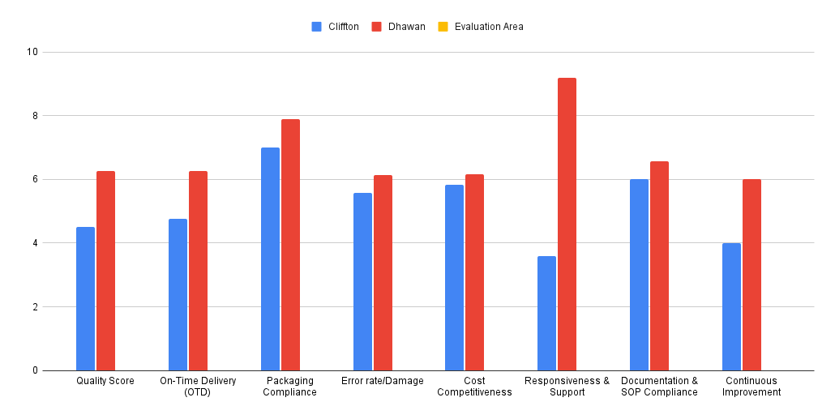
Evaluation Area | What to Evaluate (Detailed Rows) | Impact | Rating Dhawan | Feedback Dhawan | Score | Dhawan | Rating Cliffton | Feedback cliffton | Score Cliffton | Cliffton
 | No warping, bending, or moisture impact | Medium | Below Satisfaction | No such case has been seen in the past lots. | 3 |  | Satisfactory | No such case has been seen in the past lots. | 6
 | Consistency across the lot | Medium | Satisfactory | The boxes were consistent across all lots | 6 |  | Satisfactory | The boxes were consistent across all lots | 6
 | Rejection rate within acceptable limits | Medium | Satisfactory | Low rejection rate | 6 |  | Below Satisfaction | High rejection rate | 3
On-Time Delivery (OTD) | Delivered as per committed date | Medium | Good | Yes,all material received as per committed date | 10 | 6.25 | Below Satisfaction | delay in Lot 2 apart from this, no delivery delays were observed | 3 | 4.75
 | No repeated schedule slippage | Medium | Satisfactory | No repeated delays observed | 6 |  | Satisfactory | No repeated delays observed | 6
 | Adequate stacking strength | Medium | Good | Stacking strength has adequate | 10 |  | Good | Stacking strenght was adequate | 10
 | Palletization standard followed | Medium | Satisfactory | No such case has been seen in the past lots. | 6 |  | Satisfactory | No such case has been seen in the past lots. | 6
 | Inner fitment compatibility | Medium | Good | Fitment was okey | 10 |  | Satisfactory | Fitment was okay | 6
Error rate/Damage | Transit damage complaints | Medium | Satisfactory | Initially transit damages was observed but after improve outer carton GSM, no such issues were observed | 6 | 6 | Satisfactory | Initially transit damages was observed but after improvement no such issues were observed | 6 | 6
 | Box collapse or deformation | Medium | Satisfactory | the box was is received in good condition and there was no deformation | 6 |  | Satisfactory | No such case has been seen in the past lots. | 6
 | Edge crush failures | Medium | Satisfactory | No edge crush failure was observed in the 1st and 2nd lot | 6 |  | Satisfactory | No such case has been seen in the past lots. | 6
 | Warehouse handling feedback | Low | Satisfactory | Warehouse handling not satisfactory in first lot,after improvement in outer carton warehouse handling improve and no concerns were raised by the logistics team | 6 |  | Satisfactory | Warehouse handling was satisfactory, and no concerns were raised by the logistics team | 6
 | Repeat damage issues | Medium | Satisfactory | After improve the packing no one repeat damage case | 6 |  | Satisfactory | No such case has been seen in the past lots. | 6
Cost Competitiveness | Pricing vs market benchmark | Medium | Below Satisfaction | Most of the times prices shared are high and regerous negotiation has to be done. | 3 | 6 | Good | Provides competative prices and most of the times it's better than Dhawan. | 10 | 6
 | Cost stability over time | Medium | Satisfactory | Standardize table is follwed now for costing. | 6 |  | Below Satisfaction | Cost was increased for lot 2 without change in specs | 3
 | Willingness for cost optimization | Low | Good | Yes, Also shares ideas for optimizing the cost without delpeting quality of the box | 10 |  | Below Satisfaction | No prompt discussion has been initiated from supplier & their is no willingness for cost optimization. | 3
 | Support for volume-based pricing | Medium | Satisfactory | Supports for less qty also | 6 |  | Satisfactory | Supports for less qty also | 6
 | Transparency in cost breakup | Medium | Satisfactory | Yes there was clear transparency in cost breakup | 6 |  | Good | Yes there was clear transparency in cost breakup | 10
 | No hidden or surprise charge | Medium | Satisfactory | there are no hidden and surprise charge | 6 |  | Below Satisfaction | there are no hidden and surprise charge | 3
Responsiveness & Support | Response time to emails/calls | Medium | Satisfactory | During initial development we fasced issue of respense but was later sorted. | 6 | 9.2 | Poor | Poor response from the team during lot 2 | 0 | 3.6
 | Complaint handling turnaround time | Medium | Good | Quick response on quality complaint | 10 |  | Below Satisfaction | Poor response for complaints | 3
 | Willingness to visit plant if required | Low | Good | No such case has been seen in the past lots. |  |  | Not Applicable | Never requested to visit factories
 | Coordination with QA & SCM teams | Low | Good | Yes,the Coordination with QA & SCM teams was good | 10 |  | Satisfactory | No such case has been seen in the past lots. | 6
 | Raw material traceability | Low | Satisfactory | Taking more time for raw material traceability | 6 |  | Satisfactory | No such case has been seen in the past lots. | 6
 | Change management communication | Medium | Not Applicable | No such case has been seen in the past lots. |  |  | Not Applicable
 | Correct invoice & delivery documents | Low | Good | All the lots deliver with correct invoice and delivery docs in every sites | 10 |  | Satisfactory | Both the lots delevered with correct invoicse and delivery docs | 6
 | Lot identification & marking | Medium | Satisfactory | Both lots were properly traceable because the artwork changes were correctly implemented | 6 |  | Satisfactory | Both lots were properly traceable because the artwork changes were correctly implemented | 6
 | Correct PO reference in documents | Low | Satisfactory | Yes,correct po reference in (invoice)document | 6 |  | Satisfactory | No such case has been seen in the past lots. | 6
 | Reduction in rejection over time | Medium | Satisfactory | Only received 2nd in lot,but its was no rejection in the first lot | 6 |  | Below Satisfaction | Rejection were observed in both the lots | 3
 | Process improvement initiatives | Medium | Satisfactory | only received in 2 lot but after being reported it could not be repeat | 6 |  | Below Satisfaction | Rejection were observed in both the lots | 3

Poor | 0
Below Satisfaction | 3
Satisfactory | 6
Good | 10

