Questions on System Design
Category | Question | Completed
Basics | What is system design and why is it important? | scalability, availibility, maintainence etc
Basics | What is scalability? Types of scalability? | Horizontal: servers and vertical:RAM only one server
Basics | Explain the CAP Theorem with examples. | Consistenbcy, availability, partioning. only 2 can be fulfilled once. Partioning is compulsory we need to choose among C,A
Basics | Difference between monolithic and microservices architecture. | All features build on simgle unit i.e. single codebase are called monolithic arch. All features are divided in independent services is called microservices.
Basics | What is latency and throughput? | Latency means how much time it is needed to do a task. Throughput means how much task is done in per second
Basics | What is availability vs reliability? | Availability means system is up and responsive & reliabillity means system is correct most of the time
Basics | Explain load balancing. What are common algorithms used? | load balancers that distributes the incoming network tarffic to different servers. Algos are: round robin, IPHash, Least connection ets
Basics | Difference between horizontal and vertical scaling. | Horixontal: Increasing servers to handle traffic and Vertical Increasing ram and all making one server powerful
Basics | What is caching? How does it improve performance? | storing frequently accessed data in faster storage layer so future requests can be served faster
Basics | What are TTL and cache invalidation strategies? | ttl means data expires after certain period of time. cache invalidations means Removing or updating cached data when the underlying data changes.
Basics | What is CDN and how does it work? | global distributed network of servers that makes loading of website faster
Basics | Difference between SQL and NoSQL databases. | SQL table and cols, relations, consistency is key ,vertical scaling, baking app etc Nosql document type storage, horizontal storage, blogging chat app
Basics | What is eventual consistency? | update is done after some time
Basics | Explain replication and sharding. | sharding means distributing data among different servers and replication means copying data for high fault tolerance | 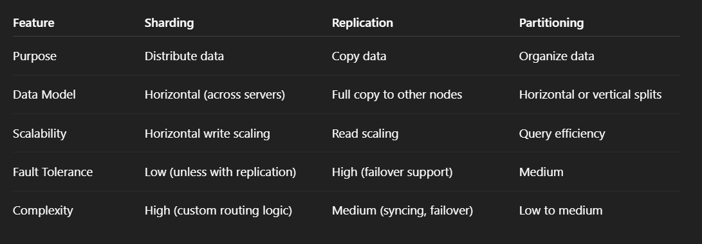
Basics | Explain the role of a reverse proxy. | Reverse proxy is responsible to redirect the user request to appropriate server. Its major roles includes: Load balancing, SSL Termination, Caching, Security and Compression
Intermediate | How would you design a URL shortener? | Requirements: convert, redirect, handle traffic i.e. multiple requests High Level design: Client sends long URL to backend. Backend generates a unique short code (hash, base62 encoding). Store (short_code → long_url) mapping in a database. Redirect requests use the short code to find the long URL and redirect.
Intermediate | How would you design a rate limiter? | Done
Intermediate | How would you design a news feed system? | News feed : Requirements is that user should able to view the news and to design : client sends request to server to get the news, backend sends the news then we can use caching to show previously loaded news until user gets connected . Incresing servers over diff locations to handle traffic
Intermediate | 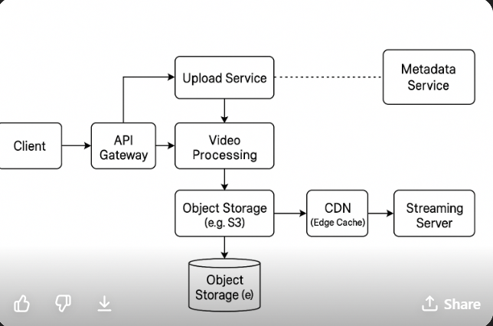 How would you design a messaging system (like WhatsApp)?
Intermediate | What are message queues and when would you use them? | queue are waiting line where request are handled . They are used because of decoupling that is sender and reciver need not to be online , scalability, retry &backup and reliability
Intermediate | What is consistent hashing? | when more servers are added re distributing data becomes costly so consistent hashing distributes data in circular haash ring . Each data item is stored in the first server found clockwise from its hash. used in databased, CDNs
Intermediate | Explain leader election in distributed systems. | A consenssus mechanism which choose one node as a leader to handle tasks such as hsndle writes, syncing data, managing coordination. Algorithms used are raft, paxos, zookeeper. In Kafka, a leader partition handles all reads/writes, followers just sync data.
Intermediate | How do you ensure data consistency in distributed databases? | 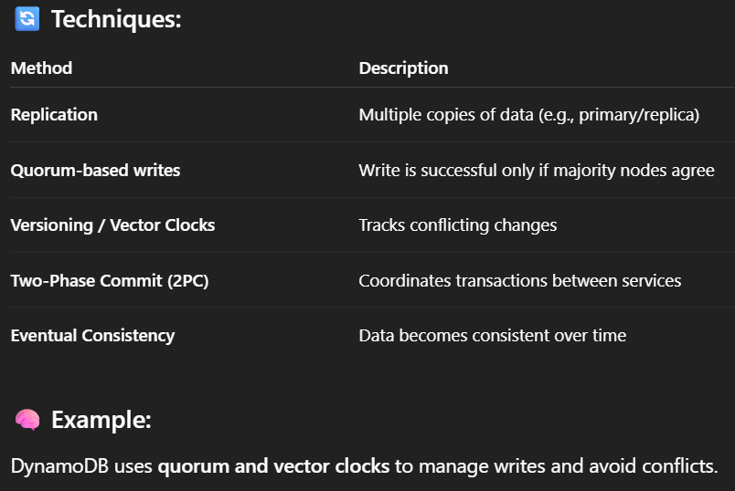 Data consistency can be ensured using following techniques such as: Replication, Quorum-based writes, Versioning, Two phase commit, etc..
Intermediate | What are idempotent operations? | operations which have same effect no matter how many time it has performed. Eg delete user 123 will delete only that use no matter how many times you perform it.
Intermediate | 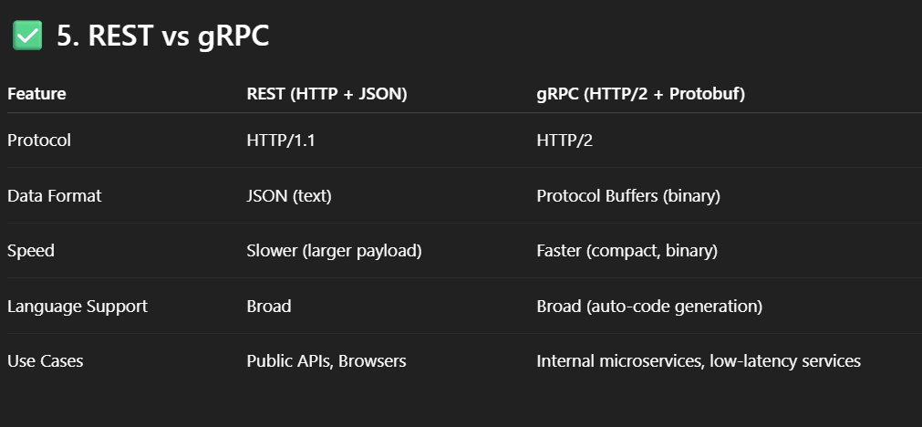 What is the difference between REST and gRPC?
Intermediate | How would you design a scalable notification system?
Intermediate | How does service discovery work? | In mocroservice , there is registery taht keep track of available services so that it becomes easy to find services
Intermediate | What are circuit breakers in system design? | To prevent repeated failure of system. It stops sending requests. Try after cools down. example if payment gateway is down, circuit breaker stops retrying and sends fallback message
Intermediate | What is the role of API gateways in microservices? | a single gateway for all client request. Request routing, Authentication, Rate limiting, Logging & monitoring, Response aggregation
Intermediate | What is a database write-ahead log? | crash recovery mechanism that is used in database to ensure durability and consistency. before making any channges write to log first.
Advanced | Design Twitter with timelines and follow relationships. | Done
Advanced | Design Instagram with posts, stories, and likes. | Done
Advanced | Design Google Docs (real-time collaboration). | Done
Advanced | Design a scalable search engine. | Done
Advanced | Design a video streaming service like YouTube. | Done
Advanced | How would you handle high write throughput in a database?
Advanced | How to design a system that handles eventual consistency?
Advanced | What are the components of a distributed file system?
Advanced | How do you design a distributed cache?
Advanced | Design a ride-sharing app like Uber.
Advanced | Design a system for handling millions of IoT devices.
Advanced | How would you store large files efficiently (images, videos)?
Advanced | What are common bottlenecks in large-scale systems?
Advanced | Explain database indexing strategies for large-scale apps.
Advanced | What is a quorum in distributed systems?
Systems | Design a ticket booking system.
Systems | Design a file storage system (like Dropbox).
Systems | Design a job scheduler (like cron).
Systems | Design an e-commerce platform backend.
Systems | Design an online code editor.
Systems | Design a payment processing system.
Systems | Design a multi-tenant SaaS platform.
Systems | Design a voice/video calling system.
Systems | Design a cloud storage service.
Systems | Design a logging and monitoring service.
Theory | Explain trade-offs between consistency and availability. | Per CAP Theorem, you can’t have all 3: Consistency, Availability, Partition tolerance. Consistency > Availability: Banking apps (ACID) Availability > Consistency: Social media feeds (eventual consistency)
Theory | How do you prevent data loss in distributed systems? | Replication across nodes/data centers. Write-Ahead Logs (WAL). Acknowledgements (quorum-based). Backups and Snapshots.
Theory | Why is fault tolerance important and how do you achieve it?
Theory | What are retries and exponential backoff?
Theory | How would you perform load testing on your system?
Theory | What is eventual consistency and where is it acceptable?
Theory | Explain API rate limiting and throttling strategies.
Theory | How do you handle database schema changes in production?
Theory | What is blue-green deployment?
Theory | What are the risks of a single point of failure (SPOF)?
 | 1. Design a simple URL shortening service. 2. Design a basic chat application. 3. Design a file storage system. 4. Design a simple social media platform. 5. Design a simple search engine. 6. Design a simple e-commerce website. 7. Design a basic ride-sharing system. 8. Design a basic video streaming service. 9. Design a simple recommendation system. 10. Design a basic food delivery app. 11. Design a parking lot management system. 12. Design a simple music streaming service. 13. Design a basic online ticket booking system. 14. Design a simple note-taking application. 15. Design a weather forecasting system. 16. Design a basic email service. 17. Design a file synchronization system. 18. Design a simple calendar application. 19. Design a basic online quiz platform. 20. Design a user authentication system.

