System Diagram
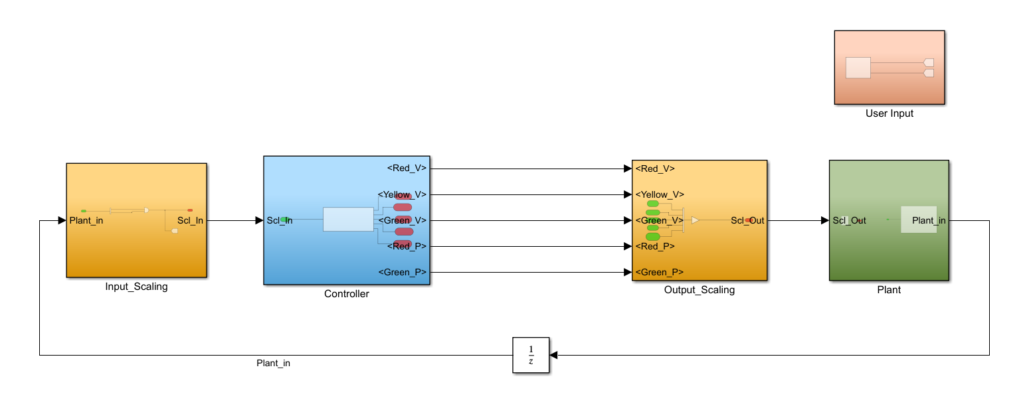
SYSTEM ARCHITECTURE

Requirements
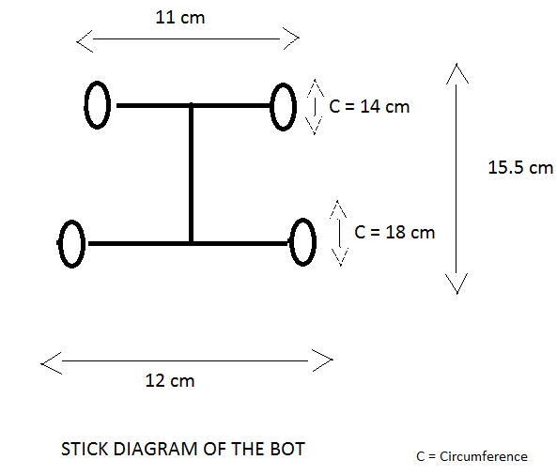
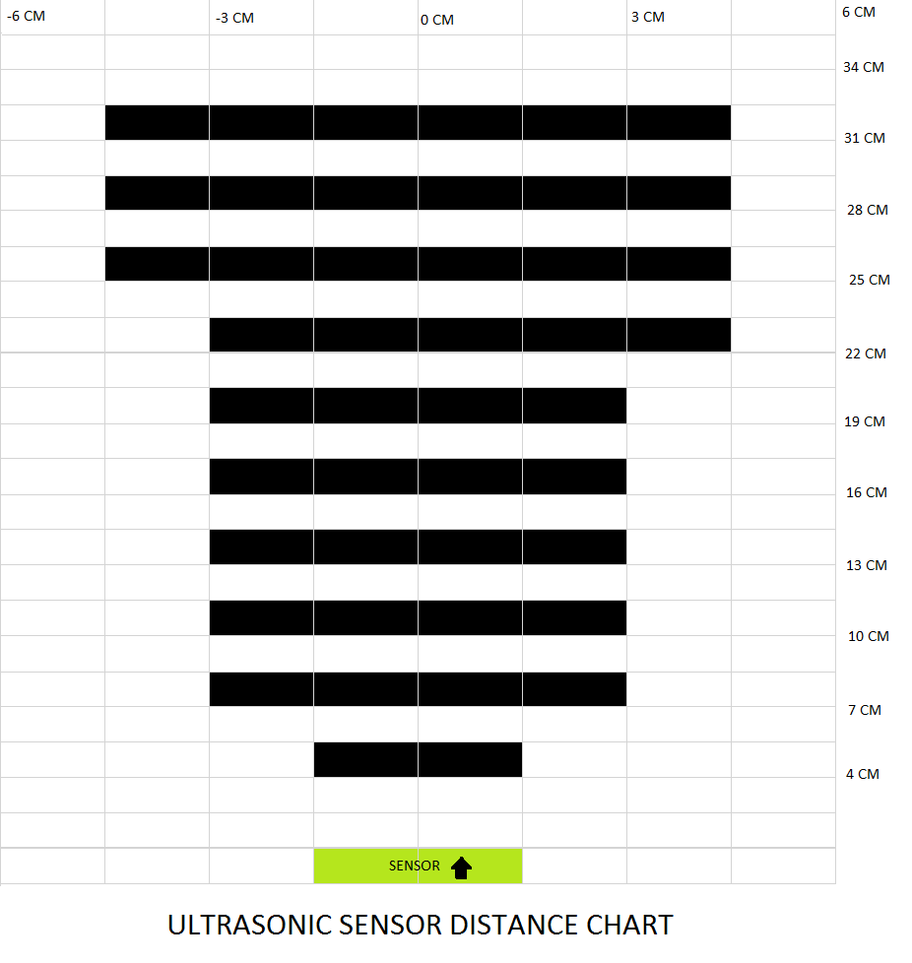
Req.ID | Feature | Requirement | Description | Priority | Functional Req. ? | Associated Test ID | % Maturity | Severity of Fall-out [1, 2, 3] | Probability of Fall-out [%] | Risk | Remark
Req.001 | Input | Implementing push button switches | A push button has to be enabled on both sides of the road to activate TLCS | 1 | Y | T_001, T_002 | 100 | 1 | 25% | 0
Req.002 | Control Logic/state flow | TLCS is enabled when Push button is pressed. 1) Vehicle Light Status = Green 2) Pedestrian Light Status = Red. 3) Press the push button | Light for car is green. When, Push button is pressed by pedestrian, TLCS is activated. | 1 | Y | T_003 | 100 | 1 | 15% | 0
Req.003 | Control Logic/state flow | 1) Vehicle Light Status = Yellow 2) Pedestrian Light Status = Red. | Vehicle light will transit from green to yellow | 2 | N | T_005 | 100 | 3 | 10% | 0
Req.004 | Control Logic/state flow | 1) Vehicle Light Status =Red 2) Pedestrian Light Status = Green | Vehicle light Status changes to red and pedestrian light changes to green. Pedestrian can cross the road | 3 | Y | T_006 | 100 | 1 | 10% | 0
Req.005 | Control Logic/state flow | 1) Vehicle Light Status = Red- Yellow 2) Pedestrian Light Status = Red | Wait for some time for pedestrian to cross the road. Pedestrian Light changes to Red. Vehicle Light changes to red-yellow. | 3 | Y | T_008 | 100 | 1 | 10% | 0
Req.006 | Control Logic/state flow | 1) Vehicle Light Status = Green 2) Pedestrian Light Status = Red | Pedestrian had crossed the road. Vehicle light will transit from red-yellow to green. | 3 | N | T_009 | 100 | 3 | 10% | 0
Req.007 | Output | 1) Implementing Vehicle light LEDs. 2) Implementing Pedestrian light LEDs. | Output LEDs for Vehicle and pedestrian light system needs to enabled based on control logic and stateflow and display appropriate message on optical indicator. | 1 | Y | T_010,T_011,T_012,T_013,T_014 | 100 | 2 | 25% | 0

