Summary
Insights and Conclusion

Contents:-
- School Data
- Population Data
- Regional Data
- District Data
- Mahalla Data
- Merged by District
- Merged by Region
- Growth Rate
- Sorted Population
- Plot_1
- Plot_2
- Plot_2
- Plot_3
- Plot_4
- Plot_5
Problem Statement:-
We have been given two datasets:-
One is having the data of Schools in a country
Another one is having the data of the population
Some of the schools are overburdened, hence we need to identify them and we also need to point out new locations where schools must be built so that a balance can be maintained between the demad of the population and the availability of schools.
What did we learn about the dataset after doing some data checking?
First of all after throughly studying the given datasets here are few pointers that I am able to seek from the Data sets:-
- School Data:-
- There were no null values in the dataset which means the given dataset was already pretty much clean and sophisticated.
- The dataset was having 3 categorical and 4 numerical variable columns.
- There were no exact duplicates of any rows, however there were few rows with 0 values which were carefully detected and handled.
- There are multiple groups as per the region, district, and mahalla. The region can work as the universal set in which the hirarchy of the dictrict followed by mahallas can be seen.
- The relationship of demand and supply in these areas can be interpreted by the values in projected_volume and actual_students columns.
- Population Data:-
- In this dataset as well there were no null values, hence it was also a clean dataset.
- This dataset was having 3 categorical values from which only 1 is actually required, the other 15 are the numerical values from which 14 are the population over the years.
- In this data set as well there were no exact duplicates however there are some 0 values that are to be taken care of accordingly.
- Using the columns with the population we will be able to predict the expected population growth of any place and hence we will be able to frame our decisions regarding buliding schools more informatively.
The Data Manipulation is typically divided into 3 parts:-
- Manipulation as per the School Data
- Manipulation as per the Population Data
- Manipulation as per the Merged Data
1. School Data:-
- First we checked for the regions where the capacity and students per shift ratio was the least. sorted_region_df
- Then we checked for the districts where the capacity and students per shift ratio was the least. sorted_dist_df
- Then we finally checked for the mahallas where the capacity and students per shift ratio was the least. sorted_mah_df
With the mahallas study we were able to check the major locations where there was a need to build schools, we handled the outliers in the data so that the accuracy can be maintained.
sorted_mah_df dataframe tell us where there is a need to build a school.
Not only that if we will be checking the tail of these dataframes we will be able to see which schools are underutilized which is increasing the burden on other schools.
Population Data:-
- First we created new column in the data set to check the population growth rate. sorted_growth_pop.head(10): These are the top 10 places where the population growth was highest.
- Then we created another new column to check the estimated population of that location by 2024 as per the growth rate.
- Then we checked for the districts with the current highest population. highest_pop.iloc[2:].head(10) shows the top 10 highest populated locations.
Merged Data:-
- We merged the data on 2 basis: 'region' and 'district'
- In this district based merge we checked for the ration of capacity per student. sorted_ratio_merged: Shows the data.
- We checked the same thing in region based merge also. sorted_ratio_merged_region: shows the least ratio with capacity per student.

Plot_1
10 Most Under Utilized Mahallas | 1. Why did we pick the specific chart?
Using a Bar plot can easily indicate the intensity of the locations which are underutilized as per the capacity per student ratio.keyboard_arrow_down


 | 2. What is/are the insight(s) found from the chart?
We can see that Aloqali is the region with the highest under utilization, here the capacity is 18.35 seats for each student. Others can also be seen from the chart.
Further details can be found in the respective sheets.

Plot_2
Top 10 locations where there is a need for build | 1. Why did we pick the specific chart?
This bar plot clearly shows those Mahallas where there is a need to built the schools, as the capacity is too less as compared to the student population.
keyboard_arrow_down


 | 2. What is/are the insight(s) found from the chart?
From here we can see that the Orol MFY is in the most need for this, however this cannot be the only factor on which the decision can be made as we also need to check with the community and the nearby area if they can fulfill this need.
Further details can be found in the respective sheets.

Plot_3
Population growth rate over time for the top 10 locations with the highest population growth | 1. Why did we pick the specific chart?
Line plot can easily show the graphical status of the growth rate in population as per the regions over the time.

 | 2. What is/are the insight(s) found from the chart?
We can see the Bektemir District is having the highest growth along with the others.
Further details can be found in the respective sheets.

Plot_4
Capacity Ratio of top Districts with highest population growth Rate | 1. Why did we pick the specific chart?
With the line plot it is clear to see the ratios in which the capacity per student can be visulized.

 | 2. What is/are the insight(s) found from the chart?
Here we can see that the student capacity distribution is about linear however in some places there is an utmost need to handle the distribution and balance, this can be filtered with the combination of checking with the mah_df that which regions are mostly required to be in focus.

Plot_5
Capacity vs Students | 1. Why did we pick the specific chart?
 | Scatter plot is the best way to reflect relation between any 2 numerical values.
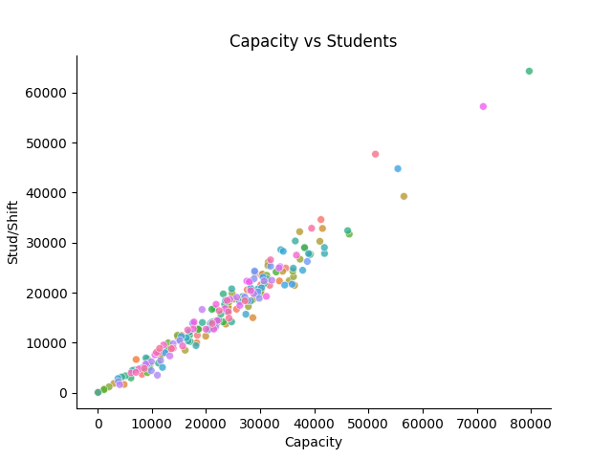
 | 2. What is/are the insight(s) found from the chart?
Here we can see that the student capacity distribution is about linear however in some places there is an utmost need to handle the distribution and balance, this can be filtered with the combination of checking with the mah_df that which regions are mostly required to be in focus.

Map Plot
Overburdened Districts shown on map

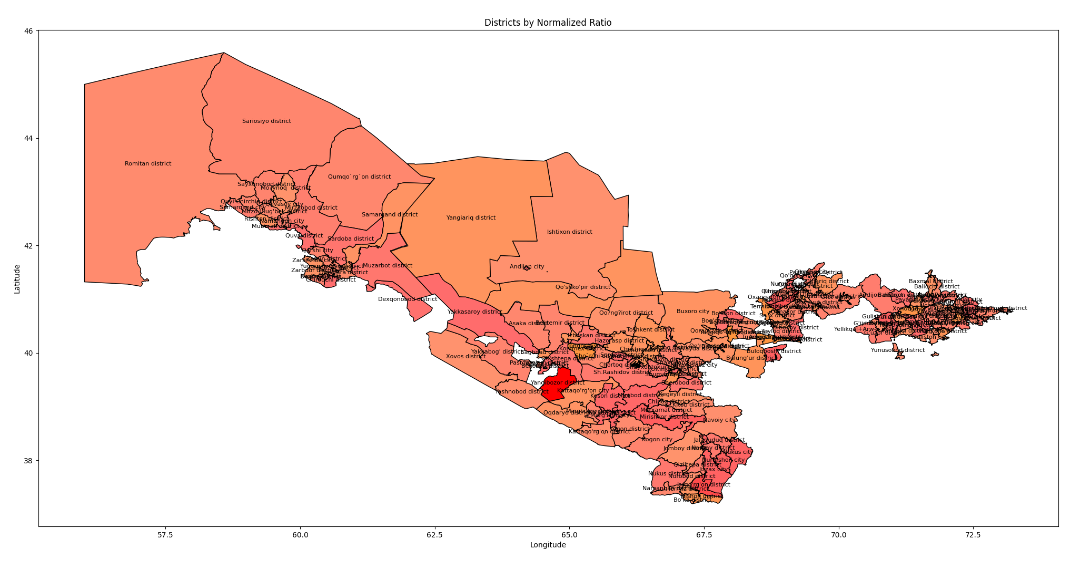
District | Ratio | normalized_ratio
Amudarya district | 0.89829196638 | 0.80466733925
Andijon city | 0.79454106327 | 0.59299894967
Andijon district | 0.83647869018 | 0.67855839721
Angor district | 0.82397003745 | 0.65303875064
Angren city | 0.86324315026 | 0.73316216444
Asaka district | 0.86462589598 | 0.73598318623
Baghdad district | 0.92788443558 | 0.86504069613
Baliqchi district | 0.87504956303 | 0.75724912949
Bandixon district | 0.80303030303 | 0.61031835274
Baxmal district | 0.91386046565 | 0.83642956079
Bekabod city | 0.88 | 0.76734881045
Bekobod district | 0.89481592908 | 0.79757566877
Bektemir district | 0.85984235275 | 0.72622399512
Beruniy district | 0.85308392582 | 0.71243572628
Beshariq district | 0.76962668168 | 0.54216963764
Bo'ka district | 0.9072539667 | 0.82295124926
Bo'ston district | 0.7681112376 | 0.53907789003
Bog'ot district | 0.8117214253 | 0.62804962833
Bostanliq district | 0.87223756906 | 0.75151221331
Boyovut district | 0.87952538473 | 0.76638051961
Buloqboshi district | 0.72448830052 | 0.45008014096
Bulung'ur district | 0.93545378422 | 0.88048337458
Buvayda district | 0.89538711398 | 0.79874097707
Buxoro city | 0.91747361062 | 0.84380095277
Buxoro district | 0.91512971906 | 0.83901904018
Chilonzor district | 0.86719226899 | 0.74121899649
Chimboy district | 0.92078654824 | 0.8505598739
Chinoz district | 0.81081081081 | 0.62619182953
Chirchiq city | 0.92023216013 | 0.84942883374
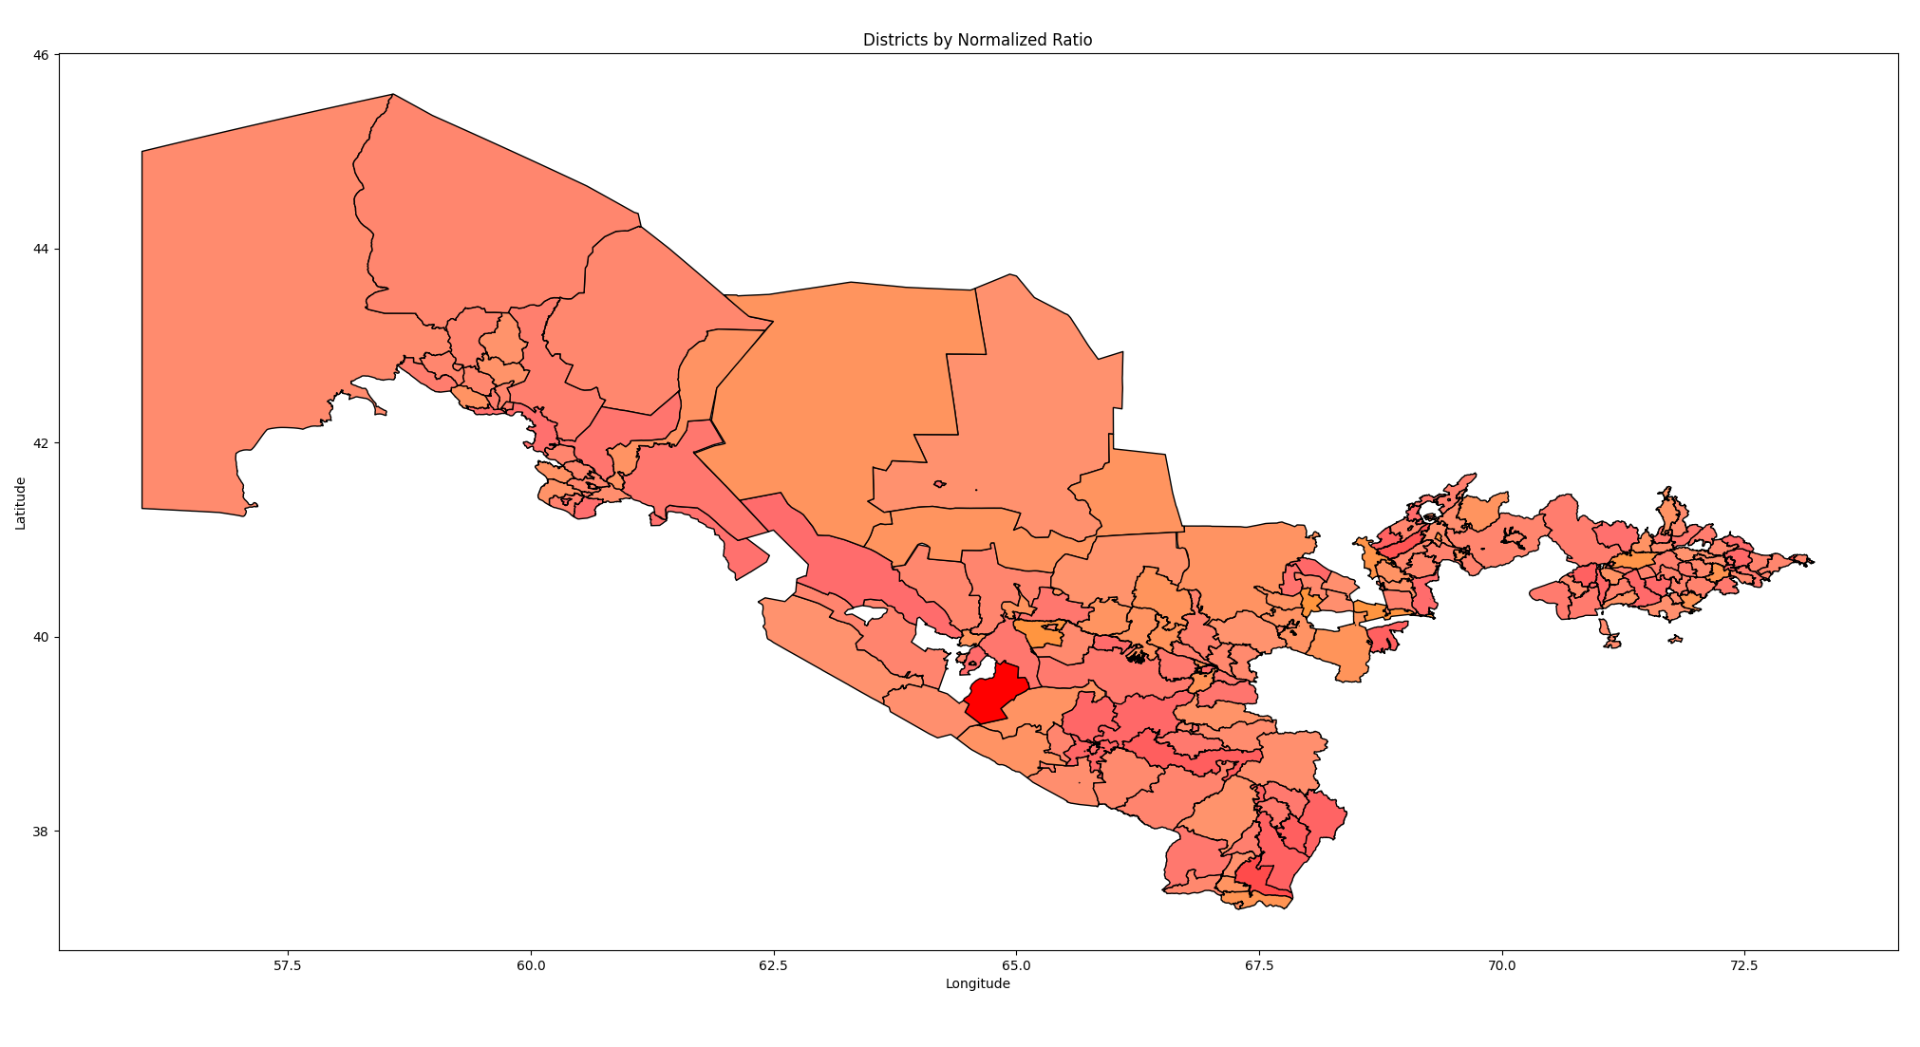
Chiroqchi district | 0.79671367722 | 0.59743142864
Chortoq district | 0.92783505155 | 0.86493994482
Chust district | 0.85452017885 | 0.71536591153
Dang'ara district | 0.88285034077 | 0.77316396023
Denov district | 0.84665116721 | 0.69931187276
Dexqonobod district | 0.8053903897 | 0.61513330595
Do'stlik district | 0.97251119097 | 0.95608639464
Farg'ona city | 0.82036564592 | 0.64568521705
Farg'ona district | 0.94361466643 | 0.89713287587
Forish district | 0.87874612158 | 0.76479069849
Furqat district | 0.79812242626 | 0.60030550137
G'allaorol district | 0.91481749925 | 0.83838206197
G'ijduvon district | 0.87593469949 | 0.75905494904
G'uzor district | 0.83202014635 | 0.66946225669
Guliston city | 0.88809921962 | 0.78387251022
Guliston district | 0.73307349783 | 0.46759531272
Gurlan district | 0.78147612156 | 0.56634438487
Hazorasp district | 0.92285494445 | 0.85477973207
Ishtixon district | 0.88949850924 | 0.78672728422
Izboskan district | 0.82335339111 | 0.65178069375
Jalaquduq district | 0.82681310926 | 0.65883907058
Jarqo'rg'on district | 0.66356437727 | 0.32578562077
Jizzax city | 0.73565323565 | 0.47285838933
Jomboy district | 0.89874138982 | 0.80558423475
Jondor district | 0.87027867319 | 0.74751575331
Kasbi district | 0.76651985225 | 0.5358312101
Kattaqo'rg'on city | 0.9162508357 | 0.84130629693
Kattaqo'rg'on district | 0.88185686046 | 0.77113710194
Kegeyli district | 0.90741069575 | 0.82327100151
Kitob district | 0.87785867116 | 0.7629801581
Ko'kdala district | 0.80435355745 | 0.61301800281
Kogon city | 0.85636820679 | 0.71913618327
Kogon district | 0.87149566523 | 0.74999861117
Konimex district | 0.98637879911 | 0.98437852698
Koson district | 0.75966798326 | 0.52185230456
Marg'ilon city | 0.75834937481 | 0.51916213301
Marxamat district | 0.82586040003 | 0.6568953918
Mingbuloq district | 0.8588273807 | 0.72415329025
Mirishkor district | 0.7131087175 | 0.42686397666
Mirobod district | 0.76449582472 | 0.53170187113
Mirzaobod district | 0.84299763332 | 0.69185808091
Mirzo Ulug'bek district | 0.86249782946 | 0.73164159112
Mo?ynoq district | 0.90182086614 | 0.81186685759
Muborak district | 0.80370685604 | 0.61169862878
Muzarbot district | 0.82045651441 | 0.64587060326
Namangan city | 0.84417017537 | 0.6942502537
Namangan district | 0.8664293748 | 0.73966257067
Narpay district | 0.83157808114 | 0.66856037316
Navoiy city | 0.88372079094 | 0.77493981739
Nishon district | 0.94832826748 | 0.90674937378
Nukus city | 0.74482240913 | 0.49156496562
Nukus district | 0.8253968254 | 0.6559496256
Nurafshon city | 0.71917808219 | 0.43924644864
Nurobod district | 0.88926512835 | 0.78625114997
Nurota district | 0.78526583197 | 0.57407599853
O'rta Chirchiq district | 0.88755787621 | 0.78276808332
O'zbekiston district | 0.8494340792 | 0.70498945706
Olmaliq city | 0.84291187739 | 0.69168312515
Olmazor district | 0.86761179517 | 0.7420748968
Olot district | 0.85822443719 | 0.72292318935
Oltiariq district | 0.92542766858 | 0.86002849962
Oltinko'l district | 0.7787921143 | 0.56086858197
Oltinsoy district | 0.7872376615 | 0.57809884524
Oqdaryo district | 0.91419043082 | 0.83710274235
Oqoltin district | 0.86848635236 | 0.74385913295
Oxangaron district | 0.72916692152 | 0.45962527399
Parkent district | 0.68469856192 | 0.36890272816
Pastdarg'om district | 0.86423141154 | 0.73517837507
Paxtachi district | 0.97859327217 | 0.96849481032
Paxtakor district | 0.91901294612 | 0.8469414427
Paxtaobod district | 0.87751706938 | 0.76228323599
Payariq district | 0.91542958152 | 0.83963080742
Peshko' district | 0.82354651441 | 0.65217469608
Pop district | 0.83730900045 | 0.68025236259
Qamashi district | 0.86056822286 | 0.72770488592
Qarshi city | 0.85861154534 | 0.72371295169
Qarshi district | 0.88286303724 | 0.77318986305
Qibray district | 0.87131230112 | 0.74962451914
Qiziltepa district | 0.84430451205 | 0.69452432195
Qiziriq district | 0.90598990312 | 0.82037235795
Qo'qon city | 0.82602930496 | 0.65723998478
Qo'rg'ontepa district | 0.87102480047 | 0.74903797196
Qo'shko'pir district | 0.92611719307 | 0.86143523955
Qo'shtepa district | 0.8203183912 | 0.64558880988
Qo?ng?irot district | 0.89859272241 | 0.80528092953
Qo`shrabot district | 0.85342974154 | 0.71314124551
Qorako'l district | 0.85644979756 | 0.71930264145
Qorao?zak district | 0.91603053435 | 0.84085684704
Qumqo`rg`on district | 0.86467155797 | 0.73607634398
Quva district | 0.80388754511 | 0.6120672633
Quvasoy city | 0.90502877713 | 0.81841150764
Quyi Chirchiq district | 0.86057089851 | 0.72771034467
Rishton district | 0.91645606489 | 0.8417249972
Romitan district | 0.87529783291 | 0.75775563964
Samarqand city | 0.83621729206 | 0.67802510335
Samarqand district | 0.91575076967 | 0.84028608247
Sardoba district | 0.81750253293 | 0.63984400991
Sariosiyo district | 0.86052199939 | 0.72761058266
Sayxunobod district | 0.85714285714 | 0.72071659354
Sergeli district | 0.7842635847 | 0.57203125424
Sh.Rashidov district | 0.82948793817 | 0.66429614815
Shaxrisabz city | 0.87314578194 | 0.75336511243
Shaxrisabz district | 0.86720253423 | 0.74123993921
Shaxrixon district | 0.84699790395 | 0.700019271
Shayxontoxur district | 0.82690833084 | 0.65903333778
Sherobod district | 0.81701754386 | 0.63885455486
Sho`rchi district | 0.87229545526 | 0.75163031039
Shofirkon district | 0.93099475516 | 0.87138624413
Shovot district | 0.82660943396 | 0.65842354046
Shumanay district | 0.94117647059 | 0.89215856748
Sirdaryo district | 0.90343539888 | 0.81516076187
So`x district | 0.91529850412 | 0.83936338861
Termiz city | 0.96774193548 | 0.94635635279
Termiz district | 0.92202546603 | 0.85308746379
To'raqo'rg'on district | 0.88321050566 | 0.77389875403
To'rtko'l district | 0.88359822761 | 0.77468976865
Toshkent district | 0.93220439767 | 0.87385410778
Toshloq district | 0.85140954694 | 0.70901972632
Toyloq district | 0.84893669489 | 0.70397471374
Tuproqqal'a district | 0.98671726755 | 0.98506905659
Uchko'prik district | 0.66660119454 | 0.33198121235
Uchqo'rg'on district | 0.87133900362 | 0.7496789965
Uchtepa district | 0.89574301852 | 0.79946707909
Ulug+IBg-nor district | 0.8563206999 | 0.71903926165
Urganch city | 0.82732723375 | 0.65988796652
Urganch district | 0.83446519086 | 0.67445053746
Urgut district | 0.8460754502 | 0.69813731824
Uychi district | 0.86020542768 | 0.72696472589
Uzun district | 0.88065647548 | 0.76868812513
Vobkent district | 0.7736337844 | 0.55034476629
Xatirchi district | 0.86201783344 | 0.7306623227
Xiva city | 0.78247670341 | 0.56838573142
Xiva district | 0.82657397358 | 0.65835119564
Xo'jaobod district | 0.86929941621 | 0.74551791289
Xo?jayli district | 0.95462432876 | 0.91959434296
Xonobod city | 0.97098875074 | 0.95298037375
Xonqa district | 0.77987290972 | 0.56307357701
Xovos district | 0.89395903552 | 0.79582746924
Yakkabog' district | 0.8575511907 | 0.72154965911
Yakkasaroy district | 0.78603551071 | 0.5756462659
Yangiariq district | 0.92723543622 | 0.86371663393
Yangibozor district | 0.50387802805 | 0
Yangihayot district | 0.90003530433 | 0.80822402672
Yangiqo`rg`on district | 0.99403578529 | 1
Yangiyul city | 0.77604900289 | 0.55527219721
Yangiyul district | 0.90860770578 | 0.82571309289
Yashnobod district | 0.88538881838 | 0.7783428594
Yellikqal+Arw-a district | 0.83233107357 | 0.67009659783
Yozyovon district | 0.85286679067 | 0.71199273595
Yunusobod district | 0.87512141139 | 0.75739571159
Yuqorichirchiq district | 0.86471602338 | 0.7361670605
Zarafshon city | 0.91251526252 | 0.83368513184
Zarbdor district | 0.90629274966 | 0.82099021318
Zomin district | 0.86289601989 | 0.73245396312

