Fig. 3d & Supp Fig. 4a
Fig. 3d and Supplementary Fig. 4a
 | Blot 1 | Blot 2 | B lot 3
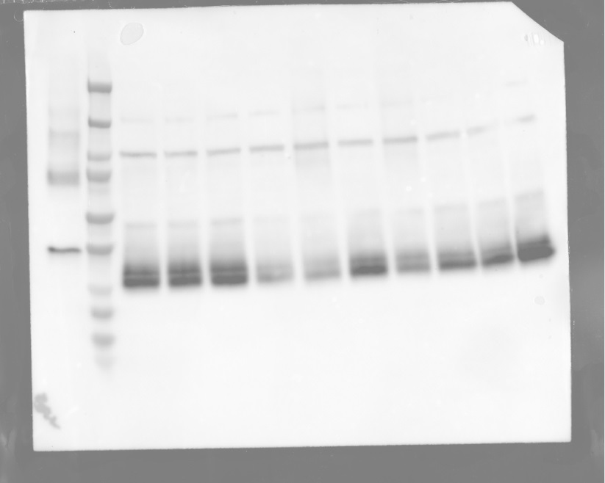
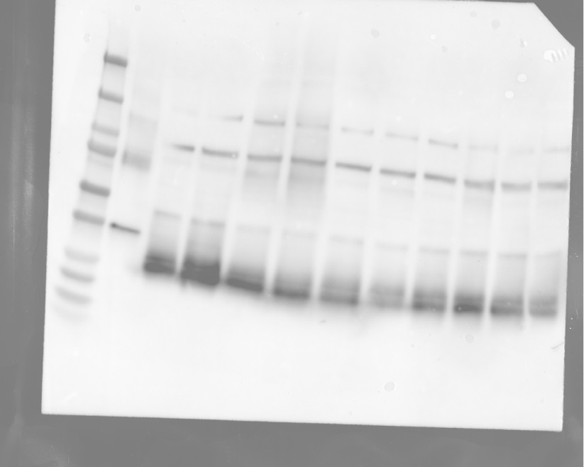
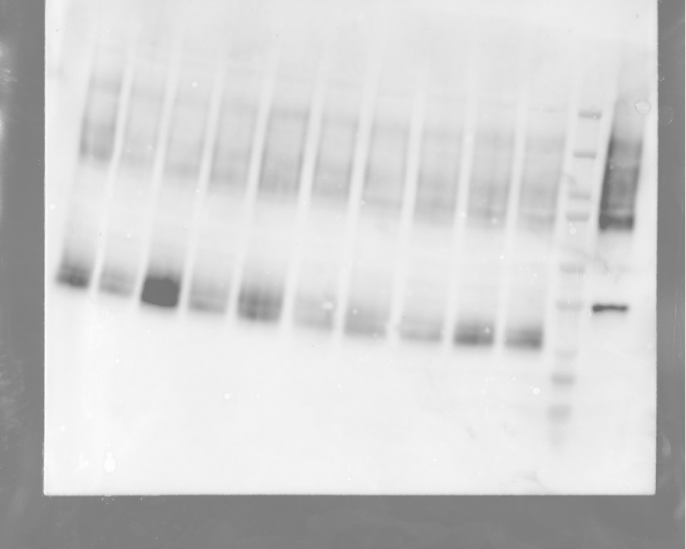
 |  |  |  | AQP4 western blotting
 |  |  |  | Primary antibody: Rabbit anti-AQP4 antibody (1:1,000 dilution; Chemicon, AB3594, Lot #: 3213917)
 |  |  |  | Secondary antibody: Donkey anti-Rabbit-HRP secondary antibody (1:10,000 dilution; Jackson Immunoresearch, #711-035-152, Lot#59390)
 |  |  |  | Dual Color Ladder (Bio-rad)
 |  |  |  | antigen control is the rat homolog of AQP4

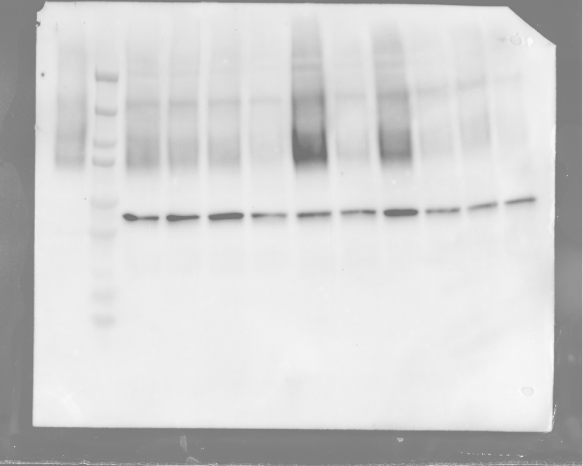
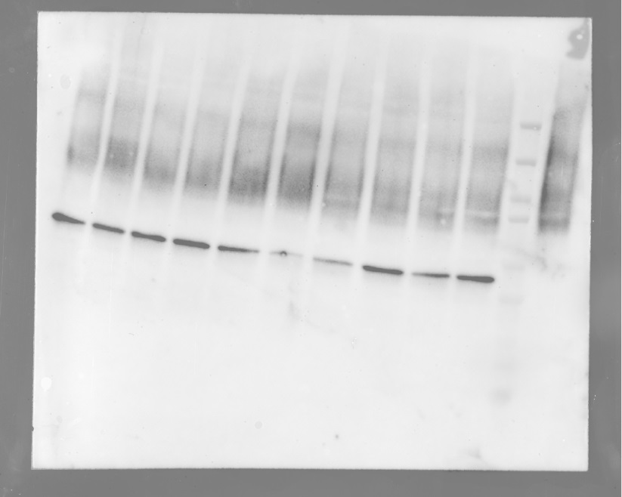
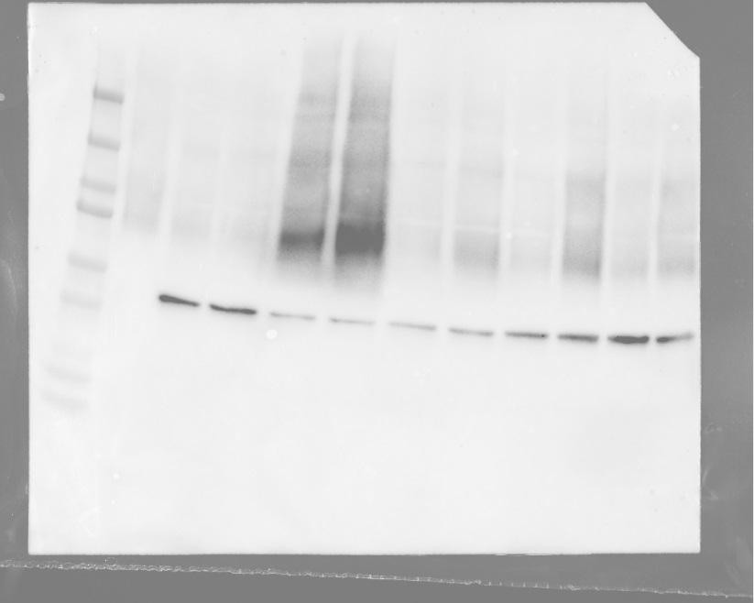

 |  |  |  | bActin loading control
 |  |  |  | Primary antibody: Mouse anti-βactin primary antibody (1:5,000 dilution; Cell Signaling Technology, #12262S, Lot #: 2)
 |  |  |  | Secondary antibody: Donkey anti-Mouse-HRP secondary antibody (1:10,000 dilution; Jackson Immunoresearch #715-035-150, Lot #: 143140)
 |  |  |  | Dual Color Ladder (Bio-rad)
 |  |  |  | antigen control is the rat homolog of AQP4

