Arkusz2
Link: | https://www.instagram.com/p/DIWP7ohIO0L/
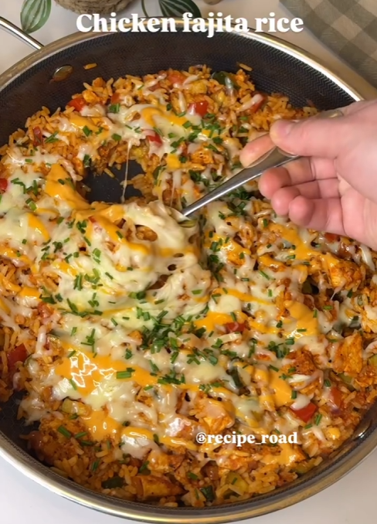

 |  | Pokroić kurczaka i warzywka
 | For the chicken | Doprawic kurczaka i usmazyc
400g | chicken mini fillets | d
1 tsp | paprika | dfasdfasdfs
1tsp | garlic granules
1/2 tsp | onion granules
 | pepper to taste | das
1/2 tbsp | extra virgin olive oil
 |  | sdfasd
 | For the rice | dsadasd
320g | cooked white rice
1 | red onion, chopped
0.50 | red bell pepper, chopped | asdasfasd
1 | medium courgette, chopped
2 | tomatoes, peeled and chopped
25g | old El Paso roasted
 | tomato and pepper fajita
 | seasoning mix
1 1/2 tbsp | tomato purée
60ml | water
60g | grated cheddar and
 | mozzarella cheese mix
1 tbsp | chopped chives
1/2 tbsp | mayonnaise
1 tbsp | sriracha sauce

