average rental duration
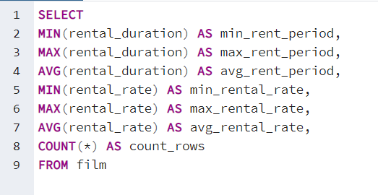
min_rent_period | max_rent_period | avg_rent_period | min_rental_rate | max_rental_rate | avg_rental_rate | count_rows
3 | 7 | 4.985 | 0.99 | 4.99 | 2.98 | 1000

top countries
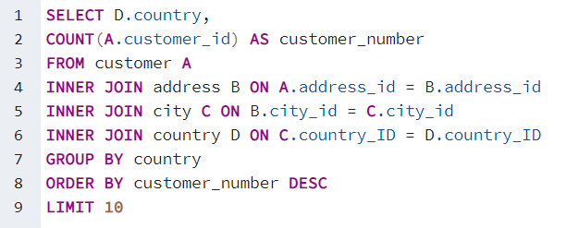
country | customer_number
India | 60
China | 53
United States | 36
Japan | 31
Mexico | 30
Brazil | 28
Russian Federation | 28
Philippines | 20
Turkey | 15
Indonesia | 14

count by category
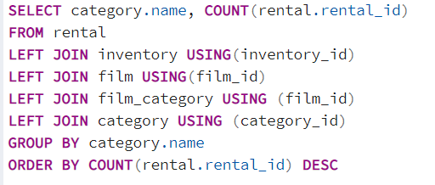
name | count
Sports | 1179
Animation | 1166
Action | 1112
Sci-Fi | 1101
Family | 1084
Drama | 1060
Documentary | 1050
Foreign | 1033
Games | 969
Children | 945
Comedy | 941
New | 940
Classics | 939
Horror | 846
Travel | 837
Music | 830
Thriller | 12

revenue by category
name | sum
Sports | 4892.19
Sci-Fi | 4336.01
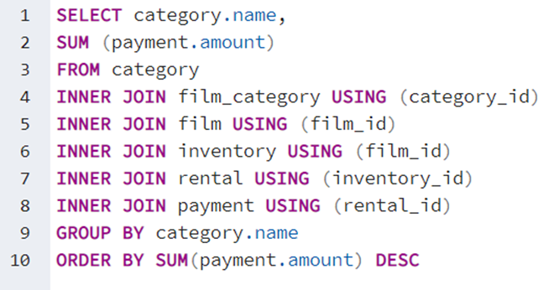
Animation | 4245.31
Drama | 4118.46
Comedy | 4002.48
New | 3966.38
Action | 3951.84
Foreign | 3934.47
Games | 3922.18
Family | 3782.26
Documentary | 3749.65
Horror | 3401.27
Classics | 3353.38
Children | 3309.39
Travel | 3227.36
Music | 3071.52
Thriller | 47.89

top 5 customers
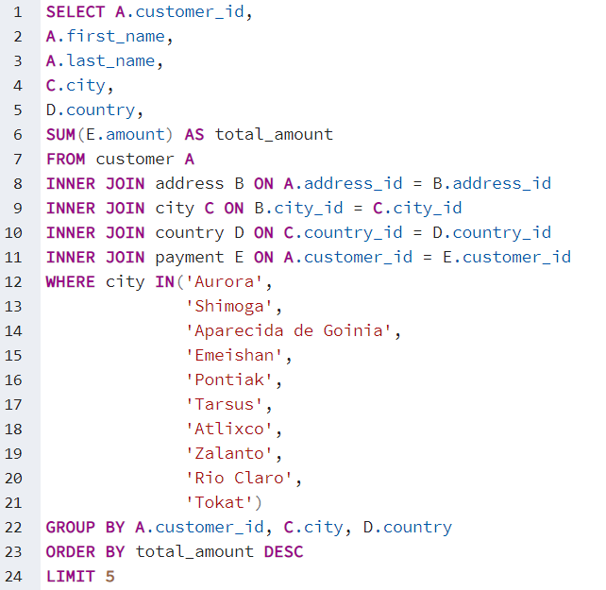
customer_id | first_name | last_name | city | country | total_amount
566 | Casey | Mena | Tokat | Turkey | 130.68
84 | Sara | Perry | Atlixco | Mexico | 128.7
389 | Alan | Kahn | Emeishan | China | 119.75
537 | Clinton | Buford | Aurora | United States | 98.76
74 | Denise | Kelly | Rio Claro | Brazil | 96.74

most revenue
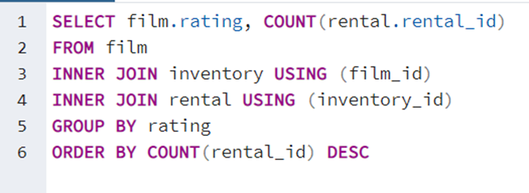
rating | count
PG-13 | 3585
NC-17 | 3293
PG | 3212
R | 3181
G | 2773

