Arkusz1
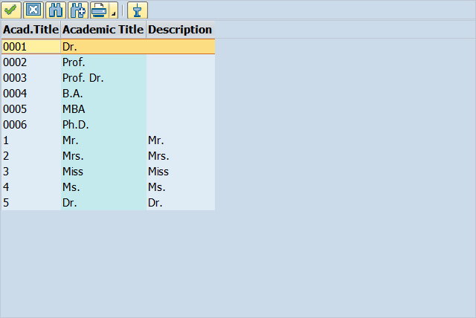
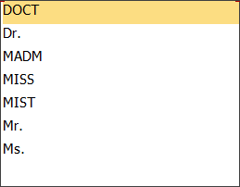
User | Title | Last Name | First Name | Academic Title | Language | Function | Department | Room Number | Mobile Phone | Email
1TEST1_Test1 | DOCT | Szyja1 | Test1 | 0003 | Arabic | Expert | AB | 12 | 125852369 | Szyja1@gmail.com
TEST2_Test2 | MADM | Szyja2 | Test2 | 0005 | Czech | Specialist | FR | 2 | 569895698 | Szyja2@gmail.com
TEST3_Test3 | MISS | Szyja3 | Test3 | 3 | Danish | Manager | FS | 222 | 555888999 | Szyja3@gmail.com

