bf BestResults
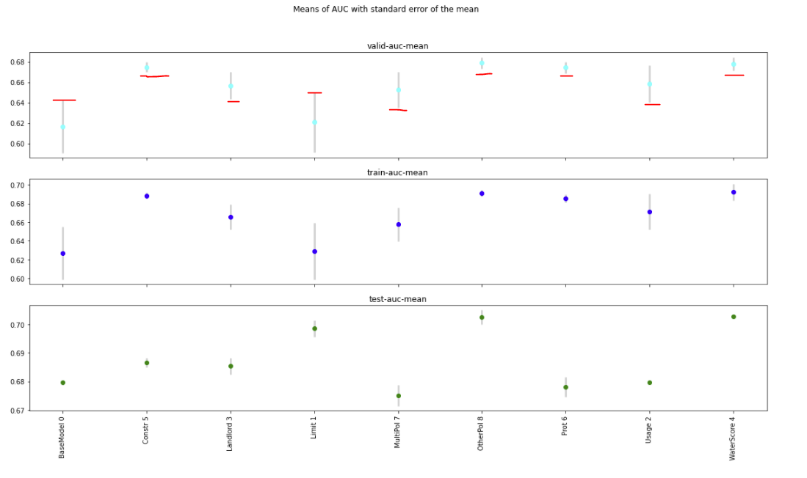
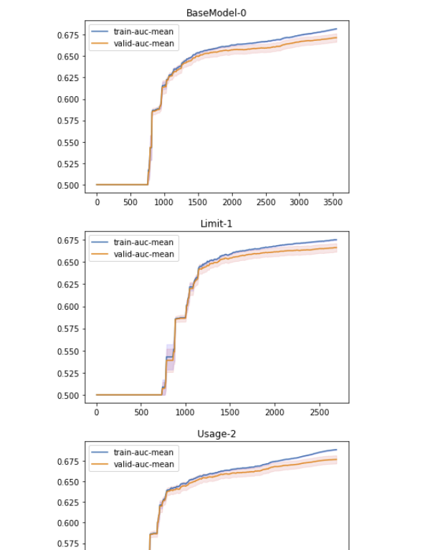
Model | train-auc-mean | train-auc-std | train-auc-sem | valid-auc-mean | valid-auc-std | valid-auc-sem | t-statistic | pvalue | Comment | objective | eval_metric | booster | scale_pos_weight | colsample_bylevel | colsample_bytree | eta | subsample | max_depth | num_round | F1 | F2 | F3 | F4
BaseModel | 0.627052 | 0.088147539425 | 0.027874699472 | 0.616611 | 0.081843296264 | 0.025881122741 | 0 | 0 | Base Model | binary:logistic | auc | gbtree | 0.3 | 0.6 | 0.8 | 0.02 | 0.6 | 3 | 5000 | yearbuilt | cova_deductible | sqft
Constr | 0.688464 | 0.010325344439 | 0.0032651606052 | 0.674716 | 0.015239560507 | 0.0048191721742 | -2.2071357678 | 0.040527831835 | There is a difference with BaseModel with 0.05 confidence level | binary:logistic | auc | gbtree | 0.3 | 0.6 | 0.8 | 0.02 | 0.6 | 3 | 5000 | yearbuilt | cova_deductible | sqft | constructioncd_encd
Landlord | 0.665912 | 0.042447589593 | 0.01342310643 | 0.656839 | 0.041018843759 | 0.012971297327 | -1.3895810138 | 0.18160612661 | No difference with BaseModel with 0.05 confidence level | binary:logistic | auc | gbtree | 0.3 | 0.6 | 0.8 | 0.02 | 0.6 | 3 | 5000 | yearbuilt | cova_deductible | sqft | landlordind
Limit | 0.62908900188 | 0.095486635666 | 0.030195525481 | 0.6207739996 | 0.092178604533 | 0.029149434186 | -0.10679547935 | 0.91613251607 | No difference with BaseModel with 0.05 confidence level | binary:logistic | auc | gbtree | 0.3 | 0.6 | 0.8 | 0.02 | 0.6 | 3 | 5000 | yearbuilt | cova_deductible | sqft | cova_limit
MultiPol | 0.65784 | 0.056725105749 | 0.017938053468 | 0.652738 | 0.055761134175 | 0.017633218891 | -1.1535857415 | 0.26375835135 | No difference with BaseModel with 0.05 confidence level | binary:logistic | auc | gbtree | 0.3 | 0.6 | 0.8 | 0.02 | 0.6 | 3 | 5000 | yearbuilt | cova_deductible | sqft | multipolicyind
OtherPol | 0.69086400129 | 0.010972899908 | 0.0034699356245 | 0.67883400595 | 0.016743643142 | 0.0052948048657 | -2.3553991253 | 0.03004783179 | There is a difference with BaseModel with 0.05 confidence level | binary:logistic | auc | gbtree | 0.3 | 0.6 | 0.8 | 0.02 | 0.6 | 3 | 5000 | yearbuilt | cova_deductible | sqft | cnt_active_other_policies
Prot | 0.68521399986 | 0.014027888252 | 0.0044360077638 | 0.67427900191 | 0.016961468235 | 0.0053636872083 | -2.1818259314 | 0.042622393361 | There is a difference with BaseModel with 0.05 confidence level | binary:logistic | auc | gbtree | 0.3 | 0.6 | 0.8 | 0.02 | 0.6 | 3 | 5000 | yearbuilt | cova_deductible | sqft | protectionclass
Usage | 0.67132900269 | 0.060473031105 | 0.01912325153 | 0.65846999612 | 0.057756639268 | 0.018264253008 | -1.3214429441 | 0.20290507454 | No difference with BaseModel with 0.05 confidence level | binary:logistic | auc | gbtree | 0.3 | 0.6 | 0.8 | 0.02 | 0.6 | 3 | 5000 | yearbuilt | cova_deductible | sqft | usagetype_encd
WaterScore | 0.69213 | 0.028336147311 | 0.0089606765618 | 0.677794 | 0.020939359111 | 0.0066216067537 | -2.2902324059 | 0.034299049255 | There is a difference with BaseModel with 0.05 confidence level | binary:logistic | auc | gbtree | 0.3 | 0.6 | 0.8 | 0.02 | 0.6 | 3 | 5000 | yearbuilt | cova_deductible | sqft | water_risk_3_blk

bf FI
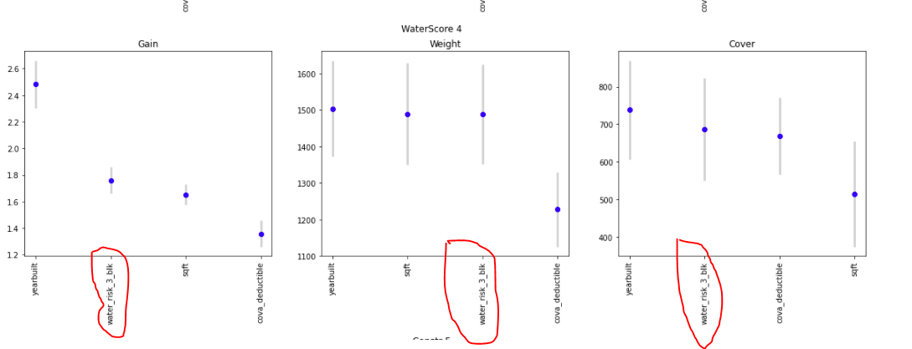
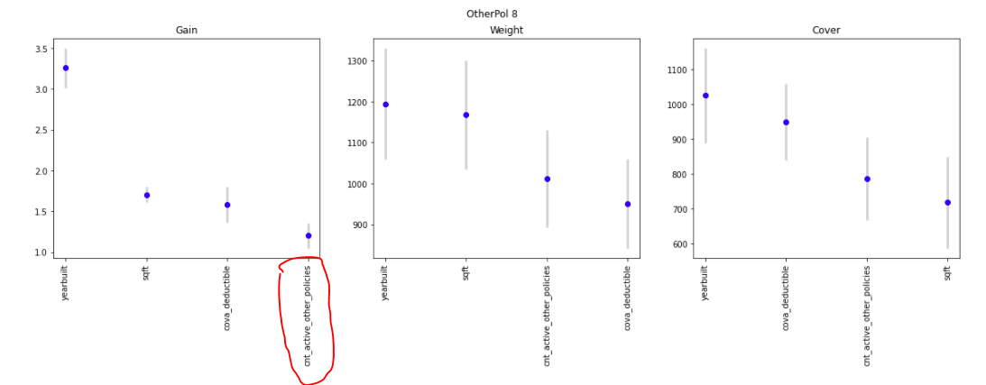
Model | ind | feature | gain-0 | gain-1 | gain-2 | gain-3 | gain-4 | gain-5 | gain-6 | gain-7 | gain-8 | gain-9 | gain-mean | gainc-std | gain-sem | weight-0 | weight-1 | weight-2 | weight-3 | weight-4 | weight-5 | weight-6 | weight-7 | weight-8 | weight-9 | weight-mean | weightc-std | weight-sem | cover-0 | cover-1 | cover-2 | cover-3 | cover-4 | cover-5 | cover-6 | cover-7 | cover-8 | cover-9 | cover-mean | coverc-std | cover-sem
BaseModel | 0 | cova_deductible | 1.7425224008 | 1.5875762697 | 1.145228467 | 1.4179025699 | 1.0986646392 | 1.2110385524 | 2.2825413809 | 0.86410350938 | 1.8233253465 | 1.5204748713 | 1.4693378007 | 0.41579248184 | 0.13148512766 | 841 | 977 | 1438 | 1122 | 1461 | 1262 | 609 | 1941 | 816 | 1032 | 1149.9 | 389.05082501 | 123.02867326 | 956.17192022 | 885.37513618 | 698.53417389 | 754.91563548 | 678.33757668 | 694.84885646 | 1120.4098721 | 569.27334666 | 902.9187762 | 835.51515772 | 809.63004516 | 162.16880865 | 51.282280078
BaseModel | 0 | sqft | 1.6256433973 | 1.6411438179 | 1.4402519289 | 1.5247271772 | 1.4109893568 | 1.5501964943 | 2.0721757354 | 1.3116339995 | 1.8418068853 | 1.7978250568 | 1.6216393849 | 0.22870865078 | 0.072324025704 | 1186 | 1361 | 1866 | 1493 | 1871 | 1487 | 699 | 2321 | 917 | 1209 | 1441 | 482.4859238 | 152.57544582 | 649.23213167 | 626.47323705 | 532.4963012 | 568.34927536 | 522.16336316 | 554.25023696 | 911.53947515 | 472.18337525 | 722.17211193 | 666.13895492 | 622.49984627 | 126.6958849 | 40.064756645
BaseModel | 0 | yearbuilt | 3.2351232635 | 2.9002526591 | 2.410476647 | 2.6591021685 | 2.3040594433 | 2.5294723743 | 4.6337139821 | 1.8314247244 | 3.7772423209 | 2.9944131134 | 2.9275280697 | 0.80421913011 | 0.2543164189 | 1120 | 1260 | 1702 | 1373 | 1695 | 1499 | 657 | 2434 | 940 | 1208 | 1388.8 | 489.3503176 | 154.74615773 | 1066.4042299 | 1006.3399478 | 846.93768343 | 879.04944569 | 801.6159709 | 834.55294311 | 1625.571945 | 630.78298576 | 1217.5948293 | 1012.1779078 | 992.10278887 | 275.63449861 | 87.163281733
Constr | 5 | constructioncd_encd | 0.43368441229 | 0.38202481615 | 0.3230200612 | 0.33901321639 | 0.33860502278 | 0.38722153951 | 0.62119602473 | 0.33156079822 | 0.3836402036 | 0.39959018396 | 0.39395562788 | 0.087273357357 | 0.02759825883 | 680 | 1004 | 1463 | 1554 | 1342 | 919 | 253 | 1353 | 947 | 771 | 1028.6 | 405.09455686 | 128.10214674 | 370.90574591 | 367.64278575 | 356.8608053 | 350.8061633 | 354.21149219 | 369.2838002 | 515.72076519 | 360.39764455 | 377.89166128 | 396.7347216 | 382.04555853 | 48.819422424 | 15.438056891
Constr | 5 | cova_deductible | 2.1767859183 | 1.5813219217 | 1.1223988346 | 1.0824216581 | 1.1778543365 | 1.3413234656 | 3.2763438692 | 1.0287223125 | 1.4273455689 | 1.6484844922 | 1.5863002378 | 0.68644915792 | 0.21707428369 | 665 | 1012 | 1540 | 1621 | 1370 | 1150 | 376 | 1598 | 1138 | 980 | 1145 | 408.95313505 | 129.3223363 | 838.68478625 | 665.03260293 | 545.24048097 | 525.15741589 | 589.05088138 | 640.07800169 | 1328.2659537 | 533.63966088 | 660.06903784 | 705.68714776 | 703.09059693 | 239.16571617 | 75.630840131
Constr | 5 | sqft | 1.9924680232 | 1.7793788394 | 1.4336918006 | 1.4125918215 | 1.5080087873 | 1.7428576306 | 2.9881297939 | 1.5509668495 | 1.7277944675 | 1.996609502 | 1.8132497515 | 0.46260654963 | 0.14628903574 | 947 | 1334 | 2031 | 2111 | 1836 | 1276 | 385 | 1757 | 1282 | 1086 | 1404.5 | 536.31567197 | 169.59790683 | 567.52130829 | 521.27102745 | 419.86815324 | 403.57488579 | 428.80382576 | 503.08813865 | 964.78794895 | 449.64084085 | 481.73246615 | 545.97379666 | 528.62623918 | 162.83102711 | 51.49169194
Constr | 5 | yearbuilt | 3.7891535192 | 2.9156442638 | 2.2818406108 | 2.1489670786 | 2.3855278425 | 2.9891530045 | 6.1677256794 | 2.2646554323 | 3.0538937225 | 3.3256706157 | 3.1322231769 | 1.1905618006 | 0.37648869852 | 955 | 1335 | 1937 | 1974 | 1745 | 1290 | 414 | 1923 | 1329 | 1129 | 1403.1 | 502.80666706 | 159.00142906 | 925.79007979 | 751.82599372 | 620.55480219 | 593.0440774 | 645.68325326 | 690.50523481 | 1485.4769297 | 544.37240053 | 674.668963 | 719.57337607 | 765.14951105 | 273.7056021 | 86.553311097
Landlord | 3 | cova_deductible | 2.1084028276 | 1.5658793219 | 1.2960679094 | 1.4046668474 | 1.0982305387 | 1.2021229231 | 1.779046943 | 1.009325047 | 1.562813965 | 4.2356211231 | 1.7262177446 | 0.94102622444 | 0.29757862072 | 670 | 964 | 1231 | 1109 | 1414 | 1258 | 817 | 1571 | 972 | 158 | 1016.4 | 405.51563883 | 128.23530455 | 843.67104149 | 697.03884932 | 619.22238091 | 635.74826476 | 594.11628654 | 613.01085146 | 799.2713051 | 540.23267443 | 727.0101731 | 2739.1825483 | 880.85043755 | 659.7464594 | 208.63014899
Landlord | 3 | landlordind | 0.43558605811 | 0.3922233554 | 0.3016768219 | 0.34967564773 | 0.29499422088 | 0.31161680991 | 0.47401437357 | 0.23649847535 | 0.39584009502 | 1.0538514246 | 0.42459772825 | 0.23239430512 | 0.073489531943 | 392 | 592 | 733 | 684 | 866 | 638 | 408 | 816 | 488 | 61 | 567.8 | 239.55736961 | 75.754691824 | 571.44131599 | 532.37776477 | 509.20151351 | 509.87109983 | 485.92320745 | 484.49113272 | 612.67229574 | 475.78983209 | 551.21461918 | 1559.6115806 | 629.25943619 | 329.70926044 | 104.26322286
Landlord | 3 | sqft | 1.9449300099 | 1.7632721137 | 1.522185708 | 1.59955502 | 1.4332880882 | 1.6416142583 | 1.9961067364 | 1.5189660603 | 1.8170567337 | 2.7983771827 | 1.8035351911 | 0.39632158216 | 0.12532788855 | 905 | 1238 | 1598 | 1430 | 1891 | 1359 | 872 | 1706 | 1030 | 164 | 1219.3 | 501.62248975 | 158.62695932 | 592.95788856 | 552.71937449 | 474.64254869 | 469.86776213 | 431.98807335 | 496.90654641 | 593.13401018 | 460.15540456 | 543.24810611 | 2058.29215 | 667.39118645 | 491.91405203 | 155.55688175
Landlord | 3 | yearbuilt | 3.9625481116 | 3.0915834961 | 2.6231615182 | 2.714128659 | 2.3558367038 | 2.8264639466 | 4.1071910791 | 2.3679191476 | 3.5411038388 | 6.0577543996 | 3.36476909 | 1.1324097175 | 0.35809939519 | 905 | 1241 | 1608 | 1432 | 1773 | 1393 | 883 | 1813 | 1098 | 194 | 1234 | 490.09182813 | 154.98064395 | 981.89105994 | 801.26044644 | 704.41616152 | 727.89262965 | 649.73417007 | 673.48137784 | 858.70218631 | 565.88900697 | 773.61590024 | 2895.0276188 | 963.19105578 | 688.62068351 | 217.76098038
Limit | 1 | cova_deductible | 1.2260049041 | 1.6779257876 | 1.4922119496 | 1.0265068797 | 1.4380697069 | 1.2609300903 | 1.7697772218 | 1.190577158 | 1.3958257047 | 3.6885957885 | 1.6166425191 | 0.76196007122 | 0.24095293112 | 1270 | 904 | 1052 | 1690 | 1042 | 1185 | 815 | 1286 | 1130 | 154 | 1052.8 | 396.88615776 | 125.50642303 | 636.15431376 | 768.80392908 | 708.17624557 | 555.22965732 | 737.6857287 | 680.17525489 | 853.65870977 | 625.82559904 | 710.51534835 | 3029.4711697 | 930.56959561 | 742.04557733 | 234.6554152
Limit | 1 | cova_limit | 1.3993336298 | 1.5543086475 | 1.4777355606 | 1.2985119933 | 1.4749822292 | 1.5347793874 | 1.8113917199 | 1.5374661471 | 1.6132224419 | 2.1562487628 | 1.5857980519 | 0.24135013346 | 0.076321613531 | 1712 | 1249 | 1424 | 2218 | 1405 | 1326 | 887 | 1459 | 1286 | 203 | 1316.9 | 520.54937859 | 164.61216709 | 519.18036827 | 617.32568622 | 575.60782537 | 464.54858592 | 564.38843956 | 572.05977675 | 755.46869678 | 561.25998166 | 615.46884169 | 2276.5657902 | 752.18739924 | 540.88366886 | 171.04243428
Limit | 1 | sqft | 1.4004814198 | 1.6919524596 | 1.5579039224 | 1.2946258387 | 1.6037014072 | 1.5718669061 | 1.9237705268 | 1.5731236745 | 1.6077736969 | 2.4733039313 | 1.6698503783 | 0.32720579193 | 0.10347155661 | 1705 | 1176 | 1344 | 2199 | 1368 | 1309 | 876 | 1435 | 1275 | 173 | 1286 | 522.92319385 | 165.36283339 | 472.72839065 | 588.89769825 | 525.78419971 | 411.13173111 | 511.33554301 | 590.5564866 | 729.53259433 | 567.58922136 | 587.60968917 | 2649.4896536 | 763.46552078 | 668.05121597 | 211.25634361
Limit | 1 | yearbuilt | 2.3762297696 | 2.9744528551 | 2.8275617032 | 1.9817545437 | 2.7538747619 | 2.7157771152 | 3.6966079173 | 2.5614345391 | 2.8334640569 | 4.1813681629 | 2.8902525425 | 0.63053620742 | 0.19939305627 | 1667 | 1226 | 1375 | 2062 | 1315 | 1344 | 915 | 1502 | 1340 | 207 | 1295.3 | 484.6134886 | 153.24824088 | 698.48614005 | 840.18379989 | 808.91924488 | 625.05463716 | 823.75113108 | 745.88354881 | 925.80544214 | 681.43643582 | 755.26953711 | 3050.6245922 | 995.54145091 | 727.31848044 | 229.99829825
MultiPol | 7 | cova_deductible | 2.6475593796 | 4.6148941893 | 1.7420531814 | 2.311676659 | 1.3039672717 | 1.4067486438 | 2.4596551644 | 1.1775518747 | 1.6705007503 | 4.7497145762 | 2.408432169 | 1.2972675485 | 0.41023201878 | 552 | 256 | 929 | 667 | 1252 | 1112 | 599 | 1386 | 975 | 100 | 782.8 | 420.96207272 | 133.11989583 | 954.08636379 | 1705.4726617 | 724.31757194 | 854.19972744 | 650.03846936 | 673.79261617 | 960.82654133 | 593.69314851 | 736.4092609 | 3941.4628741 | 1179.4299235 | 1021.5617319 | 323.04618434
MultiPol | 7 | multipolicyind | 0.10149613257 | 0.14979098553 | 0.093805004622 | 0.11187004625 | 0.10281548838 | 0.091603130276 | 0.10320317022 | 0.10731138777 | 0.10295975409 | 0.0768051149 | 0.10416602146 | 0.018785376096 | 0.0059404575168 | 225 | 63 | 416 | 298 | 577 | 431 | 172 | 565 | 370 | 2 | 311.9 | 196.64997104 | 62.18618103 | 474.04553184 | 496.16330686 | 480.50532014 | 491.35391677 | 497.82120787 | 481.28462531 | 494.9187121 | 495.7919685 | 479.6794272 | 833.968567 | 522.55325836 | 109.7487667 | 34.705607316
MultiPol | 7 | sqft | 2.1219180395 | 3.139488075 | 1.6835631515 | 1.9874868971 | 1.4585688351 | 1.6824594979 | 2.3796611333 | 1.5703453481 | 1.7649695085 | 3.0320341826 | 2.0820494669 | 0.5952892898 | 0.18824700225 | 767 | 338 | 1220 | 908 | 1737 | 1265 | 638 | 1584 | 1145 | 118 | 972 | 519.18739927 | 164.18147141 | 648.1869851 | 1244.9020361 | 534.98803895 | 586.39130658 | 457.47012714 | 516.18358308 | 690.91564057 | 479.69887177 | 514.22131235 | 2595.1609305 | 826.81188321 | 662.17647554 | 209.39858757
MultiPol | 7 | yearbuilt | 4.4472398602 | 6.6611224935 | 3.1013411857 | 3.7140279033 | 2.4375608497 | 2.9737702295 | 5.1329123988 | 2.4724207205 | 3.4507969012 | 5.1153673397 | 3.9506559882 | 1.3664079736 | 0.43209614096 | 782 | 347 | 1278 | 935 | 1672 | 1275 | 654 | 1670 | 1124 | 135 | 987.2 | 517.81910183 | 163.74877777 | 1081.7013835 | 2060.3927684 | 809.41749199 | 952.92096853 | 676.032351 | 709.67125238 | 1042.211139 | 600.63045337 | 762.18891781 | 3830.1150728 | 1252.5281799 | 997.13870208 | 315.32294417
OtherPol | 8 | cnt_active_other_policies | 1.2282220924 | 1.1226217446 | 1.0494352615 | 0.93479032877 | 0.9539924872 | 0.99875272835 | 1.317181454 | 0.85360276499 | 1.0235806398 | 2.5397876536 | 1.2021967155 | 0.48997040513 | 0.15494224663 | 806 | 996 | 1152 | 1342 | 1350 | 1100 | 753 | 1332 | 1157 | 132 | 1012 | 373.88144288 | 118.23169344 | 651.33216914 | 569.26073034 | 575.73634463 | 522.72371161 | 513.06357705 | 593.86842903 | 709.1133701 | 531.40833495 | 605.99091375 | 2600.9662102 | 787.34637908 | 640.07476419 | 202.40941276
OtherPol | 8 | cova_deductible | 1.9148485395 | 1.5668334751 | 1.4015650637 | 1.2596717884 | 1.1970514103 | 1.1796415638 | 1.5997754654 | 1.0537698269 | 1.2409514845 | 3.4389081994 | 1.5853016817 | 0.69930158546 | 0.22113857814 | 671 | 870 | 1008 | 1150 | 1147 | 1164 | 831 | 1347 | 1173 | 149 | 951 | 345.65557681 | 109.30589086 | 886.32523795 | 780.71961324 | 707.94278541 | 650.42748247 | 682.01946437 | 666.39869775 | 817.34917377 | 602.22632851 | 679.2789477 | 3028.0464242 | 950.07341554 | 735.10381148 | 232.4602361
OtherPol | 8 | sqft | 1.8263933458 | 1.7198930643 | 1.5655212972 | 1.4903164624 | 1.4900238334 | 1.5800496975 | 1.8489537144 | 1.5505729232 | 1.549694466 | 2.4496980581 | 1.7071116862 | 0.29165230752 | 0.09222855766 | 946 | 1164 | 1307 | 1535 | 1540 | 1295 | 923 | 1497 | 1316 | 159 | 1168.2 | 417.14287454 | 131.91215932 | 596.49804462 | 573.68281066 | 524.92302102 | 465.56831044 | 474.49523437 | 530.77596773 | 602.08373392 | 510.11840141 | 517.01404171 | 2389.3384879 | 718.44980537 | 588.911904 | 186.23029578
OtherPol | 8 | yearbuilt | 3.9661475042 | 3.2061294443 | 3.0310005437 | 2.5511146879 | 2.632472066 | 2.9436691434 | 3.9265906169 | 2.5131307576 | 2.937547254 | 4.8817112269 | 3.2589513245 | 0.76640798429 | 0.24235948473 | 915 | 1178 | 1333 | 1542 | 1515 | 1315 | 928 | 1646 | 1386 | 191 | 1194.9 | 428.70980861 | 135.56994505 | 1006.8563532 | 848.52786647 | 813.72012409 | 717.9765621 | 736.38603769 | 738.46691699 | 891.53130885 | 635.33173424 | 708.74328517 | 3156.3632214 | 1025.390341 | 756.31817428 | 239.16880665
Prot | 6 | cova_deductible | 2.4362531156 | 1.969173982 | 1.3564646183 | 1.4059516368 | 1.5206159747 | 0.98891146765 | 2.0171274308 | 1.0705689742 | 1.4255260501 | 4.6777393452 | 1.8868332595 | 1.0773828332 | 0.34069836648 | 610 | 804 | 1284 | 1227 | 1054 | 1774 | 763 | 1571 | 1177 | 122 | 1038.6 | 482.38025572 | 152.54203064 | 885.61977131 | 767.94636335 | 596.32500629 | 593.49227303 | 674.74083173 | 530.27455572 | 823.8737158 | 541.46301296 | 650.58971895 | 3356.9853489 | 942.13105981 | 856.79151184 | 270.94126573
Prot | 6 | protectionclass | 0.58704407252 | 0.49677717534 | 0.45817723297 | 0.45776093992 | 0.45248425463 | 0.40319839917 | 0.5894704029 | 0.41466758353 | 0.43690373749 | 0.65541868214 | 0.49519024806 | 0.085595935417 | 0.027067811437 | 668 | 902 | 1391 | 1334 | 1117 | 1737 | 644 | 1474 | 1083 | 60 | 1041 | 490.60212438 | 155.1420138 | 395.72229971 | 379.16432549 | 354.28310556 | 359.67759824 | 361.2959466 | 349.78412961 | 417.72750731 | 358.72583142 | 366.63620917 | 1019.6680222 | 436.26849753 | 206.0618501 | 65.162478519
Prot | 6 | sqft | 2.0079657426 | 1.879382294 | 1.4973522199 | 1.5369728245 | 1.6683425725 | 1.4174137525 | 2.1310275057 | 1.5329042756 | 1.6759683447 | 2.8693929234 | 1.8216722455 | 0.43579349556 | 0.13781000354 | 860 | 1107 | 1667 | 1600 | 1360 | 1950 | 805 | 1718 | 1284 | 139 | 1249 | 539.91295595 | 170.7354679 | 605.00279876 | 574.83450381 | 463.51203543 | 450.54598552 | 491.78423779 | 433.43508491 | 611.14172241 | 455.14394851 | 484.68979461 | 2278.6602957 | 684.87504075 | 563.85033863 | 178.30513295
Prot | 6 | yearbuilt | 4.1581346094 | 3.3351207802 | 2.5277201975 | 2.4923410774 | 2.8645029334 | 2.0979387974 | 4.2352423071 | 2.3396012384 | 3.0001542071 | 5.3304663323 | 3.238122248 | 1.0323878876 | 0.32646971536 | 838 | 1106 | 1684 | 1588 | 1343 | 2092 | 827 | 1817 | 1349 | 159 | 1280.3 | 567.84310235 | 179.5677557 | 1022.9896116 | 847.71579475 | 679.76679196 | 675.30026962 | 756.39475365 | 535.08707384 | 890.86110633 | 565.66368409 | 672.55997023 | 3333.2249519 | 997.9564008 | 833.92372344 | 263.70983609
Usage | 2 | cova_deductible | 2.2974670496 | 1.887874024 | 1.2955034399 | 1.4947203653 | 1.549966664 | 1.5323816975 | 2.0184881327 | 1.0766815201 | 1.6604455305 | 1.6189814745 | 1.6432509898 | 0.35190138944 | 0.11128099024 | 653 | 838 | 1349 | 1110 | 1015 | 1003 | 757 | 1555 | 964 | 1023 | 1026.7 | 267.19907269 | 84.495765837 | 896.43736822 | 786.2162771 | 614.47841153 | 658.34011816 | 720.94044055 | 724.19381498 | 845.35996151 | 558.01887365 | 750.44323798 | 713.89181345 | 726.83203171 | 101.60943678 | 32.131725199
Usage | 2 | sqft | 1.8829989406 | 1.820690768 | 1.4307458315 | 1.5652985246 | 1.6347671677 | 1.7855344854 | 2.0915596325 | 1.4958060824 | 1.7961777536 | 1.8366400383 | 1.7340219224 | 0.20045184767 | 0.063388439983 | 932 | 1127 | 1808 | 1451 | 1327 | 1069 | 783 | 1728 | 1045 | 1151 | 1242.1 | 334.07964786 | 105.64526071 | 594.87040222 | 586.12231445 | 457.53537755 | 478.58107778 | 509.08351963 | 575.18166672 | 645.65098919 | 462.54000517 | 550.19567614 | 550.28128857 | 541.00423174 | 62.597532373 | 19.79507782
Usage | 2 | usagetype_encd | 0.69801294773 | 0.61474235008 | 0.50362752844 | 0.5735219451 | 0.58784993939 | 0.67276009915 | 0.78540106277 | 0.48203879837 | 0.69664250146 | 0.69463959019 | 0.63092367627 | 0.095612852588 | 0.030235438776 | 680 | 829 | 1253 | 1041 | 977 | 816 | 602 | 1243 | 765 | 828 | 903.4 | 221.27469103 | 69.973201219 | 506.32316537 | 485.13981633 | 472.57318998 | 489.74158846 | 464.30645927 | 495.2783871 | 539.08160452 | 460.40361173 | 498.94728049 | 494.56280378 | 490.6357907 | 22.763586448 | 7.1984780891
Usage | 2 | yearbuilt | 3.7258023623 | 3.1310313709 | 2.3553455885 | 2.5889233889 | 2.7845286833 | 3.1649461664 | 4.1118672592 | 2.1986250568 | 3.3914634253 | 3.0887879097 | 3.0541321211 | 0.59744189383 | 0.18892771541 | 930 | 1151 | 1753 | 1433 | 1324 | 1125 | 821 | 1872 | 1096 | 1173 | 1267.8 | 336.18804262 | 106.31199368 | 972.04782319 | 845.37361593 | 684.83205088 | 742.65284417 | 780.2220459 | 775.29426705 | 926.20351746 | 571.88680681 | 789.1750712 | 728.7670843 | 781.64551269 | 114.9871993 | 36.362145155
WaterScore | 4 | cova_deductible | 1.2043040436 | 1.7687856788 | 1.0714665375 | 1.1039290983 | 1.2995481922 | 1.2723233252 | 1.7712808713 | 1.0005242032 | 1.8172060682 | 1.2735724591 | 1.3582940477 | 0.31026247986 | 0.098113610885 | 1334 | 848 | 1596 | 1568 | 1194 | 1175 | 821 | 1651 | 805 | 1283 | 1227.5 | 322.68913489 | 102.04326425 | 607.07194124 | 789.86374855 | 561.48328385 | 550.46220212 | 670.19890632 | 658.86356447 | 821.63976316 | 547.63288167 | 842.61631758 | 634.3310334 | 668.41636424 | 112.31325242 | 35.516568908
WaterScore | 4 | sqft | 1.4539839528 | 1.8385276628 | 1.383222098 | 1.4108682564 | 1.5512030143 | 1.6746294915 | 2.0352004761 | 1.4923590974 | 1.981311067 | 1.7051876129 | 1.6526492729 | 0.23538607451 | 0.074435612494 | 1800 | 1157 | 2066 | 2031 | 1593 | 1261 | 874 | 1809 | 874 | 1429 | 1489.4 | 442.07671531 | 139.79693209 | 445.24066011 | 570.75096182 | 432.86732096 | 412.82183869 | 464.69980159 | 555.59249284 | 626.30221755 | 471.35897708 | 629.93050547 | 531.63868484 | 514.1203461 | 79.658577566 | 25.190254028
WaterScore | 4 | water_risk_3_blk | 1.5468479638 | 1.8289363626 | 1.4527095001 | 1.5167844026 | 1.51767334 | 1.8835219139 | 2.2935586343 | 1.5241341327 | 2.2698489297 | 1.7607338475 | 1.7594749027 | 0.31234034145 | 0.098770688414 | 1777 | 1192 | 2026 | 1981 | 1623 | 1288 | 859 | 1857 | 882 | 1399 | 1488.4 | 430.60840679 | 136.17033451 | 596.46636745 | 710.18091685 | 544.75161241 | 539.45940478 | 591.54241345 | 731.21739919 | 931.26711949 | 591.61435873 | 943.32941404 | 686.10530306 | 686.59343095 | 147.67555127 | 46.699109673
WaterScore | 4 | yearbuilt | 2.0838838148 | 2.7931344758 | 2.0299523597 | 1.9332981306 | 2.290238483 | 2.5438153873 | 3.4341623205 | 1.9423723275 | 3.408748954 | 2.3579149761 | 2.4817521229 | 0.56503557438 | 0.17867993741 | 1810 | 1178 | 1955 | 1932 | 1562 | 1315 | 897 | 1981 | 919 | 1491 | 1504 | 416.86048825 | 131.82286094 | 674.7560424 | 873.20325879 | 652.11658598 | 633.91011111 | 739.18139511 | 737.29639217 | 912.60884376 | 570.33759599 | 927.7284559 | 658.63104588 | 737.97697271 | 125.33843894 | 39.635494541

bf1 BestResults
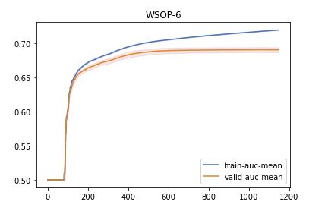
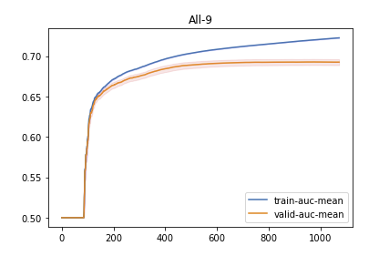
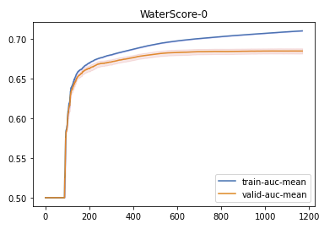
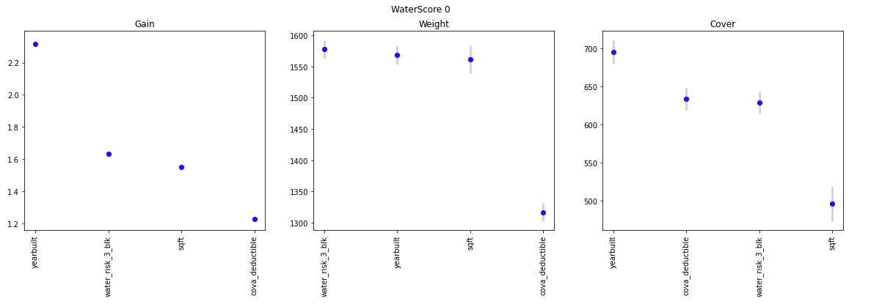
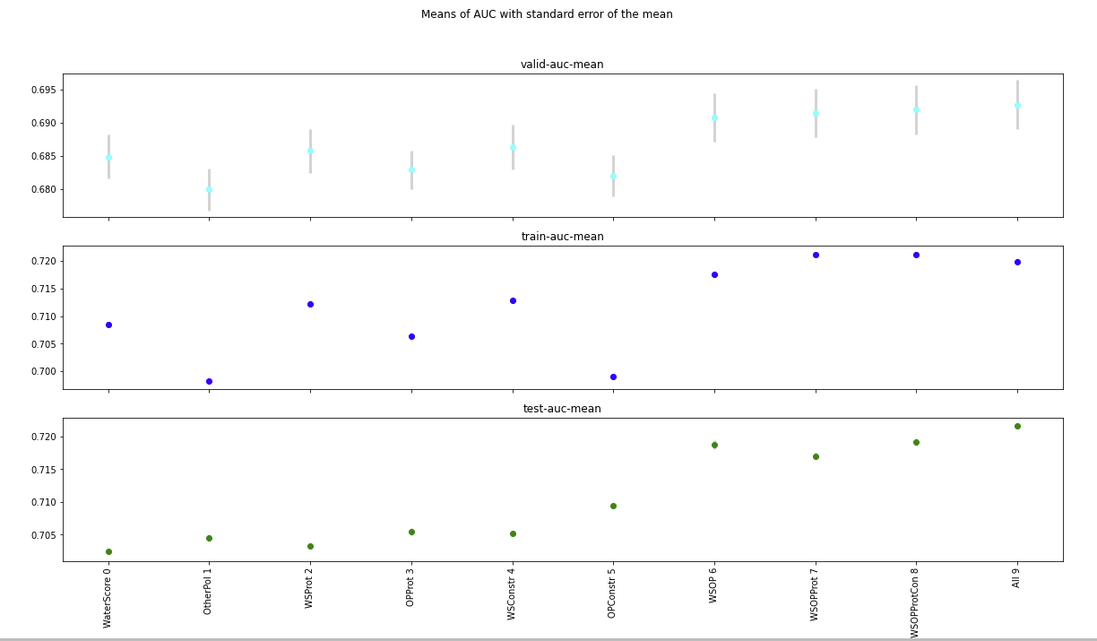
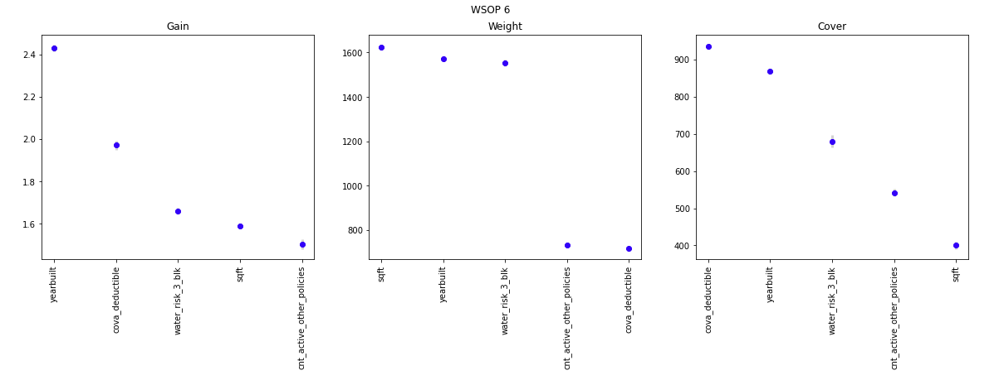
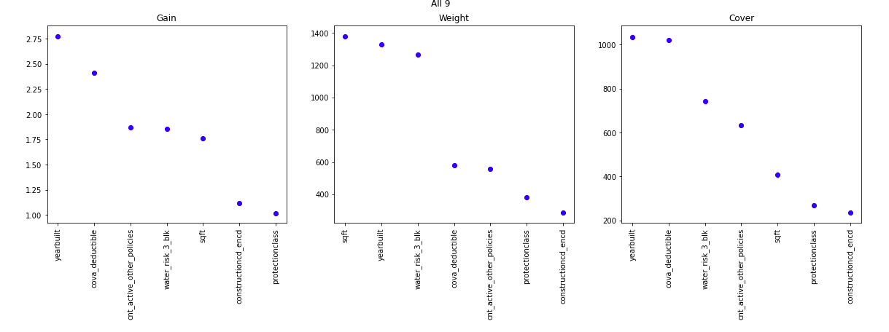
Model | ind | TotalIterations | BestIteration | test-auc-mean | train-auc-mean | train-auc-std | train-auc-sem | valid-auc-mean | valid-auc-std | valid-auc-sem | t-statistic | pvalue | Comment | F1 | F2 | F3 | F4 | F5 | F6 | F7
WaterScore | 0 | 1170 | 1069 | 0.70247563121 | 0.7084682 | 0.0010125064389 | 0.00032018264926 | 0.6848843 | 0.010501196726 | 0.0033207699812 | 1.5636119286 | 0.13531905283 | No difference with All with 0.05 confidence level | yearbuilt | cova_deductible | sqft | water_risk_3_blk
OtherPol | 1 | 1117 | 1016 | 0.70449381674 | 0.6983004 | 0.00095818870793 | 0.00030300587453 | 0.6799483 | 0.0099515767712 | 0.0031469648907 | 2.6120371497 | 0.01764680349 | There is a difference with All with 0.05 confidence level | yearbuilt | cova_deductible | sqft | cnt_active_other_policies
WSProt | 2 | 1113 | 1012 | 0.70331729843 | 0.7121415 | 0.0010502829513 | 0.00033212863137 | 0.6857755 | 0.010437774191 | 0.0033007140145 | 1.3887839912 | 0.18184446114 | No difference with All with 0.05 confidence level | yearbuilt | cova_deductible | sqft | water_risk_3_blk | protectionclass
OPProt | 3 | 1145 | 1044 | 0.70548029774 | 0.7064086 | 0.00090620824195 | 0.0002865682079 | 0.6828869 | 0.0092934404519 | 0.0029388439127 | 2.0653254467 | 0.053599883441 | No difference with All with 0.05 confidence level | yearbuilt | cova_deductible | sqft | cnt_active_other_policies | protectionclass
WSConstr | 4 | 1138 | 1037 | 0.70521562067 | 0.7128698 | 0.00099524433628 | 0.0003147238931 | 0.6863103 | 0.010589939681 | 0.0033488329677 | 1.2731693129 | 0.21915586476 | No difference with All with 0.05 confidence level | yearbuilt | cova_deductible | sqft | water_risk_3_blk | constructioncd_encd
OPConstr | 5 | 844 | 743 | 0.70949196335 | 0.6990611 | 0.00091129339708 | 0.00028817627514 | 0.6820287 | 0.009838888375 | 0.0031113296909 | 2.1958552419 | 0.041449414345 | There is a difference with All with 0.05 confidence level | yearbuilt | cova_deductible | sqft | cnt_active_other_policies | constructioncd_encd
WSOP | 6 | 1150 | 1049 | 0.71867269139 | 0.7175325 | 0.001180099831 | 0.00037318033323 | 0.6908237 | 0.011461204446 | 0.0036243510777 | 0.3588990751 | 0.72384588752 | No difference with All with 0.05 confidence level | yearbuilt | cova_deductible | sqft | water_risk_3_blk | cnt_active_other_policies
WSOPProt | 7 | 1296 | 1195 | 0.71701852813 | 0.7211945 | 0.0013742368589 | 0.00043457185188 | 0.691467 | 0.011516479246 | 0.0036418305043 | 0.234605416 | 0.81716297279 | No difference with All with 0.05 confidence level | yearbuilt | cova_deductible | sqft | water_risk_3_blk | cnt_active_other_policies | protectionclass
WSOPProtCon | 8 | 1292 | 1191 | 0.71911422747 | 0.7211024 | 0.0013039623546 | 0.00041234910237 | 0.6919325 | 0.011786309292 | 0.0037271582569 | 0.14361968532 | 0.8873964371 | No difference with All with 0.05 confidence level | yearbuilt | cova_deductible | sqft | water_risk_3_blk | cnt_active_other_policies | constructioncd_encd
All | 9 | 1072 | 971 | 0.72157124395 | 0.7199211 | 0.0010464443978 | 0.00033091477419 | 0.6926895 | 0.011785716433 | 0.0037269707784 | 0 | 0 | Base Model | yearbuilt | cova_deductible | sqft | water_risk_3_blk | cnt_active_other_policies | protectionclass | constructioncd_encd

