PartDepF Data
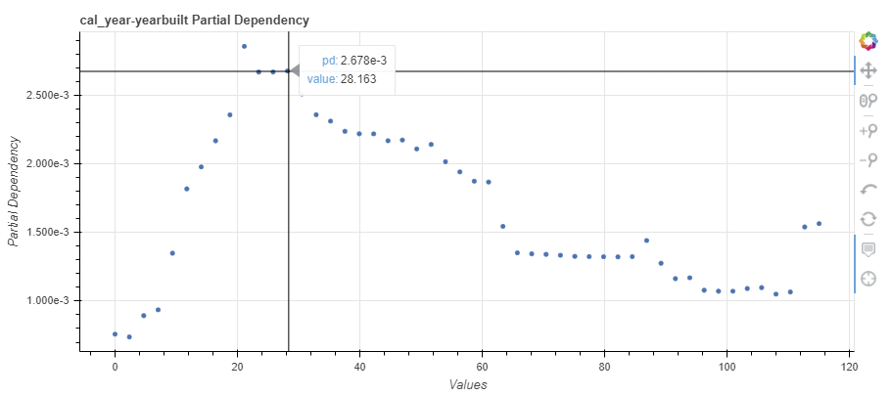
feature | value | Dwelling_pd | value2
cal_year-yearbuilt | 0 | 0.00075868656498 | 0
cal_year-yearbuilt | 2.3469387755 | 0.0007382608885 | 2.3469387755
cal_year-yearbuilt | 4.693877551 | 0.00089367023067 | 4.693877551
cal_year-yearbuilt | 7.0408163265 | 0.00093634578016 | 7.0408163265
cal_year-yearbuilt | 9.387755102 | 0.0013490801178 | 9.387755102
cal_year-yearbuilt | 11.734693878 | 0.0018185083956 | 11.734693878
cal_year-yearbuilt | 14.081632653 | 0.0019783725375 | 14.081632653
cal_year-yearbuilt | 16.428571429 | 0.0021690332127 | 16.428571429
cal_year-yearbuilt | 18.775510204 | 0.002358096198 | 18.775510204
cal_year-yearbuilt | 21.12244898 | 0.0028580745204 | 21.12244898
cal_year-yearbuilt | 23.469387755 | 0.00267024173 | 23.469387755
cal_year-yearbuilt | 25.816326531 | 0.0026707025724 | 25.816326531
cal_year-yearbuilt | 28.163265306 | 0.0026780243176 | 28.163265306
cal_year-yearbuilt | 30.510204082 | 0.0025110370226 | 30.510204082
cal_year-yearbuilt | 32.857142857 | 0.0023588667507 | 32.857142857
cal_year-yearbuilt | 35.204081633 | 0.002312560102 | 35.204081633
cal_year-yearbuilt | 37.551020408 | 0.0022382589879 | 37.551020408
cal_year-yearbuilt | 39.897959184 | 0.002219977564 | 39.897959184
cal_year-yearbuilt | 42.244897959 | 0.0022196552457 | 42.244897959
cal_year-yearbuilt | 44.591836735 | 0.0021693600396 | 44.591836735
cal_year-yearbuilt | 46.93877551 | 0.0021744530312 | 46.93877551
cal_year-yearbuilt | 49.285714286 | 0.0021098857029 | 49.285714286
cal_year-yearbuilt | 51.632653061 | 0.0021424216369 | 51.632653061
cal_year-yearbuilt | 53.979591837 | 0.0020161790959 | 53.979591837
cal_year-yearbuilt | 56.326530612 | 0.0019420842276 | 56.326530612
cal_year-yearbuilt | 58.673469388 | 0.0018744390857 | 58.673469388
cal_year-yearbuilt | 61.020408163 | 0.0018679912519 | 61.020408163
cal_year-yearbuilt | 63.367346939 | 0.001545053225 | 63.367346939
cal_year-yearbuilt | 65.714285714 | 0.0013516371202 | 65.714285714
cal_year-yearbuilt | 68.06122449 | 0.001344628996 | 68.06122449
cal_year-yearbuilt | 70.408163265 | 0.0013407024172 | 70.408163265
cal_year-yearbuilt | 72.755102041 | 0.0013340815036 | 72.755102041
cal_year-yearbuilt | 75.102040816 | 0.0013261035577 | 75.102040816
cal_year-yearbuilt | 77.448979592 | 0.0013246248567 | 77.448979592
cal_year-yearbuilt | 79.795918367 | 0.0013231197451 | 79.795918367
cal_year-yearbuilt | 82.142857143 | 0.0013222992423 | 82.142857143
cal_year-yearbuilt | 84.489795918 | 0.0013240339495 | 84.489795918
cal_year-yearbuilt | 86.836734694 | 0.0014416503856 | 86.836734694
cal_year-yearbuilt | 89.183673469 | 0.0012758150168 | 89.183673469
cal_year-yearbuilt | 91.530612245 | 0.001163602995 | 91.530612245
cal_year-yearbuilt | 93.87755102 | 0.0011700156617 | 93.87755102
cal_year-yearbuilt | 96.224489796 | 0.001079113025 | 96.224489796
cal_year-yearbuilt | 98.571428571 | 0.0010720902777 | 98.571428571
cal_year-yearbuilt | 100.91836735 | 0.0010720902777 | 100.91836735
cal_year-yearbuilt | 103.26530612 | 0.0010917158124 | 103.26530612
cal_year-yearbuilt | 105.6122449 | 0.0010983224439 | 105.6122449
cal_year-yearbuilt | 107.95918367 | 0.0010506361446 | 107.95918367
cal_year-yearbuilt | 110.30612245 | 0.0010661968915 | 110.30612245
cal_year-yearbuilt | 112.65306122 | 0.0015407370303 | 112.65306122
cal_year-yearbuilt | 115 | 0.0015648530121 | 115

PartDepFWC Data
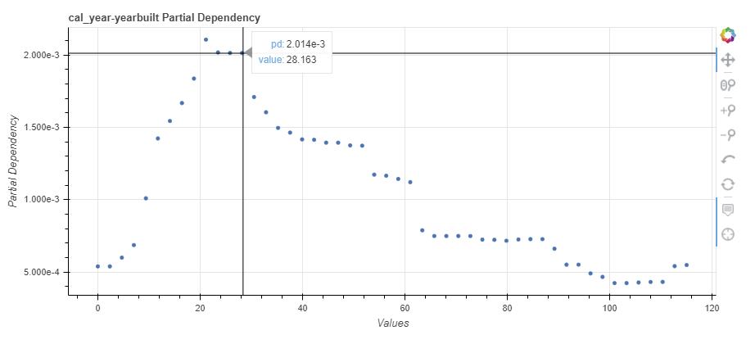
feature | value | FWaterClaims_pd | value2
cal_year-yearbuilt | 0 | 0.00053844627716 | 0
cal_year-yearbuilt | 2.3469387755 | 0.00053844627716 | 2.3469387755
cal_year-yearbuilt | 4.693877551 | 0.00059902028579 | 4.693877551
cal_year-yearbuilt | 7.0408163265 | 0.00068580158807 | 7.0408163265
cal_year-yearbuilt | 9.387755102 | 0.0010091796703 | 9.387755102
cal_year-yearbuilt | 11.734693878 | 0.0014231098257 | 11.734693878
cal_year-yearbuilt | 14.081632653 | 0.0015437112761 | 14.081632653
cal_year-yearbuilt | 16.428571429 | 0.0016677738856 | 16.428571429
cal_year-yearbuilt | 18.775510204 | 0.0018368206522 | 18.775510204
cal_year-yearbuilt | 21.12244898 | 0.0021063296867 | 21.12244898
cal_year-yearbuilt | 23.469387755 | 0.0020176810408 | 23.469387755
cal_year-yearbuilt | 25.816326531 | 0.0020141362476 | 25.816326531
cal_year-yearbuilt | 28.163265306 | 0.0020138775975 | 28.163265306
cal_year-yearbuilt | 30.510204082 | 0.0017093099527 | 30.510204082
cal_year-yearbuilt | 32.857142857 | 0.0016041950326 | 32.857142857
cal_year-yearbuilt | 35.204081633 | 0.0014957895973 | 35.204081633
cal_year-yearbuilt | 37.551020408 | 0.0014634124911 | 37.551020408
cal_year-yearbuilt | 39.897959184 | 0.0014163885516 | 39.897959184
cal_year-yearbuilt | 42.244897959 | 0.0014137042554 | 42.244897959
cal_year-yearbuilt | 44.591836735 | 0.0013939580648 | 44.591836735
cal_year-yearbuilt | 46.93877551 | 0.0013937417125 | 46.93877551
cal_year-yearbuilt | 49.285714286 | 0.0013748803859 | 49.285714286
cal_year-yearbuilt | 51.632653061 | 0.0013729034444 | 51.632653061
cal_year-yearbuilt | 53.979591837 | 0.0011727974461 | 53.979591837
cal_year-yearbuilt | 56.326530612 | 0.0011652603165 | 56.326530612
cal_year-yearbuilt | 58.673469388 | 0.0011431225014 | 58.673469388
cal_year-yearbuilt | 61.020408163 | 0.0011206779225 | 61.020408163
cal_year-yearbuilt | 63.367346939 | 0.00078797302553 | 63.367346939
cal_year-yearbuilt | 65.714285714 | 0.00074843956104 | 65.714285714
cal_year-yearbuilt | 68.06122449 | 0.00074851688393 | 68.06122449
cal_year-yearbuilt | 70.408163265 | 0.00074851688393 | 70.408163265
cal_year-yearbuilt | 72.755102041 | 0.0007483968553 | 72.755102041
cal_year-yearbuilt | 75.102040816 | 0.00072369681811 | 75.102040816
cal_year-yearbuilt | 77.448979592 | 0.00072224817351 | 77.448979592
cal_year-yearbuilt | 79.795918367 | 0.00071587951865 | 79.795918367
cal_year-yearbuilt | 82.142857143 | 0.00072446713341 | 82.142857143
cal_year-yearbuilt | 84.489795918 | 0.00072697809607 | 84.489795918
cal_year-yearbuilt | 86.836734694 | 0.00072697240355 | 86.836734694
cal_year-yearbuilt | 89.183673469 | 0.00066063495126 | 89.183673469
cal_year-yearbuilt | 91.530612245 | 0.00055040676175 | 91.530612245
cal_year-yearbuilt | 93.87755102 | 0.00055040676175 | 93.87755102
cal_year-yearbuilt | 96.224489796 | 0.00048978701268 | 96.224489796
cal_year-yearbuilt | 98.571428571 | 0.0004658747185 | 98.571428571
cal_year-yearbuilt | 100.91836735 | 0.00042299304256 | 100.91836735
cal_year-yearbuilt | 103.26530612 | 0.00042299304256 | 103.26530612
cal_year-yearbuilt | 105.6122449 | 0.00042706638673 | 105.6122449
cal_year-yearbuilt | 107.95918367 | 0.00043074215385 | 107.95918367
cal_year-yearbuilt | 110.30612245 | 0.0004312892213 | 110.30612245
cal_year-yearbuilt | 112.65306122 | 0.00054012860108 | 112.65306122
cal_year-yearbuilt | 115 | 0.00054782980977 | 115

