Notes
1 | Partial dependency of property Age: The most claim prone property age is 18 - 31 years. Dwelling curve is slightly sharper and the dangerous age is 20 - 28 years.
2 | Property usage is a driving feature when analyzing both Homeowners and Dwelling together. In individual analysis, Deductinle is the most important as well as Property Age. But in general, these 3 features plus SQFT have the most influence on the result. Landlord discount exists only in Dwelling. It's importance even higher then SQFT when analyzing Dwelling separately, but, what's interesting adding Landlord to the rest of the important features do not change the model score statistically significant. WaterScore (Water_Risk_3_blk) improves the model score statistically significant only if the target is Water Claims only and the importance of WaterScore is higher in Water Claims only target models. ConstructionCd is not important for WaterClaims only models. Limit is the less important feature. In Property, all claime types, not WaterScore, no constructioncd is significant for a model score alone but both are significant. | From Ron: Dwelling
3 | Homeowners only models have a low score and a high overfitting. Need to adjust parameters
4 | Landlord does not impact a model score according to t-test but it's an important feature?
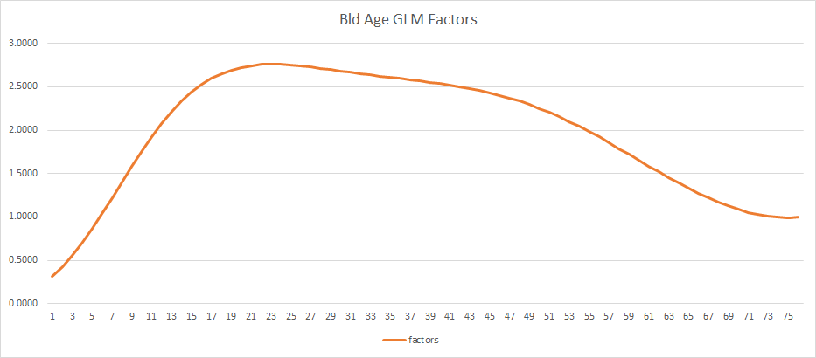
5 | Repeat the process for non-water claims. How constructionCd for non-water claims

Partial Dependency Charts
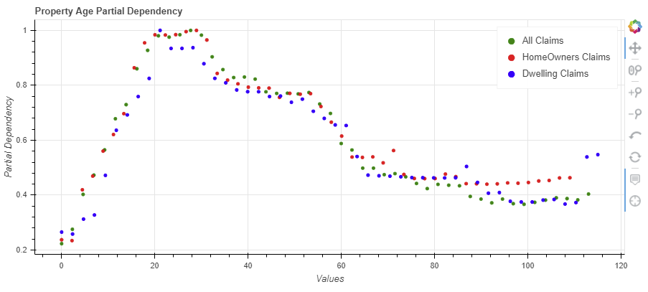
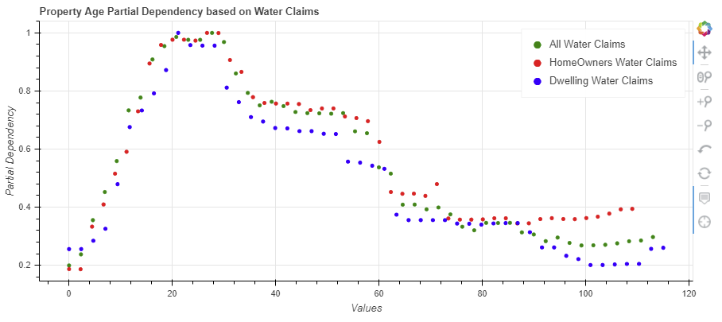
The most claim prone property age is 18 - 31 years. Dwelling curve is slightly sharper and the dangerous age is 20 - 28 years.

All Features To Base Features | All Claims To Only Water Claims
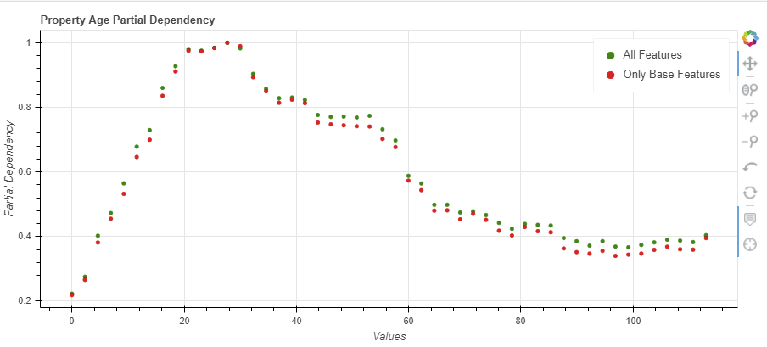
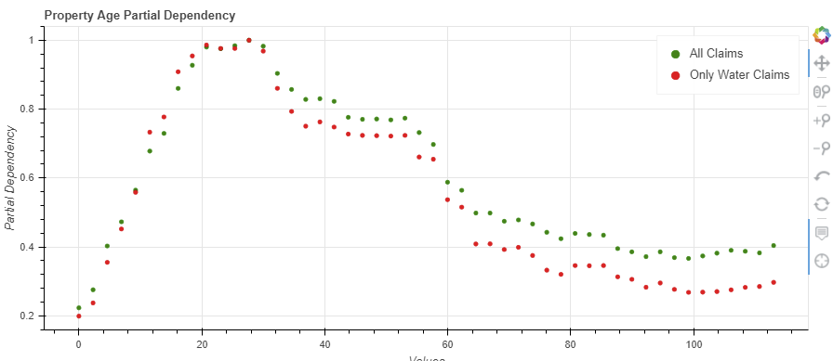

All Claims To Homeowners and Dwelling Claims | All Water Claims To Homeowners Water and Dwelling Water Claims

