PartDepHome Data
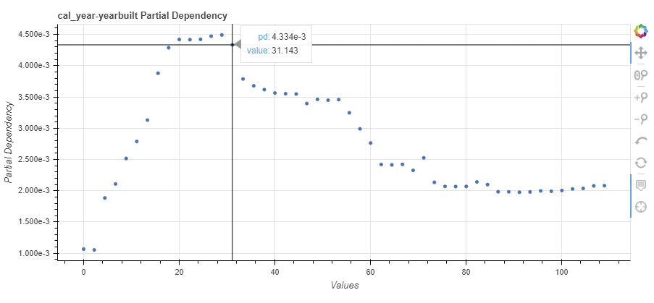
feature | value | Home_pd | value2
cal_year-yearbuilt | 0 | 0.0010663733132 | 0
cal_year-yearbuilt | 2.2244897959 | 0.0010527526767 | 2.2244897959
cal_year-yearbuilt | 4.4489795918 | 0.0018841758243 | 4.4489795918
cal_year-yearbuilt | 6.6734693878 | 0.0021083609048 | 6.6734693878
cal_year-yearbuilt | 8.8979591837 | 0.0025166595749 | 8.8979591837
cal_year-yearbuilt | 11.12244898 | 0.0027881402976 | 11.12244898
cal_year-yearbuilt | 13.346938776 | 0.003129538765 | 13.346938776
cal_year-yearbuilt | 15.571428571 | 0.0038795772294 | 15.571428571
cal_year-yearbuilt | 17.795918367 | 0.0042876310424 | 17.795918367
cal_year-yearbuilt | 20.020408163 | 0.004419225615 | 20.020408163
cal_year-yearbuilt | 22.244897959 | 0.0044159836035 | 22.244897959
cal_year-yearbuilt | 24.469387755 | 0.0044217519245 | 24.469387755
cal_year-yearbuilt | 26.693877551 | 0.0044712793532 | 26.693877551
cal_year-yearbuilt | 28.918367347 | 0.0044913896743 | 28.918367347
cal_year-yearbuilt | 31.142857143 | 0.0043342452512 | 31.142857143
cal_year-yearbuilt | 33.367346939 | 0.0037875281178 | 33.367346939
cal_year-yearbuilt | 35.591836735 | 0.0036778914765 | 35.591836735
cal_year-yearbuilt | 37.816326531 | 0.0036171253358 | 37.816326531
cal_year-yearbuilt | 40.040816327 | 0.0035626781262 | 40.040816327
cal_year-yearbuilt | 42.265306122 | 0.0035514761605 | 42.265306122
cal_year-yearbuilt | 44.489795918 | 0.0035473476417 | 44.489795918
cal_year-yearbuilt | 46.714285714 | 0.0033952838076 | 46.714285714
cal_year-yearbuilt | 48.93877551 | 0.0034614766 | 48.93877551
cal_year-yearbuilt | 51.163265306 | 0.0034482433942 | 51.163265306
cal_year-yearbuilt | 53.387755102 | 0.0034570198549 | 53.387755102
cal_year-yearbuilt | 55.612244898 | 0.0032465939065 | 55.612244898
cal_year-yearbuilt | 57.836734694 | 0.0029900562965 | 57.836734694
cal_year-yearbuilt | 60.06122449 | 0.002762657417 | 60.06122449
cal_year-yearbuilt | 62.285714286 | 0.0024197826776 | 62.285714286
cal_year-yearbuilt | 64.510204082 | 0.0024136232847 | 64.510204082
cal_year-yearbuilt | 66.734693878 | 0.0024221290797 | 66.734693878
cal_year-yearbuilt | 68.959183673 | 0.0023248247324 | 68.959183673
cal_year-yearbuilt | 71.183673469 | 0.0025262193246 | 71.183673469
cal_year-yearbuilt | 73.408163265 | 0.0021346782342 | 73.408163265
cal_year-yearbuilt | 75.632653061 | 0.002069078064 | 75.632653061
cal_year-yearbuilt | 77.857142857 | 0.0020669150876 | 77.857142857
cal_year-yearbuilt | 80.081632653 | 0.0020683386639 | 80.081632653
cal_year-yearbuilt | 82.306122449 | 0.0021404672868 | 82.306122449
cal_year-yearbuilt | 84.530612245 | 0.0020986325602 | 84.530612245
cal_year-yearbuilt | 86.755102041 | 0.001984457456 | 86.755102041
cal_year-yearbuilt | 88.979591837 | 0.0019826490566 | 88.979591837
cal_year-yearbuilt | 91.204081633 | 0.0019757982074 | 91.204081633
cal_year-yearbuilt | 93.428571429 | 0.0019809487872 | 93.428571429
cal_year-yearbuilt | 95.653061224 | 0.0019967092737 | 95.653061224
cal_year-yearbuilt | 97.87755102 | 0.0019918129865 | 97.87755102
cal_year-yearbuilt | 100.10204082 | 0.0020034942479 | 100.10204082
cal_year-yearbuilt | 102.32653061 | 0.0020284654062 | 102.32653061
cal_year-yearbuilt | 104.55102041 | 0.0020364926701 | 104.55102041
cal_year-yearbuilt | 106.7755102 | 0.0020780725227 | 106.7755102
cal_year-yearbuilt | 109 | 0.0020805628709 | 109

PartDepHWC Data
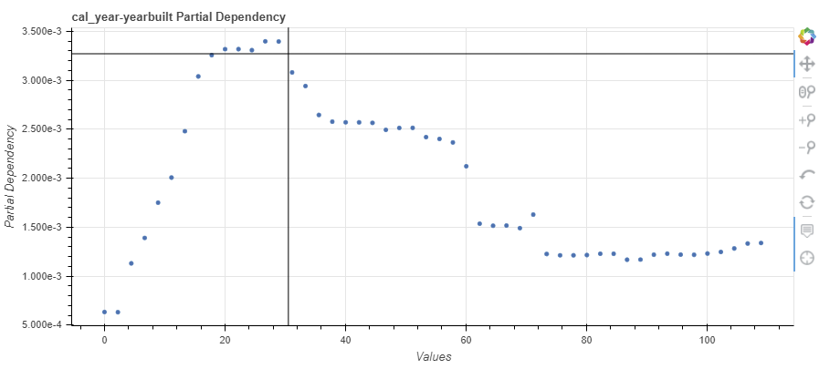
feature | value | HomeWC_pd | value2
cal_year-yearbuilt | 0 | 0.00063458613677 | 0
cal_year-yearbuilt | 2.2244897959 | 0.00063277550405 | 2.2244897959
cal_year-yearbuilt | 4.4489795918 | 0.0011310891277 | 4.4489795918
cal_year-yearbuilt | 6.6734693878 | 0.001390376909 | 6.6734693878
cal_year-yearbuilt | 8.8979591837 | 0.0017505692358 | 8.8979591837
cal_year-yearbuilt | 11.12244898 | 0.002006658314 | 11.12244898
cal_year-yearbuilt | 13.346938776 | 0.0024797967591 | 13.346938776
cal_year-yearbuilt | 15.571428571 | 0.0030390451827 | 15.571428571
cal_year-yearbuilt | 17.795918367 | 0.0032561333018 | 17.795918367
cal_year-yearbuilt | 20.020408163 | 0.0033173865086 | 20.020408163
cal_year-yearbuilt | 22.244897959 | 0.0033176178664 | 22.244897959
cal_year-yearbuilt | 24.469387755 | 0.0033071291781 | 24.469387755
cal_year-yearbuilt | 26.693877551 | 0.0033972422575 | 26.693877551
cal_year-yearbuilt | 28.918367347 | 0.0033951951952 | 28.918367347
cal_year-yearbuilt | 31.142857143 | 0.0030800081642 | 31.142857143
cal_year-yearbuilt | 33.367346939 | 0.0029410727076 | 33.367346939
cal_year-yearbuilt | 35.591836735 | 0.0026455484161 | 35.591836735
cal_year-yearbuilt | 37.816326531 | 0.0025773018904 | 37.816326531
cal_year-yearbuilt | 40.040816327 | 0.0025707159135 | 40.040816327
cal_year-yearbuilt | 42.265306122 | 0.0025703586757 | 42.265306122
cal_year-yearbuilt | 44.489795918 | 0.0025648737888 | 44.489795918
cal_year-yearbuilt | 46.714285714 | 0.0024936552435 | 46.714285714
cal_year-yearbuilt | 48.93877551 | 0.0025133814619 | 48.93877551
cal_year-yearbuilt | 51.163265306 | 0.0025137533893 | 51.163265306
cal_year-yearbuilt | 53.387755102 | 0.0024197278807 | 53.387755102
cal_year-yearbuilt | 55.612244898 | 0.0024009720339 | 55.612244898
cal_year-yearbuilt | 57.836734694 | 0.0023649901277 | 57.836734694
cal_year-yearbuilt | 60.06122449 | 0.0021222141152 | 60.06122449
cal_year-yearbuilt | 62.285714286 | 0.0015358866811 | 62.285714286
cal_year-yearbuilt | 64.510204082 | 0.0015154228472 | 64.510204082
cal_year-yearbuilt | 66.734693878 | 0.0015169088147 | 66.734693878
cal_year-yearbuilt | 68.959183673 | 0.0014906443735 | 68.959183673
cal_year-yearbuilt | 71.183673469 | 0.0016287433764 | 71.183673469
cal_year-yearbuilt | 73.408163265 | 0.0012266814529 | 73.408163265
cal_year-yearbuilt | 75.632653061 | 0.0012131896951 | 75.632653061
cal_year-yearbuilt | 77.857142857 | 0.0012131759227 | 77.857142857
cal_year-yearbuilt | 80.081632653 | 0.0012158235805 | 80.081632653
cal_year-yearbuilt | 82.306122449 | 0.0012290522596 | 82.306122449
cal_year-yearbuilt | 84.530612245 | 0.0012289688092 | 84.530612245
cal_year-yearbuilt | 86.755102041 | 0.00116837358 | 86.755102041
cal_year-yearbuilt | 88.979591837 | 0.0011698120043 | 88.979591837
cal_year-yearbuilt | 91.204081633 | 0.0012195026376 | 91.204081633
cal_year-yearbuilt | 93.428571429 | 0.0012299591749 | 93.428571429
cal_year-yearbuilt | 95.653061224 | 0.0012202395504 | 95.653061224
cal_year-yearbuilt | 97.87755102 | 0.0012185788687 | 97.87755102
cal_year-yearbuilt | 100.10204082 | 0.0012313867482 | 100.10204082
cal_year-yearbuilt | 102.32653061 | 0.001247466656 | 102.32653061
cal_year-yearbuilt | 104.55102041 | 0.0012832678315 | 104.55102041
cal_year-yearbuilt | 106.7755102 | 0.0013334684648 | 106.7755102
cal_year-yearbuilt | 109 | 0.0013388620637 | 109

