PartDepAge Data
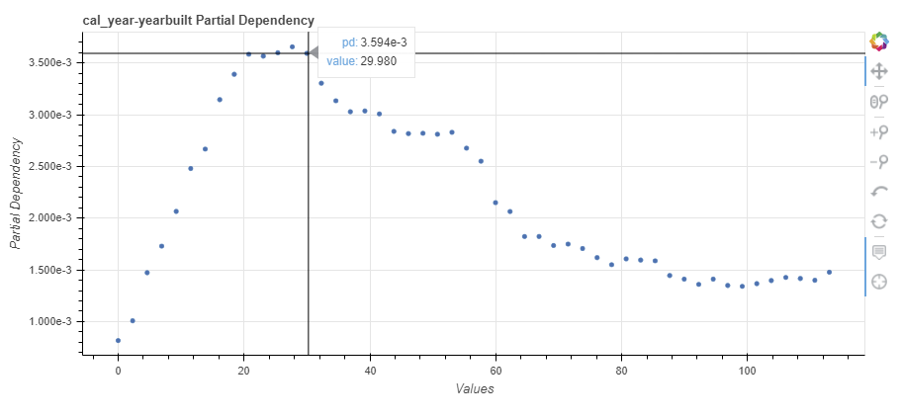
feature | value | PropertyAge_pd | value2
cal_year-yearbuilt | 0 | 0.00081641861086 | 0
cal_year-yearbuilt | 2.306122449 | 0.0010079084502 | 2.306122449
cal_year-yearbuilt | 4.612244898 | 0.0014727305038 | 4.612244898
cal_year-yearbuilt | 6.9183673469 | 0.0017294691178 | 6.9183673469
cal_year-yearbuilt | 9.2244897959 | 0.002065440301 | 9.2244897959
cal_year-yearbuilt | 11.530612245 | 0.0024803064868 | 11.530612245
cal_year-yearbuilt | 13.836734694 | 0.0026683379038 | 13.836734694
cal_year-yearbuilt | 16.142857143 | 0.0031461184071 | 16.142857143
cal_year-yearbuilt | 18.448979592 | 0.003391609784 | 18.448979592
cal_year-yearbuilt | 20.755102041 | 0.0035852687957 | 20.755102041
cal_year-yearbuilt | 23.06122449 | 0.0035673999339 | 23.06122449
cal_year-yearbuilt | 25.367346939 | 0.0035995864117 | 25.367346939
cal_year-yearbuilt | 27.673469388 | 0.0036572894204 | 27.673469388
cal_year-yearbuilt | 29.979591837 | 0.0035939283533 | 29.979591837
cal_year-yearbuilt | 32.285714286 | 0.0033052997101 | 32.285714286
cal_year-yearbuilt | 34.591836735 | 0.0031352186891 | 34.591836735
cal_year-yearbuilt | 36.897959184 | 0.0030293457252 | 36.897959184
cal_year-yearbuilt | 39.204081633 | 0.0030365658216 | 39.204081633
cal_year-yearbuilt | 41.510204082 | 0.0030084510012 | 41.510204082
cal_year-yearbuilt | 43.816326531 | 0.0028393462702 | 43.816326531
cal_year-yearbuilt | 46.12244898 | 0.0028178604727 | 46.12244898
cal_year-yearbuilt | 48.428571429 | 0.0028210284359 | 48.428571429
cal_year-yearbuilt | 50.734693878 | 0.0028116335633 | 50.734693878
cal_year-yearbuilt | 53.040816327 | 0.0028302481925 | 53.040816327
cal_year-yearbuilt | 55.346938776 | 0.0026772203885 | 55.346938776
cal_year-yearbuilt | 57.653061224 | 0.0025510170267 | 57.653061224
cal_year-yearbuilt | 59.959183673 | 0.0021503211239 | 59.959183673
cal_year-yearbuilt | 62.265306122 | 0.0020642269696 | 62.265306122
cal_year-yearbuilt | 64.571428571 | 0.0018229142572 | 64.571428571
cal_year-yearbuilt | 66.87755102 | 0.0018227325932 | 66.87755102
cal_year-yearbuilt | 69.183673469 | 0.0017359431713 | 69.183673469
cal_year-yearbuilt | 71.489795918 | 0.0017494565289 | 71.489795918
cal_year-yearbuilt | 73.795918367 | 0.0017065826179 | 73.795918367
cal_year-yearbuilt | 76.102040816 | 0.0016184146453 | 76.102040816
cal_year-yearbuilt | 78.408163265 | 0.0015501337717 | 78.408163265
cal_year-yearbuilt | 80.714285714 | 0.0016063481233 | 80.714285714
cal_year-yearbuilt | 83.020408163 | 0.0015950110732 | 83.020408163
cal_year-yearbuilt | 85.326530612 | 0.0015875951366 | 85.326530612
cal_year-yearbuilt | 87.632653061 | 0.0014454012312 | 87.632653061
cal_year-yearbuilt | 89.93877551 | 0.0014107333033 | 89.93877551
cal_year-yearbuilt | 92.244897959 | 0.0013598516259 | 92.244897959
cal_year-yearbuilt | 94.551020408 | 0.0014107424559 | 94.551020408
cal_year-yearbuilt | 96.857142857 | 0.0013492184117 | 96.857142857
cal_year-yearbuilt | 99.163265306 | 0.001340935163 | 99.163265306
cal_year-yearbuilt | 101.46938776 | 0.0013669386427 | 101.46938776
cal_year-yearbuilt | 103.7755102 | 0.0013967835453 | 103.7755102
cal_year-yearbuilt | 106.08163265 | 0.0014269540724 | 106.08163265
cal_year-yearbuilt | 108.3877551 | 0.0014167212417 | 108.3877551
cal_year-yearbuilt | 110.69387755 | 0.0013996941921 | 110.69387755
cal_year-yearbuilt | 113 | 0.0014777081589 | 113

PartDepAgeBase Data
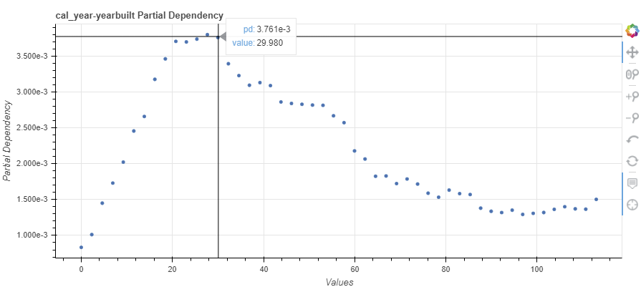
feature | value | PropertyAgeBase_pd | value2
cal_year-yearbuilt | 0 | 0.00083358421184 | 0
cal_year-yearbuilt | 2.306122449 | 0.0010118814189 | 2.306122449
cal_year-yearbuilt | 4.612244898 | 0.0014502700775 | 4.612244898
cal_year-yearbuilt | 6.9183673469 | 0.0017304030726 | 6.9183673469
cal_year-yearbuilt | 9.2244897959 | 0.0020229625286 | 9.2244897959
cal_year-yearbuilt | 11.530612245 | 0.0024570293967 | 11.530612245
cal_year-yearbuilt | 13.836734694 | 0.0026595300494 | 13.836734694
cal_year-yearbuilt | 16.142857143 | 0.0031774593042 | 16.142857143
cal_year-yearbuilt | 18.448979592 | 0.0034631320998 | 18.448979592
cal_year-yearbuilt | 20.755102041 | 0.0037072647001 | 20.755102041
cal_year-yearbuilt | 23.06122449 | 0.0036988498157 | 23.06122449
cal_year-yearbuilt | 25.367346939 | 0.0037388593569 | 25.367346939
cal_year-yearbuilt | 27.673469388 | 0.0038013098853 | 27.673469388
cal_year-yearbuilt | 29.979591837 | 0.0037609139074 | 29.979591837
cal_year-yearbuilt | 32.285714286 | 0.0033952752427 | 32.285714286
cal_year-yearbuilt | 34.591836735 | 0.0032295249032 | 34.591836735
cal_year-yearbuilt | 36.897959184 | 0.0030952077346 | 36.897959184
cal_year-yearbuilt | 39.204081633 | 0.0031316524766 | 39.204081633
cal_year-yearbuilt | 41.510204082 | 0.0030899687633 | 41.510204082
cal_year-yearbuilt | 43.816326531 | 0.0028621586244 | 43.816326531
cal_year-yearbuilt | 46.12244898 | 0.0028412502405 | 46.12244898
cal_year-yearbuilt | 48.428571429 | 0.0028295229292 | 48.428571429
cal_year-yearbuilt | 50.734693878 | 0.0028185590878 | 50.734693878
cal_year-yearbuilt | 53.040816327 | 0.0028155107535 | 53.040816327
cal_year-yearbuilt | 55.346938776 | 0.0026691094694 | 55.346938776
cal_year-yearbuilt | 57.653061224 | 0.0025733909677 | 57.653061224
cal_year-yearbuilt | 59.959183673 | 0.002178947067 | 59.959183673
cal_year-yearbuilt | 62.265306122 | 0.0020663184812 | 62.265306122
cal_year-yearbuilt | 64.571428571 | 0.0018258405826 | 64.571428571
cal_year-yearbuilt | 66.87755102 | 0.0018291756848 | 66.87755102
cal_year-yearbuilt | 69.183673469 | 0.0017235575944 | 69.183673469
cal_year-yearbuilt | 71.489795918 | 0.0017874609136 | 71.489795918
cal_year-yearbuilt | 73.795918367 | 0.0017172728245 | 73.795918367
cal_year-yearbuilt | 76.102040816 | 0.0015892827608 | 76.102040816
cal_year-yearbuilt | 78.408163265 | 0.0015332038033 | 78.408163265
cal_year-yearbuilt | 80.714285714 | 0.0016326802944 | 80.714285714
cal_year-yearbuilt | 83.020408163 | 0.0015833610688 | 83.020408163
cal_year-yearbuilt | 85.326530612 | 0.0015708329442 | 85.326530612
cal_year-yearbuilt | 87.632653061 | 0.0013804250615 | 87.632653061
cal_year-yearbuilt | 89.93877551 | 0.0013372817534 | 89.93877551
cal_year-yearbuilt | 92.244897959 | 0.0013193334436 | 92.244897959
cal_year-yearbuilt | 94.551020408 | 0.0013527759002 | 94.551020408
cal_year-yearbuilt | 96.857142857 | 0.0012931696581 | 96.857142857
cal_year-yearbuilt | 99.163265306 | 0.0013080979942 | 99.163265306
cal_year-yearbuilt | 101.46938776 | 0.0013198205853 | 101.46938776
cal_year-yearbuilt | 103.7755102 | 0.0013639591696 | 103.7755102
cal_year-yearbuilt | 106.08163265 | 0.0014006021736 | 106.08163265
cal_year-yearbuilt | 108.3877551 | 0.0013709059297 | 108.3877551
cal_year-yearbuilt | 110.69387755 | 0.0013663810403 | 110.69387755
cal_year-yearbuilt | 113 | 0.0015031011565 | 113

