Sheet1
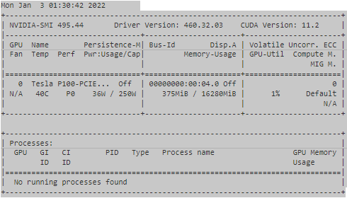
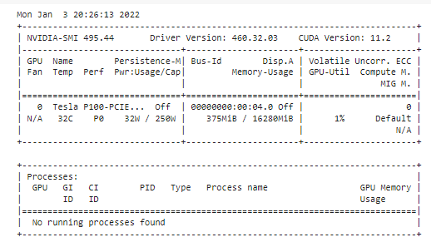

Comparing
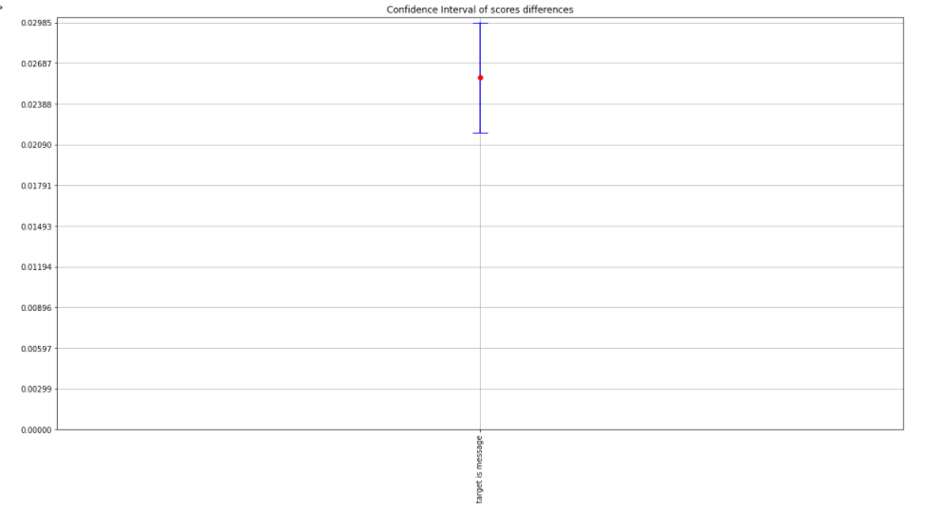
Model | Score | 0 | 1 | 2 | 3 | 4 | 5 | 6 | 7 | 8 | 9 | mean | sem | std | median | Shapiro test | Confidence Interval (+/-) | t-test Comment | t-statistic | t-test pvalue
target is original_message | test_fedulya-f1-score | 0.85966772711 | 0.86393562546 | 0.87081684059 | 0.86430361618 | 0.86408118884 | 0.86441294075 | 0.87142339732 | 0.86531498914 | 0.86868686869 | 0.86275886276 | 0.86554020568 | 0.0011649138787 | 0.0036837811348 | 0.86435827847 | The score is normally distributed with alpha=0.05 | 0.0026352182748 | This is BaseModel in the comparizon.
target is message | test_fedulya-f1-score | 0.8389860764 | 0.84065335753 | 0.84064327485 | 0.84214390602 | 0.84336475707 | 0.84268426843 | 0.83273251622 | 0.8406612733 | 0.83979517191 | 0.83555555556 | 0.83972201573 | 0.0010395930351 | 0.0032874818307 | 0.84064831619 | The score is normally distributed with alpha=0.05 | 0.0023517228308 | There is a difference with target is original_message with 0.05 significance level | 14.474380714 | 1.5371674131E-07

