VM
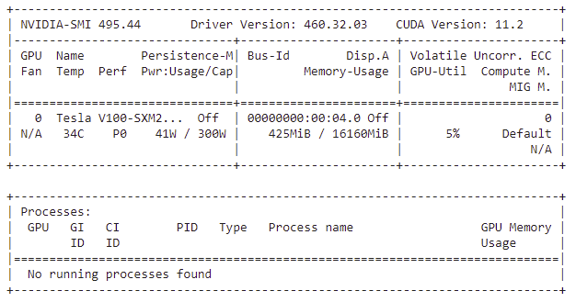
Your runtime has 54.8 gigabytes of available RAM You are using a high-RAM runtime!

Models
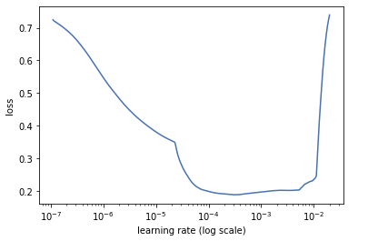
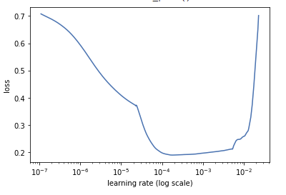
bert-base-multilingual-cased | 0.00002 | We must select the maximal learning rate where the loss is still falling prior to divergence.
 | 0.00003

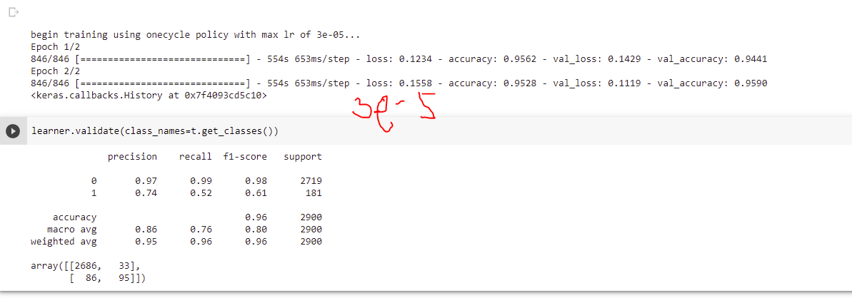

blinoff/roberta-base-russian-v0
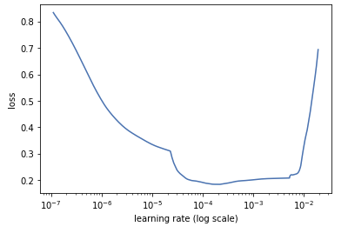

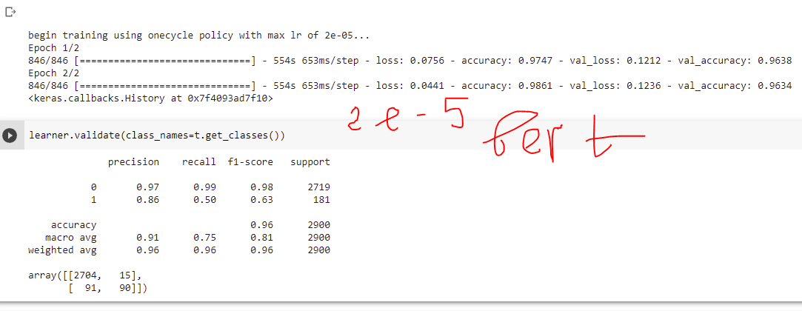

DeepPavlov/rubert-base-cased

ComparingTest
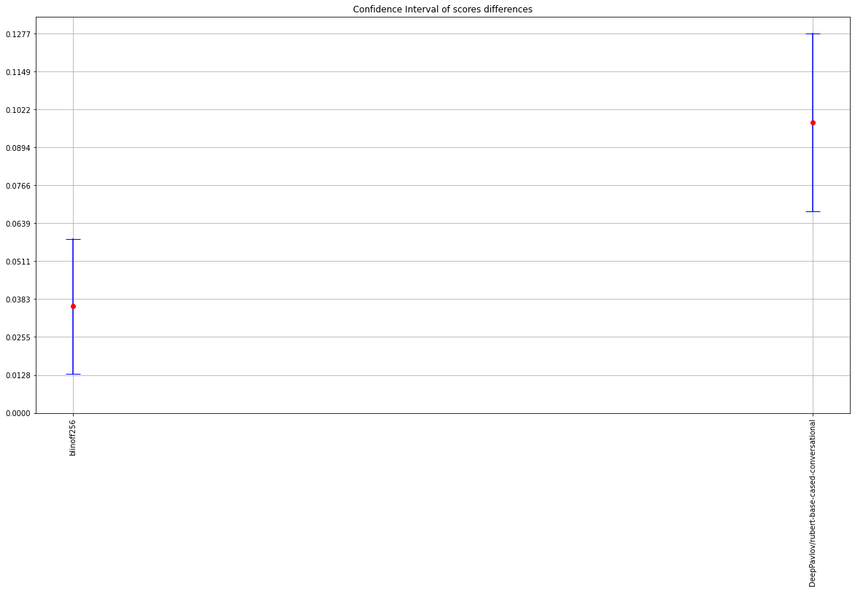
Model | Score | 0 | 1 | 2 | 3 | 4 | 5 | 6 | 7 | 8 | 9 | mean | sem | std | median | Shapiro test | Confidence Interval (+/-) | Run | VM | t-test Comment | t-statistic | t-test pvalue
blinoff256 | test_lizon-recall | 0.70165745856 | 0.69613259669 | 0.74033149171 | 0.73480662983 | 0.70165745856 | 0.68508287293 | 0.72375690608 | 0.71270718232 | 0.69060773481 | 0.73480662983 | 0.71215469613 | 0.0063502540146 | 0.020081266407 | 0.70718232044 | The score is normally distributed with alpha=0.05 | 0.014365272604 | 4 | 1 | No difference with blinoff512 with 0.05 significance level | 0.10605865225 | 0.91786214927
blinoff512 | test_lizon-recall | 0.78453038674 | 0.69060773481 | 0.65745856354 | 0.74585635359 | 0.69613259669 | 0.72375690608 | 0.70165745856 | 0.65745856354 | 0.74585635359 | 0.73480662983 | 0.7138121547 | 0.012886081536 | 0.040749367767 | 0.71270718232 | The score is normally distributed with alpha=0.05 | 0.029150341645 | 2 | 1 | This is BaseModel in the comparizon.
DeepPavlov/rubert-base-cased-conversational | test_lizon-recall | 0.65745856354 | 0.72928176796 | 0.56906077348 | 0.66298342541 | 0.59668508287 | 0.63535911602 | 0.55801104972 | 0.69613259669 | 0.64640883978 | 0.5635359116 | 0.63149171271 | 0.01849064147 | 0.058472542441 | 0.6408839779 | The score is normally distributed with alpha=0.05 | 0.041828737044 |  | 0 | There is a difference with blinoff512 with 0.05 significance level | 3.7394403077 | 0.0046294901331

ComparingApplied
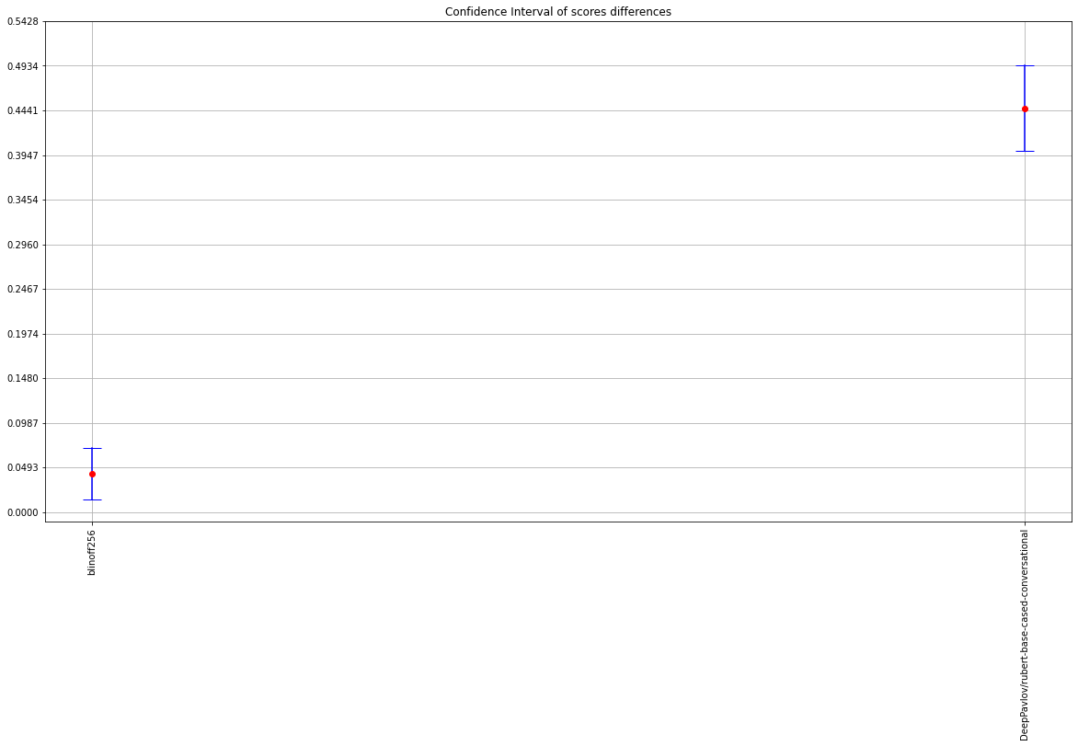
Model | Score | 0 | 1 | 2 | 3 | 4 | 5 | 6 | 7 | 8 | 9 | mean | sem | std | median | Shapiro test | Confidence Interval (+/-) | t-test Comment | t-statistic | t-test pvalue
blinoff256 | test_lizon-recall | 0.76377952756 | 0.70393700787 | 0.71181102362 | 0.73700787402 | 0.71968503937 | 0.7874015748 | 0.71023622047 | 0.74645669291 | 0.72913385827 | 0.72755905512 | 0.7337007874 | 0.0082548331066 | 0.026104074321 | 0.72834645669 | The score is normally distributed with alpha=0.05 | 0.018673729839 | No difference with blinoff512 with 0.05 significance level | 0.7947427897 | 0.4472132084
blinoff512 | test_lizon-recall | 0.83464566929 | 0.72913385827 | 0.68976377953 | 0.7937007874 | 0.72598425197 | 0.78897637795 | 0.74330708661 | 0.62992125984 | 0.72755905512 | 0.82047244094 | 0.74834645669 | 0.019759857816 | 0.062486156939 | 0.73622047244 | The score is normally distributed with alpha=0.05 | 0.044699903893 | This is BaseModel in the comparizon.
DeepPavlov/rubert-base-cased-conversational | test_lizon-recall | 0.30866141732 | 0.33070866142 | 0.35748031496 | 0.30393700787 | 0.30551181102 | 0.30393700787 | 0.33700787402 | 0.22992125984 | 0.26929133858 | 0.27559055118 | 0.30220472441 | 0.011620984998 | 0.036748781247 | 0.30472440945 | The score is normally distributed with alpha=0.05 | 0.026288494451 | There is a difference with blinoff512 with 0.05 significance level | 21.349083105 | 5.1016726243E-09

