Check-List and statistics
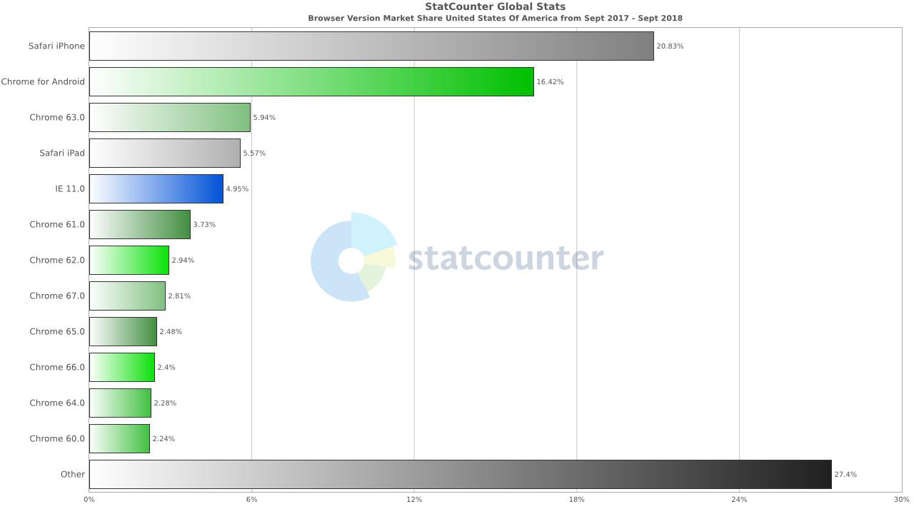
Check-list for 'https://lawsonfenning.com/' site:
№ | Status | Check-box | Title | Page Zone | Chrome 69.0 Android | Chrome 63.0 desktop | Safari iPad IOS | IE 7.0 desktop | Safari iPhone IOS
1 | TRUE |  | Check a correct displaying number of items in the cart | Header
2 | TRUE |  | Check navigation links in header of the home page | Header
3 | TRUE |  | Check the ability to use a search function at the header of the home page | Header
4 | TRUE |  | Check the image hyperliks navigation | Body
5 | TRUE |  | Check the page scaling | Body/Header/Footer
6 | TRUE |  | Check the main navigation menue links | Body/Header
7 | TRUE |  | Check a correct displaying of slideshow in the page body | Body
8 | FALSE |  | Check the ability to get a discount by joying the Post List | Footer
9 | TRUE |  | Check navigation links in footer of the home page | Footer

Bug Reports
№ | Severity | Priority | Summary | Preconditions | Steps to Reproduce | Components | Actual Result | Expected result | Environment | Attachments
1 |  | Unset | Images climb over the edges in a 'View All' page. | 1. User navigated by link https://lawsonfenning.com/ | 1. Click on 'LF Collection' link in header. 2. Click on 'View All' button. 3. Minimize a window size till site template changing. 4. Maximize back for a ~10 pixels. |  | 1. All images in page body which have a size bigger then table pattern climb over the edges. | 1. Images should scaling according to page table pattern. | Chrome 63.0 desktop | 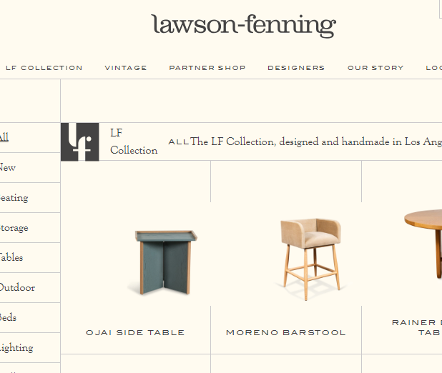
2 |  | Unset | Images climb over rach other in a 'Shop' page. | 1. User navigated by link https://lawsonfenning.com/ | 1. Scroll down to the 'Shop' link. 2. Click on a Shop link |  | 1. All images in page body which have a size bigger then table pattern climb over each other. | 1. Images should scaling according to page table pattern. | Chrome Android Honor 7x | 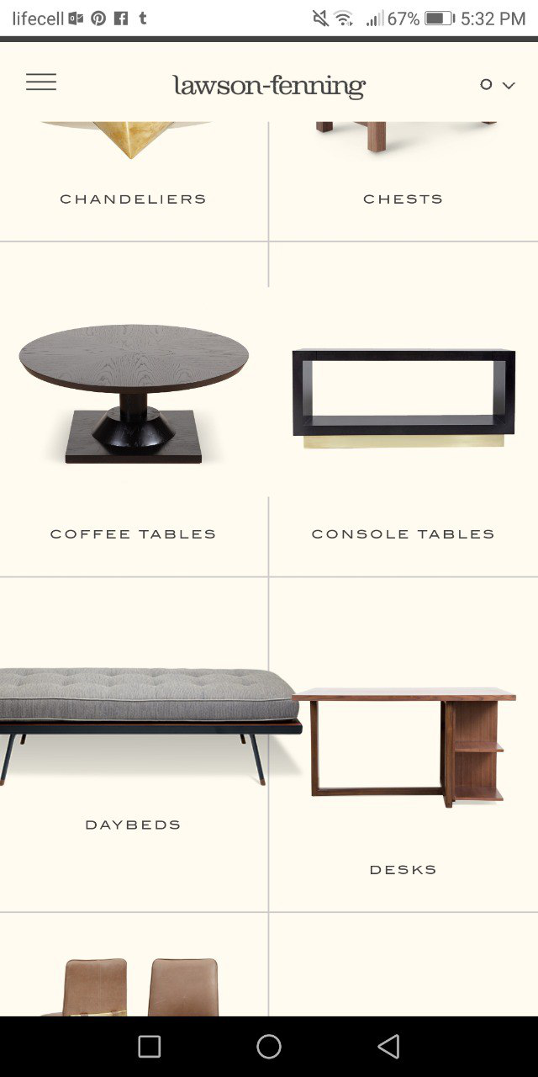
3 |  | Unset | Join a Post List with an empty value brakes a field template | 1. User navigated by link https://lawsonfenning.com/ | 1. Leave a Email address field in footer empty. 2. Click on 'perform' button, or press Enter on a keyboard. |  | 1. The "There was a problem with your submission. Errors have been highlighted below." worn message brakes the field template. Field drops dawn over the window page. | 1. Warn message should to appear above the Email field | IE 11 desktop IE 7 desktop
 |  | Unset | Slideshow on a "Home Page" page does not display | 1. User navigated by link https://lawsonfenning.com/ | 1. Scroll down Home page to the Slidewshow |  | Slideshow on a Home Page page does not display. An JS error appears in consol. | 1. Slideshow on a Home Page should be displayed. | IE 7 Desktop

