category
category_profit
popular_of_category

category_day_to_ship
time_from_order_to_ship_by_category

day_week_category
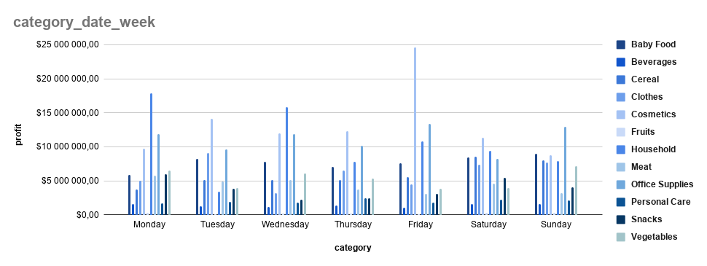

country_day_to_ship
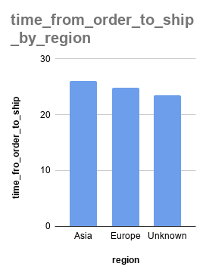

sub_region
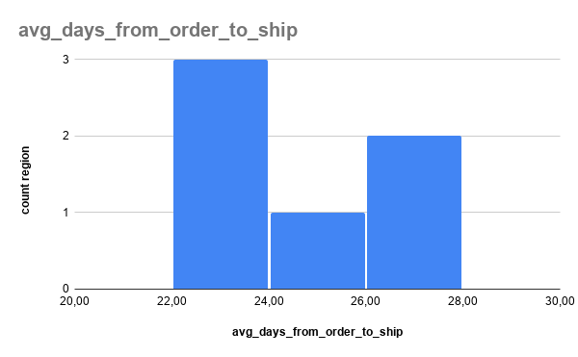
sub_region_revenue_cost_profit

top5 profit_country
name | alpha-2 | alpha-3 | region | sub-region | Total revenue | Total cost | Total profit | avg_date
Andorra | AD | AND | Europe | Southern Europe | $56,287,339.00 | $39,043,202.15 | $17,244,136.85 | 26.3
San Marino | SM | SMR | Europe | Southern Europe | $44,417,832.40 | $31,382,073.66 | $13,035,758.74 | 21.7
Ukraine | UA | UKR | Europe | Eastern Europe | $46,158,084.31 | $33,274,432.27 | $12,883,652.04 | 25.8
Malta | MT | MLT | Europe | Southern Europe | $40,913,612.18 | $29,043,236.61 | $11,870,375.57 | 21.6
Bosnia and Herzegovina | BA | BIH | Europe | Southern Europe | $30,054,788.63 | $19,583,972.87 | $10,470,815.76 | 26.1
name | alpha-2 | alpha-3 | region | sub-region | Total revenue | Total cost | Total profit | avg_date
MIN profit
Liechtenstein | LI | LIE | Europe | Western Europe | $19,415,362.22 | $12,599,514.88 | $6,815,847.34 | 23.0
Georgia | GE | GEO | Asia | Western Asia | $29,887,681.42 | $21,158,592.64 | $8,729,088.78 | 29.7
Croatia | HR | HRV | Europe | Southern Europe | $28,429,536.77 | $19,438,496.00 | $8,991,040.77 | 18.2
Finland | FI | FIN | Europe | Northern Europe | $20,426,016.77 | $13,774,564.49 | $6,651,452.28 | 26.2
Monaco | MC | MCO | Europe | Western Europe | $26,142,962.82 | $18,420,012.53 | $7,722,950.29 | 26.8
TOP 5 country by profit
MIN profit top 5

sales_chanel
Сhanel_sales
 | Total revenue | Total cost | Total profit

profit_country_by_year_month
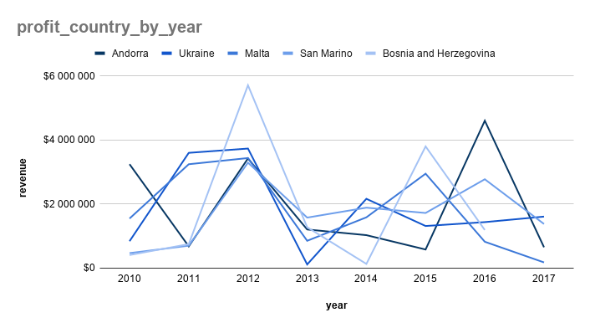

profit_country_by_month

profit_region_by_year_month
profit_region_by_year
profit_region_by_year
 |  |  | Other

Profit_region_by_month

profit_category_by_year_month
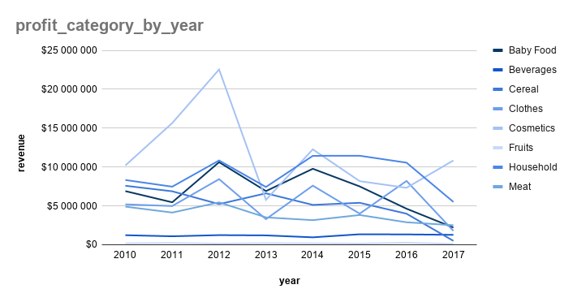

profit_category_by_month

region_day_week
count_orders_region_by_dayweek

abc_2017
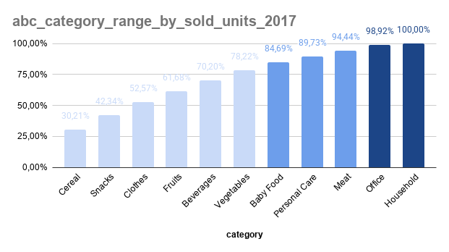
Category | Total_revenue_2017 | range_percent_revenue | abc_profit | Category | total_profit_2017 | range_percent_profit | abc_profit
Office Supplies | $34,211,317 | 25.04% | A | Office Supplies | $10,833,318 | 27.78% | A
Cosmetics | $27,240,620 | 44.99% | A | Household | $6,632,544 | 44.78% | A
Household | $22,181,218 | 61.22% | A | Meat | $5,500,910 | 58.89% | A
Meat | $18,445,875 | 74.73% | A | Snacks | $4,088,852 | 69.37% | A
Snacks | $11,314,417 | 83.01% | B | Vegetables | $2,953,663 | 76.95% | A
Vegetables | $7,208,005 | 88.29% | B | Cosmetics | $2,500,898 | 83.36% | B
Baby Food | $5,871,951 | 92.59% | B | Baby Food | $2,204,972 | 89.01% | B
Beverages | $3,841,267 | 95.40% | C | Clothes | $1,777,615 | 93.57% | B
Clothes | $2,645,122 | 97.33% | C | Cereal | $1,267,740 | 96.82% | C
Personal Care | $2,116,071 | 98.88% | C | Fruits | $648,828 | 98.49% | C
Cereal | $1,140,195 | 99.72% | C | Beverages | $491,054 | 99.75% | C
Fruits | $384,415 | 100.00% | C | Personal Care | $99,297 | 100.00% | C

 | total_revenue_2017 |  |  |  | total_profit_2017
 | $136,600,474 |  |  |  | $38,999,691

abc_category_range_revenue_2017

Category | Units_Sold_2017 | range_percent_units | abc_count_units
Cosmetics | 80,954 | 15.77% | A
Cereal | 74,154 | 30.21% | A
Snacks | 62,307 | 42.34% | A
Clothes | 52,535 | 52.57% | A
Fruits | 46,787 | 61.68% | A
Beverages | 43,722 | 70.20% | A
Vegetables | 41,202 | 78.22% | A
Baby Food | 33,192 | 84.69% | B
Personal Care | 25,891 | 89.73% | B
Meat | 24,205 | 94.44% | B
Office Supplies | 23,002 | 98.92% | C
Household | 5,543 | 100.00% | C

 | total_units_2017
 | 513,494

all_visualization
sub_region_revenue_cost_profit
abc_category_range_by_profit_2017

category_profit
popular_of_category

TOP 5 country by profit
MIN profit top 5
abc_category_range_revenue_2017

time_from_order_to_ship_by_category

Сhanel_sales
 | Total revenue | Total cost | Total profit
count_orders_region_by_dayweek
profit_region_by_year
profit_region_by_year
 |  |  | Other

profit_country_by_month
profit_category_by_month

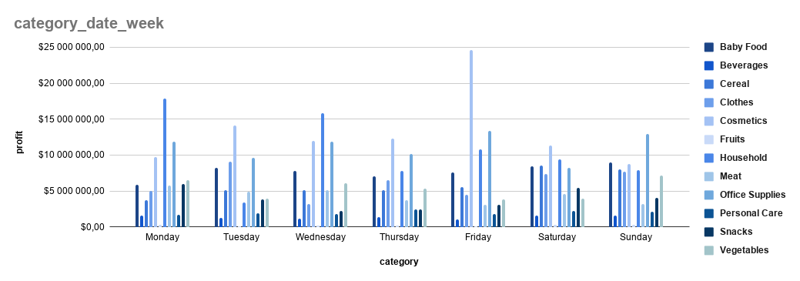
Profit_region_by_month

final
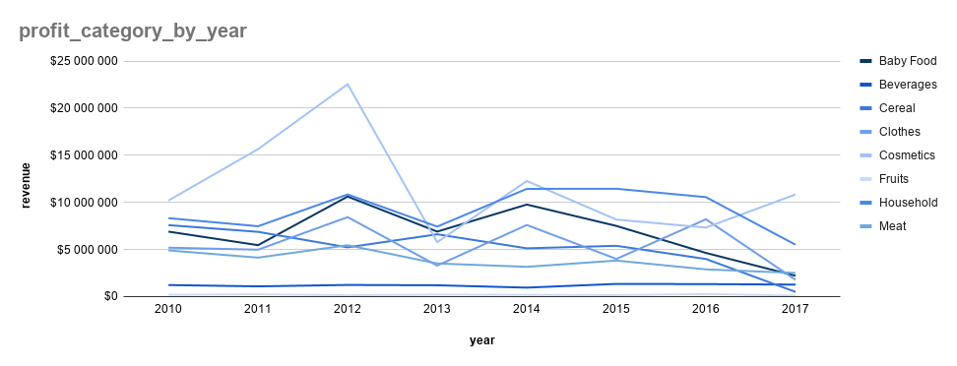
abc_category_range_by_profit_2017

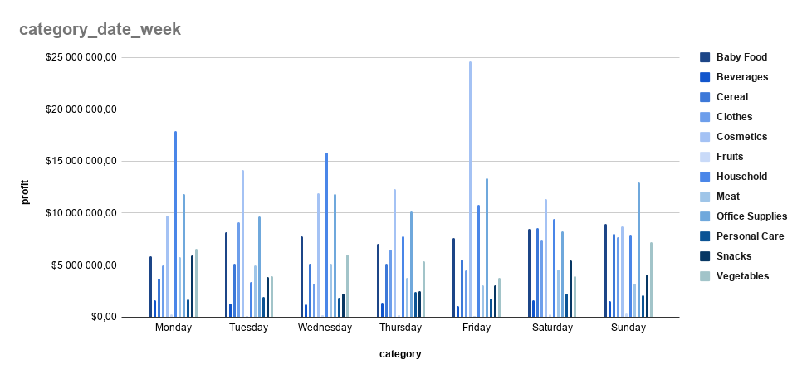
TOP 5 country by profit

