1. Title Page
Instacart Grocery Basket Analysis

Project Name: Instacart Grocery Basket Analysis
Date: 09/20/2024
Analyst Name: Katherine Lecce

Contents:
Population Flow
Consistency checks
Wrangling steps
Column derivations
Visualizations
Recommendations

2. Population Flow
Title page

Population flow

Exclusion flag
Condition: max_order < 5
Obervations to be removed: 1440295
Final total count of order_products_all: 30,964,564

Orders_products_all
Orders_products_combined
Orders_products_merged

Total: 32,434,489
Total: 32,404,859S
Total: 32,404,859

1.) The grey boxes in the first row of the population flow represent the original data sets as they were when you downloaded them. In the Total fields you need to add the count of the rows when you imported the data set into Jupyter.
2.) The second row of boxes (coloured) represents the data sets after you manipulated them, e.g., removed missing values and duplicates. In the Total fields you need to add the count of the rows after conducting these operations. This offers a visual oveview of how the data flows throughout the data consistency checks.
3.) The third row, where also the arrows are coloured, represents the merges you performed between the datasets. In the Total fields you need to add the count of the rows in the merged datasets, so that you end up with the final dataset (in the red box). Keep in mind the final dataset should be without exclusions (based on the exclusion flag).

3. Consistency checks
 |  |  |  | Title page
Consistency checks

Dataset | Missing values | Missing values treatment | Duplicates
dp_orders | 206,209 in days_since_prior_order column | Added 0 in place of missing values instead of deleting these rows. I took this approach as these missing values simply denotes that there are no prior orders from respective customers | There were no duplicates.
products | 16 missing values from the product_name column. | I have extracted a subset without these missing product names and named it df_prods_nan | There were 5 duplicates in product_name column, and I have extracted a subset without duplicates to df_prods_clean_no_dups
orders_products_prior | There were no missing values. | n/a | There were no duplicates.
customers | There were no missing values. | n/a | There were no duplicates.

4. Wrangling steps
 |  |  |  | Title page
Wrangling steps

Columns dropped | Columns renamed | Columns' type changed | Comment/Reason
eval_set |  |  | Not needed for our analysis - all cells show "prior" in columns
 |  | order_id changed to str | order_id is used as an identifier and a key. Its not used in calculations or any analysis
 | "order_dow" changed to "orders_day_of_week" |  | column name change for clarity
_merge |  |  | Removed "_merge" column from ords_prods_combined before merging it with products to prevent duplicate columns Removed "_merge" column from "df_ords" before merging ti with the customers dataframe to prevent duplicate columns. Removed from "df_merged_large" dataframe is not needed.

First Name (on customers) |  |  | To make the analysis easier and dataframe smaller, it is suffient to use the customer's user_id as an individual's identification for the project goals.
Last Name (on customers)

5. Column derivations
 |  |  |  | Title page

Column derivations and aggregations

In this tab you should add tables below that the frequences of flags/label variables that you produced after deriving them. NB: don't do this for continuous variables, only for flags.
Dataset | New column | Column/s it was derived from | Conditions
ords_prods_merge | price_label | prices | if price is <=5 = 'Low range product'
 |  |  | if price is >5 and <=15 = 'Mid range product'
 |  |  | if price is >15 = 'High range product
 | busiest_day | order_dow | 0 (Saturday) = Busiest day
 |  |  | 4 (Wednesday) = Least busy
 |  |  | any other day of the week = Regularly busy
 | busiest_days | order_dow | 0 or 1 (Saturday or Sunday) = Busiest days
 |  |  | 3 or 4 (Tuesday or Wednesday) = Slowest days
 |  |  | any other day of the week = Regularly busy
 | busiest_period_of_day | order_hour_of_day | 10 (10:00 am) = Most orders
 |  |  | 3 (3:00 am) = Fewest orders
 |  |  | any other hour of the day = Average orders
 | max_order | user_id, 'order_number' | This column is to determine maximum frequency of orders ('order_number') grouped by customer ('user_id').
 | loyalty_flag | max_order | if max_order is >40, then labeled as 'Loyal customer'
 |  |  | if max_order is <=40 and >10, then labeled as "Regular customer'
 |  |  | if max_order is <=10, then labeled as 'New customer'
 | mean_product_price | user_id, 'prices' | This gets the average price of product purchased, grouped by 'user_id'
 | spending_flag | mean_product_price | If avg_purchase_price <10, then labeled as 'Low spender'
 |  |  | If avg_purchase_price >=10, then labeled as 'High spender'
 | median_days | user_id', 'days_since_prior_order' | This gets the median 'days_since_prior_order' and groups by 'user_id'
 | order_frequency | median_days | If median_days >20, then labeled as 'Non-frequent customer'
 |  |  | If median_days >10 and <=20, then labeled as 'Regular customer'
 |  |  | If median_days <=10, then labeled as 'Frequent customer'
cust_ords_prods_excluded | income_group | income | If income less than 50,000 then 'Low income'
 |  |  | If income greater than or equal to 50,000 and less than 100,000 then 'Middle income'
 |  |  | If income greater than or equal to 100,000 then 'High income'
 | age_group | Age | If age less than 25 then young adults. (0-24)
 |  |  | If age greater than or equal to 25 & less than 45 then adults. (25-44)
cust_ords_prods_excluded |  |  | If age greater than or equal to 45 & less than 65 then old adults. (45-64)
 |  |  | If age greater than or equal to 65 then senior. (65+)
 |  |  | If missing age then other
cust_ords_prods | region | STATE | Northeast_states = ['Maine', 'New Hampshire', 'Vermont', 'Massachusetts', 'Rhode Island', 'Connecticut', 'New York', 'Pennsylvania', 'New Jersey']
 |  |  | Midwest_states = ['Wisconsin', 'Michigan', 'Illinois', 'Indiana', 'Ohio', 'North Dakota', 'South Dakota', 'Nebraska', 'Kansas', 'Minnesota', 'Iowa', 'Missouri']
 |  |  | Southern_states = ['Delaware', 'Maryland', 'District of Columbia', 'Virginia', 'West Virginia', 'North Carolina', 'South Carolina', 'Georgia', 'Florida', 'Kentucky', 'Tennessee', 'Mississippi', 'Alabama', 'Oklahoma', 'Texas', 'Arkansas', 'Louisiana']
 |  |  | Western_states = ['Idaho', 'Montana', 'Wyoming', 'Nevada', 'Utah', 'Colorado', 'Arizona', 'New Mexico', 'Alaska','Washington', 'Oregon', 'California', 'Hawaii']
cust_ords_prods | activity_level' | max_order | Exclusion flag:
 |  |  | If max_order is less than 5, then 'Low-activity customer'
 |  |  | If max_order greater than or equal to 5, then 'High-activity customer'
cust_ords_prods_excluded | dependents_category | dependents | small when dependants <= 1
 |  |  | medium when dependants = 2
 |  |  | large when dependants > 3
 |  |  | No data when there is missing/NaN
cust_ords_prods_excluded | department_name | department_id | 1 = frozen
 |  |  | 2 = other
 |  |  | 3 = bakery
 |  |  | 4 = produce
 |  |  | 5 = alcohol
 |  |  | 6 = international
 |  |  | 7 = beverages
 |  |  | 8 = pets
 |  |  | 9 = dry goods pasta
 |  |  | 10 = bulk
 |  |  | 11 = personal care
 |  |  | 12 = meat seafood
 |  |  | 13 = pantry
 |  |  | 14 = breakfast
 |  |  | 15 = canned goods
 |  |  | 16 = dairy eggs
 |  |  | 17 = household
 |  |  | 18 = babies
 |  |  | 19 = snacks
 |  |  | 20 = deli
 |  |  | 21 = missing

6. Visualizations
Title page

Visualisations

In this tab you should include all the visualtions from Exercises 4.9 and 4.10, alongside the questions from the project brief that they answer. Include any commentary on the relationship between different variables.

Instacart - Time of Week
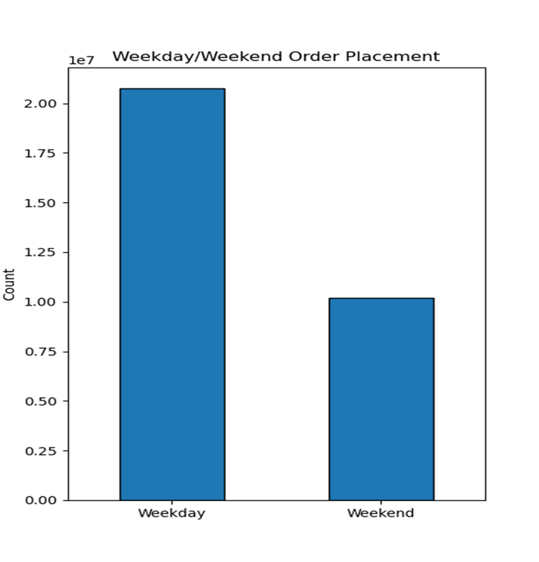
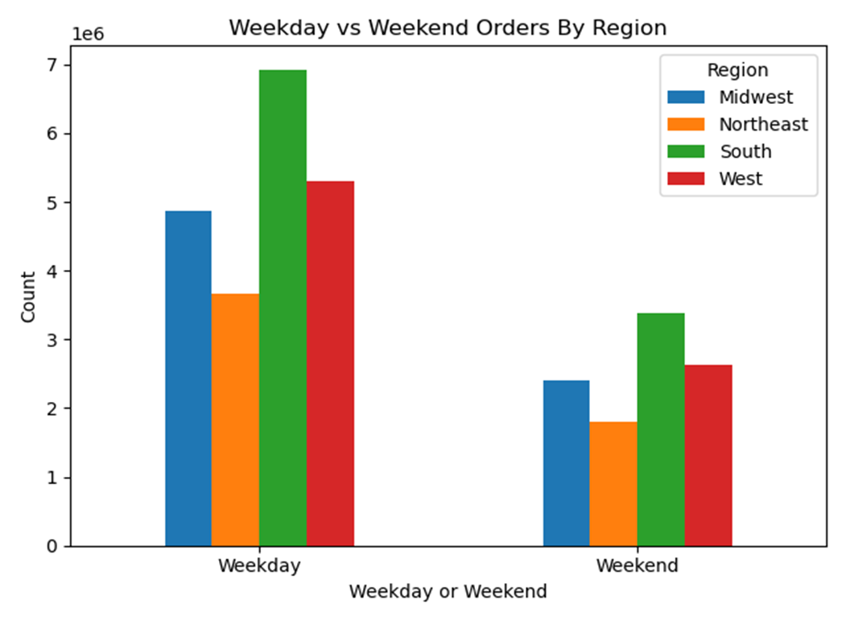
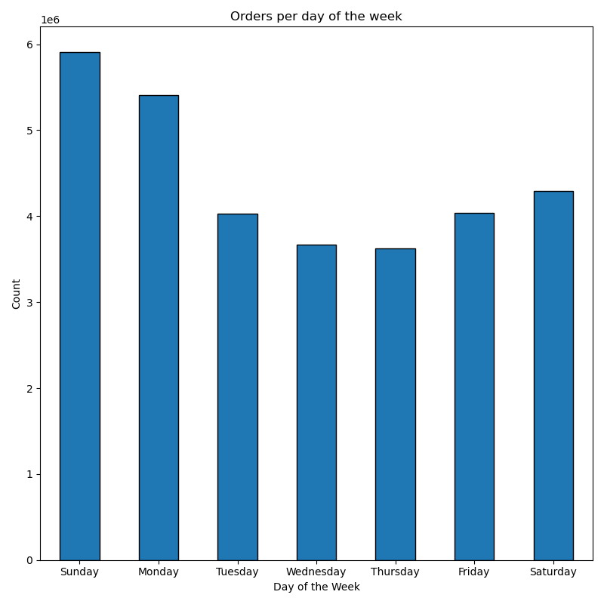

Based on the three bar charts presented, several insights about Instacart orders and customer behavior can be drawn:
Orders per Day of the Week (Left Chart):
The highest number of orders is placed on Sunday, followed by Monday.
The rest of the week shows relatively lower and stable order volumes from Tuesday to Friday.
Saturday sees a slight rise in order volume compared to the mid-week days.
This suggests that customers may be more inclined to shop at the start of the week, particularly on the weekend and Monday.
Weekday vs Weekend Order Placement (Middle Chart):
There is a significantly higher number of orders placed on weekdays compared to weekends.
This indicates that, while Sunday is a major day for orders, the total volume across all weekdays surpasses the volume of weekend orders.
This pattern may suggest that customers prefer ordering during the weekdays, potentially driven by routine schedules like work-from-home or planning for meals during the week.
Weekday vs Weekend Orders by Region (Right Chart):
The South (green bars) leads in both weekday and weekend orders, especially during the weekdays, while the West (red bars) follows closely behind.
The Midwest (blue bars) and Northeast (orange bars) have lower overall order volumes but show similar trends of more orders placed on weekdays.
This chart indicates regional differences in ordering patterns, where customers in the South are more active during the weekdays, and the weekend volumes vary by region but are still smaller than weekday volumes.
Conclusions:
Most orders are placed on weekends, particularly Sundays, but overall, customers prefer to place orders on weekdays.
Regional differences exist, with the South having the highest order volumes, particularly during the weekdays.
Understanding these behaviors can help with targeted marketing, logistics, and stocking strategies tailored to peak ordering times and regions.

Instacart: Time of Day
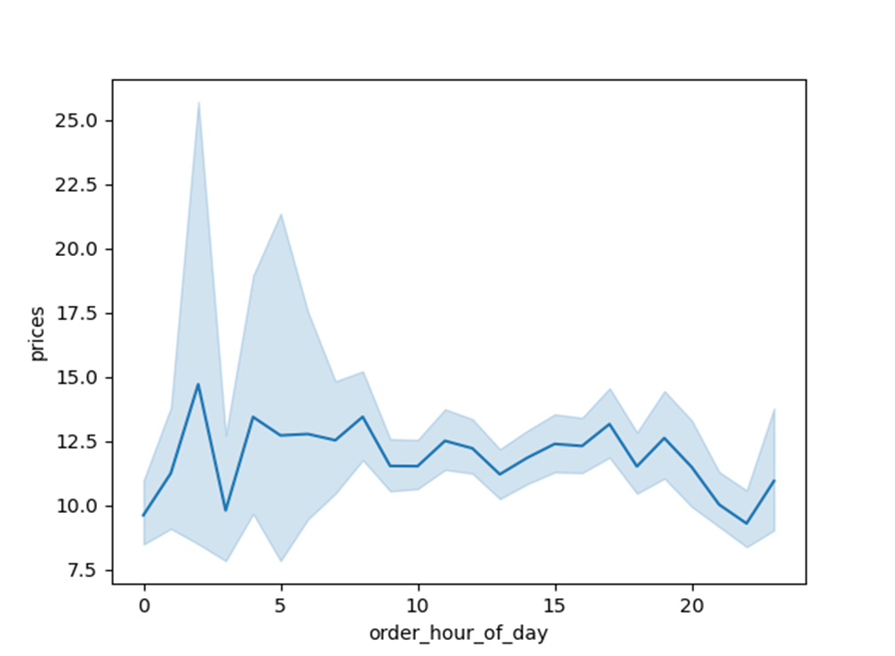

Based on the line chart provided, showing the relationship between order hour of the day and prices, we can make the following conclusions about how expensive the orders are at different times of the day:
Peak in Early Morning (Around 1-2 AM):
There's a significant spike in prices in the early hours, particularly around 1-2 AM. Orders placed at this time tend to be the most expensive compared to other times of the day.
This could indicate that late-night/early-morning shoppers tend to buy higher-priced items or perhaps place larger orders.
Stabilization After the Peak (From 3 AM Onwards):
After the initial peak, prices drop sharply and stabilize throughout the rest of the day.
From around 3 AM to 8 PM, the prices remain relatively consistent, fluctuating between $10 and $13 on average.
Slight Rise in Late Evening (Around 10-11 PM):
There's a small rise in prices toward the late evening, but this increase is less dramatic compared to the early-morning spike.
This may suggest a trend where late-night shoppers, again, may purchase more expensive or higher quantities of products, but not to the same extent as those shopping in the early hours.
Conclusions:
Orders placed very early in the morning (1-2 AM) tend to be significantly more expensive than those placed at any other time of the day.
The majority of the day (3 AM - 8 PM) sees stable pricing, with minimal fluctuations.
There may be specific reasons behind the more expensive orders in the early morning, such as bulk purchases, special items, or high-value transactions made by a smaller, niche group of customers.

Instacart - Consumer Groups
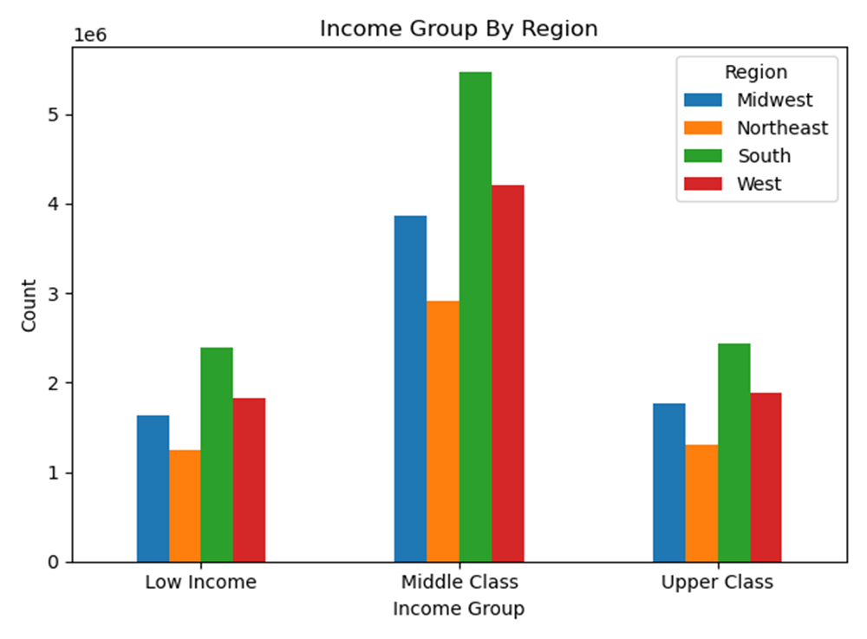

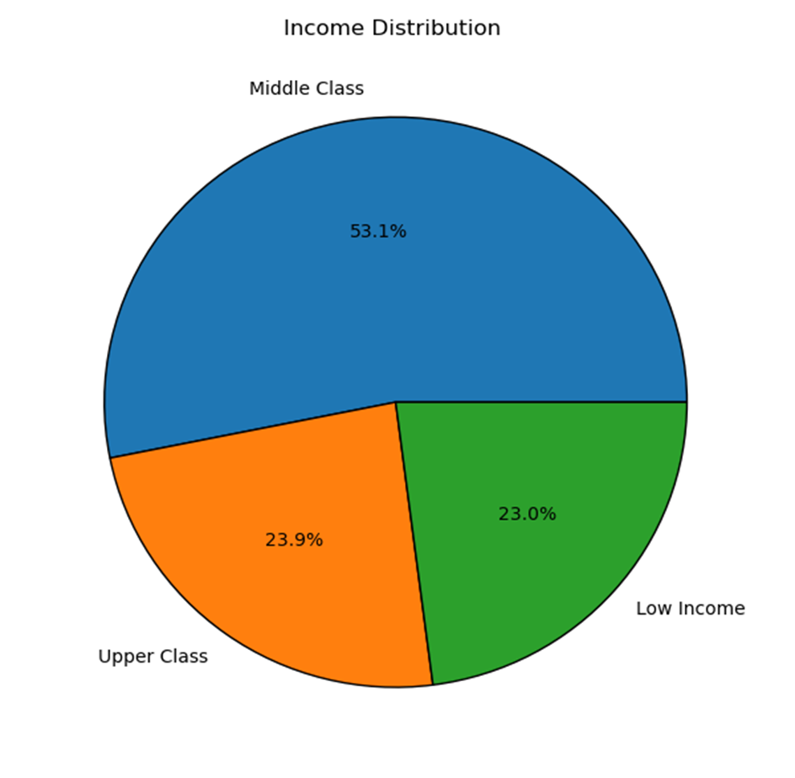

The three charts give various insights into the target Instacart customers' age, income distribution, and regional differences in income groups:
1. Age vs. Income Scatter Plot (Left Chart):
Income Levels Across Age Groups: The scatter plot shows that income tends to increase with age but stabilizes after a certain point.
Middle-Age Bracket (40-60): Customers between 40 and 60 years old show a broad range of incomes, with many high earners in this group.
Younger Customers (20-40): Younger individuals (ages 20-40) tend to have lower incomes, with very few reaching the upper income brackets.
Older Customers (60-80): While incomes vary significantly among older customers, there are still many high earners among them, suggesting that income doesn’t necessarily decline with age in this dataset.
Conclusion: The target customer likely includes a wide age range, but those aged 40-60 may represent the most affluent group, which could influence their purchasing power.
2. Income Distribution Pie Chart (Middle Chart):
The middle class makes up the largest portion of the income distribution, accounting for 53.1% of the customer base.
The upper class and low-income groups are fairly even, representing 23.9% and 23.0% of the customer base, respectively.
Conclusion: The majority of Instacart’s target customers fall into the middle class, indicating that marketing strategies could be tailored to appeal to this demographic. However, there is still a sizable portion of upper-income and low-income customers, requiring a range of products to fit different budgets.
3. Income Group by Region (Right Chart):
The South (green bars) has the largest proportion of middle-class customers, followed by the West (red bars).
The Midwest (blue bars) and Northeast (orange bars) have a smaller representation across all income groups but follow a similar pattern where middle-class customers dominate.
For the upper class, the South and West lead, but there is still a substantial number of affluent customers in the Midwest and Northeast.
Conclusion: Regionally, the South and West represent key markets for Instacart, particularly for middle-class customers. Marketing strategies or promotions can be more tailored to these regions based on the predominance of middle- and upper-class individuals, while the Midwest and Northeast may require different approaches.
Overall Insights:
Middle-class dominance suggests that Instacart should cater to the purchasing habits and preferences of this group, but still accommodate the needs of both low-income and upper-class customers.
Age and income correlation highlights the importance of targeting middle-aged individuals (40-60) who likely have more disposable income for frequent or higher-value purchases.
Regional income patterns indicate that the South and West regions should be primary targets for growth, especially among middle- and upper-class customers.
These insights can help Instacart refine its marketing, product offerings, and regional strategies to better serve its diverse customer base.

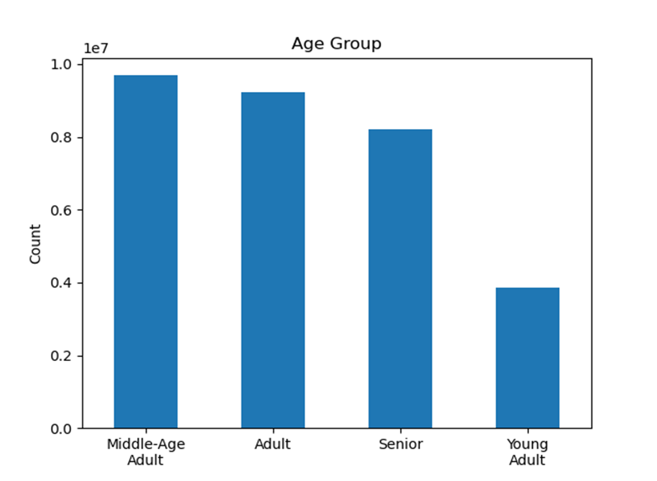
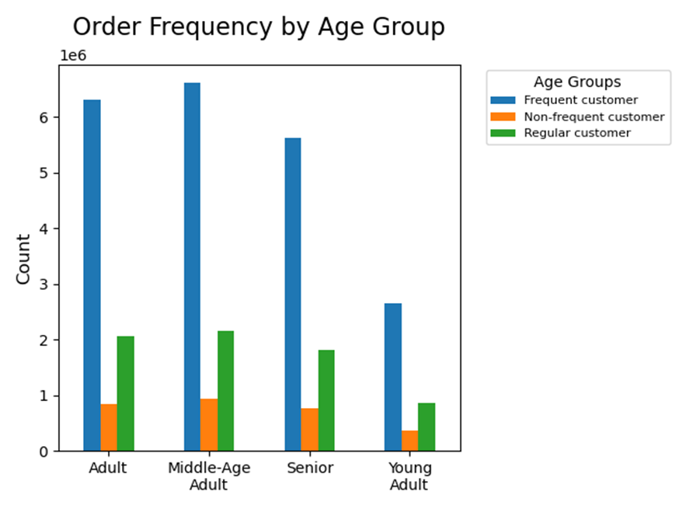
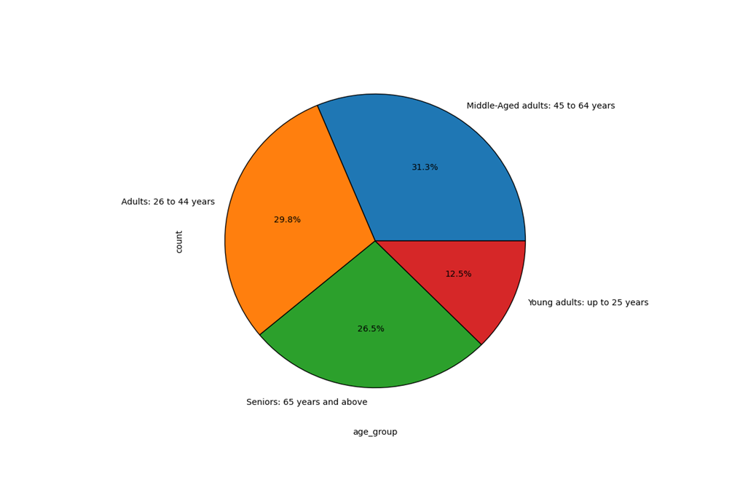

From these three charts representing Instacart customer data across the United States, we can draw the following insights and potential service improvements based on spending habits:
1. Order Frequency by Age Group (Bar Chart - Left):
Frequent customers (blue) are highest among adults (26–44) and middle-aged adults (45–64). This implies these age groups are the most loyal or have the highest order frequency.
Regular customers (green) and non-frequent customers (orange) are significantly fewer compared to frequent customers, but middle-aged and adult groups still dominate in both categories.
Young adults (up to 25) and seniors (65+) have lower order frequencies across all customer types.
Service Improvements:
Target middle-aged and adults more aggressively with promotions, as they are already your core frequent buyers.
Develop strategies for young adults such as student discounts or convenience-based services (like quick delivery or smaller order sizes) to encourage more frequent purchases.
For seniors, improving accessibility (simplified ordering, senior-specific promotions) may increase their order frequency.
2. Customer Distribution by Age Group (Pie Chart - Middle):
The adult group (26-44) represents about 31.3%, closely followed by middle-aged adults (45-64) at 29.8%, showing that a large proportion of customers fall into these two groups.
Seniors form 26.5%, while young adults make up the smallest portion at 12.5%.
Service Improvements:
Since young adults form the smallest segment, consider running campaigns targeting young professionals (convenience, meal kits).
Seniors, while a smaller group, still represent a significant share, so tailoring senior-friendly services (e.g., simpler app navigation, customer support assistance) could help grow this segment.
3. Total Order Count by Age Group (Bar Chart - Right):
Middle-aged adults have the highest total order count, followed closely by adults. Seniors order less frequently than these two groups, but their count is still considerable.
Young adults have the lowest total order count, indicating less engagement or lower disposable income compared to other age groups.
Service Improvements:
Since middle-aged and adults drive the highest overall order counts, loyalty programs or personalized offers (bundles, frequent shopper rewards) for these age groups could keep their engagement high.
Target seniors and young adults with specific marketing efforts aimed at their needs and preferences (seniors: ease of use; young adults: budget-conscious offers).
Overall Suggestions:
Personalization: Offer personalized recommendations and discounts based on frequent purchases for middle-aged and adult customers to enhance loyalty.
Student and Senior Programs: Introduce student discounts for young adults and senior-friendly accessibility features.
Promotional Campaigns: Focus on advertising campaigns targeted at middle-aged adults and adults, who are already contributing the most.
Subscription Model: Introduce a subscription model for frequent customers to capitalize on their high order frequency.
By tailoring strategies to these demographic groups, Instacart could enhance customer satisfaction and potentially grow engagement across all age categories.

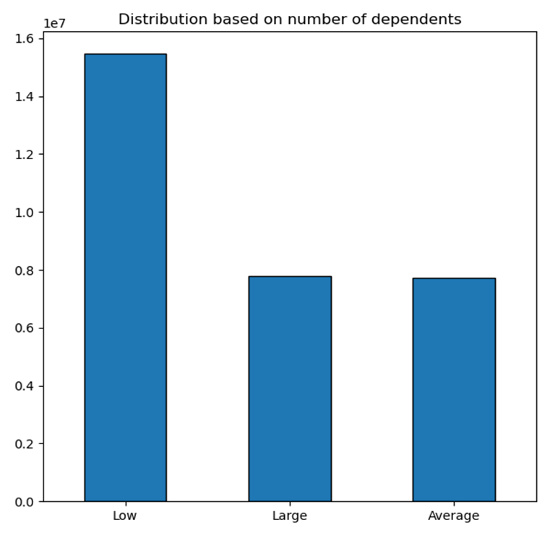

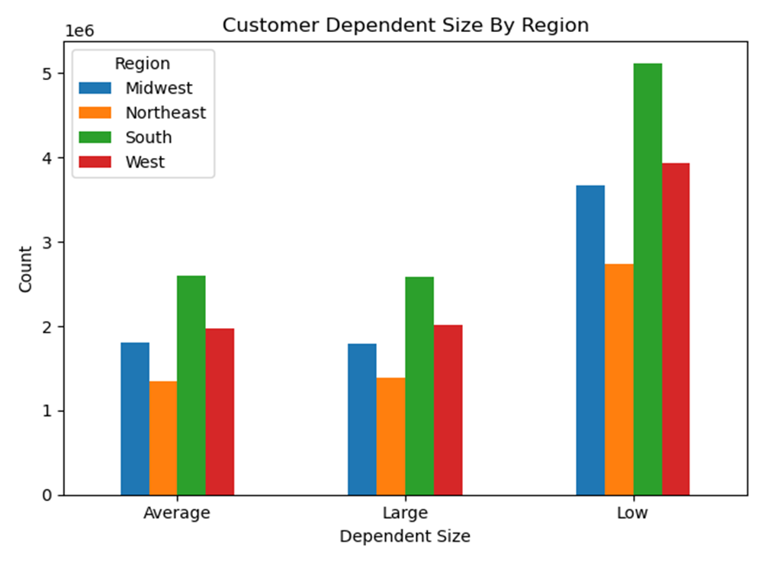

The two graphs related to customer dependent sizes reveal important insights about customers who have dependents across different regions. Here’s a detailed interpretation of each graph and recommendations for improving Instacart’s advertising and customer experience for these customer groups:
1. Customer Dependent Size by Region (Left Graph):
Low Dependent Size:
The South and West have the highest counts of customers with a low number of dependents, followed by the Midwest and Northeast.
This suggests that in these regions, a significant portion of customers might either have no dependents or a smaller family size.
Large Dependent Size:
The South also leads in customers with large dependent sizes, followed by the West, Midwest, and Northeast.
Large families are more prominent in the South and West, indicating potential for higher basket sizes or frequent purchases.
Average Dependent Size:
The count of customers with an average number of dependents is relatively balanced across all regions, though the South still shows a higher count compared to other regions.
2. Distribution Based on Number of Dependents (Right Graph):
Low Dependent Size:
The majority of Instacart’s customers fall into the low dependent size category, representing a dominant portion of the customer base.
Large and Average Dependent Sizes:
Customers with large or average dependent sizes form a smaller but still significant portion of the customer base, with similar distribution between these two groups.
Insights and Recommendations for Advertising & Customer Experience:
1. Targeting Based on Family Size:
Low Dependent Size Customers:
Since the majority of customers have a low number of dependents, targeted advertising should focus on individuals or small households. Promotions or discounts on meal kits for one or two, smaller packaged goods, or single-serve products can resonate well with these customers.
Highlight convenience, such as quick shopping or smaller basket orders, to align with their purchasing behavior.
Large Dependent Size Customers:
Families with a larger number of dependents, particularly in the South and West, should be approached with bulk-buy promotions and discounts on family-sized products like frozen goods, canned goods, and bulk household items.
Instacart could offer special promotions for back-to-school seasons, family meal plans, or large basket savings, which cater to households with higher consumption needs.
2. Regional Customization of Campaigns:
Southern and Western Regions:
Since these regions show the highest counts of both low and large dependent customers, marketing campaigns should balance between both small and large households. Consider cross-promoting family-sized products with single-serve or small-packaged items, allowing flexibility for various household sizes.
Additionally, the South is particularly a hub for families with larger dependent sizes, so extra emphasis on large family packages, family-friendly meal kits, and bulk discounts would likely drive engagement.
Northeast and Midwest:
The Midwest and Northeast have fewer large households. Here, focusing on smaller households and personalized meal solutions or smaller product sizes might yield more success. Promotions on convenience items, healthy snacks, and fresh produce could be effective.
3. Improving Customer Experience:
Custom Recommendations:
Using dependent size data, Instacart could provide personalized product recommendations based on family size. For example, large families could receive recommendations for bulk-buying deals, while smaller families might receive suggestions for single-serve or convenience products.
Family Subscription Plans:
Consider launching a family subscription or loyalty program where customers with larger dependents could subscribe to regular deliveries of high-demand products like milk, eggs, cereals, and snacks. This could ease their shopping experience and ensure they receive frequent savings.
Tailored Delivery Options:
Offering flexible delivery options for larger dependent families (e.g., weekend deliveries or multiple deliveries in a week) could enhance customer satisfaction.
Conclusion:
The analysis of these graphs suggests that Instacart has a diverse customer base in terms of family size, with a large concentration of small households but a significant presence of large families, especially in the South and West. By tailoring advertising and enhancing customer experience based on dependent size, Instacart can better cater to the specific needs of these groups, driving both engagement and sales.

Instacart: Department Sales

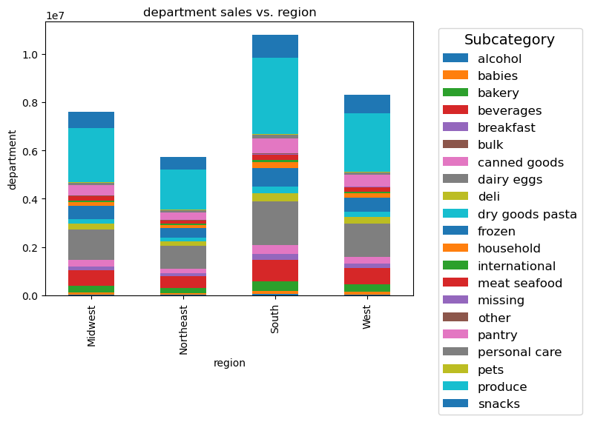
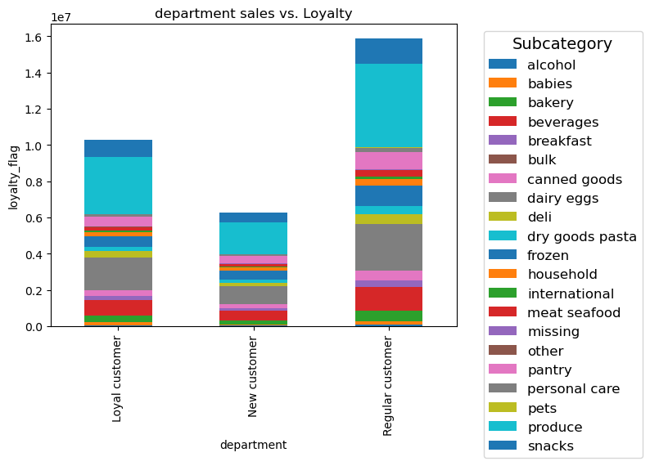

From the two graphs representing department sales vs. region (left) and department sales vs. loyalty (right), here are the key observations on customer buying behavior:
1. Department Sales vs. Region (Left Graph):
Southern Region dominates in total department sales, especially in categories like frozen, dry goods pasta, and beverages. This suggests a preference for convenience and staple items in the South.
Midwest and West have similar patterns, though the Midwest shows a slightly higher total sales, with significant sales in frozen and dairy/eggs. The West shows a diverse distribution across subcategories, with a focus on dairy/eggs, frozen, and produce.
Northeast has lower overall department sales but shows notable contributions in categories like dairy/eggs, dry goods pasta, and beverages.
Insights and Opportunities:
Tailored Marketing for the South: Since frozen and dry goods are popular, promotions focused on these categories in the Southern region could drive even higher sales.
Regional Preferences: Given the strong preference for staple items across all regions, consider emphasizing promotions for dry goods, beverages, and dairy/eggs.
Boost Northeast Engagement: Since the Northeast lags in total sales, consider campaigns or promotions to increase purchases in this region, especially for frozen goods and beverages, which seem to have some traction.
2. Department Sales vs. Loyalty (Right Graph):
Loyal customers generate the most sales overall, particularly in the frozen, dairy/eggs, and beverage categories. This suggests loyal customers frequently purchase staple items.
New customers contribute significantly less in total sales compared to loyal and regular customers, with a similar but smaller distribution across categories.
Regular customers (middle category in the graph) also show high sales, slightly lower than loyal customers but far exceeding new customers. The most popular categories for regular customers also include frozen and beverages, with noticeable sales in canned goods and dairy/eggs.
Insights and Opportunities:
Focus on Loyalty Programs: Since loyal customers make the bulk of purchases, consider expanding loyalty programs that reward frequent buyers, especially for categories like frozen and dairy/eggs.
Engage New Customers: Create initiatives or onboarding incentives (discounts, personalized offers) to move new customers towards becoming regular or loyal customers. Highlight staple categories like frozen and beverages in these promotions.
Promotions for Regular Customers: Develop targeted promotions for regular customers that encourage them to become loyal by offering exclusive discounts or rewards for frequent purchases in popular categories.
General Observations:
Frozen goods, dairy/eggs, and beverages are the most popular categories across all regions and customer loyalty segments.
Customer loyalty is directly related to higher sales volumes, with loyal and regular customers contributing the majority of purchases.
Recommendations for Service Improvements:
Segmented Marketing by Region: Tailor marketing strategies to the dominant categories in each region. For instance, the South's interest in frozen and dry goods can be leveraged with targeted promotions.
Customer Retention Focus: Build out loyalty programs that encourage regular customers to become loyal customers, focusing on frequently purchased categories like frozen and beverages.
New Customer Growth: Offer introductory promotions or incentives for new customers to increase engagement and sales, targeting staple categories that are popular across the board.
This analysis can help optimize marketing efforts, loyalty programs, and regional strategies for Instacart to enhance sales performance across all customer segments.

7. Conclusion
 | Title page

Conclusion

In this tab you should include any recommendations you would made to Instcart in terms of their marketing strategy based on the questions posed in the brief. Every key question has been covered in the Tasks of the Exercises - here you need to add an item - a visualisation or table/crosstable that is showing the answer in the data, acompanied by a comment from you. Please, list the questions below and add the answer underneath.

Conclusion Summary for Customer Insights Project – Instacart

Order Timing Insights:

Most orders are placed on weekends, particularly Sundays.
Customers generally prefer to place orders on weekdays.
Regional differences exist: the South sees the highest order volumes, especially on weekdays.
Orders placed early in the morning (1-2 AM) tend to be more expensive than those placed later in the day.

Pricing Insights:

Orders between 3 AM and 8 PM show stable pricing with minimal fluctuations.
Higher early morning prices may reflect bulk purchases, special items, or high-value transactions.

Customer Demographics Insights:

Middle-class customers dominate Instacart's user base, suggesting marketing strategies should target their preferences.
Age and income data indicate middle-aged individuals (40-60) with higher disposable income are key customers.
Regional income data points to the South and West as primary targets for growth among middle- and upper-class customers.

Family Size Insights:

Instacart's customer base includes both small households and large families, particularly in the South and West.
Advertising and customer experience strategies can be tailored to different household sizes to boost engagement.

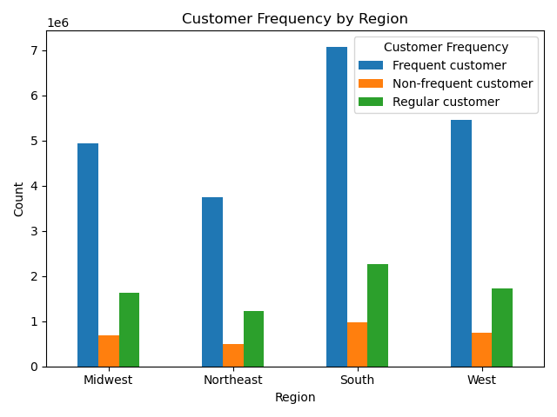

Recommendations:

Personalization: Provide personalized recommendations and discounts for middle-aged customers.
Student & Senior Programs: Introduce discounts for students and accessibility features for seniors.
Promotional Campaigns: Focus advertising on middle-aged adults, who contribute significantly to overall orders.
Subscription Model: Implement a subscription model to reward frequent customers.

Service Improvement Suggestions:

Segmented Marketing by Region: Tailor marketing efforts based on regional preferences (e.g., the South's interest in frozen and dry goods).
Customer Retention: Build loyalty programs for frequent buyers, focusing on popular categories like frozen goods and beverages.
New Customer Growth: Offer introductory promotions targeting popular staple categories to attract new users.

