Mortgage
Mortgage ranges |  |  |  |  |  |  | Version 29NOV2023 |  |  |  | https://en.wikipedia.org/wiki/Compound_interest
Principal | $300,000.00 |  |  | Payment override (y/n) |  | y | Must be higher than the estimated payments below |  |  |  | https://www.thecalculatorsite.com/finance/calculators/compound-interest-formula#time-factor
Increment | $0.00 |  |  |  | per month | $60.00 |  |  |  |  | https://www.nzmortgageandfinance.co.nz/loan-saving-tool
Interest | 5.00% |  |  |  | per fortnight | $100.00
Increment | 0.00%
Term | 30 |  | ONLY CHANGE THE YELLOW AREAS!
Years | 30
Months | 0

 |  |  |  |  |  | Refer to the Amortization tab for the detailed payment, interest, etc. breakdown over the mortgage period
 |  | Initial Payment breakdown |  |  |  | Analysis (mortgage maturity)
 | Estimated repayment ±0.1% | Interest | + Principle | + Extra | = Repayment | Payments over full term | Payments over reduced term | Full term to amortize | Estimated reduced term to amortize | Interest over full term ±0.1% | Principle + interest | Interest over reduced term ±0.1% | Interest saved over reduced term ±0.1% | Principle + interest over reduced term
Fortnight | $742.93 | $576.92 | $166.01 | -$642.93 | $100.00 | 780 | #NUM! | 30 | #NUM! | $279,487.53 | $579,487.53 | #NUM! | #NUM! | #NUM!
Monthly | $1,610.46 | $1,250.00 | $360.46 | -$1,550.46 | $60.00 | 360 | #NUM! | 30 | #NUM! | $279,767.35 | $579,767.35 | #NUM! | #NUM! | #NUM!

Fortnightly payments: principle amount vs interest amount
 | Interest | Principle
1 | $576.92 | $166.01
1 | $577.84 | $165.09
1 | $578.76 | $164.17
1 | $579.68 | $163.25
1 | $580.60 | $162.33
1 | $581.53 | $161.41
1 | $582.45 | $160.48
1 | $583.38 | $159.55
1 | $584.31 | $158.62
1 | $585.24 | $157.69
1 | $586.17 | $156.76
1 | $587.11 | $155.82
1 | $588.05 | $154.89
1 | $588.98 | $153.95
1 | $589.93 | $153.01
1 | $590.87 | $152.07
1 | $591.81 | $151.12
1 | $592.76 | $150.18
1 | $593.70 | $149.23
1 | $594.65 | $148.28
1 | $595.61 | $147.33
1 | $596.56 | $146.37
1 | $597.51 | $145.42
1 | $598.47 | $144.46
1 | $599.43 | $143.50
1 | $600.39 | $142.54
2 | $601.35 | $141.58
2 | $602.32 | $140.62
2 | $603.28 | $139.65
2 | $604.25 | $138.68
2 | $605.22 | $137.71
2 | $606.19 | $136.74
2 | $607.16 | $135.77
2 | $608.14 | $134.79
2 | $609.12 | $133.82
2 | $610.10 | $132.84
2 | $611.08 | $131.86
2 | $612.06 | $130.87
2 | $613.04 | $129.89
2 | $614.03 | $128.90
2 | $615.02 | $127.91
2 | $616.01 | $126.92
2 | $617.00 | $125.93
2 | $618.00 | $124.94
2 | $618.99 | $123.94
2 | $619.99 | $122.94
2 | $620.99 | $121.94
2 | $621.99 | $120.94
2 | $623.00 | $119.94
2 | $624.00 | $118.93
...
Projected payments per month
 | $300,000.00 | $300,000.00 | $300,000.00 | $300,000.00 | $300,000.00 | $300,000.00 | $300,000.00
5.00% | $1,610.46 | $1,610.46 | $1,610.46 | $1,610.46 | $1,610.46 | $1,610.46 | $1,610.46
5.00% | $1,610.46 | $1,610.46 | $1,610.46 | $1,610.46 | $1,610.46 | $1,610.46 | $1,610.46
5.00% | $1,610.46 | $1,610.46 | $1,610.46 | $1,610.46 | $1,610.46 | $1,610.46 | $1,610.46
5.00% | $1,610.46 | $1,610.46 | $1,610.46 | $1,610.46 | $1,610.46 | $1,610.46 | $1,610.46
5.00% | $1,610.46 | $1,610.46 | $1,610.46 | $1,610.46 | $1,610.46 | $1,610.46 | $1,610.46
5.00% | $1,610.46 | $1,610.46 | $1,610.46 | $1,610.46 | $1,610.46 | $1,610.46 | $1,610.46
5.00% | $1,610.46 | $1,610.46 | $1,610.46 | $1,610.46 | $1,610.46 | $1,610.46 | $1,610.46
5.00% | $1,610.46 | $1,610.46 | $1,610.46 | $1,610.46 | $1,610.46 | $1,610.46 | $1,610.46
5.00% | $1,610.46 | $1,610.46 | $1,610.46 | $1,610.46 | $1,610.46 | $1,610.46 | $1,610.46
5.00% | $1,610.46 | $1,610.46 | $1,610.46 | $1,610.46 | $1,610.46 | $1,610.46 | $1,610.46
5.00% | $1,610.46 | $1,610.46 | $1,610.46 | $1,610.46 | $1,610.46 | $1,610.46 | $1,610.46
5.00% | $1,610.46 | $1,610.46 | $1,610.46 | $1,610.46 | $1,610.46 | $1,610.46 | $1,610.46
5.00% | $1,610.46 | $1,610.46 | $1,610.46 | $1,610.46 | $1,610.46 | $1,610.46 | $1,610.46
5.00% | $1,610.46 | $1,610.46 | $1,610.46 | $1,610.46 | $1,610.46 | $1,610.46 | $1,610.46
5.00% | $1,610.46 | $1,610.46 | $1,610.46 | $1,610.46 | $1,610.46 | $1,610.46 | $1,610.46
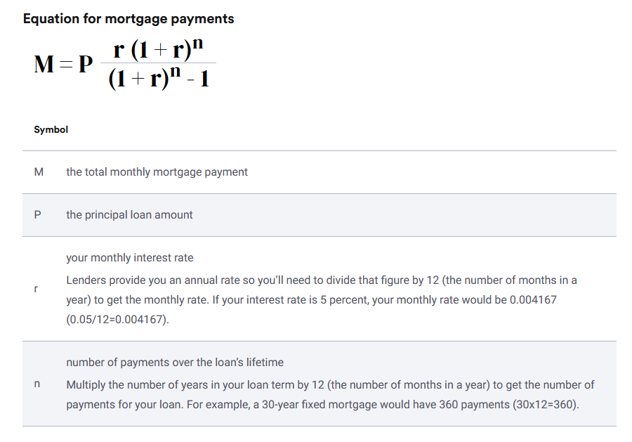
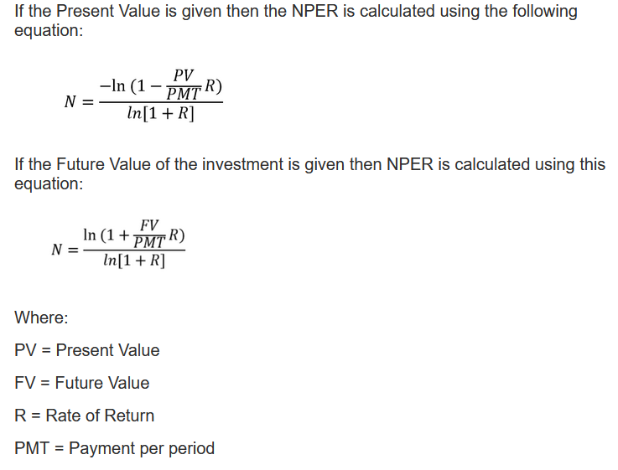
5.00% | $1,610.46 | $1,610.46 | $1,610.46 | $1,610.46 | $1,610.46 | $1,610.46 | $1,610.46

Projected payments per fortnight
 | $300,000.00 | $300,000.00 | $300,000.00 | $300,000.00 | $300,000.00 | $300,000.00 | $300,000.00
5.00% | $742.93 | $742.93 | $742.93 | $742.93 | $742.93 | $742.93 | $742.93
5.00% | $742.93 | $742.93 | $742.93 | $742.93 | $742.93 | $742.93 | $742.93
5.00% | $742.93 | $742.93 | $742.93 | $742.93 | $742.93 | $742.93 | $742.93
5.00% | $742.93 | $742.93 | $742.93 | $742.93 | $742.93 | $742.93 | $742.93
5.00% | $742.93 | $742.93 | $742.93 | $742.93 | $742.93 | $742.93 | $742.93
5.00% | $742.93 | $742.93 | $742.93 | $742.93 | $742.93 | $742.93 | $742.93
5.00% | $742.93 | $742.93 | $742.93 | $742.93 | $742.93 | $742.93 | $742.93
5.00% | $742.93 | $742.93 | $742.93 | $742.93 | $742.93 | $742.93 | $742.93
5.00% | $742.93 | $742.93 | $742.93 | $742.93 | $742.93 | $742.93 | $742.93
5.00% | $742.93 | $742.93 | $742.93 | $742.93 | $742.93 | $742.93 | $742.93
5.00% | $742.93 | $742.93 | $742.93 | $742.93 | $742.93 | $742.93 | $742.93
5.00% | $742.93 | $742.93 | $742.93 | $742.93 | $742.93 | $742.93 | $742.93
5.00% | $742.93 | $742.93 | $742.93 | $742.93 | $742.93 | $742.93 | $742.93
5.00% | $742.93 | $742.93 | $742.93 | $742.93 | $742.93 | $742.93 | $742.93
5.00% | $742.93 | $742.93 | $742.93 | $742.93 | $742.93 | $742.93 | $742.93
5.00% | $742.93 | $742.93 | $742.93 | $742.93 | $742.93 | $742.93 | $742.93

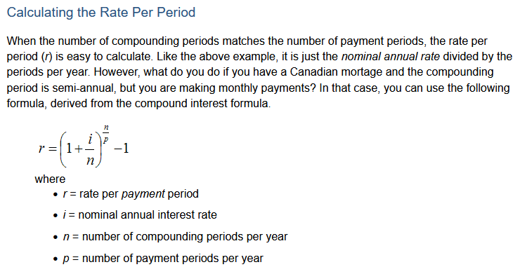
Monthly example
Transactions
Date | 2024-01-01 | 2026-01-01 | 2028-01-01 | 2030-01-01
Pmonthly | $100,000.00 | $93,872.00 | $87,410.00 | $79,598.00
Pfortnighty | $100,000.00 | ? | ? | ?
I | 5.00 | 5.50 | 4.50 | 4.00
T | 20.00 | 18.00 | 16.00 | 14.00
eXtra_monthly | $900.00 | $900.00 | $900.00 | $900.00
eXtra_fortnight | $1,800.00 | $1,800.00 | $1,800.00 | $1,800.00
Costs

## Initial mortgage establishment
date at the establishment of the mortgage (month of the first payment)
principle |  | $100,000.00
term |  | 25/30years
interest |  | $0.07
extra costs |  | [insurance, est. fee, additions to the house]
deposit |  | $10,000.00

### for planning
- range of prinicples, variable increment up to 10 increments e.g. 10K
- range of interests, variable increment up to 10 increments e.g 0.1%

## After mortgage in progress - transactions where terms of payments change
## change in fixed/float period non 80/20 split mortgage
- date of the transaction - DD/MM/YYYY
- current principle at the time of the change
- interest fixed or floating at the time of change
- current remaining term years/months at the time of change
- extra payment at the time of change (the amount I WANT to pay each pay period)

[user] -|-----0< [mortgage] -|-------1< [transactions]
Jack - 30yr mortgage - 12 transactions (every 2 years, he refixes the mortgage)

24years (12 transactions * 2years) 6 years left of the original term

