Figure
species | chewstandardized | min_standardized | total_standardized | Name (checked) | Family
BER_ZEY | 9.2028393792 | 6.4209016462 | 15.623741025 | Berchemia zeyheri (Sond.) Grubov. | Rhamnaceae
CEL_AFR | 13.693986842 | 0.97169325982 | 14.665680102 | Celtis africana Burm.f. | Celtidaceae
ZIZ_MUC | 8.9289843106 | 5.0375835543 | 13.966567865 | Ziziphus mucronata Willd. | Rhamnaceae
DRY_ARG | 8.855330541 | 4.3394200151 | 13.194750556 | Drypetes arguta (MÃ¼ll.Arg.) Hutch. | Euphorbiaceae
DOM_ROT | 6.2172776774 | 5.9413357935 | 12.158613471 | Dombeya rotundifolia (Hochst.) Planch. | Sterculiaceae
RHU_PEN | 6.7984998012 | 4.4519676913 | 11.250467492 | Rhus pentheri Zahlbr. | Anacardiaceae
COR_CAF | 8.6875009981 | 2.464450979 | 11.151951977 | Cordia caffra Sond. | Boraginaceae
SID_INE | 5.5822600795 | 3.8206026246 | 9.4028627041 | Sideroxylon inerme L. | Sapotaceae
SCO_ZEY | 7.0626243651 | 1.7250697862 | 8.7876941513 | Scolopia zeyheri (Nees) Harv. | Flacourtiaceae
GRE_FLA | 6.2331815123 | 2.0142886545 | 8.2474701668 | Grewia flavescens Juss. | Tiliaceae
GYM_MAR | 5.7156011685 | 2.3884884766 | 8.1040896451 | Gymnosporia senegalensis (Lam.) Loes. | Celastraceae
GYM_HAR | 6.5338951498 | 1.2569721807 | 7.7908673305 | Gymnosporia harveyana Loes. | Celastraceae
COM_MOL | 4.3317968527 | 3.1652133511 | 7.4970102038 | Combretum molle R.Br. ex G.Don | Combretaceae
BER_LUC | 6.4440551379 | 1.0402225442 | 7.4842776821 | Bersama lucens (Hochst.) Szyszyl. | Melianthaceae
DIO_SIM | 4.9790930201 | 1.937976976 | 6.9170699961 | Diospyros simii (Kuntze) De Winter | Ebenaceae
SCH_BRA | 5.5754738725 | 1.2231690266 | 6.7986428991 | Schotia brachypetala Sond. | Fabaceae
ENG_NAT | 4.7870748463 | 1.9696006028 | 6.7566754491 | Englerophytum natalense (Sond.) T.D.Penn | Sapotaceae
KRA_FLO | 4.3705980842 | 1.901680235 | 6.2722783191 | Kraussia floribunda Harv. | Rubiaceae
SCU_MYR | 4.6948650556 | 1.4022697136 | 6.0971347692 | Scutia myrtina (Brum.f.) Kurz | Rhamnaceae
ACA_GER | 0 | 5.846976278 | 5.846976278 | Acacia gerrardii Benth. | Fabaceae
DIC_CIN | 5.4263660718 | 0.25015596521 | 5.676522037 | Dichrostachys cinerea (L.) Wight & Arn. ssp nyassana Taub. | Fabaceae
RAW_LUC | 5.1277738917 | 0.47628694435 | 5.6040608361 | Rawsonia lucida Harv. & Sond. | Flacourtiaceae
SCL_BIR | 3.0938762483 | 2.0816537045 | 5.1755299528 | Sclerocarya birrea (A.Rich.) Hochst. | Anacardiaceae
GYM_BUX | 3.7599050677 | 1.3814909821 | 5.1413960497 | Gymnosporia buxifolia (L.) Szyszyl. | Celastraceae
PLE_ARM | 3.3655959878 | 1.6702878219 | 5.0358838097 | Plectroniella armata (K.Schum.) Robyns | Rubiaceae
ERY_EMA | 4.5599219767 | 0.36752252805 | 4.9274445048 | Erythroxylum emarginatum Thonn. | Erythroxylaceae
EUC_NAT | 4.5102848763 | 0.15618509108 | 4.6664699674 | Euclea natalensis A.DC. ssp. natalensis Hiern | Ebenaceae
TAR_CAM | 4.0421238452 | 0.59221915523 | 4.6343430005 | Tarchonanthus camphoratus L. | Asteraceae
CHA_ARI | 3.2386697668 | 1.3289027561 | 4.5675725228 | Chaetacme aristata Planch. | Celtidaceae
ACA_KAR | 4.3148781317 | 0.041655836149 | 4.3565339678 | Acacia karroo Hayne | Fabaceae
CAN_INE | 3.5453922278 | 0.03753896708 | 3.5829311949 | Canthium inerme (L.f.) Kuntze | Rubiaceae
ACA_NIG | 2.5182895157 | 0.82545324831 | 3.343742764 | Acacia nigrescens Oliv. | Fabaceae
EUC_DIV | 2.1824084508 | 1.1207362316 | 3.3031446823 | Euclea divinorum Hiern | Ebenaceae
EUC_RAC | 2.1671905788 | 1.0292534087 | 3.1964439875 | Euclea racemosa Murray | Ebenaceae
ACA_NIL | 2.4439241531 | 0.63121459128 | 3.0751387444 | Acacia nilotica (L.) Willd. ex Delile | Fabaceae
BRA_ILL | 1.7478345006 | 1.2467747881 | 2.9946092886 | Brachylaena ilicifolia (Lam.) E.Phillips & Schweick. | Asteraceae
HIP_PAU | 1.7828003099 | 1.0688998293 | 2.8517001391 | Hippobromus pauciflorus (L.f.) Radlk. | Sapindaceae
ACA_GRA | 1.165108606 | 1.4916139676 | 2.6567225735 | Acacia grandicornuta Gerstner | Fabaceae
ACA_ROB | 2.2166694574 | 0.10304099744 | 2.3197104548 | Acacia robusta (Burch.) subsp. Robusta | Fabaceae
ACA_BUR | 1.5092995696 | 0.57719348877 | 2.0864930583 | Acacia burkei Benth. | Fabaceae
ACA_CAF | 0.1159722079 | 1.8787497681 | 1.994721976 | Acacia caffra (Thunb.) Willd. | Fabaceae
DIO_DIC | 1.5051271968 | 0.46024858414 | 1.9653757809 | Diospyros dichrophylla (Gand.) De Winter | Ebenaceae
DIO_NAT | 0.96602064653 | 0.97261301371 | 1.9386336602 | Diospyros natalensis (Harv.) Brenan | Ebenaceae
ORM_TRI | 1.4312427478 | 0.45704602182 | 1.8882887696 | Ormocarpum trichocarpum (Taub.) Engl. | Fabaceae
TAR_PAV | 1.4319213246 | 0.41370578742 | 1.845627112 | Tarenna pavetoides (Harv.) Sim | Rubiaceae
OLE_EUR | 0.84883611009 | 0.03748700179 | 0.88632311188 | Olea europaea L. ssp africana Mill. | Oleaceae
ZAN_CAP | 0.41832357454 | 0.15280082663 | 0.57112440116 | Zanthoxylum capense (Thunb.) Harv. | Rutaceae
SPI_AFR | 0.28746359629 | 0.24662197367 | 0.53408556996 | Spirostachys africana Sond. | Euphorbiaceae

Data for potential explanations
species | total_perc | BiteSizeIndex | C | P_Elsenburg | N_Elsenburg | CN_ratio | CT | LDMC_leaf | SLA | NormanI | Explanation | Note | This if Figure from Tristan - about herbivory by mammals
BER_ZEY | 15.623741025 | 1.551 | 42.94 | 0.15 | 1.75 | 15.17 | 1.396648291 | 0.336283186 | 15.5635192 | 13.04167585 |  |  | We have to ask what the colours mean and try to use them to explain the herbivory
CEL_AFR | 14.665680102 | 1.04 | 37.49 | 0.18 | 2.81 | 12.5 | 0.030411658 | 0.239302694 | 26.12674994 | 17.41479417 | Low CT
ZIZ_MUC | 13.966567865 | 0.422 | 42.85 | 0.2 | 2.4 | 16.41 | 0.405452734 | 0.274074074 | 17.78530952 | 14.82727363 | Low CT
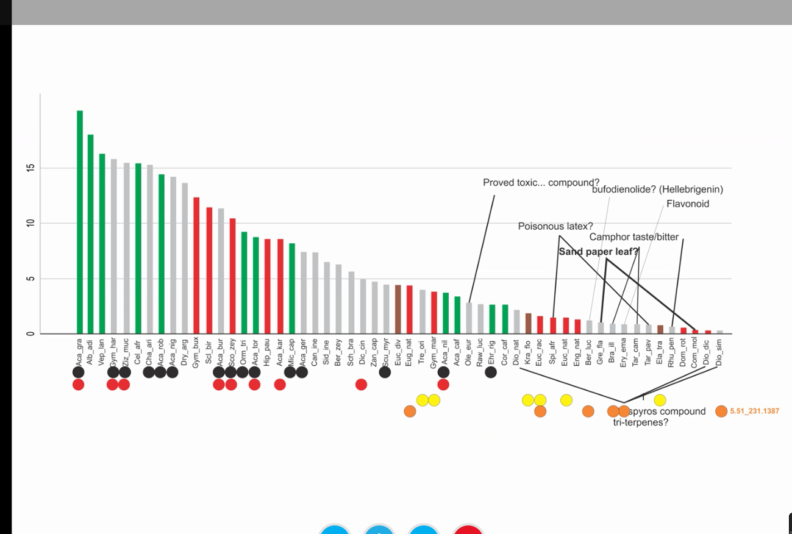
DRY_ARG | 13.194750556 | 0.985 | 44.35 | 0.14 | 2.15 | 18.78 | 0.287412119 | 0.402527076 | 13.60195705 | 13.38629394 | Low CT
DOM_ROT | 12.158613471 | 1.162 | 43.55 | 0.16 | 1.76 | 22.43 | 4.727958857 | 0.330708661 | 11.07562182 | 8.736020572 |  | This species is not eaten by mammals - very low herbivory by them, but the highest herbivory by insect
RHU_PEN | 11.250467492 | 0.793 | 45.04 | 0.15 | 1.94 | 21.11 | 0.113348631 | 0.303191489 | 13.64392308 | 12.15332568 | Low CT
COR_CAF | 11.151951977 | 1.436 | 39.88 | 0.3 | 2.86 | 13.1 | 0.061127163 | 0.205387205 | 25.4332282 | 17.66943642 | Low CT
SID_INE | 9.4028627041 | 2.751 | 45.76 | 0.12 | 1.99 | 21.13 | 0.303349312 | 0.34765625 | 8.661987099 | 12.32832534 | Low CT
SCO_ZEY | 8.7876941513 | 0.361 | 42.29 | 0.09 | 1.36 | 27.88 | 0.813653625 | 0.289473684 | 16.8635242 | 8.233173188
GRE_FLA | 8.2474701668 | 0.78 | 43 | 0.19 | 2.45 | 16.19 | 1.001273986 | 0.382113821 | 20.59875 | 14.82936301
GYM_MAR | 8.1040896451 | 1.233 | 42.88 | 0.15 | 1.4 | 28.95 | 3.566951502 | 0.289230769 | 8.133336774 | 6.856524249
GYM_HAR | 7.7908673305 | 0.396 | 38.06 | 0.17 | 2.38 | 15.15 | 1.366512231 | 0.270114943 | 13.68183333 | 13.98674388
COM_MOL | 7.4970102038 | 1.721 | 46.11 | 0.16 | 1.75 | 23.7 | 5.244845778 | 0.428691983 | 7.958688336 | 8.477577111
BER_LUC | 7.4842776821 | 3.828 | 42.57 | 0.15 | 2.56 | 23.25 | 1.287980559 | 0.364952381 | 13.20036737 | 12.52600972
DIO_SIM | 6.9170699961 | 0.469 | 43.77 | 0.16 | 2.1 | 18.83 | 0.796999391 | 0.293333333 | 22.724 | 12.8615003 |  | Tri-terpene compounds according to Tristan
SCH_BRA | 6.7986428991 | 2.176 | 48.13 | 0.2 | 1.86 | 23.54 | 1.824014539 | 0.398958826 | 9.097348668 | 10.78799273
ENG_NAT | 6.7566754491 | 2.25 | 45.84 | 0.1 | 1.68 | 24.89 | 1.65931311 | 0.443859649 | 11.96956634 | 9.730343445
KRA_FLO | 6.2722783191 | 1.998 | 46.2 | 0.14 | 1.5 | 29.16 | 14.20687212 | 0.351432881 | 10.6774091 | 2.13656394
SCU_MYR | 6.0971347692 | 0.343 | 43.18 | 0.12 | 2.08 | 19.32 | 3.208161766 | 0.417670683 | 10.96880422 | 11.32591912
ACA_GER | 5.846976278 | 0.382 | 47.14 | 0.17 | 2.26 | 16.83 | 1.313307047 | 0.404063205 | 10.31366315 | 14.52334648
DIC_CIN | 5.676522037 | 0.89 | 48.76 | 0.14 | 2.24 | 19.4 | 3.961548683 | 0.37322695 | 11.34492251 | 12.26922566
RAW_LUC | 5.6040608361 | 1.515 | 42.11 | 0.09 | 1.95 | 20 | 3.57327178 | 0.384263495 | 9.811771848 | 10.39336411
SCL_BIR | 5.1755299528 | 3.373 | 43 | 0.12 | 1.39 | 27.97 | 0.711627495 | 0.28501827 | 9.674050687 | 8.434186253
GYM_BUX | 5.1413960497 | 1.025 | 40.61 | 0.1 | 1.39 | 26.06 | 3.653144138 | 0.277361319 | 8.084241236 | 7.023427931
PLE_ARM | 5.0358838097 | 0.158 | 43.26 | 0.13 | 1.4 | 28.34 | 0.339458016 | 0.37012987 | 14.20440476 | 8.620270992
ERY_EMA | 4.9274445048 | 0.691 | 41.85 | 0.1 | 2 | 19.19 | 1.036173613 | 0.367678495 | 13.9877711 | 12.02191319
EUC_NAT | 4.6664699674 | 2.616 | 49.07 | 0.1 | 1.56 | 38.49 | 3.067412241 | 0.493656286 | 6.503502075 | 6.95629388
TAR_CAM | 4.6343430005 | 0.864 | 45.34 | 0.2 | 2.14 | 20.09 | 1.59382764 | 0.33125 | 16.15370635 | 12.40308618 |  | Tastes bitter according to Tristan
CHA_ARI | 4.5675725228 | 0.322 | 38.05 | 0.17 | 2.38 | 14.86 | 0.040148688 | 0.282467532 | 14.30149751 | 14.79992566
ACA_KAR | 4.3565339678 | 0.545 | 48.52 | 0.12 | 2.09 | 22.47 | 6.035331063 | 0.370422535 | 10.0720372 | 9.732334469
CAN_INE | 3.5829311949 | 1.01 | 45.38 | 0.16 | 2.25 | 18.58 | 0.079313758 | 0.241264559 | 21.09232497 | 14.03034312
ACA_NIG | 3.343742764 | 0.408 | 44.33 | 0.15 | 2.32 | 17.71 | 4.225630652 | 0.444256757 | 9.529784241 | 12.34718467
EUC_DIV | 3.3031446823 | 1.322 | 47.2 | 0.1 | 1.04 | 41.52 | 3.182510312 | 0.469072165 | 6.341392799 | 4.948744844 | High LDMC
EUC_RAC | 3.1964439875 | 1.524 | 46.66 | 0.13 | 1.24 | 35.43 | 3.383597835 | 0.431972789 | 6.412802841 | 5.988201083
ACA_NIL | 3.0751387444 | 0.212 | 49.5 | 0.19 | 2.51 | 17.75 | 0.88310593 | 0.368263473 | 14.56208225 | 15.45844704
BRA_ILL | 2.9946092886 | 1.555 | 44.39 | 0.17 | 1.27 | 21.26 | 0.079052082 | 0.412650602 | 12.27957339 | 10.04047396
HIP_PAU | 2.8517001391 | 1.423 | 46.06 | 0.2 | 1.84 | 22.39 | 5.006341768 | 0.34204793 | 14.66934313 | 9.196829116
ACA_GRA | 2.6567225735 | 0.197 | 47.28 | 0.17 | 2.61 | 16.37 | 0.339632184 | 0.452898551 | 8.717572819 | 16.33018391 | High LDMC | Eaten well by mammals (1.) but not by insect
ACA_ROB | 2.3197104548 | 0.419 | 46.36 | 0.21 | 2.58 | 16.86 | 1.526158354 | 0.398913043 | 8.964269711 | 15.22692082
ACA_BUR | 2.0864930583 | 0.349 | 47.57 | 0.14 | 2.31 | 18.85 | 5.788531265 | 0.366956522 | 12.22472354 | 11.59573437
ACA_CAF | 1.994721976 | 1.542 | 49.14 | 0.16 | 2.83 | 15.68 | 3.382337253 | 0.395926844 | 11.98204288 | 16.18883137
DIO_DIC | 1.9653757809 | 1.281 | 46.61 | 0.13 | 1.58 | 27.14 | 0.345096236 | 0.349315068 | 9.933357143 | 9.727451882 | Low CT | Tri-terpene compounds
DIO_NAT | 1.9386336602 | 0.423 | 44.13 | 0.13 | 2 | 20.09 | 1.237750476 | 0.333333333 | 21.69666667 | 11.98112476 | Low CT | Tri-terpene compounds
ORM_TRI | 1.8882887696 | 0.403 | 42.24 | 0.19 | 2.68 | 14.42 | 0.081864801 | 0.306122449 | 12.3225 | 16.7890676 | Low N, low CN ratio
TAR_PAV | 1.845627112 | 2.557 | 43.84 | 0.17 | 2.33 | 16.93 | 1.384743681 | 0.222286374 | 16.74118304 | 14.06762816 | Low CT
OLE_EUR | 0.88632311188 | 1.083 | 47.45 | 0.15 | 1.63 | 26.53 | 0.039246911 | 0.444444444 | 11.85616667 | 10.24037654 | High LDMC
ZAN_CAP | 0.57112440116 | 0.471 | 41.64 | 0.15 | 1.92 | 19.23 | 0.054886814 | 0.304428044 | 13.17430738 | 12.24255659 | Low CT
SPI_AFR | 0.53408556996 | 0.58 | 42.34 | 0.26 | 1.56 | 25.06 | 0.337091827 | 0.484536082 | 12.59883333 | 9.581454087 | High LDMC | Poisonous latex? Not eaten by mammals, the least eaten by insect

