Лист1
Preconditions: User is on the https://userinyerface.com/ website

Id | Summary | Description | Steps to reproduce | Reproducibility | Severity | Priority | Symptom | Wokraround | Additional inf | Attachments | Requirements ID | Expected Result | Actual Result
BR_001 | Start button on the main page is unclickable and has a name "NO" | User can't go to the mext page by clicking start button. Also, this is a wrong name for this button | 1. Press a big green start button to start | Always | Major | High | unfriendly behavior | To go to the next page, you need to click HERE in the message "Please click HERE to GO to the next page" below the start button | As I can see in devtools, green start button doesn't have a link for enter to the next page. | 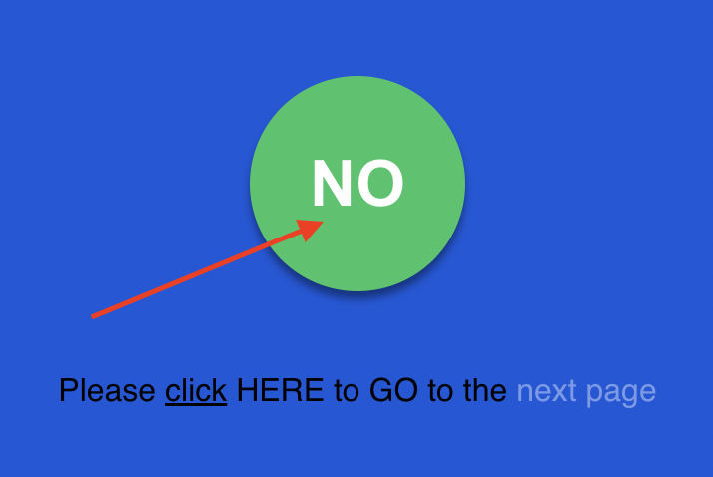 | R_2.12 | 1. User see start button "Start" and goes to the next page after clicking on the start button | 1. User see start button, but it's named "NO" and after user click the button nothing happends
BR_002 | Cookies button "Yes" is not working | User cannot click "Yes" and refuse cookies | Preconditions: user passed main page and now is on the page with login form. User hadn't agreed with cookies before. 1. Press "Yes" on the cookies form to refuse cookies | Always | Minor | Normal | variance from spec | It is not necessary to accept or refuse cookies, user can choose nothing |  | 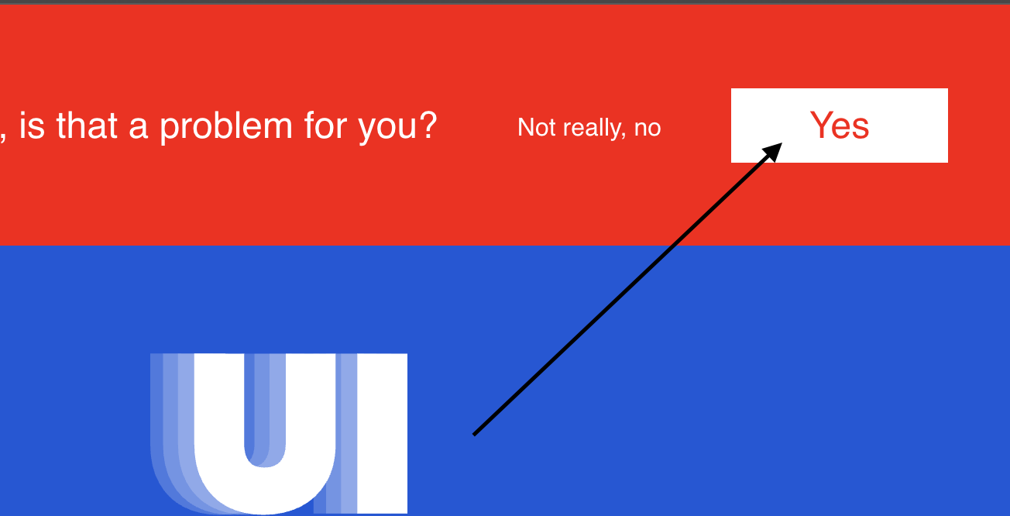 | R_6.1 | 1. Cookies are refused after clicking Yes | 1. Button "Yes" is not clickable
BR_003 | Placeholders don't disappear after user begin to enter values in the fields in login form | Placeholders don't disappear after user begin to enter values in the Password, Mail and Domain fields | Preconditions: user passed main page and now is on the page with login form. 1. Enter value in the Password field 2. Enter value in the Mail field 3. Enter value in the Domain field | Always | Major | High | unfriendly behavior | User can delete placeholders manually |  | 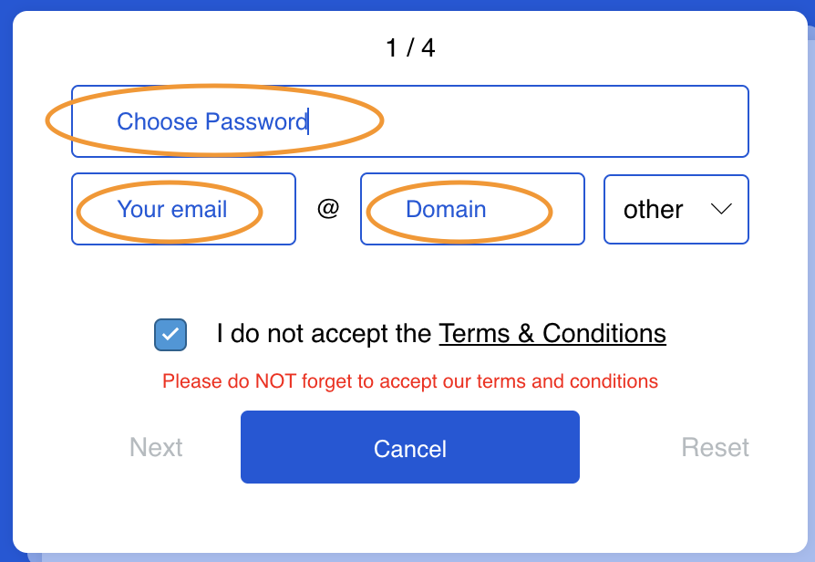 | R_8.2 | 1-3. Placeholders disappear from fields, after user begins enter values | 1-3. Placeholders do not disappear, user is forced to delete them manual
BR_004 | Message "Your password is not unsafe" after entering valid value to the password field | When user enter valid values based on the recommendations under the login form, the system displays the message "Your password is not unsafe" and highlight it by red color. Incorect feature realisation? | Preconditions: user passed main page and now is on the page with login form. 1. Fill field "Mail' by valid values 2. Enter a valid value to the Password field (based on the recomendation - 10 chatacters, 1 capital letter, 1 numeral, 1 letter of your email and 1 cyrillic character) | Always | Medium | High | unexpected behavior |  | The system allows user to go next down the flow, despite this message. But this message literally tells the user that if he follows the recommendations below, he will make a mistake. | 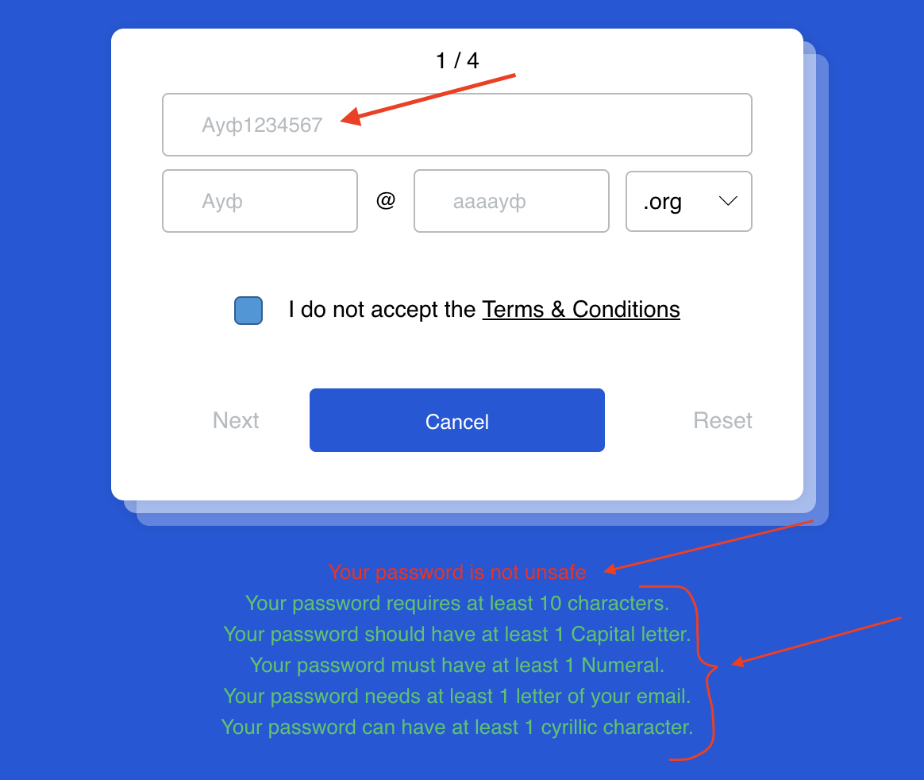 | R_5.5 | 1. Values were entered 2. Valid value was entered, system says that it's good value/password | 1. Values were entered 2. Valid value was entered, system says "Your password is not unsafe"
BR_005 | There is no button "Exit" in Terms&Conditions form. | When user open the Terms&Condition form, there is no Exit button, there is only "Accept" button - so user cannot refuse Terms&Conditions if he got to this form | Preconditions: user passed main page and now is on the page with login form. 1. Click "Terms&Conditions" 2. Try to exit form without clicking Accept | Always | Major | High | missing feature |  | At the right side will be a prototype that could be implemented (pic 1) | 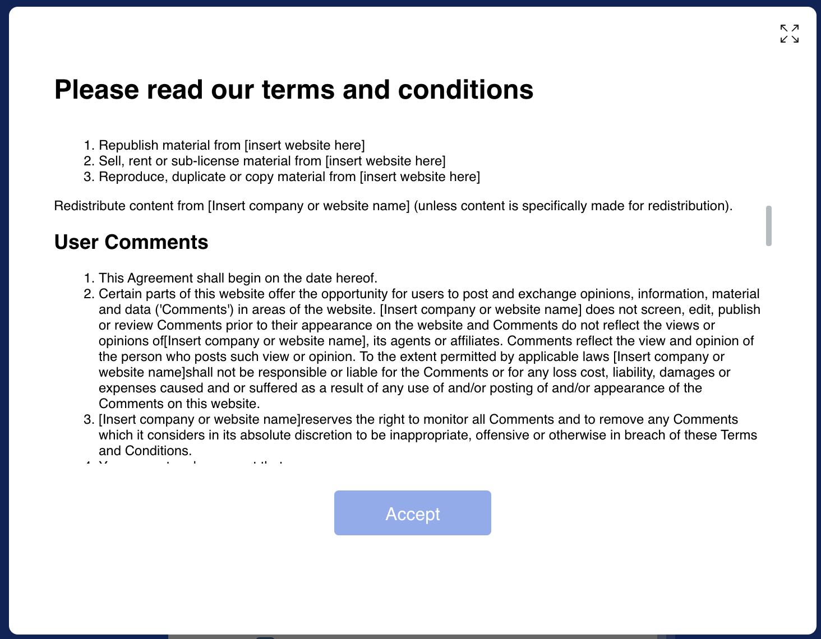 | R_8.1 | 1. Terms&Conditions form opened 2. User can press Exit/Close to return back without accept | 1. Terms&Conditions form opened 2. User cannot press Exit/Close to return back without accept, because there is no such functional | pic 1 -> | 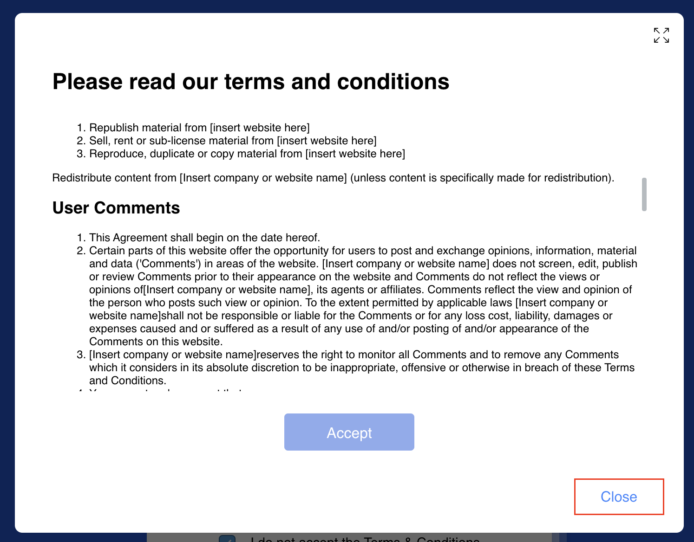
BR_006 | Profile page. Checkbox "Unselect all" is checked, when user check Select all | When user check "Select all", checkbox "Unselect all" is also checked. This checkbox (Unselect all) must be implemented as a separate option (button) or not be in a heap with other checkboxes in this category. Also, it would not be affected by checkbox "Select all" | Preconditions: user passed main page, login page and now is on the page with Profile information 1. Check "Unselect all" 2. Check "Select all" | Always | Minor | Low | cosmetic flaw/ enhancement |  |  | 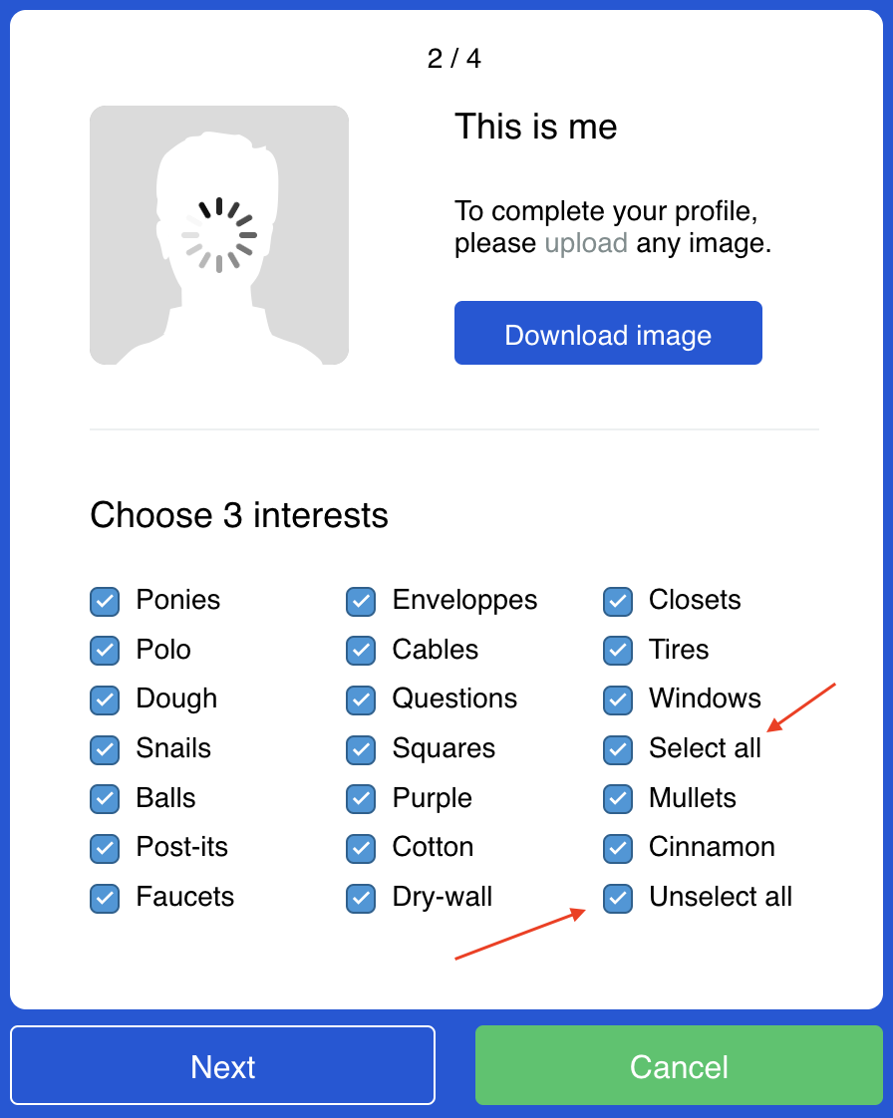 |  | 1. All checkboxes are unselected 2. All checkboxes, except Unselect all, are selected | 1. All checkboxes are unselected 2. All checkboxes are selected
BR_007 | Personal details. Incorrect error "Gender and title don't match" when user choose "Mr" in Title and "Male" in Gender. | When user enter all valid values in other fields (including "Mr" in Title and "Male" in Gender), there is incorrect error "Gender and title don't match". Incorrect error repeats in cases when user choose "Mrs" in Title and "Female" in Gender. | Preconditions: user passed main page, login page, profile information page and now is on the page with Personal details 1. Enter valid values to all fields in personal details 2. Click Next | Always | Critical | ASAP | incorrect operation | User must choose Mr in Title and Female in Gender (or Mrs in Title and Male in Gender) to continue. |  | 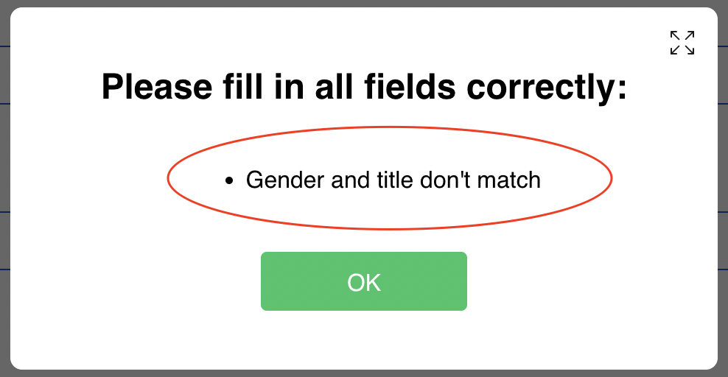 | R_10.3 | 1. Fields are filled 2. User goes to the next page with captcha | 1. Fields are filled 2. Pop-up with error appears
BR_008 | Personal details. Age line doesn't display age on its slider while user move slider along the line | The current age doesn't display on the slider according to the position of the slider on the scroll line, while user move slider along the line | Preconditions: user passed main page, login page, profile information page and now is on the page with Personal details 1. Move the slider along the line and pay attention to the number on the slider | Always | Medium | Normal | unfriendly behavior |  | The user should be able to see the number he is looking for. The way it works now is very inconvenient | 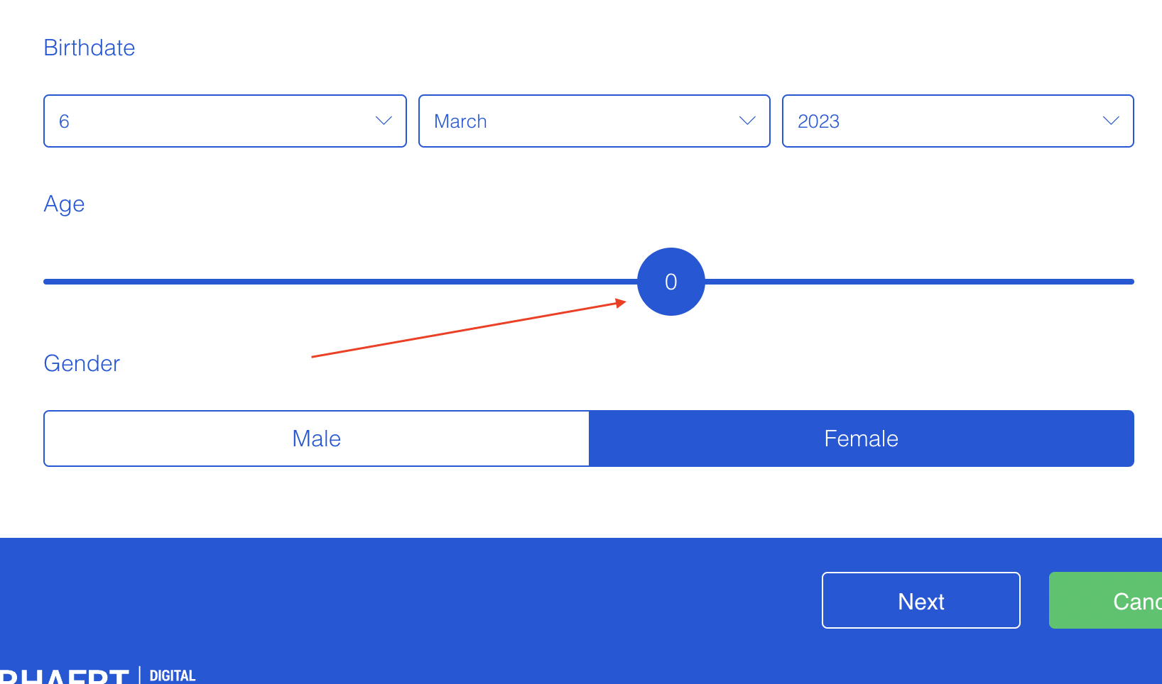 | R_10.14 | 1. The current number is visible on the slider, when user move the slider | 1. The current number is not visible on the slider, when user move the slider
BR_009 | Captcha. There is no visible scroll. Some checkboxes are not displayed on the capture form until user make scroll. | All top checkboxes are not displayed on the captcha form until user make scroll. And there is no visible scroll, so it's not obious for user that he must scroll to find that checkboxes (and that they even exist) | Preconditions: user passed main page, login page, profile information, personal details page and now is on the page with Captcha 1. Pass the captcha - check all checkboxes | Always | Medium | High | unfriendly/unexpected behavior |  | When user will be on this page for the first time, he will not be aware of the existence of the top checkboxes, so we need to make them obvious | 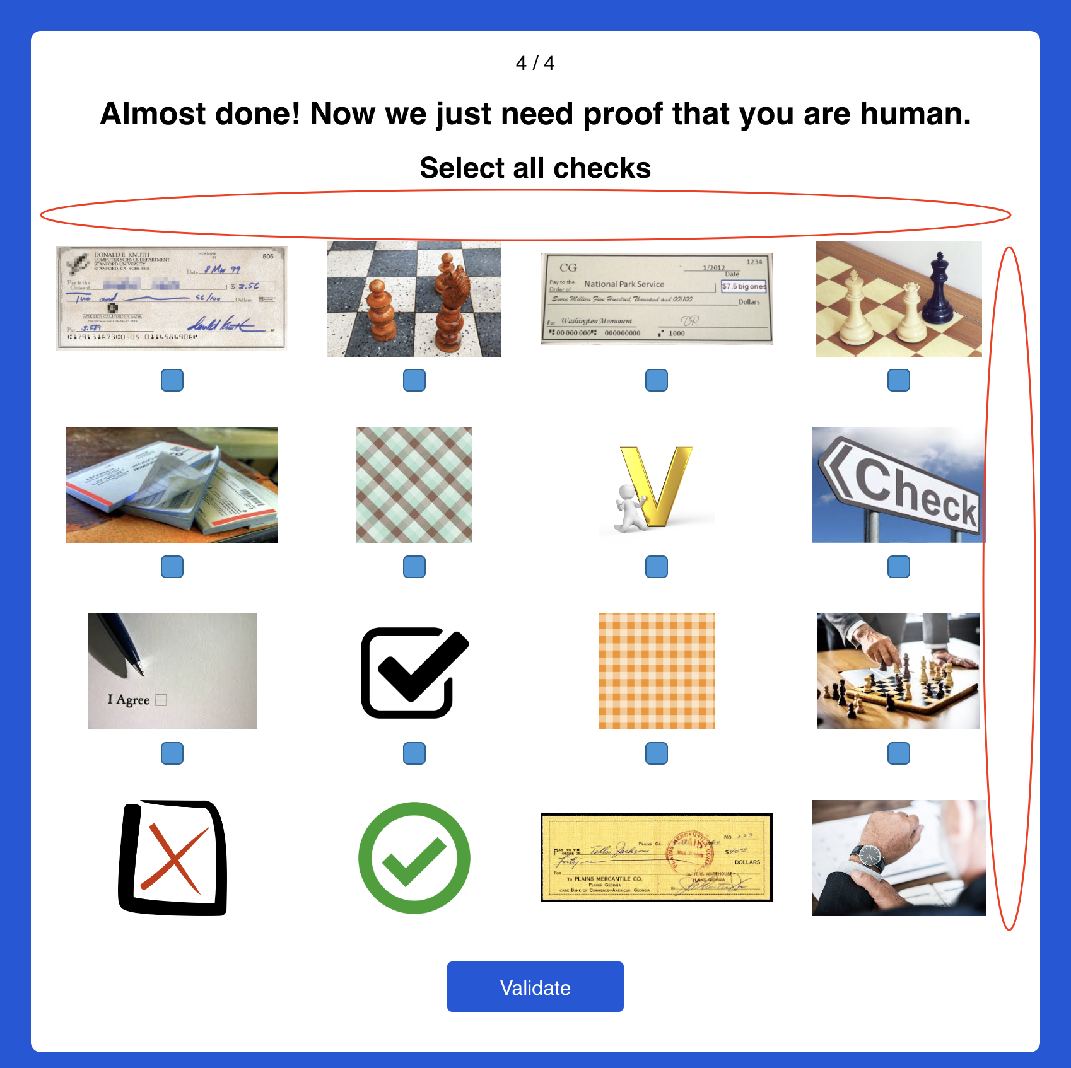 | R_13.2 | 1. User has the opportunity to see and check all checkboxes | 1. User doesn't see top checkboxes and has no obvious opportunity to check all checkboxes

