Sheet1
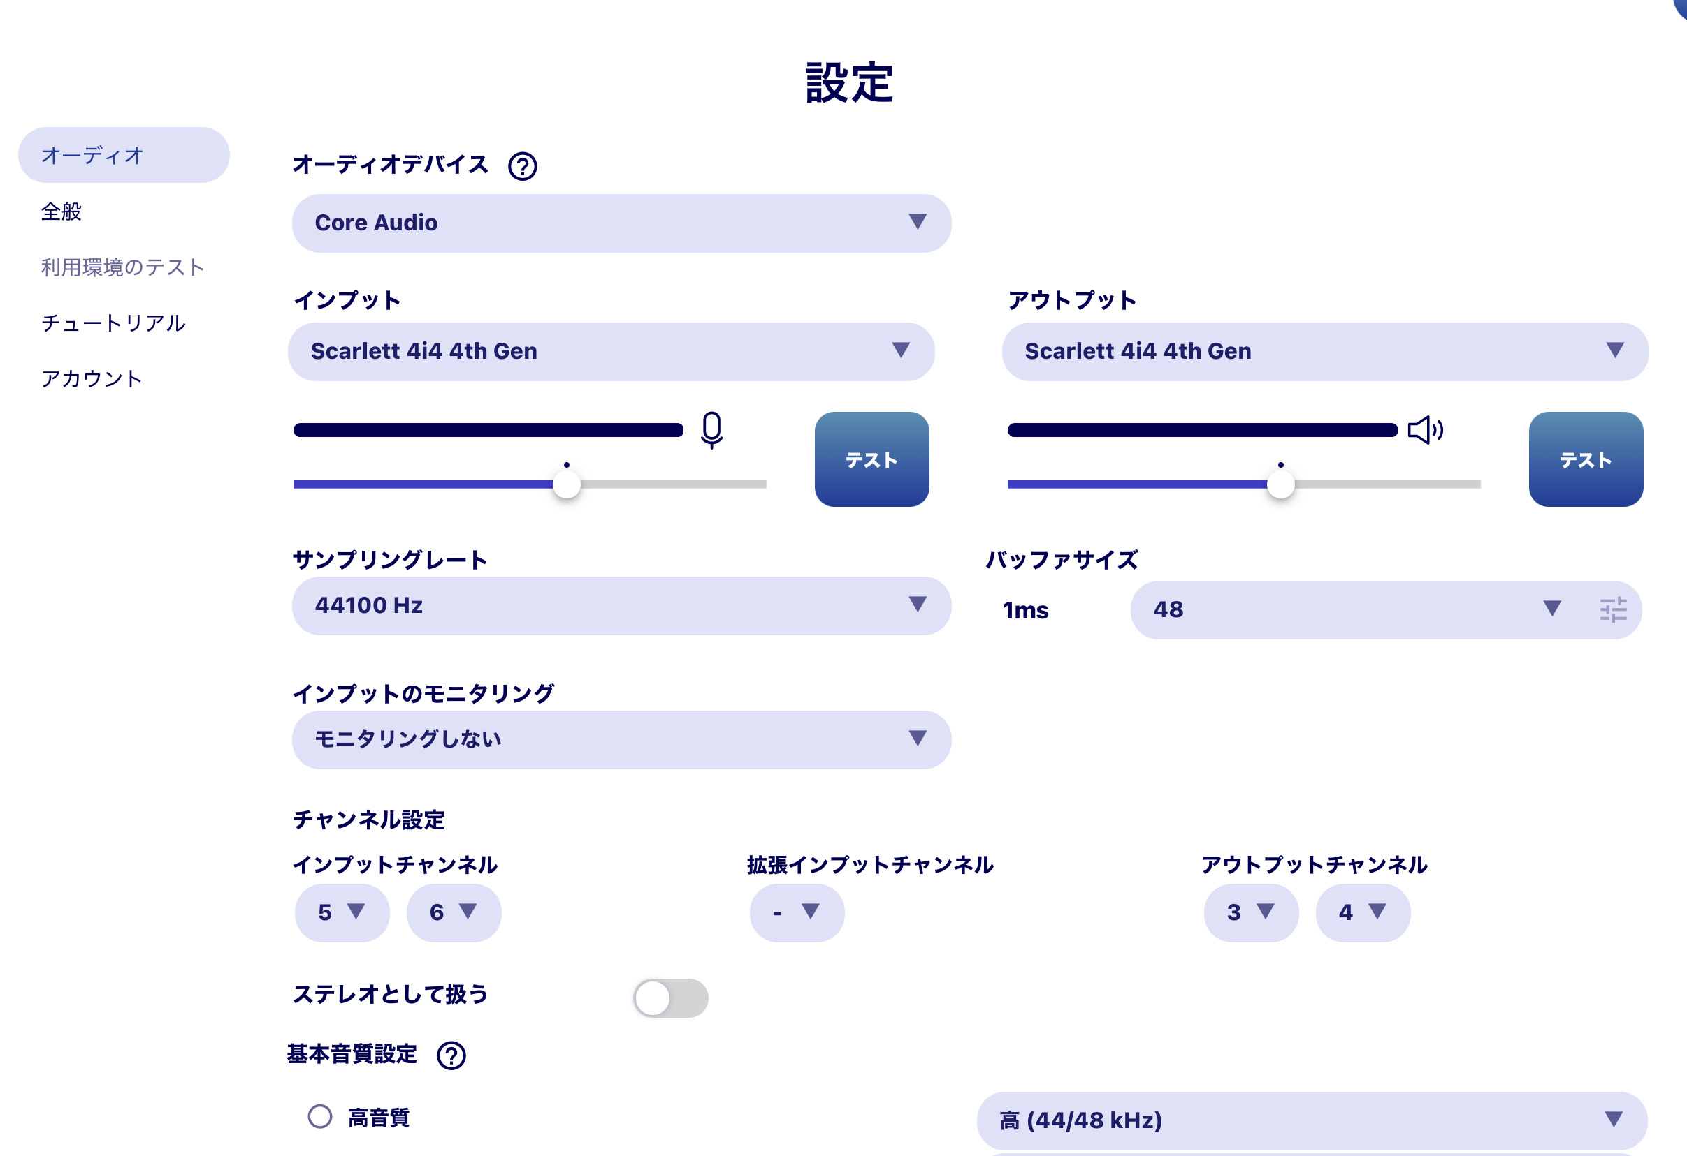
配線図 |  |  |  |  |  | FISHMAN
 |  | Finger DRUM |  |  |  | AMP
 |  | | | | |  | | |  | |
 |  | a3 | a4 |  | 1 |  | 2
 | Forcusrite 4i4 |  |  |  |  | OUT |  |  |  |  | Digtal | 5
 |  |  |  | MixB |  |  |  | MixA |  |  | OUT | 6

 |  | a1 | a2 | p1 |  | p2 |  |  | p3 |  | p4
 |  | | | | | | | ↑ | | |  |  | | | ↑ | |
 |  | Guitar | Mic | | |  | | |  |  | | |  | |
 |  |  |  | | | ↑ | | |  |  | | | ↑ | | |  |  | ↓
 |  |  |  | 1 |  | 2 |  |  | 3 |  | 4 |  | 5 | 6
 |  |  |  |  | OUT |  |  |  | OUT |  |  |  | IN
 |  |  |  | Music |  |  |  |  | YAMAHA
 |  |  |  |  |  |  |  |  | SYNCROOM2

