Main Flow
Main Flow (プロジャック流れ） |  | Yadanar Thike |  |  |  |  | Create Date | 2022-05-17
 |  |  |  |  |  |  | Update Date | 2022-05-17

Explanation of Project
プロジャックの説明

(プロジャック流れ）

 | Path： | Admin |  |  | Path： | User
Start
Start

User Panal
Login

Have account?
Cart
Search Box
Categories
Home
Author
Login/Reg
User Profile
Register
 |  |  | No

by Category
Categories Lists
Books View
Authors Details
Change Image

by Author
Authors Lists
Change Name
Click Book
 |  |  |  | Yes
Admin Panel
by Name
Change Phone No

Book Info
Author Info
Dashboard
Community
Order Info
User Info
Admin Setting
Book Description
Change Address

Have Account?
 |  |  |  |  |  |  | No
Order History
Add Items
Book List
Author List
Add
Update
Delete
Total Viewer
Total Reg User
Order & Sales
Review & Rating
View from contacts
Today Order
Order Detail Table
View
-user name
-phone no
-address
-email
- Category Add/Update/Delete
- Logo Change
- favicon Change
- Slider Change
- Welcome Text
- Website info (phone,address,email,...)
- Guide Change
- Service Change
- PP Change
- FAQ Add/Update
- Generate Redemm Code -(Minior)
- Delivery Control -(Minior)
 |  |  |  |  |  |  |  | Yes

Review & Rating
Add to Cart

Complete

Show Cart
Buy

Footer

Guide
Delivery Control
Shop List
Policy & Pravicy
Services

Shop by States

Screen Design


Screen Design (画面設計） | Yadanar Thike |  |  |  |  |  |  |  | Create Date | 2022-05-17
 |  |  |  |  |  |  |  |  | Update Date | 2022-05-17

Admin
Screen Name ： |  | Login | Screen Name ： |  | Dashboard |  | Screen Name ： |  | Author List
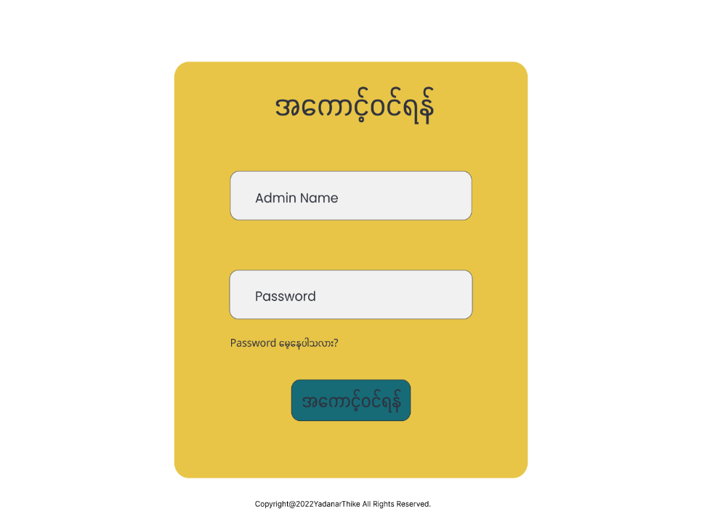
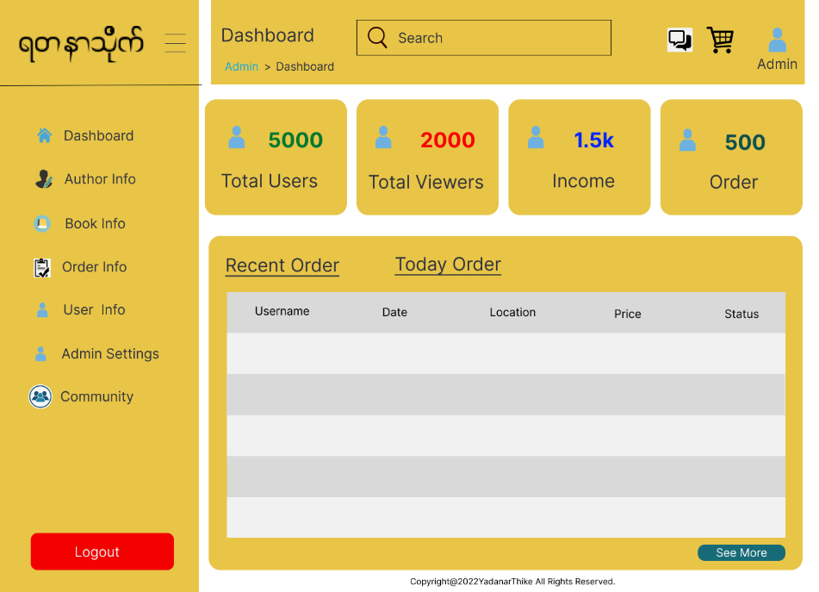
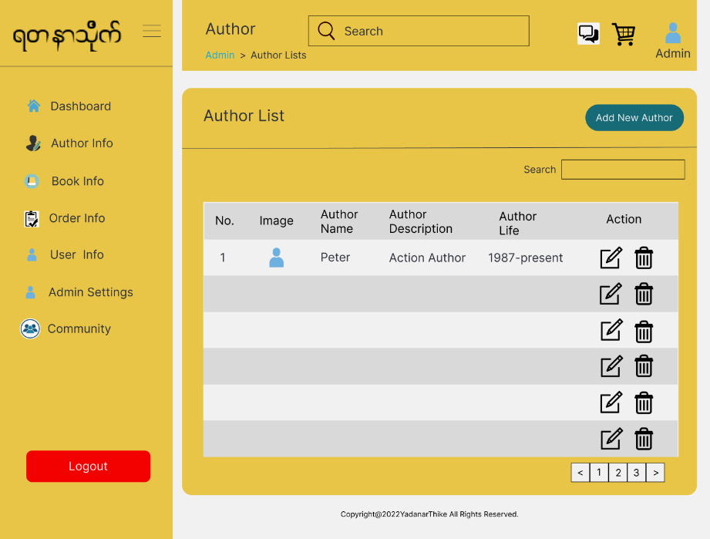

Screen Name ： |  | Author Add | Screen Name ： |  | Book List |  | Screen Name ： |  | Book Add
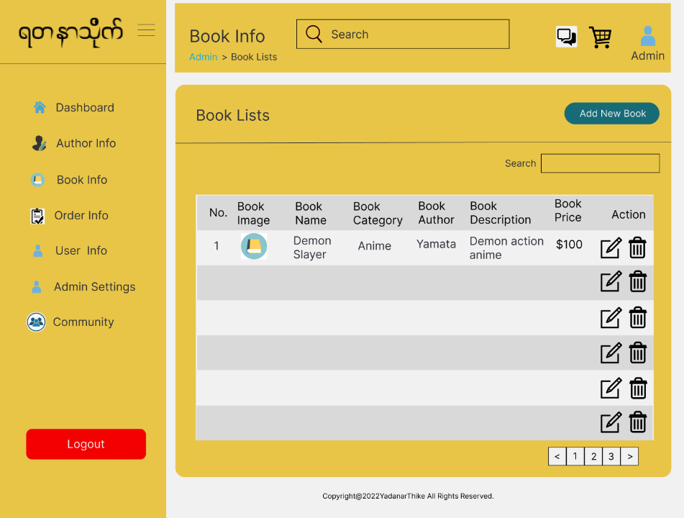
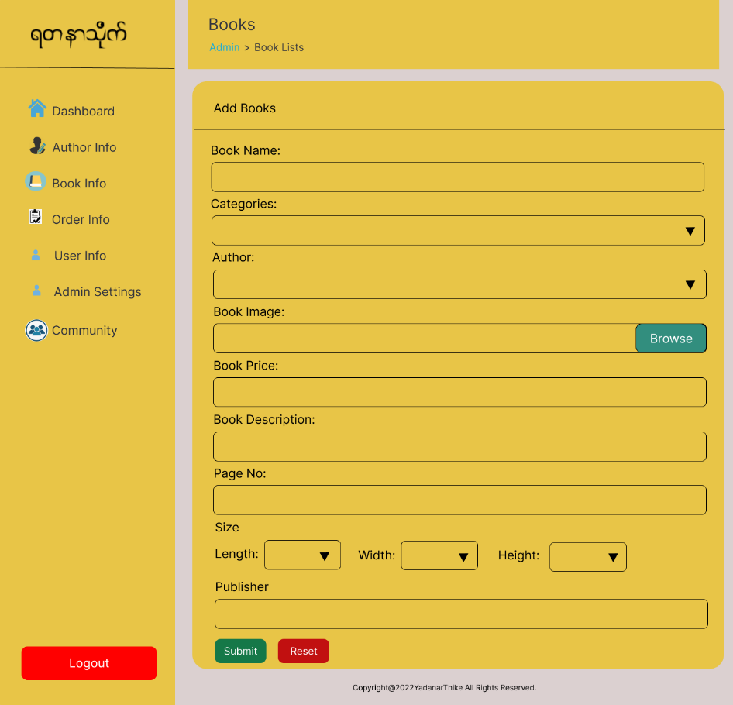
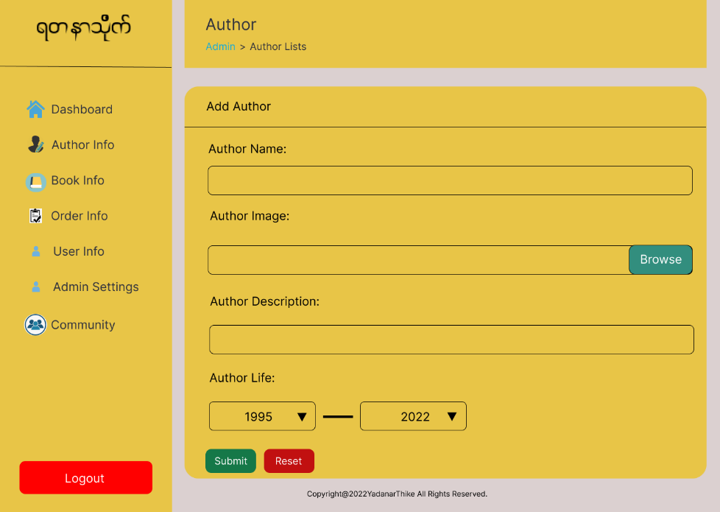

Screen Name ： |  | Order Info | Screen Name ： |  | User Info |  | Screen Name ： |  | Admin Settings
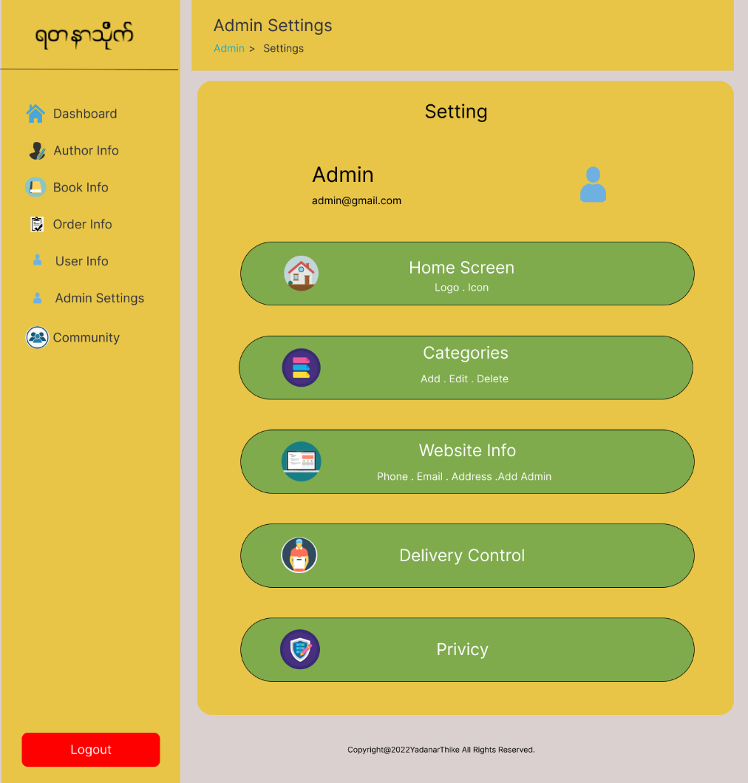
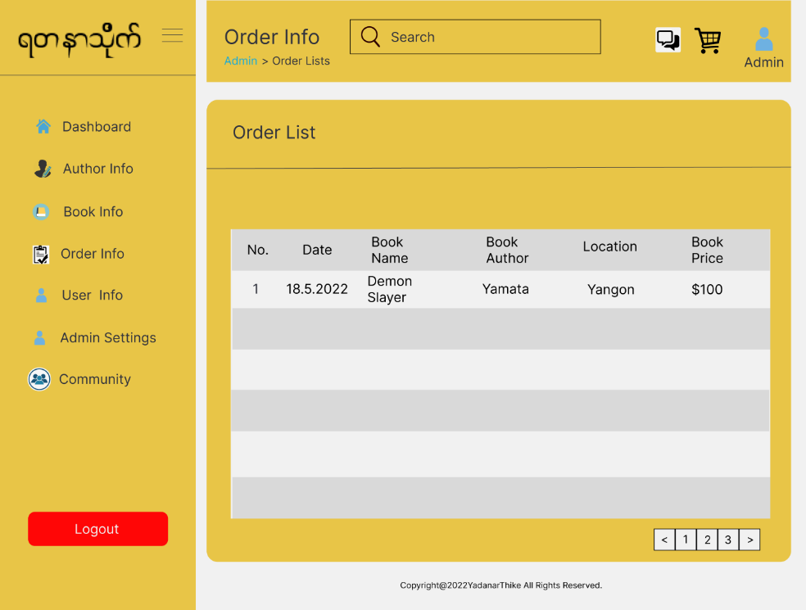
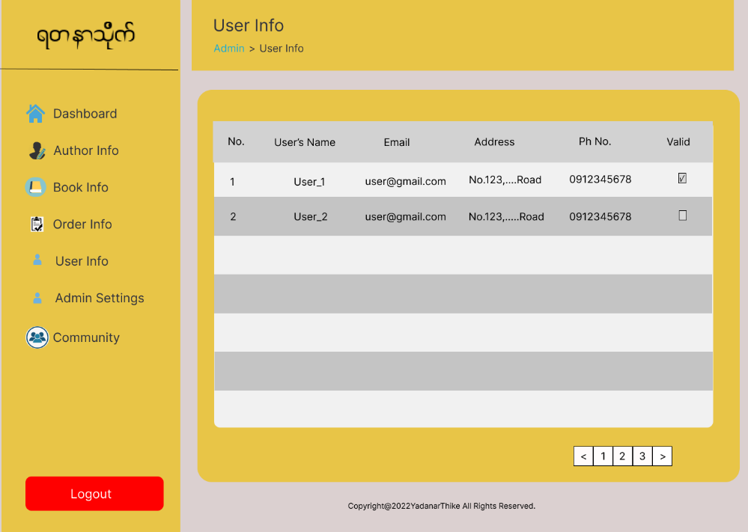

Screen Name ： |  | Home Screen | Screen Name ： |  | Categories List |  | Screen Name ： |  | Categories Add

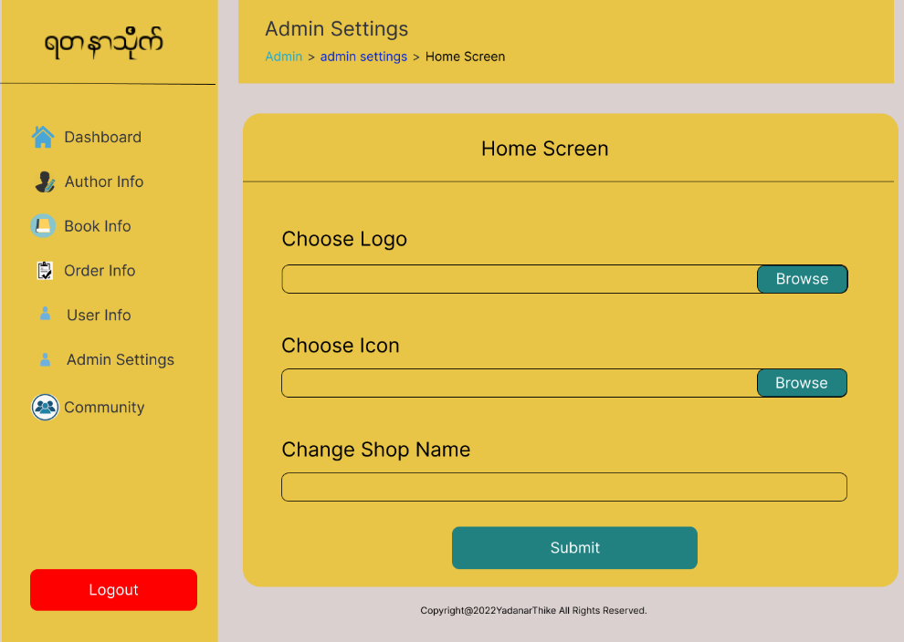
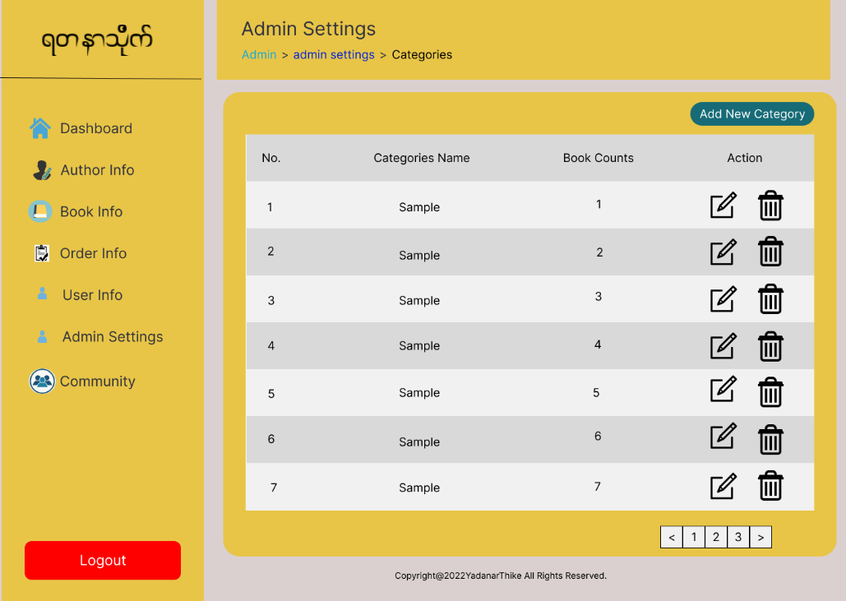
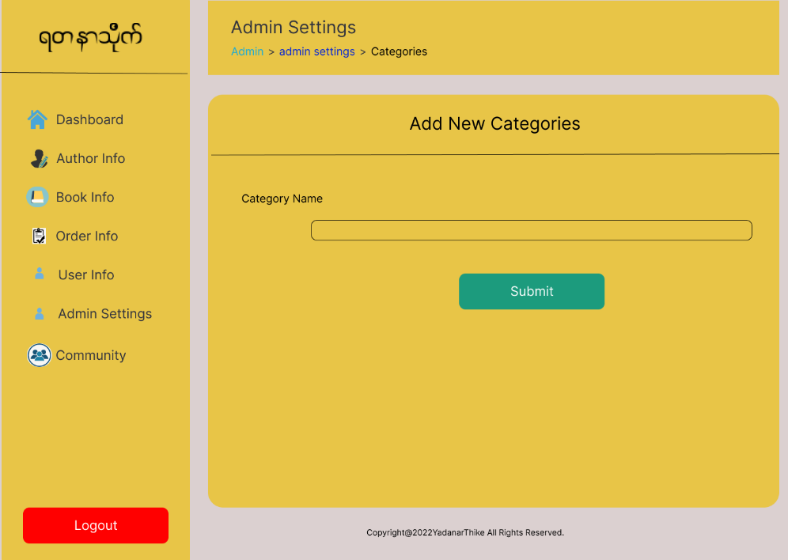

Screen Name ： |  | Contact Edit | Screen Name ： |  | Add Admin |  | Screen Name ： |  | Slide Change List
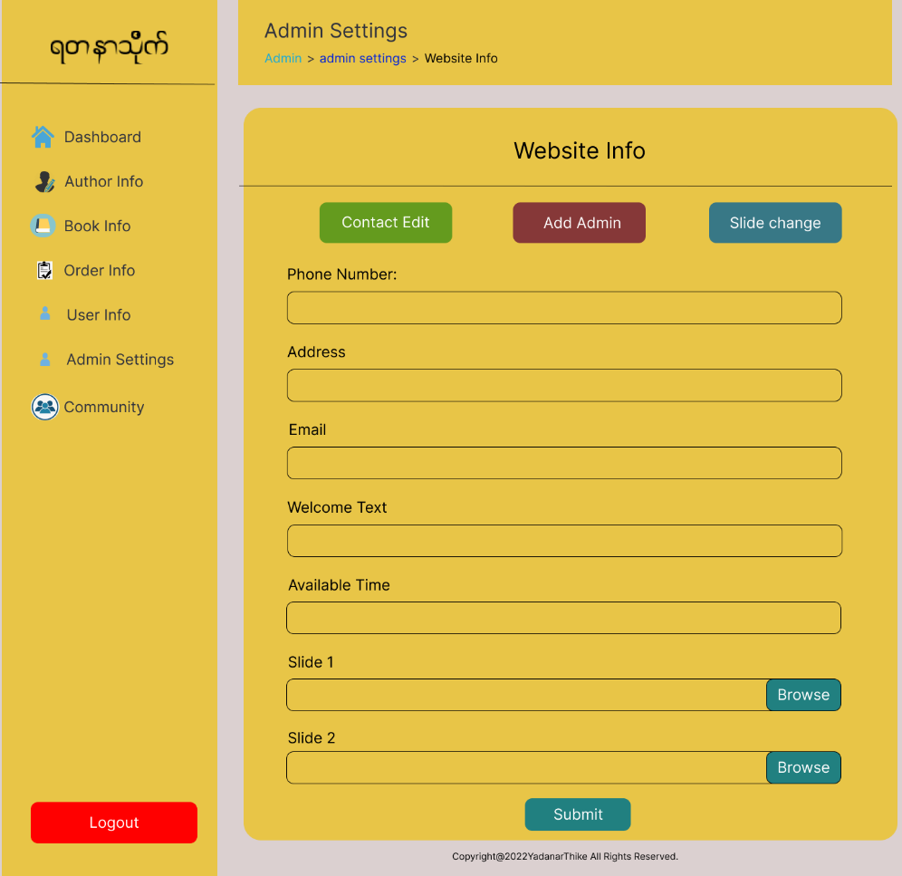
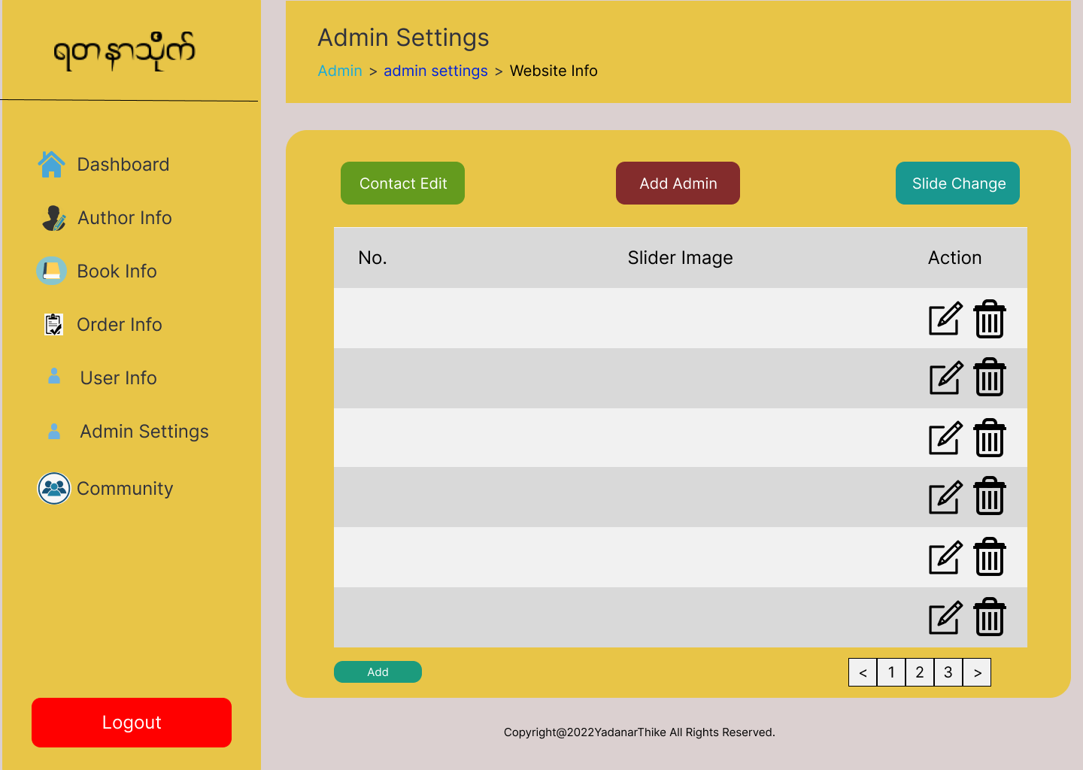
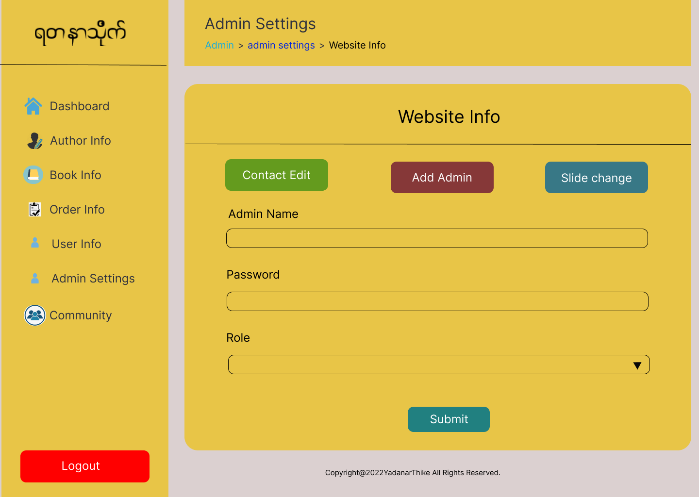

Screen Name ： |  | Slide Change Add | Screen Name ： |  | Privacy&policy List |  | Screen Name ： |  | Privacy&policy Add

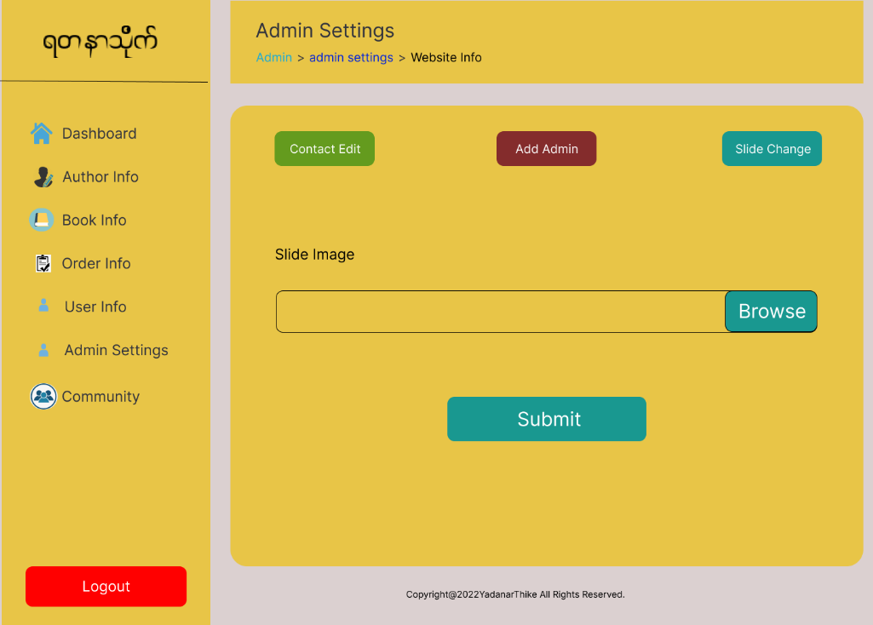
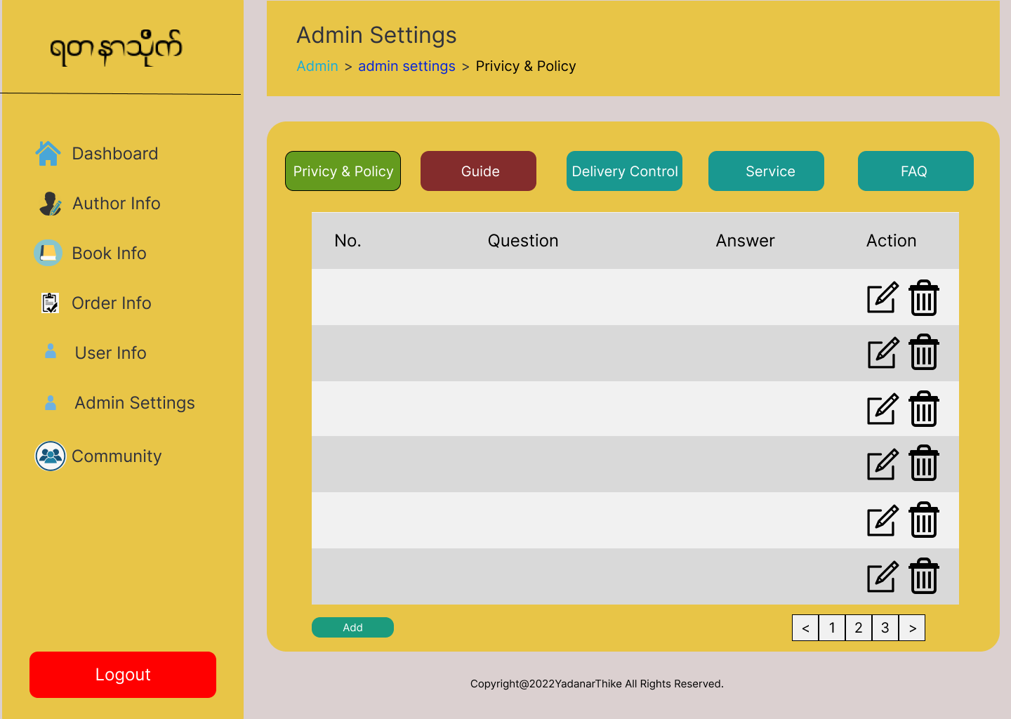
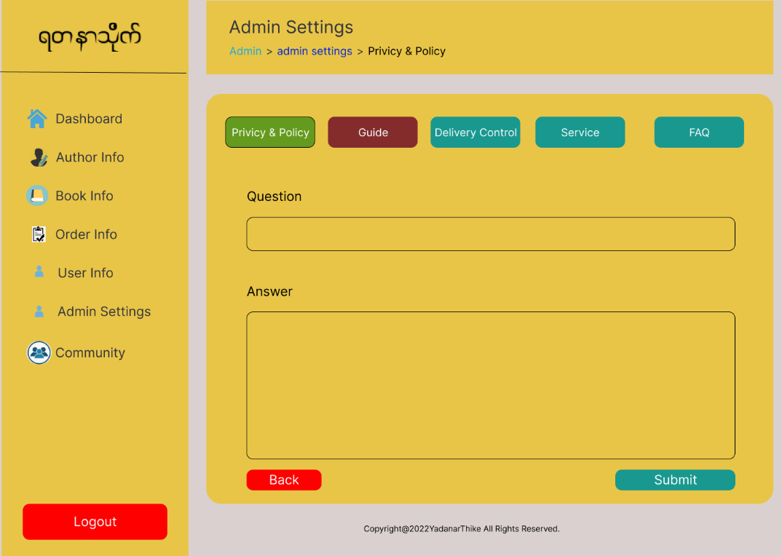

Screen Name ： |  | Guide List | Screen Name ： |  | Guide Add |  | Screen Name ： |  | DeliveryControl List
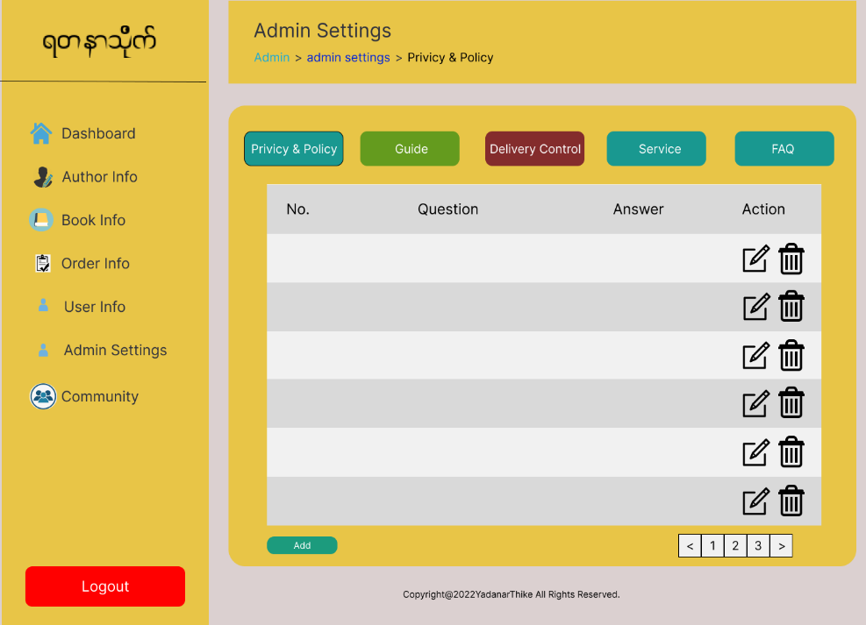

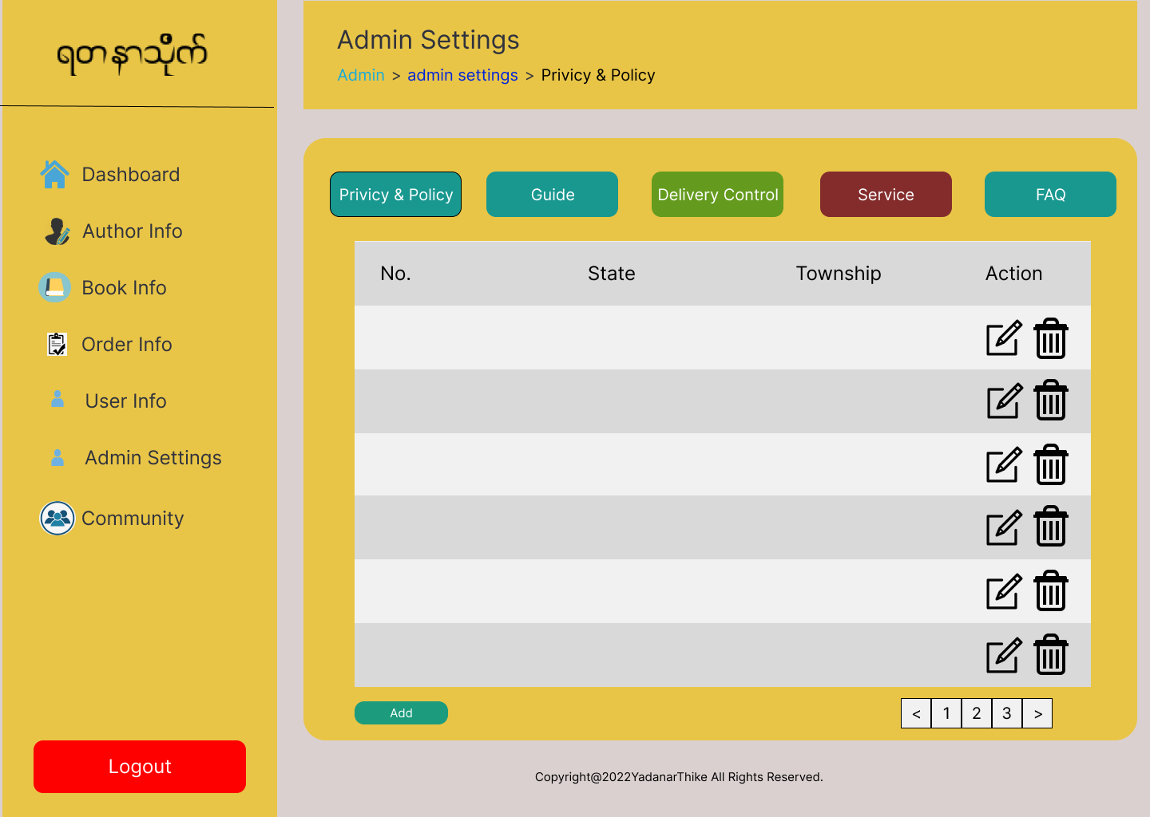

Screen Name ： |  | DeliveryControl Add | Screen Name ： |  | Service List |  | Screen Name ： |  | Service Add

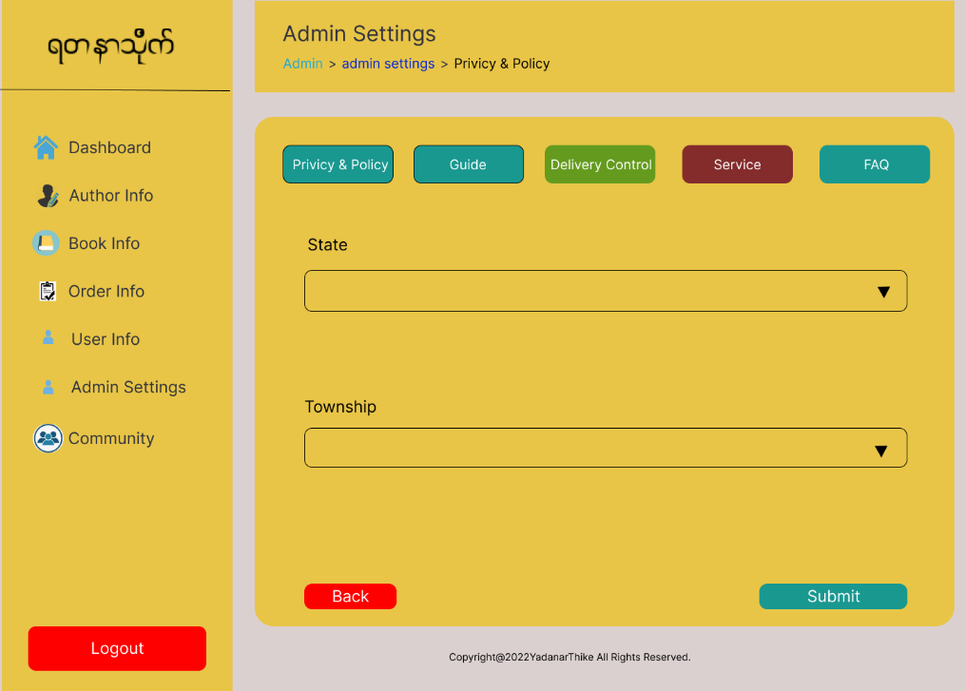
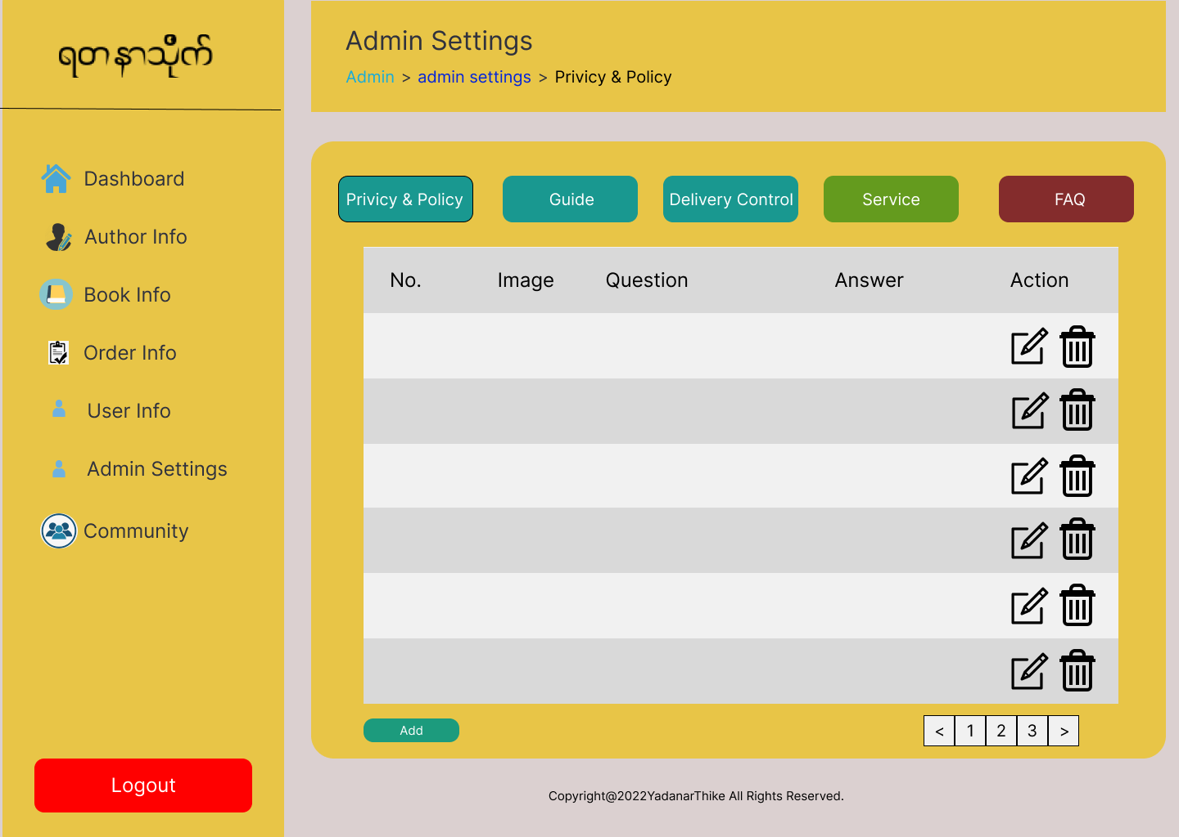
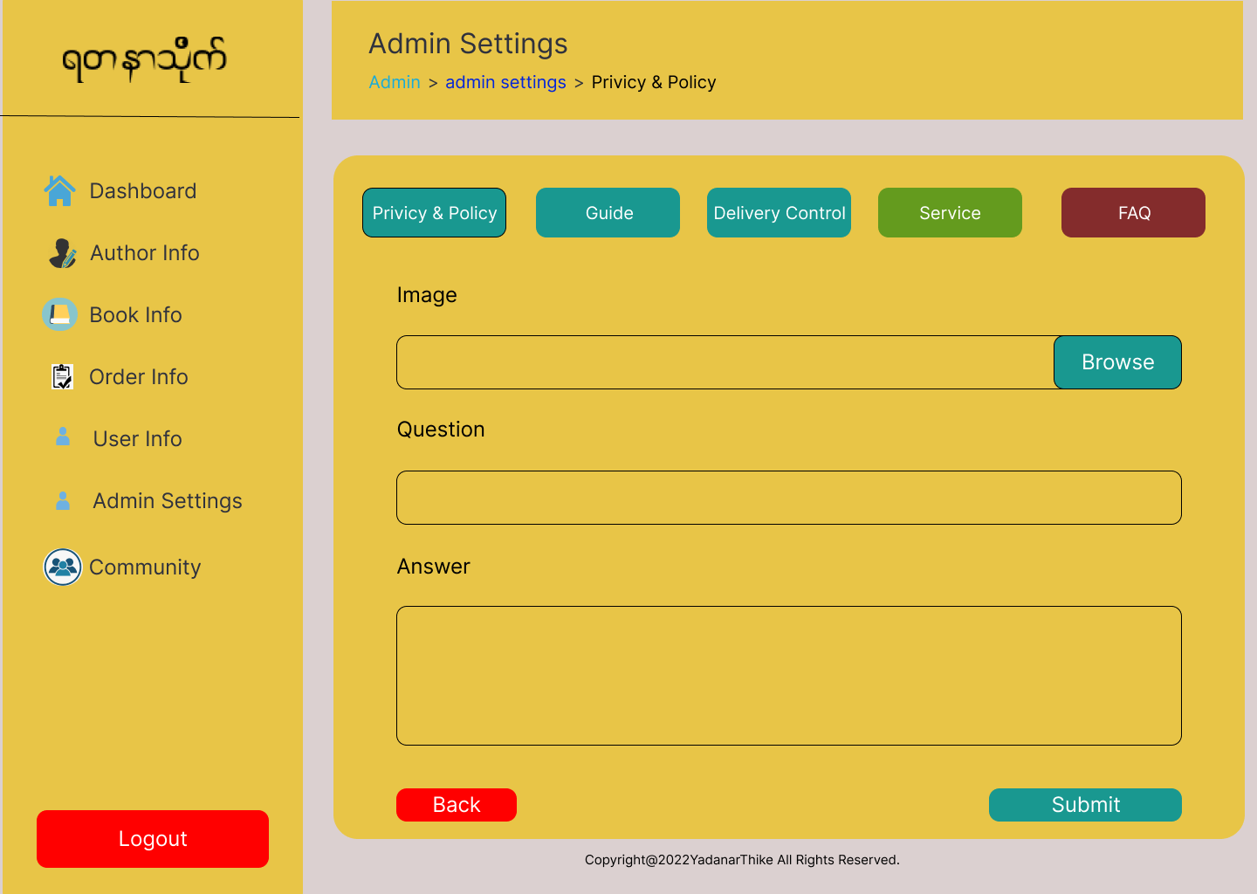

Screen Name ： |  | FAQ List | Screen Name ： |  | FAQ Add |  | Screen Name ： |  | Review&Rating
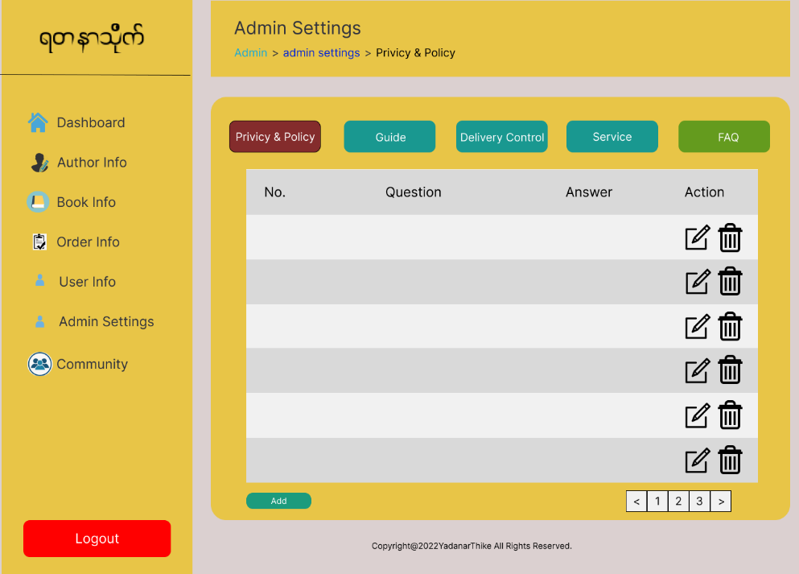
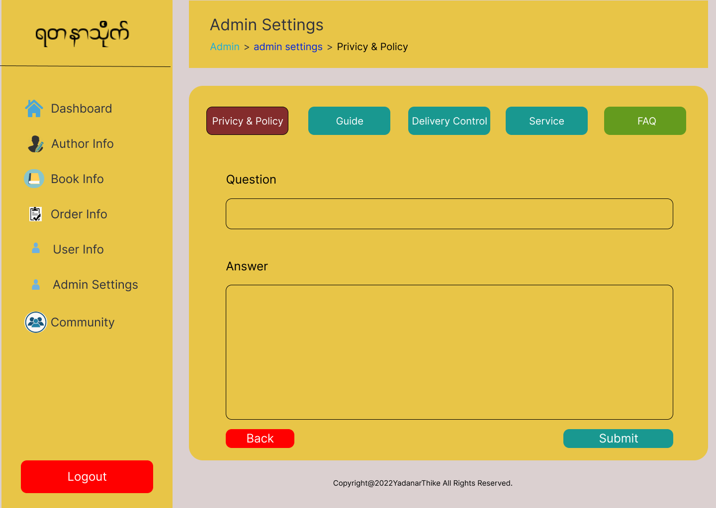
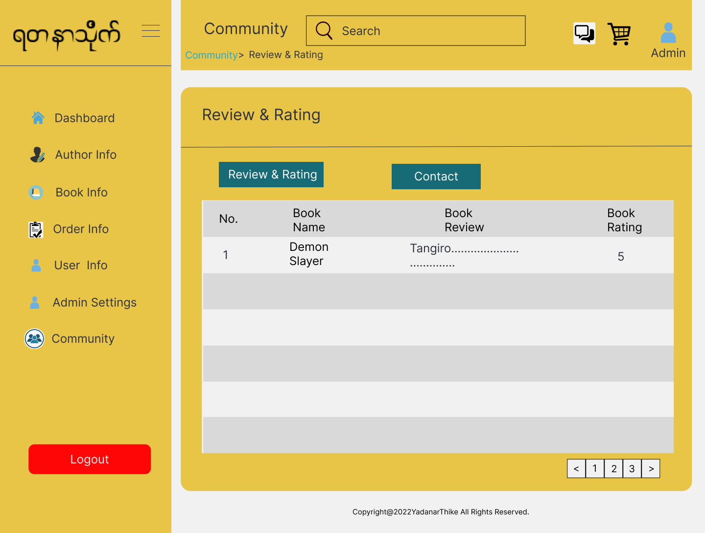

Screen Name ： |  | Contact
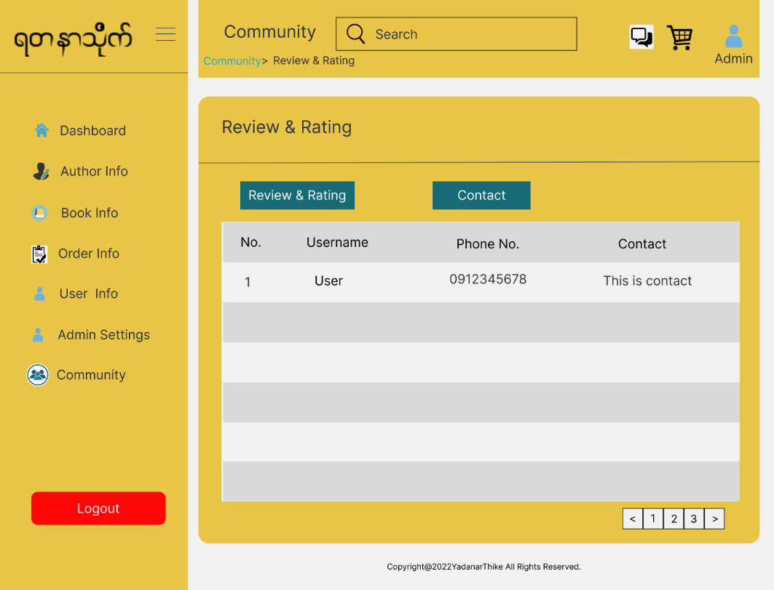

Customer

Screen Name ： |  | Login |  | Screen Name ： |  | Register |  | Screen Name ： |  | Home

