ans 1
Row Labels | Sum of Sales
2019 | $56,998,122
2020 | $26,887,715
3D Column chart- Date Vs Sales
Grand Total | $83,885,837

ans 2
Combo Chart - Date, Sales and Cost Columns
Row Labels | Sum of Cost | Sum of Sales
2019 | $23,459,036 | $56,998,122
2020 | $9,423,848 | $26,887,715
Grand Total | $32,882,884 | $83,885,837

ans 4
Line Chart Displaying Cost AND Sales
Row Labels | Sum of Sales
$228,876 | $914,785
$319,550 | $1,148,912
$342,811 | $1,209,282
$488,559 | $1,370,705
$498,938 | $1,096,869
$516,876 | $1,683,109
$525,195 | $1,958,181
$553,551 | $1,257,231
$598,287 | $2,300,710
$616,396 | $1,581,662
$620,927 | $1,741,089
$660,000 | $1,978,299
$729,835 | $1,711,222
$740,195 | $1,838,220
$876,327 | $1,757,908
$913,322 | $1,917,080
$1,244,348 | $4,078,740
$1,698,227 | $4,599,112
$1,698,733 | $5,664,927
$1,904,840 | $4,687,422
$2,076,115 | $4,852,863
$2,476,489 | $7,239,424
$2,532,956 | $5,149,890
$2,686,453 | $5,897,652
$3,219,058 | $7,874,500
$4,116,020 | $8,376,043
Grand Total | $83,885,837

ans 4 (copied chart)
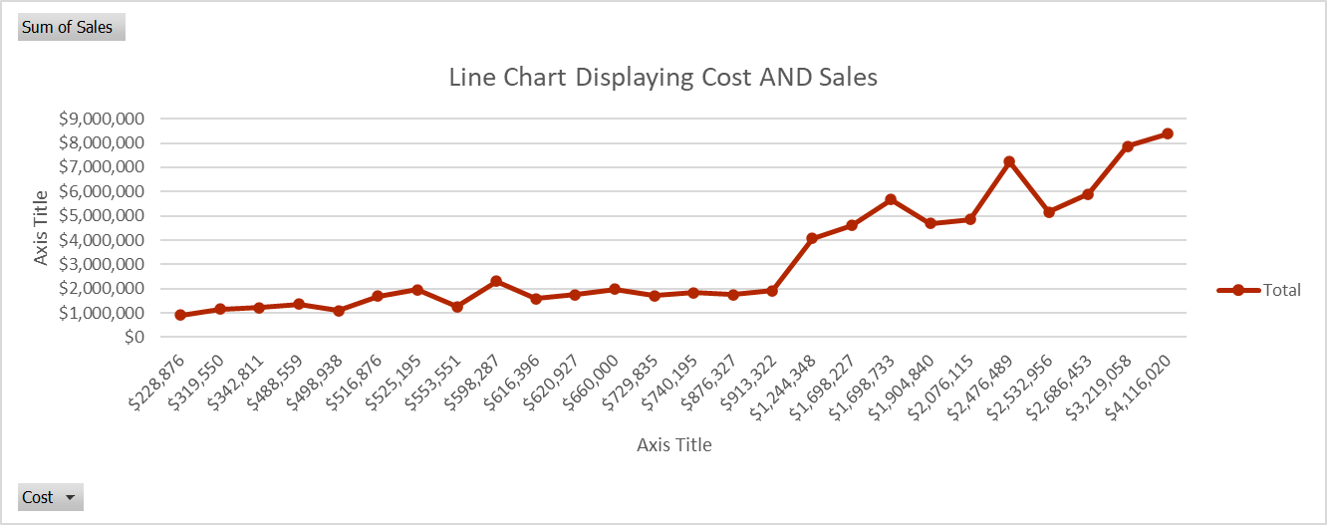

ans 5
Invoice vs Cost
Row Labels | Sum of Cost
SFC-154 | $620,927
SFC-156 | $2,532,956
SFC-167 | $598,287
SFC-170 | $319,550
SFC-175 | $1,698,227
SFC-178 | $740,195
SFC-180 | $913,322
SFC-182 | $516,876
SFC-183 | $2,686,453
SFC-189 | $1,698,733
SFC-196 | $2,476,489
SFC-203 | $228,876
SFC-209 | $660,000
SFC-210 | $2,952,442
SFC-213 | $729,835
SFC-216 | $342,811
SFC-219 | $4,360,649
SFC-228 | $488,559
SFC-230 | $553,551
SFC-237 | $1,244,348
SFC-240 | $1,904,840
SFC-244 | $4,116,020
SFC-247 | $498,938
Grand Total | $32,882,884

ans 6
Row Labels | Sum of Misc. Fees
$228,876 | $16,053
$319,550 | $17,190
$342,811 | $6,914
$488,559 | $8,472
Cost vs Misc. Fees
$498,938 | $13,048
$516,876 | $13,193
$525,195 | $18,575
$553,551 | $10,057
$598,287 | $14,823
$616,396 | $13,657
$620,927 | $20,871
$660,000 | $20,190
$729,835 | $23,338
$740,195 | $5,176
$876,327 | $21,434
$913,322 | $7,499
$1,244,348 | $7,734
$1,698,227 | $17,154
$1,698,733 | $5,099
$1,904,840 | $9,276
$2,076,115 | $9,483
$2,476,489 | $12,797
$2,532,956 | $13,685
$2,686,453 | $8,574
$3,219,058 | $19,610
$4,116,020 | $18,783
Grand Total | $352,685

ans 7
Sum of Sales by Invoice
Invoice | Sum of Sales
SFC-154 | $1.74M
SFC-156 | $5.15M
SFC-167 | $2.30M
SFC-170 | $1.15M
SFC-175 | $4.60M
SFC-178 | $1.84M
SFC-180 | $1.92M
SFC-182 | $1.68M
SFC-183 | $5.90M
SFC-189 | $5.66M
SFC-196 | $7.24M
SFC-203 | $0.91M
SFC-209 | $1.98M
SFC-210 | $6.61M
SFC-213 | $1.71M
SFC-216 | $1.21M
SFC-219 | $11.41M
SFC-228 | $1.37M
SFC-230 | $1.26M
SFC-237 | $4.08M
SFC-240 | $4.69M
SFC-244 | $8.38M
SFC-247 | $1.10M

