Overview
California Anniversary Trip — Detailed Day-by-Day Plan
Dec 10–26, 2026 · 2 travelers · revised Jul 11, 2026 · final culture choices, airport SUV plan and live flight shortlist

TRIP AT A GLANCE
Dates | Dec 10 – Dec 26, 2026
Fly | Chicago → San Francisco (SFO) · Las Vegas (LAS) → Chicago — see Flight Options
Anniversary | Dec 15 — Monterey / Carmel
Parks | Yosemite · Death Valley · Joshua Tree (America the Beautiful pass covers entry)
Total driving | 10 mapped legs · ~1,529 route miles; plan ~1,650–1,800 mi including local driving
Lodging total — Budget picks | $2,060.94 (16 nights, 2 people; quoted/estimated planning total)
Full trip est. (2 people) | ~$7,746 – $10,955 before optional rental protection
Rental recommendation | Leave the San Francisco hotel about 6:15 AM on Dec 12, return to SFO, take AirTrain Blue Line to the Rental Car Center and collect the SUV at 8:00 AM. Prefer an explicit AWD class; save YARTS as the chain-control fallback. See Rental Options.
HOW TO USE THE LINKS
• | Stay – Budget/Comfort/Premium columns: click through to book that exact hotel for those exact dates on Booking.com or Expedia.
• | Use Flight Options for the live Booking.com/Expedia fare shortlist and baggage tradeoffs; use Link Directory for tickets, tours and conditions URLs.
• | The final culture choices are built into existing days: Powell–Hyde cable car, Route 66 centennial photo, Warner Bros./TCL Hollywood day and Bellagio fountains.
• | Every price is a dated search snapshot, not a reservation — confirm live availability, total fees, baggage and cancellation terms before paying.

TRIP ROUTE AT A GLANCE
A self-contained view of the 17-day journey: route, planned overnight bases, signature experiences, drive baselines and the three checks that protect the schedule.
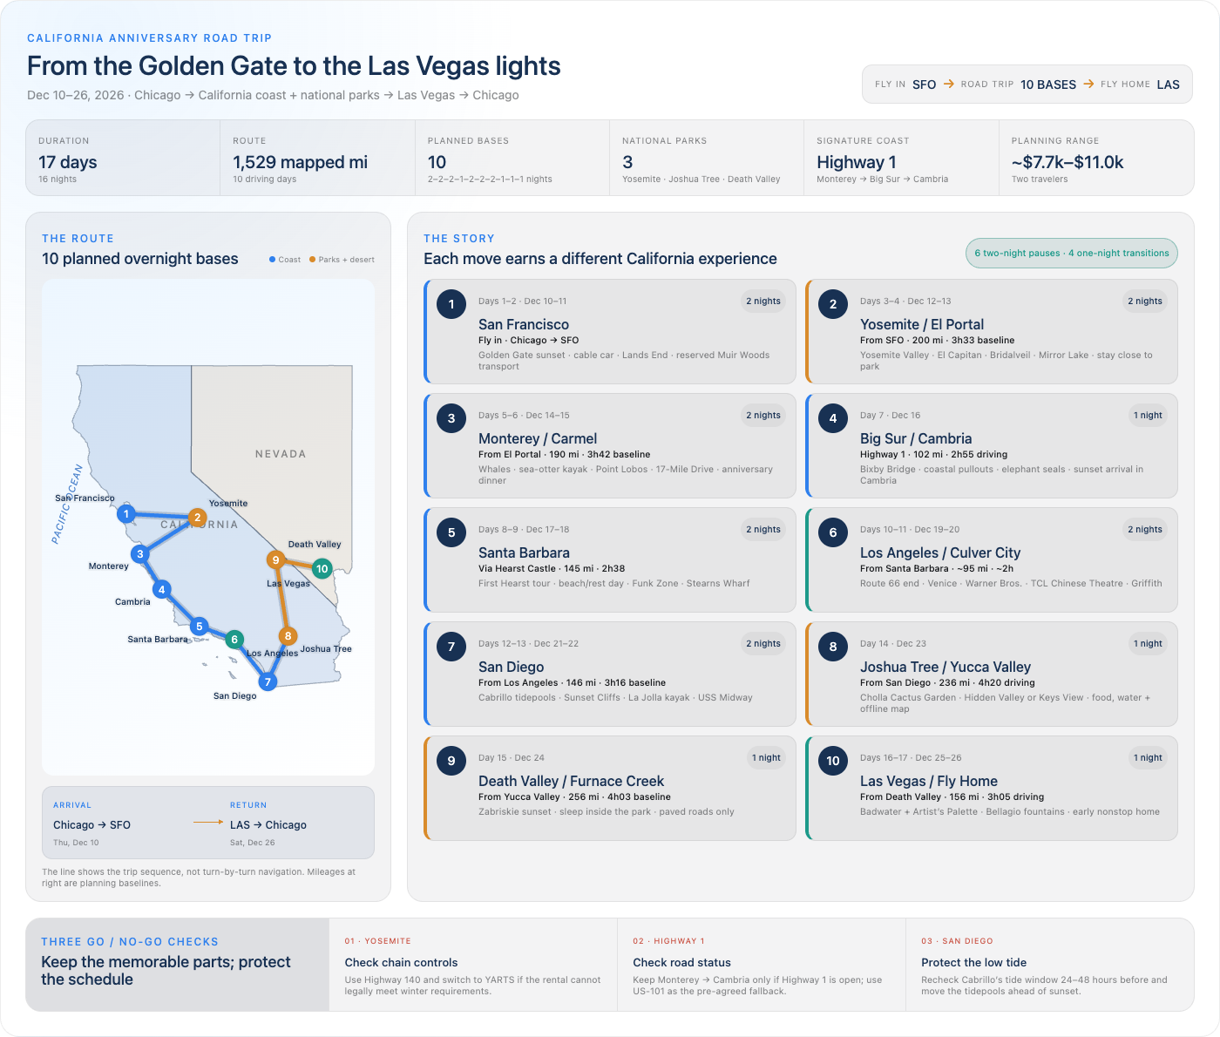

Planning overview only — mapped mileage excludes most local sightseeing. Recheck weather, road closures, chain controls, tides and reservations before travel.

Itinerary
Date | Day # | City / Theme | Drive Today (From → To · Distance · Time) | Full Day Plan | Stay – Budget | Stay – Comfort | Stay – Premium | Nights | Budget Price | Platform | Tickets / Tours / Conditions | Route Snapshot (driving days only)
2026-12-10 | 1 | San Francisco — Arrival | — | Theme: First taste of San Francisco — Bay, bridge and cable car ✈️🌉 Morning • Schedule-fit flight: United ORD 6:00 AM → SFO 8:44 AM, nonstop, $237 total for 2 before bags on Booking.com • Easier MDW alternative: Southwest 10:00 AM → SFO 12:50 PM, nonstop, $236.80–$237 total for 2; this makes the sightseeing window tighter Midday • Take BART into the city and leave luggage at the Marina/Fisherman's Wharf hotel • Lunch near the waterfront; see Flight Options for all live fare choices and baggage rules Afternoon • 2:30 PM — Pier 39 and the sea lions only if the flight is on time • 4:00–5:05 PM — Golden Gate Bridge; Dec 10 sunset is about 4:50 PM, not 6:00 PM • If arrival is delayed, protect the bridge sunset and move Pier 39 to the evening Evening • 6:00 PM — Dinner in North Beach or Chinatown • 7:30 PM — Historic Powell–Hyde cable car from Powell & Market toward Hyde & Beach; prepay with MuniMobile or Clipper | Francisco Bay Inn — Booking.com 8.0★ · $178.70 total ($89.35/night) Book → | Coventry Motor Inn — Booking.com 8.5★ · $269.24 total ($134.62/night) Book → | Beresford Arms — Booking.com 8.0★ · $278.00 total ($139.00/night) Book → | 2 | $178.70 | Booking.com | • Powell–Hyde cable car (SFMTA) • San Francisco sunset timing • Flight Options sheet | —
2026-12-11 | 2 | San Francisco — Full Day | — | Theme: Redwoods, coastline and the Bay 🌲🌁 Before the day • Prebook a guided Muir Woods/Sausalito round trip, a reserved seasonal shuttle, or a taxi with a guaranteed return • Do not rely on summoning an on-demand rideshare from Muir Woods: dependable cell service is not available and the shuttle is seasonal Morning • 8:30 AM — Breakfast at the hotel or a local café • 9:30–11:30 AM — Lands End coastal trail (~3 mi, ocean cliffs and old ruins) Midday • Around noon — Depart using the confirmed Muir Woods transportation plan • Cathedral Grove / main redwood loop at a quiet pace Afternoon • Continue to Sausalito if included in the reserved transport plan • Return to San Francisco using the guaranteed ride or a confirmed ferry connection Evening • 6:30 PM — Dinner and Mission murals or North Beach jazz • Early night before the SFO rental pickup and Yosemite drive | — Same hotel as previous night — (San Francisco, see Day 1) |  |  |  |  |  | • Muir Woods transport guidance (NPS) • Muir Woods parking / shuttle reservations | —
2026-12-12 | 3 | Drive to Yosemite — El Portal | SFO Rental Car Center → Yosemite View Lodge (El Portal) via Merced · 200 mi · 3 hr 33 min baseline; allow 4.5–5 hrs after pickup and in winter | Theme: Airport pickup, then city to snowy Sierra 🚗🏔️ Morning • 6:15 AM — Check out with luggage and travel back to SFO by BART or a prebooked ride • Use the 24-hour AirTrain Blue Line from the terminals/BART station to the SFO Rental Car Center • 8:00 AM — Pick up the SUV at the airport counter, matching the rental shortlist and quote times • Confirm the contract says AWD, inspect tires and obtain written traction-device guidance before leaving • 8:30–9:00 AM — Depart via Merced, CA-99 and Hwy 140 Winter gate • Yosemite requires chains/cables to be carried when controls are active, including in AWD rentals • If controls require equipment the rental agreement or assigned vehicle does not permit, do not install unauthorized devices: use YARTS from the El Portal/Yosemite View Lodge corridor for the park day Midday • Lunch and fuel in Merced; recheck Yosemite road and chain controls Afternoon • Aim to reach El Portal around 2:00–3:00 PM, depending on pickup, traffic and weather • Check in and keep Tunnel View optional unless daylight and roads are comfortable Evening • Dinner in El Portal; save the YARTS timetable and prepare layers and a day pack | Yosemite View Lodge — El Portal $408 room subtotal; $469.20 planning allowance Dec 12–14 · Official quote → | Yosemite Valley Lodge — inside park $723.26 room subtotal; ~$822.35 est. with listed taxes Dec 12–14 · Book → | The Ahwahnee — inside park No full-stay inventory when checked Jul 11 Check live availability → | 2 | $469.20 | Official quote + 15% allowance | • SFO Rental Car Center / AirTrain • Yosemite road & chain status (NPS) • Yosemite tire-chain rules (NPS) • YARTS Hwy 140 schedule | 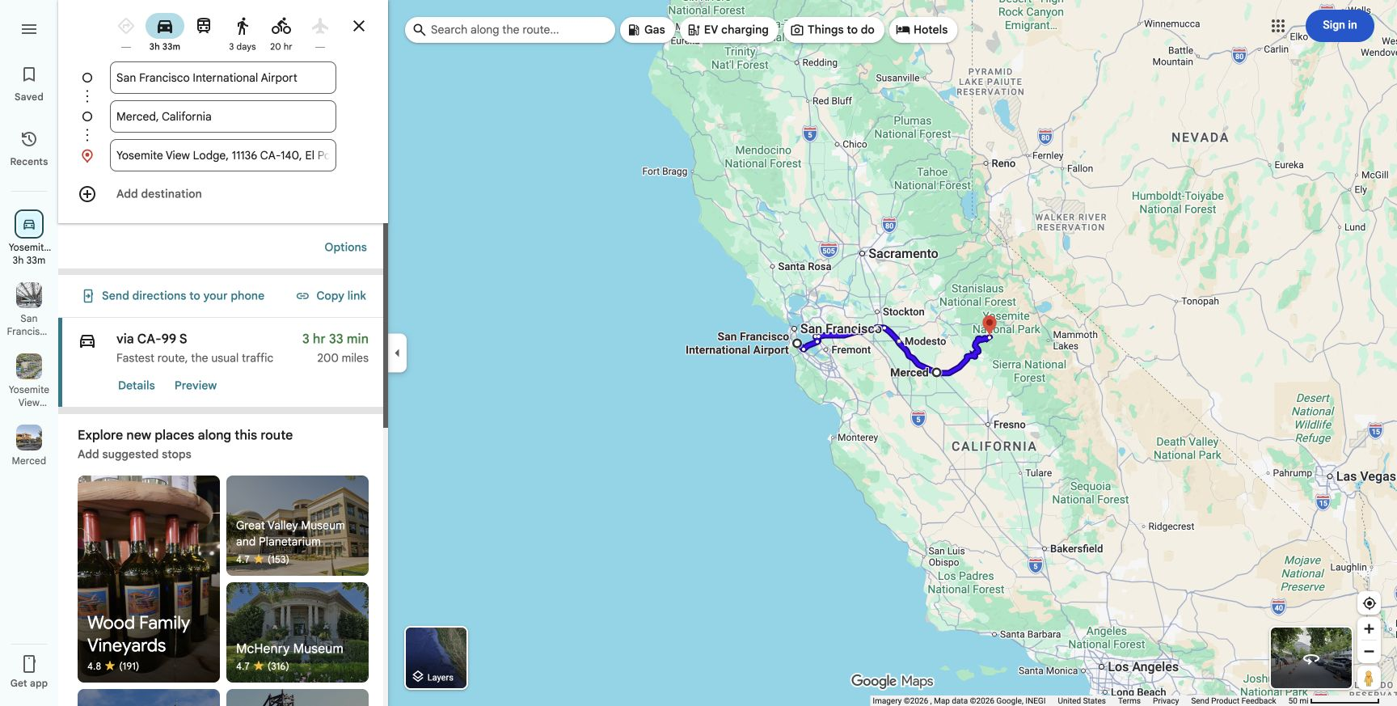
2026-12-13 | 4 | Yosemite Valley | — | Theme: Snowy granite giants ❄️🪨 Morning decision • 7:30 AM — Check road and chain controls before moving the SUV • Drive into Yosemite Valley only when the assigned vehicle and rental agreement legally satisfy the current control level • If not, board YARTS from the El Portal/Yosemite View Lodge corridor and leave the rental parked Morning • 8:00 AM — El Portal → Yosemite Valley, ~15 mi / ~30–35 min each way in normal conditions • 9:00–11:30 AM — Valley Loop highlights: El Capitan Meadow, Bridalveil Fall and Cook's Meadow Midday • Picnic or Yosemite Village lunch; carry food, water and warm layers Afternoon • 1:30–3:15 PM — Mirror Lake easy trail or a slower Valley-floor walk • 3:45 PM — Tunnel View for golden-hour light only if transport, road and parking conditions are comfortable Evening • Return to El Portal before full darkness if weather is deteriorating • Dinner and an early night before the Monterey transfer | — Same hotel as previous night — (El Portal, see Day 3) |  |  |  |  |  | • YARTS Hwy 140 schedule • Morning chain-control decision | —
2026-12-14 | 5 | Drive to Monterey | Yosemite View Lodge (El Portal) → Monterey via Gilroy · 190 mi · 3 hr 42 min baseline; allow 4–4.5 hrs | Theme: Sierra to sea 🚗🌊 Morning • 8:00 AM — Breakfast and road-condition check • 8:30 AM — Depart El Portal for Monterey via Hwy 140 and Gilroy Midday • Lunch and fuel in Gilroy; keep the stop short enough to arrive before dark Afternoon • Around 2:00–3:00 PM — Arrive Monterey and check in • Cannery Row or the waterfront at an easy pace • Optional 17-Mile Drive only if you arrive early with good daylight; otherwise keep it on the anniversary day Evening • Seafood dinner near Fisherman's Wharf • Early night before the anniversary activities | Arbor Inn Monterey — Booking.com 8.3★ · $131.40 total ($65.70/night) Book → | Stargazer Hotel — Booking.com 8.1★ · $138.00 total ($69.00/night) Book → | Lone Oak Lodge — Booking.com 8.4★ · $215.00 total ($107.50/night) Book → | 2 | $131.40 | Booking.com | — | 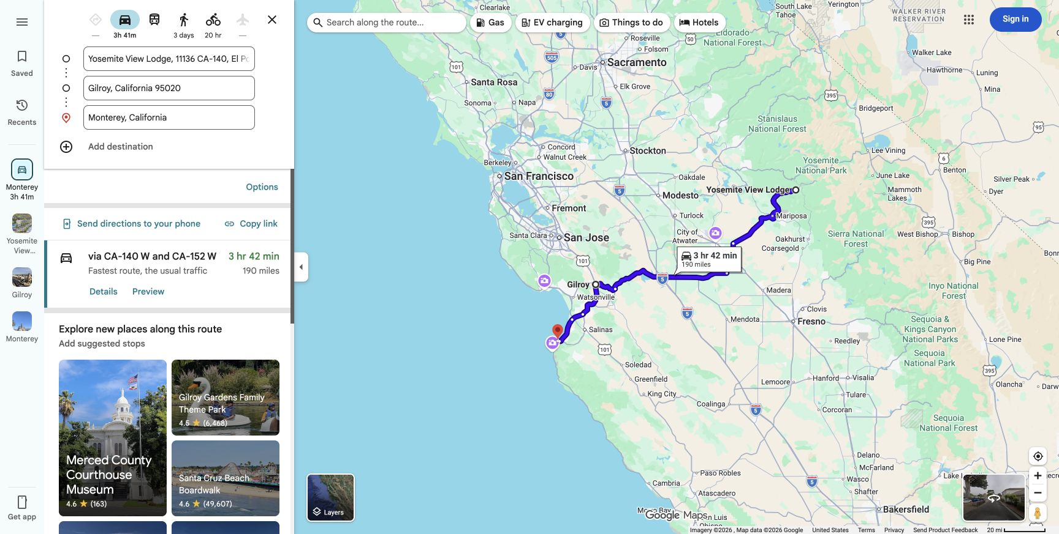
2026-12-15 | 6 | ★ Anniversary — Monterey / Carmel | — | Theme: Otters, whales, and the coast that made you fall for California 🦦🥂 Morning • 8:00 AM — Breakfast • 9:00–11:00 AM — Gray-whale watching boat trip (book morning slot, calmer seas) — ~$50–75pp, see ticket links → Midday ($60–90pp) • 11:30 AM — Sea-otter kayaking tour in Monterey Bay, Cannery Row — calm water, otters and sea lions up close, see ticket links → • 1:30 PM — Lunch on Cannery Row Afternoon • 3:00 PM — Point Lobos Reserve (Monterey → Point Lobos, ~4 mi, ~10 min) — short cliff trails, dramatic coastline • 4:30 PM — Drive the 17-Mile Drive scenic loop toward Carmel (~17 mi loop, ~45 min with stops) Evening — ★ Anniversary • 5:30 PM — Sunset at a Carmel viewpoint or Point Lobos overlook • 6:00 PM — Walk Carmel-by-the-Sea's storybook village, browse galleries • 7:30 PM — Anniversary dinner — book ahead, worth the splurge tonight | — Same hotel as previous night — (Monterey — Munras Ave, see Day 5) |  |  |  |  |  | • Monterey Winter Whale Watch – Book • Cannery Row Otter Kayak Tour – Book | —
2026-12-16 | 7 | Big Sur Coast Highway → Cambria | Monterey → Bixby Creek Bridge → Elephant Seal Vista Point → Cambria · 102 mi · 2 hr 55 min driving only | Theme: Highway 1 is the destination 🌉📸 Morning • 8:00 AM — Fuel up, recheck Caltrans QuickMap and depart Monterey • Use US-101 as the fallback if Highway 1 closes; recheck 24 hours before and again that morning • Bixby Creek Bridge photo stop Midday • Cap the day at three meaningful stops, with slow scenic pullouts and a picnic lunch • McWay Falls Overlook Trail remains closed into 2026: no trail or beach access • Only take a legal roadside glimpse if parking and traffic are clearly safe; skip it if full Afternoon • Continue to Elephant Seal Vista Point near San Simeon • Aim to reach Cambria around 4:00 PM; Dec 16 sunset is about 4:53 PM Evening • Moonstone Beach boardwalk or Cambria Christmas Market • Dinner and early night for the first Hearst tour tomorrow | Creekside Inn Downtown — Booking.com 8.7★ · $98.01 total ($98.01/night) Book → | Bluebird Inn — Booking.com 8.8★ · $124.00 total ($124.00/night) Book → | Castle Inn (Moonstone Beach) — Booking.com 9.0★ · $144.00 total ($144.00/night) Book → | 1 | $98.01 | Booking.com | • Highway 1 live conditions (Caltrans) • McWay Falls / park status (official) | 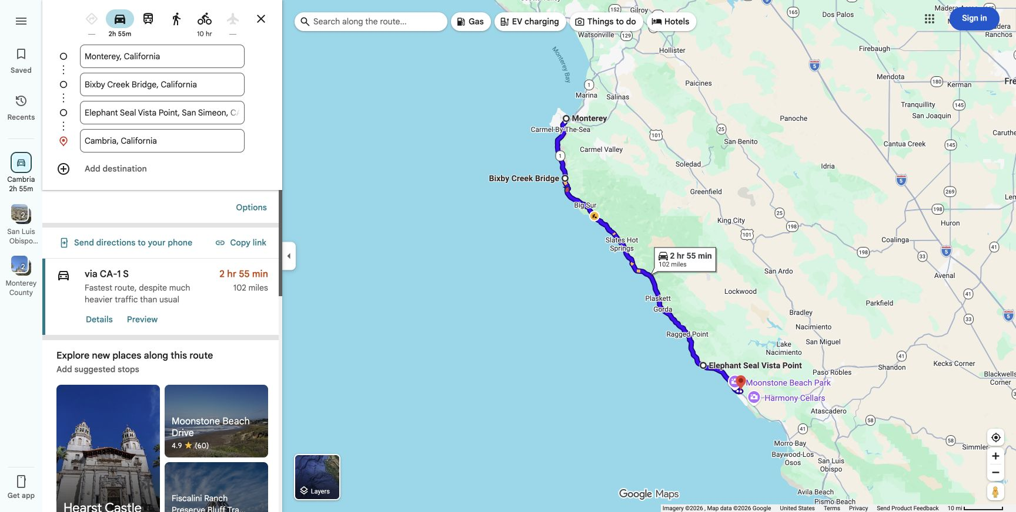
2026-12-17 | 8 | Hearst Castle → Santa Barbara | Cambria → Hearst Castle → Santa Barbara · 145 mi · 2 hr 38 min driving only | Theme: Hearst in the morning, then an easy southbound afternoon 🏰🚗 Morning • 7:30 AM — Breakfast and checkout • 8:10 AM — Drive Cambria → Hearst Castle Visitor Center • 8:35 AM — Arrive at least 25 minutes before a first tour around 9:00 AM • Reserve the tour in advance; use the official link in this row Midday • Around 10:30–11:00 AM — Depart San Simeon for Santa Barbara • Lunch in San Luis Obispo or Santa Maria Afternoon • Around 2:30–3:30 PM — Arrive Santa Barbara and check in • State Street or Mission Santa Barbara at a relaxed pace Evening • Stearns Wharf sunset and dinner nearby | Oasis Inn and Suites — Booking.com 8.2★ · $246.56 total ($123.28/night) Book → | Orange Tree Inn — Booking.com 7.5★ · $247.00 total ($123.50/night) Book → | The Franciscan Hotel — Booking.com 8.9★ · $396.54 total ($198.27/night) Book → | 2 | $246.56 | Booking.com | Hearst Castle — reserve first morning tour | 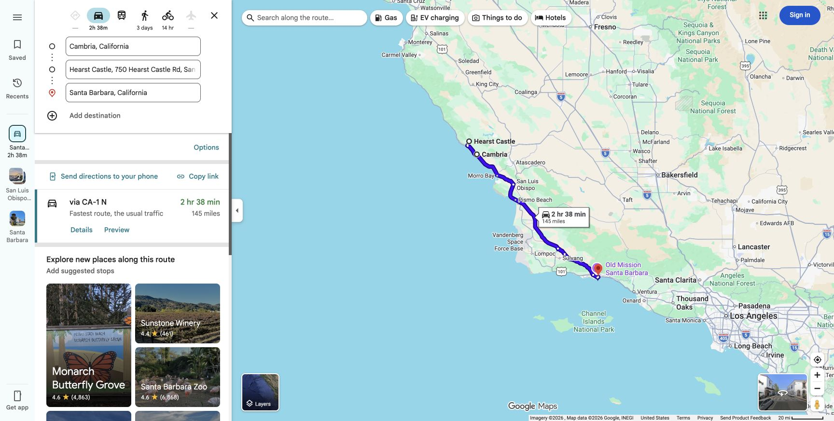
2026-12-18 | 9 | Santa Barbara — Rest Day | — | Theme: The breather 🧘☀️ Morning • 9:00 AM — Slow breakfast, no alarm • 10:00 AM — Beach time — East Beach or Butterfly Beach Midday (free) • 12:30 PM — Casual lunch, no plans • 1:30 PM — Optional easy walk: Douglas Family Preserve bluffs (ocean views, flat trail) Afternoon • 3:00 PM — Wander the Funk Zone (wineries, breweries, art) or just relax at the hotel Evening • 6:00 PM — Early, easy dinner • Pack for tomorrow's move to LA | — Same hotel as previous night — (Santa Barbara, see Day 8) |  |  |  |  |  | — | —
2026-12-19 | 10 | Drive to Los Angeles | Santa Barbara → Los Angeles (Culver City) · ~95 mi · ~2 hrs | Theme: Into Los Angeles — Route 66 meets the Pacific 🚗🌴 Morning • 9:00 AM — Breakfast and depart Santa Barbara for Culver City (~95 mi / ~2 hrs) Midday • 11:30 AM — Check in or leave luggage at the Culver City hotel • 12:30 PM — Lunch nearby Afternoon • 2:00 PM — Santa Monica Pier: find the Route 66 “End of the Trail” sign and take the centennial photo • 2026 is Route 66's 100th anniversary; the Chicago-to-Santa Monica connection makes this a meaningful American road-trip moment • Ferris wheel / boardwalk, then a 4:00 PM Venice Beach and canals walk Evening • 6:30 PM — Dinner on the west side • Keep the evening easy before the Hollywood studio day | Culver City Hostel (private room) — Booking.com unrated · $196.00 total ($98.00/night) Book → | Galaxy Inn — Booking.com 8.1★ · $269.98 total ($134.99/night) Book → | Hilton Los Angeles-Culver City — Booking.com 8.4★ · $326.36 total ($163.18/night) Book → | 2 | $196.00 | Booking.com | • Route 66 centennial / End of the Trail (Visit Santa Monica) | 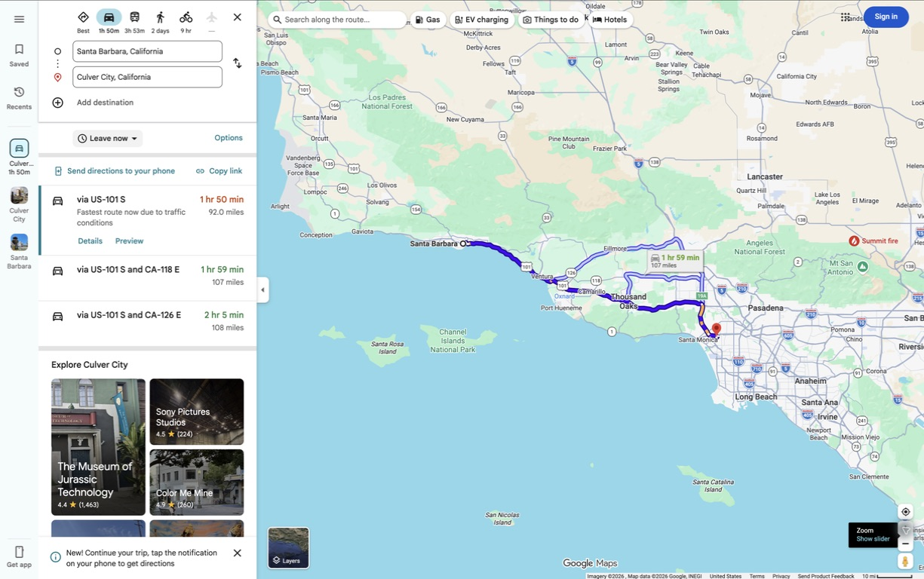
2026-12-20 | 11 | Los Angeles — Hollywood Day | — | Theme: Step inside Hollywood, then see it from above 🎬✨ Morning • 7:15 AM — Breakfast and depart Culver City with traffic buffer • 8:00 AM — Arrive at Warner Bros. Studio Tour Hollywood; bring government-issued photo ID • 8:30–11:30 AM — Working-studio tour and self-guided exhibits (~3 hrs; current adult price $79) Midday • 11:45 AM — Lunch in Burbank, Los Feliz or Hollywood • 1:15–2:15 PM — TCL Chinese Theatre forecourt / short tour and a focused Walk of Fame visit • Do not turn Hollywood Boulevard into a long checklist Afternoon • 2:30–3:15 PM — Travel to Griffith Observatory and park or use the shuttle • 3:30 PM onward — Observatory, Hollywood Sign and city views through the roughly 4:45 PM sunset Evening • Stay for the first city lights • 6:30–7:30 PM — Dinner in Los Feliz or Hollywood • Getty Center is intentionally removed; this day now reflects the traveler's stronger interest in Hollywood | — Same hotel as previous night — (Los Angeles — Culver City, see Day 10) |  |  |  |  |  | • Warner Bros. Studio Tour — Book • TCL Chinese Theatre tour / forecourt | —
2026-12-21 | 12 | Tide-aware drive to San Diego | Culver City → Cabrillo National Monument → Sunset Cliffs → San Diego · 146 mi · 3 hr 16 min baseline; allow 4+ hrs with traffic | Theme: Arrive with the tide, not against it 🌊🚗 Morning • 7:30–8:00 AM — Depart Culver City; avoid a leisurely LA morning today • Drive directly toward Point Loma with one short rest stop Midday • Target Cabrillo arrival around 12:15–12:30 PM • 12:30–3:00 PM — Tidepool window around the predicted 1:33 PM low tide (−0.94 ft) • Recheck NOAA and NPS access 24–48 hours beforehand; swell, weather or staffing can still close the area Afternoon • Around 4:00 PM — Sunset Cliffs Natural Park • Check into the San Diego hotel after sunset Evening • Dinner in Point Loma, Old Town or Little Italy; keep the evening light | Heritage Inn San Diego — Expedia 7.2★ · $164.00 total ($82.00/night) Book → | Best Western Yacht Harbor (Point Loma) — Booking.com 8.1★ · $228.00 total ($114.00/night) Book → | Comfort Inn Gaslamp — Booking.com 7.5★ · $200.73 total ($100.36/night) Book → | 2 | $164.00 | Expedia | • NOAA tide prediction — San Diego, Dec 21 • Cabrillo tidepool guidance (NPS) | 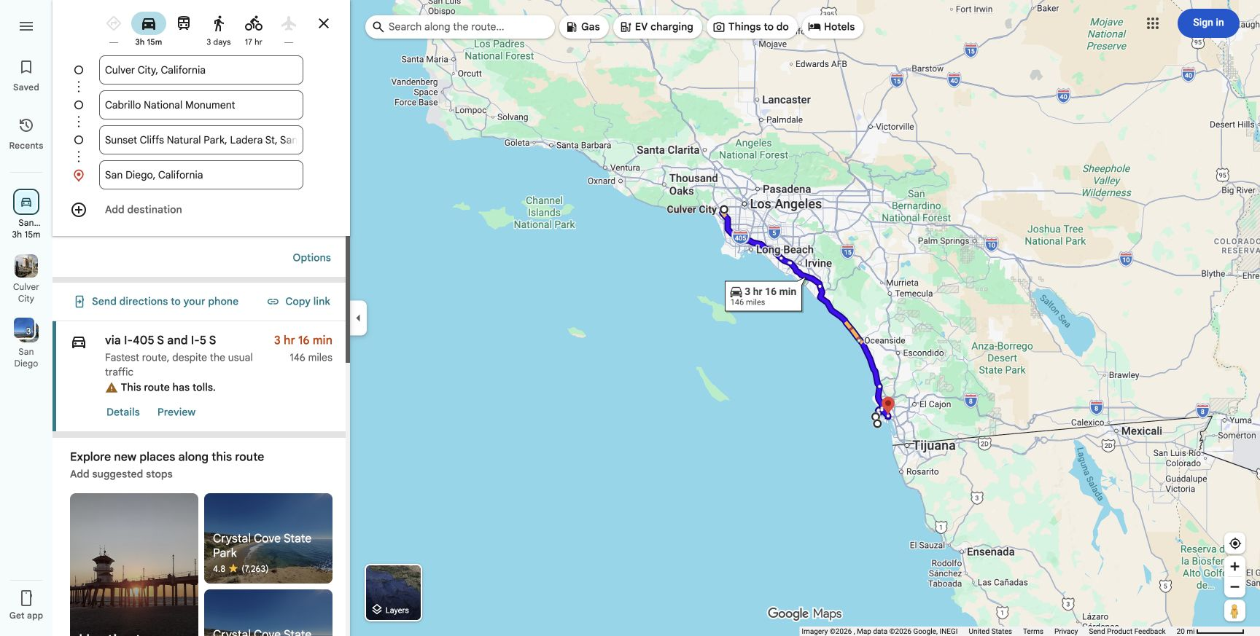
2026-12-22 | 13 | San Diego — Full Day | — | Theme: Sea caves and an aircraft carrier ⛵✈️ Morning • 8:30–10:30/11:00 AM — La Jolla sea-cave kayaking; use the calmer morning slot • Allow time to change clothes and get lunch nearby Midday • 11:30 AM — Leave La Jolla for the Embarcadero • Aim to enter USS Midway around 12:30–1:00 PM Afternoon • 1:00–5:00 PM — USS Midway Museum; this remains in the itinerary • Torrey Pines and Balboa Park are intentionally removed so the day does not become a checklist sprint Evening • Dinner in Little Italy or along the waterfront • Optional short Embarcadero walk, then rest before the longest desert day | — Same hotel as previous night — (San Diego — Point Loma/Old Town, see Day 12) |  |  |  |  |  | • La Jolla Sea Cave Kayak – Book • USS Midway Museum – Buy Tickets | —
2026-12-23 | 14 | San Diego → Joshua Tree traverse → Yucca Valley | San Diego → Cholla Cactus Garden → Yucca Valley · 236 mi · 4 hr 20 min driving only; leave early | Theme: A purposeful desert traverse 🌵🚗 Before the day • Buy/print the park pass and download the official NPS offline map • Fill the tank and pack breakfast, lunch, water and warm layers; services are limited Morning • 6:30 AM — Depart San Diego and drive directly toward Cholla Cactus Garden Midday • Around 10:45–11:30 AM — Cholla Cactus Garden short loop • Picnic lunch, then continue west through Joshua Tree Afternoon • Choose one main western stop: Hidden Valley OR Keys View if running behind • Aim for Keys View by roughly 4:10 PM only if roads, daylight and energy allow Evening • Check into Yucca Valley for one night • Early dinner and pack for a 7:30 AM departure | Super 8 by Wyndham Yucca Valley $78 displayed; $89.70 planning allowance Dec 23–24 · Search / book → | Americas Best Value Inn & Suites $87 displayed; $100.05 planning allowance Dec 23–24 · Search / book → | Field Station Joshua Tree Flexible rate ≈ $171.67 incl. 12.2% city tax Dec 23–24 · Book → | 1 | $89.70 | Booking.com quote + 15% allowance | Joshua Tree conditions (NPS) | 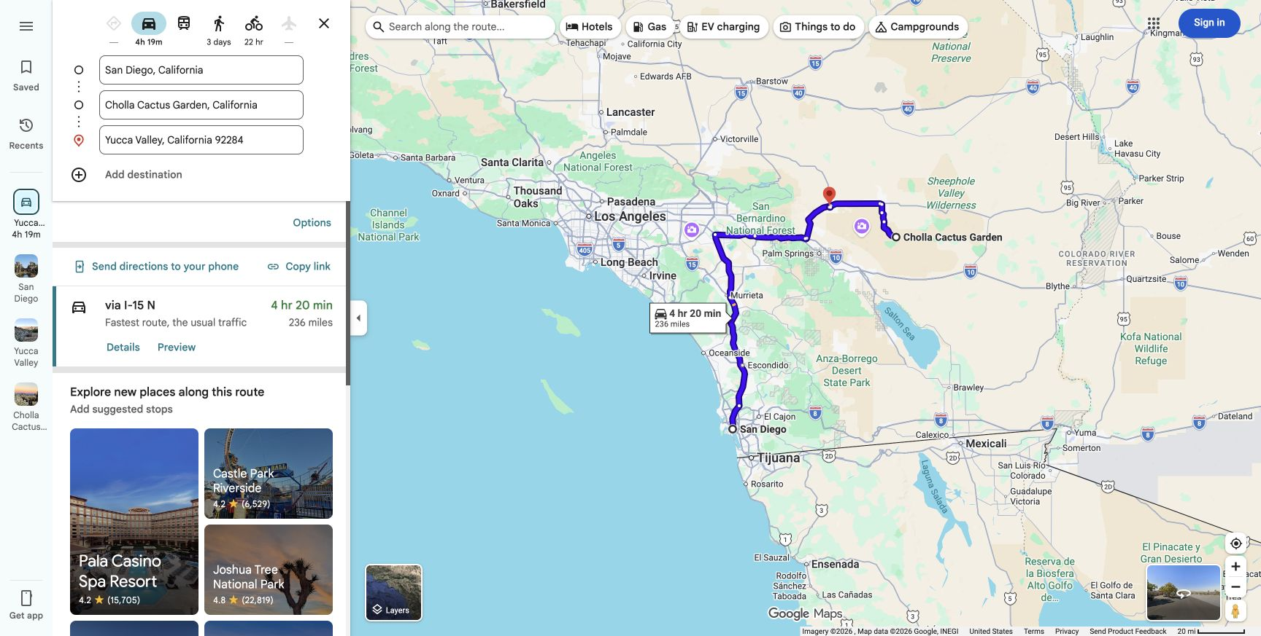
2026-12-24 | 15 | Yucca Valley → Furnace Creek | Yucca Valley → Furnace Creek · 256 mi · 4 hr 03 min baseline; allow 4.5–5 hrs | Theme: One direct transfer, then sunset inside Death Valley 🎄🏜️ Morning — Christmas Eve • 7:00 AM — Breakfast, full tank, extra water, food and downloaded offline maps • 7:30 AM — Depart directly for Furnace Creek via CA-247 and CA-127 • Do not detour back to Cholla or Palm Springs; that would add about 74 miles and 1 hr 50 min Midday • Carry lunch and extra water; holiday services may close early • Keep the rental on paved roads only; skip dirt spurs such as Natural Bridge and Devil's Golf Course • Aim to reach Furnace Creek around noon to 1:00 PM Afternoon • Visitor Center, check-in and a short nearby viewpoint • Zabriskie Point near sunset if energy and road conditions are good Evening • Dinner at the resort area; reserve ahead for Christmas Eve • Sleep inside Death Valley, eliminating the late drive to Pahrump | The Ranch at Death Valley — recommended $380.79 incl. quoted taxes and fees Dec 24–25 · Official booking → | The Inn at Death Valley $671.99 incl. quoted taxes and fees Dec 24–25 · Official booking → | The Inn — suites / casitas Check live inventory and final total Dec 24–25 · Official booking → | 1 | $380.79 | Official Oasis quote | • Death Valley road status (NPS) • Death Valley safety (NPS) | 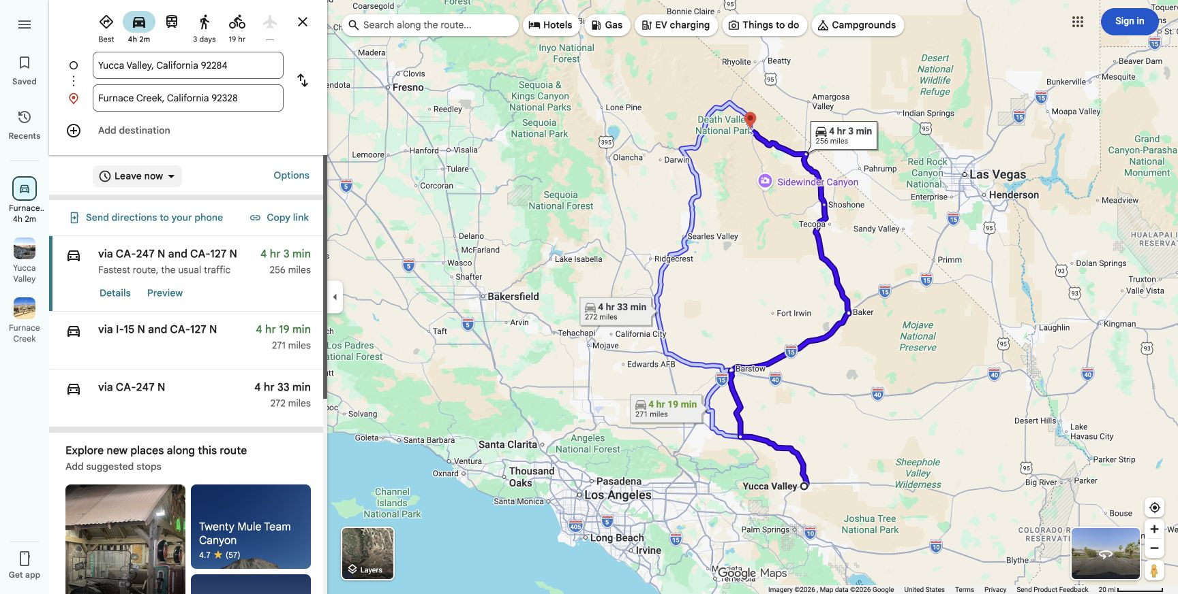 —
2026-12-25 | 16 | Death Valley → Las Vegas | Furnace Creek → Badwater Basin → Artist's Palette → Zabriskie Point → Las Vegas Strip · 156 mi · 3 hr 05 min driving only | Theme: Death Valley highlights, then Christmas lights in Las Vegas 🏜️✨ Morning — Christmas Day • Carry breakfast/lunch, a backup meal and extra water; do not rely on every park service being open • 8:00 AM — Badwater Basin • 9:45 AM — Artist's Drive and Artist's Palette Midday • Return toward Furnace Creek; use carried supplies or a confirmed-open resort outlet • Call the Oasis about one week beforehand to confirm Christmas dining hours • Zabriskie Point if you did not visit at sunset yesterday Afternoon • Around 1:30–2:00 PM — Depart for Las Vegas • The mapped route is 156 mi / about 3 hr 05 min before sightseeing time Evening • Check into the Strip hotel and keep Christmas dinner reserved • 8:15 or 8:30 PM — Bellagio fountains after dinner; allow 20–30 minutes and check for weather or schedule changes • Everything after the fountains remains optional | Luxor — south Strip $94 incl. resort fee; ~$106.58 est. with tax Dec 25–26 · Book → | Planet Hollywood — central Strip $154 incl. resort fee; ~$174.61 est. with tax Dec 25–26 · Book → | Caesars Palace — premium $274 incl. resort fee; ~$310.66 est. with tax Dec 25–26 · Book → | 1 | $106.58 | Booking.com est. | • Bellagio fountains — official schedule | 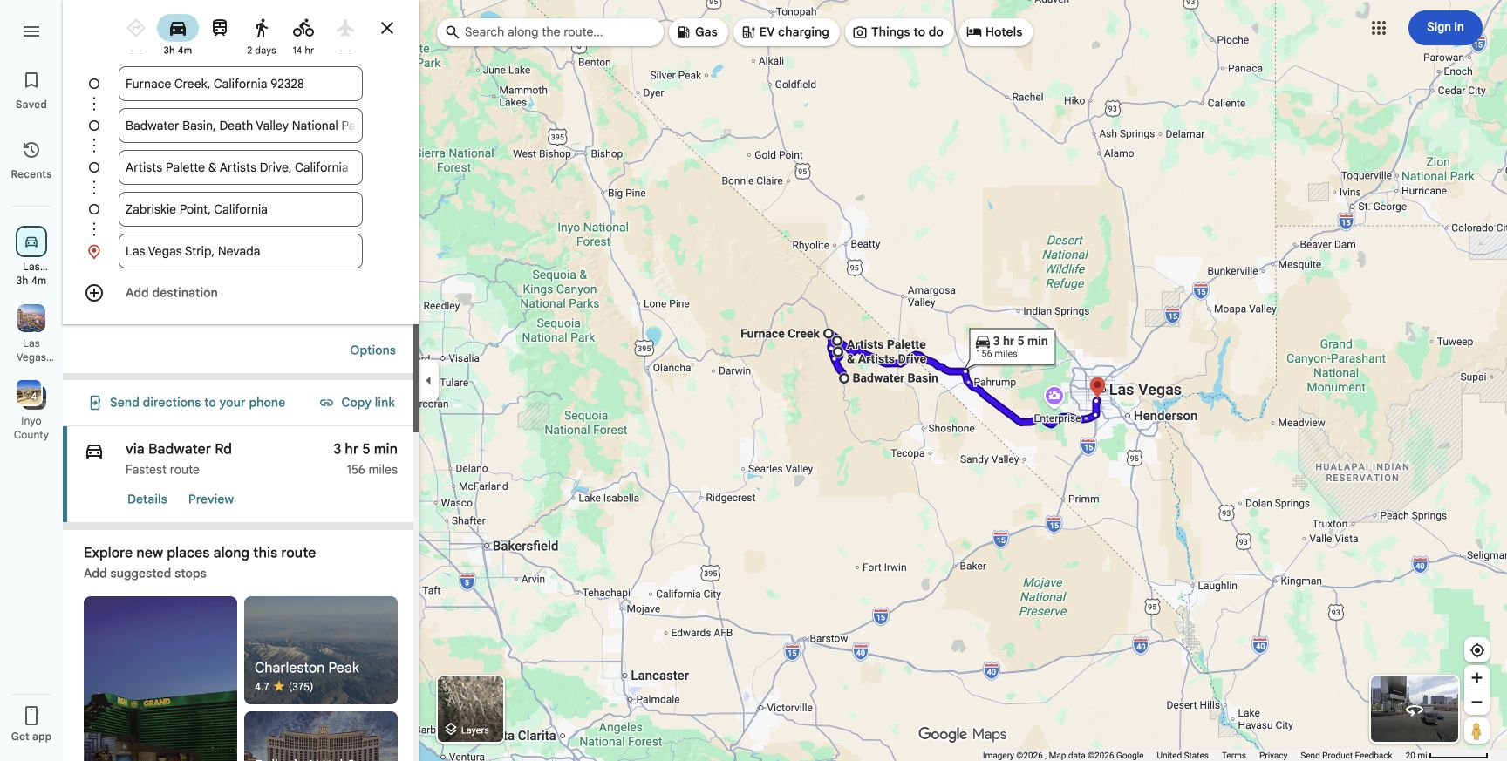
2026-12-26 | 17 | Las Vegas → Fly Home | Las Vegas Strip → Harry Reid International Airport (LAS) · 2.6 mi · ~10 min driving; allow 30–45 min to rental return | Theme: Early budget flight home ✈️ Recommended budget path • United LAS 7:00 AM → ORD 12:46 PM, nonstop: $281 total for 2 on Booking.com or $285.57 on Expedia in Basic Economy • For a standard carry-on, seat choice and changes, Expedia showed regular United Economy at $387.27 total before checked bags • Southwest LAS 8:10 AM → MDW 1:35 PM is the simpler carry-on/MDW alternative at about $377–$381 total for 2 Airport sequence if booking the 7:00 AM United flight • About 3:45 AM — Leave the Strip hotel after checking out the night before • Fuel and return the SUV; allow 30–45 minutes for the rental return and shuttle • Reach the terminal with the airline's recommended domestic check-in buffer Midday • Arrive Chicago around 12:46 PM local time Important • The cheapest return fares remove the previous “sleep-in” morning; choose a later, higher fare if a relaxed final morning matters more than savings • Reconfirm price, baggage, airport and schedule immediately before booking | — (flying home) |  |  |  |  |  | • Flight Options sheet • Booking.com and Expedia live search links | 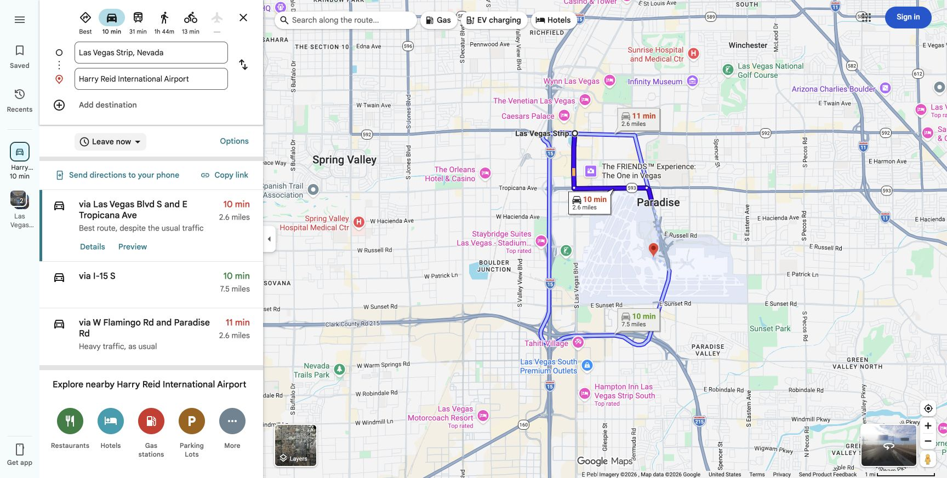

TOTAL — Budget-tier lodging (16 nights, 2 people) |  |  |  |  |  |  |  |  | $2,060.94
Green row = anniversary day. Ratings are guest review scores (0-10 Booking.com scale). All hyperlinks are real, live URLs — click through to book at the exact price/dates shown, or confirm current availability. Prices are live-search snapshots, not guaranteed.

