Forecasting Product 2
Horizon | Period | Demand | LT | seasonal with trend | MAD | intercept | 177.2178183
1 | 1 | 145 | 175.62 | 151.01 | 6.01 | slope | -1.595229744
2 | 2 | 164 | 174.03 | 166.03 | 2.03
Period Vs Demand
3 | 3 | 178 | 172.43 | 181.77 | 3.77 | week | index
4 | 4 | 200 | 170.84 | 200.72 | 0.72 | 1 | 0.86
5 | 5 | 215 | 169.24 | 216.78 | 1.78 | 2 | 0.95
6 | 6 | 205 | 167.65 | 203.88 | 1.12 | 3 | 1.05
7 | 7 | 170 | 166.05 | 168.69 | 1.31 | 4 | 1.17
8 | 8 | 142 | 164.46 | 136.56 | 5.44 | 5 | 1.28
9 | 9 | 119 | 162.86 | 115.10 | 3.90 | 6 | 1.22
10 | 1 | 147 | 175.62 | 151.01 | 4.01 | 7 | 1.02
11 | 2 | 162 | 174.03 | 166.03 | 4.03 | 8 | 0.83
12 | 3 | 180 | 172.43 | 181.77 | 1.77 | 9 | 0.71
13 | 4 | 199 | 170.84 | 200.72 | 1.72
14 | 5 | 220 | 169.24 | 216.78 | 3.22
15 | 6 | 208 | 167.65 | 203.88 | 4.12
16 | 7 | 175 | 166.05 | 168.69 | 6.31
17 | 8 | 140 | 164.46 | 136.56 | 3.44
18 | 9 | 121 | 162.86 | 115.10 | 5.90
19 | 1 | 146 | 175.62 | 151.01 | 5.01
20 | 2 | 160 | 174.03 | 166.03 | 6.03

 |  |  |  | MAD (11 - 20) | 4.16

Forecast
Week | Period |  | LT | Seasonal with Trend
21 | 3 |  | 172.43 | 181.77
22 | 4 |  | 170.84 | 200.72
23 | 5 |  | 169.24 | 216.78
24 | 6 |  | 167.65 | 203.88
25 | 7 |  | 166.05 | 168.69

Forecasting Product 3
Demand Vs Period
Weeks | Horizon | Demand | LT forecast | Seasonal Forecast with Trend | Error | Abs Error | intercept | 80.28
1.00 | 1.00 | 100.00 | 80.96 | 106.34 | -6.34 | 6.34 | Slope | 0.68
2.00 | 2.00 | 82.00 | 81.64 | 83.50 | -1.50 | 1.50
3.00 | 3.00 | 70.00 | 82.31 | 74.40 | -4.40 | 4.40 | Week | Seasonality Index
4.00 | 4.00 | 55.00 | 82.99 | 63.05 | -8.05 | 8.05 | 1.00 | 1.31
1.00 | 5.00 | 110.00 | 83.67 | 109.90 | 0.10 | 0.10 | 2.00 | 1.02
2.00 | 6.00 | 85.00 | 84.35 | 86.28 | -1.28 | 1.28 | 3.00 | 0.90
3.00 | 7.00 | 74.00 | 85.03 | 76.85 | -2.85 | 2.85 | 4.00 | 0.76
4.00 | 8.00 | 62.00 | 85.70 | 65.11 | -3.11 | 3.11
1.00 | 9.00 | 115.00 | 86.38 | 113.46 | 1.54 | 1.54
2.00 | 10.00 | 88.00 | 87.06 | 89.05 | -1.05 | 1.05
3.00 | 11.00 | 78.00 | 87.74 | 79.31 | -1.31 | 1.31
4.00 | 12.00 | 67.00 | 88.42 | 67.17 | -0.17 | 0.17
1.00 | 13.00 | 121.00 | 89.10 | 117.03 | 3.97 | 3.97
2.00 | 14.00 | 93.00 | 89.77 | 91.83 | 1.17 | 1.17
3.00 | 15.00 | 84.00 | 90.45 | 81.76 | 2.24 | 2.24
4.00 | 16.00 | 71.00 | 91.13 | 69.23 | 1.77 | 1.77
1.00 | 17.00 | 128.00 | 91.81 | 120.59 | 7.41 | 7.41
2.00 | 18.00 | 99.00 | 92.49 | 94.60 | 4.40 | 4.40
3.00 | 19.00 | 89.00 | 93.16 | 84.21 | 4.79 | 4.79
4.00 | 20.00 | 77.00 | 93.84 | 71.29 | 5.71 | 5.71
1.00 | 21.00 |  | 94.52 | 124.15
2.00 | 22.00 |  | 95.20 | 97.38
3.00 | 23.00 |  | 95.88 | 86.66
4.00 | 24.00 |  | 96.56 | 73.36
1.00 | 25.00 |  | 97.23 | 127.72

 |  |  |  |  | MAD (11 - 20) | 3.09

Master Production Schedule
Master Production Schedule(MPS) for Products
 | Week 21 | Week 22 | Week 23 | Week 24 | Week 25
Product 1 | 146 | 146 | 146 | 146 | 146
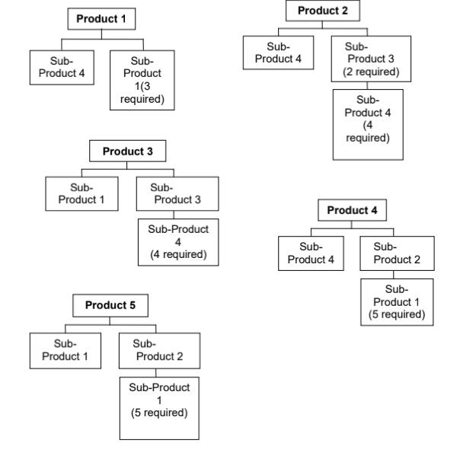
Product 2 | 182 | 201 | 217 | 204 | 169
Product 3 | 124 | 97 | 87 | 73 | 128
Product 4 | 82 | 85 | 89 | 92 | 95
Product 5 | 47 | 49 | 47 | 47 | 47

Quantity |  |  | Week 21 | Week 22 | Week 23 | Week 24 | Week 25 | total
 | Product 1 |  | 146 | 146 | 146 | 146 | 146 | 730
 | SP4(*1) |  | 146 | 146 | 146 | 146 | 146 | 730
 | SP1(*3) |  | 438 | 438 | 438 | 438 | 438 | 2190

 | Product 2 |  | 182 | 201 | 217 | 204 | 169 | 973
 | SP4 |  | 182 | 201 | 217 | 204 | 169 | 973
 | SP3(*2) |  | 364 | 402 | 434 | 408 | 338 | 1946
 |  | SP4(*4) | 1456 | 1608 | 1736 | 1632 | 1352 | 7784
 | Total SP4 |  | 1638 | 1809 | 1953 | 1836 | 1521 | 8757

 | Product 3 |  | 124 | 97 | 87 | 73 | 128 | 509
 | SP1 |  | 124 | 97 | 87 | 73 | 128 | 509
 | SP3 |  | 124 | 97 | 87 | 73 | 128 | 509
 |  | SP4(*4) | 496 | 388 | 348 | 292 | 512 | 2036

 | Product 4 |  | 82 | 85 | 89 | 92 | 95 | 443
 |  |  |  |  |  |  |  | 0
 | SP4 |  | 82 | 85 | 89 | 92 | 95 | 443
 | SP2 |  | 82 | 85 | 89 | 92 | 95 | 443
 |  | SP1(*5) | 410 | 425 | 445 | 460 | 475 | 2215

 | Product 5 |  | 47 | 49 | 47 | 47 | 47 | 237
 | SP1 |  | 47 | 49 | 47 | 47 | 47 | 237
 | SP2 |  | 47 | 49 | 47 | 47 | 47 | 237
 |  | SP1(*5) | 235 | 245 | 235 | 235 | 235 | 1185
 | Total SP1 |  | 282 | 294 | 282 | 282 | 282 | 1422

 |  |  | Master Production Schedule(MPS) for Subproducts
 |  | Week 21 | Week 22 | Week 23 | Week 24 | Week 25 | Total
 | SP1 | 1254 | 1254 | 1252 | 1253 | 1323 | 6336
 | SP2 | 129 | 134 | 136 | 139 | 142 | 680
 | SP3 | 488 | 499 | 521 | 481 | 466 | 2455
 | SP4 | 2362 | 2428 | 2536 | 2366 | 2274 | 11966

