Training
PTQ

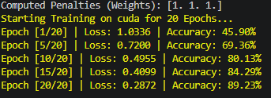

PTQ - Original
 | Precision | Recall | F1-Score | Support | 70.92
Rest (0) | 0.33 | 0.1 | 0.15 | 40
Squeeze (1) | 0.75 | 0.91 | 0.82 | 180
Motion (2) | 0.61 | 0.53 | 0.57 | 62

Accuracy |  |  | 0.71 | 282
Macro Avg | 0.57 | 0.51 | 0.52 | 282
Weighted Avg | 0.66 | 0.71 | 0.67 | 282

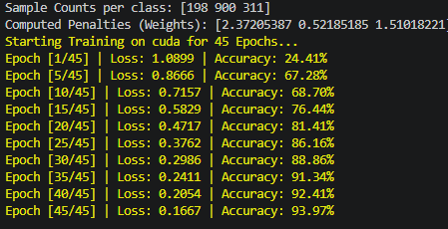
PTQ - INT8 |  |  |  |  | 70.92 | QAT - INT8
 | Precision | Recall | F1-Score | Support |  |  | Precision | Recall | F1-Score | Support
Rest (0) | 0.33 | 0.1 | 0.15 | 40 |  | Rest (0) | 0.33 | 0.15 | 0.21 | 40
Squeeze (1) | 0.75 | 0.91 | 0.82 | 180 |  | Squeeze (1) | 0.76 | 0.83 | 0.79 | 180
Motion (2) | 0.61 | 0.53 | 0.57 | 62 |  | Motion (2) | 0.59 | 0.66 | 0.63 | 62

Accuracy |  |  | 0.71 | 282 |  | Accuracy |  |  | 0.7 | 282
Macro Avg | 0.57 | 0.51 | 0.52 | 282 |  | Macro Avg | 0.56 | 0.55 | 0.54 | 282
Weighted Avg | 0.66 | 0.71 | 0.67 | 282 |  | Weighted Avg | 0.67 | 0.7 | 0.67 | 282

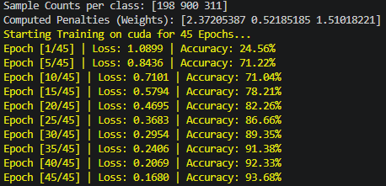
PTQ - INT16 |  |  |  |  |  | PTQ - INT16
 | Precision | Recall | F1-Score | Support |  |  | Precision | Recall | F1-Score | Support
Rest (0) |  |  |  | 40 |  | Rest (0) |  |  |  | 40
Squeeze (1) |  |  |  | 180 |  | Squeeze (1) |  |  |  | 180
Motion (2) |  |  |  | 62 |  | Motion (2) |  |  |  | 62

Accuracy |  |  |  | 282 |  | Accuracy |  |  |  | 282
Macro Avg |  |  |  | 282 |  | Macro Avg |  |  |  | 282
Weighted Avg |  |  |  | 282 |  | Weighted Avg |  |  |  | 282

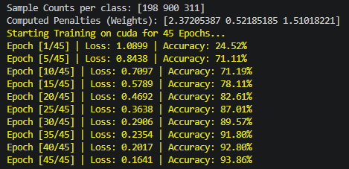
PTQ - INT32 |  |  |  |  |  | PTQ - INT32
 | Precision | Recall | F1-Score | Support |  |  | Precision | Recall | F1-Score | Support
Rest (0) |  |  |  | 40 |  | Rest (0) |  |  |  | 40
Squeeze (1) |  |  |  | 180 |  | Squeeze (1) |  |  |  | 180
Motion (2) |  |  |  | 62 |  | Motion (2) |  |  |  | 62

Accuracy |  |  |  | 282 |  | Accuracy |  |  |  | 282
Macro Avg |  |  |  | 282 |  | Macro Avg |  |  |  | 282
Weighted Avg |  |  |  | 282 |  | Weighted Avg |  |  |  | 282

PTQ - INT64 |  |  |  |  |  | PTQ - INT64
 | Precision | Recall | F1-Score | Support |  |  | Precision | Recall | F1-Score | Support
Rest (0) |  |  |  | 40 |  | Rest (0) |  |  |  | 40
Squeeze (1) |  |  |  | 180 |  | Squeeze (1) |  |  |  | 180
Motion (2) |  |  |  | 62 |  | Motion (2) |  |  |  | 62

Accuracy |  |  |  | 282 |  | Accuracy |  |  |  | 282
Macro Avg |  |  |  | 282 |  | Macro Avg |  |  |  | 282
Weighted Avg |  |  |  | 282 |  | Weighted Avg |  |  |  | 282

