QUOTE_2024
 | 56 hours Quoted on 120623 |  | quoted 12/06/23
1 | 24 hours |  | wiating for clarificaiton 12/08/23
1 | 2 hrs |  | get started with the project, need it monday 12/08/23
1 | 40 hrs |  | quoted, make sure you enter the porject name right 12/08/23
1 | 12 hrs |  | quoted 12/11/23
2 | Quote 12/11/2023 - Layout 120-140 hrs, Schematic-24 hrs (Sent split up quote12/28/2023) |  | customer thinks the quote is too high.
2 | Quote 12/12/2023- Layout 42 hrs |  | quoted 12/12
2 | 14 HRS QUOTED ON 121323 |  | Quoted 12/13/23
2 | Quote sent for 2 projects p1- 34 hrs /p2- 24 hrs on 121523 |  | thats ok, but still need to quote since I need to give some primary numbers.
3
81548 | 34 hours QUOTED on 121523 |  | quote submitted 12/15/23
 |  |  | quoted, get started 12/15/23
PV3.21L0 - Frore systems
001,003: | Quote 12/18/2023 - Layout 20 Hrs |  | quoted 12/18/23
013,015: For AD522-BD Unable to find smd part number. Old part number life cycle is Obsolete | Quote 12/18/2023 - Layout 20 Hrs |  | quoted 12/18/23
021,023: For 171-J Unable to find smd part number & datasheet. Old part number life cycle is Obsolete
025: For UPM-28/360-D5 Unable to find old PN datasheer & smd part number | Layout - 28 Hrs Quoted on 122123 |  | quoted 12/21/23
027: For UPM-28/100-D5 Unable to find old PN datasheer & smd part number | Quote 12/21/2023 - Layout/gerber 2 Hrs |  | quoted 12/21/23
1. FIT RFQ# 2402-0160 = PN 56000035-9(02132024) | Layout - 46 Hrs Quoted on 122223 |  | pls highlight in pink, quoted 12/22/23
1. Unable to find 44 pin finger with KEY option.We need Finger details | Layout - 56 Hrs Quoted on 122223 |  | quoted 12/22/23
2. FIT RFQ# 2402-0161 = PN 56000040-9(02132024) | Layout - 38Hrs Quote on 122723 |  | quoted 12/27/23
2. Need 327-22E-200 datasheet to use & find the SMD version | Layout - 20Hrs Quote on 122723 |  | quoted 12/27/23
79073-48010-1 2 hours | Layout - 38Hrs Quote on 010323 |  | quoted
79073-48010-2 2 hours | 4hrs quote sent on 010823 |  | quoted 01/08/24
79073-48010-3 2 hours | 32 hours sent on 010823 inclusive of schematics and layout. |  | quote sent 01/08/24
79073-48010-4 2 hours | 80 hours sent on 010923 Pls confirm can we use the same stack of vias since they have used 1-5 directly and also confirm do we need length matching if so they quote will vary.update quote will be extra 40 hours for the via stack change and length matching so total 120 hours quoted on 011124 |  | quoted 01/09/24
810790-1 - Summit | Layout -6 hours sent on 011024 Requote - 30hrs |  | after release give me the final hours to quote. 02/13/24
811501 staggered via quote sent on 120523 |  |  | quote submitted 01/10/24
811680_80 hrs | Sent on 011024 |  | quote submitted 01/10/24
Aerlync |  |  | quote submitted 01/10/24
Aerlync |  |  | quote submitted 01/10/24
AMD |  |  | quote submitted 01/10/24
AMD |  |  | quote submitted 01/10/24
AMD |  |  | quote submitted 01/10/24
ASTER LABS - Penumbra - SENT ON 051624 |  |  | quote submitted 01/10/24
ASTERLABS | Layout -60 hours sent on 011124 |  | quoted 01/17/24
ASTERLABS | placement+fanout | 20
Axiado | power plane | 4
Axiado | routing | 24
Axiado | silk+fab | 7
Axiado - HAPS-100 debug card design | release | 4
B122477/258-FX004 rev C | footprint | 1
CHANGES
Enosemi | Total | 60
Estimated hours
Estimated hours | Total layout 28 hours sent on 011224 we need dxf or reference gerbers to proceed we where not able to convert the given pdf. |  | quoted 01/16/24
fab | Placement | 2 | quoted 01/17/24
fab+silk | power plane | 2
fab+silk | routing | 8
fanout | silk+fab | 2
File sent on skype | release | 4
FIT | Total | 18
FIT
FIT
FIT | Total hours 34 - 40 hours sent on 011924 |  | Do we have the schematics for the reference project? 01/22/24 |  | I will need the hours for the Vail 3 board, so that I can submit the quote once the porject is completed. I could not quote ICT test point sperately. Hope you are also working on the ICt Test Points.
FIT | placement | 12
FIT | RF routing | 8
FIT | other routing | 4
FIT | silk+assembly+fab | 6
FIT | release | 4
FIT
FIT
FIT
FIT
FIT | Quote sent on 012224 |  | quoted 01/22/24
FIT | If we get referernce file the quote will be | 2
FIT | If we design as a fresh project | 8
FIT
FIT
FIT | Tahoe board sent on 01244
FIT | schematics - 20 hours
FIT | Layout - 40 | 60
FIT
FIT | 1. Need datasheet for Socket . 2.Any specific site to site spacing. 3.Please provide the dsn or bom file.
FIT
FIT
FIT
FIT | SIT-RD/MH Confidential RFQ DD-285 Quote sent on 012524 |  | Customer name is wrong 01/25/24 Was all the information clear to quote, do you have all the details to get started with the layout?
FIT | schematics /Tester creation | 12
FIT (CBL00162 10) | Template creation/component creation | 18
FIT (Textron Layouts) 05142024 | Placement | 4
Fit flex_Ball Aerospace quoted on 120923 | Rf/Routing/Plane | 12 | We cannot provide S parameters right?
FIT(120524) | Silk/Assembly | 4
footprint | Gbr | 6
Frore systems |  | 56
Frore Systems
FRORE SYSTEMS
Frore systems | MD36471 SENT ON 012524(Need connections details) | 6
Frore systems | we can place vias of 0612 or 0816 but it depends on connection details.
Frore systems
Frore systems
Frore systems | HAPS_ card sent on 013024 | 32 hrs
Frore systems
Frore systems | PT-0036804 sent on 013024 | 30 HRS | quoted 01/30/24
Frore systems
Frore systems
Frore systems | IGT-102 RFQ, 93K loadboard for ASIC-2 Package test - Quote sent on 013124 |  | quoted 01/31/24
Frore systems | sch- 8 placement - 8 - routing /pwr - 16 gbr /silk /release - 6 | 38 hours
Frore systems | We have an mismatch between datasheet (2209 pins)and pin map xl (3054 pins).
Frore systems
Frore systems | iTEST - Tahoe BIB
Frore systems | Schematics - 16 hrs Template creation we need clear information - 8 component creation and placement - 12 routing - 16 silk/Fab /Release - 10 | 62 hours | what clear info is needed, use the schematics pdf provided and the old file and can we not create the schematics? Quoted 01/31/24
Frore systems
Frore systems -PV3.21A0 | Transtech Heater FPC | 8 hours
Frore systems (11052024)
Frore systems(112024) | SIT-RD/MH Confidential RFQ DD-285 | working on template
Frore systems(112824)
Frore sysytems | PT-0030241-C | 38 hrs | quoted 02/07/24
Froresystems
Glaciermicroelectronics | RFQ# 2402-0170_Curtiss-Wright sent on 021023 | 12 hrs | ok sent to customer 02/12/24
HSP_REVA | Layer count detail : 2 layers(we have diff pairs in this file so we need to get controled impedance trace width)mail sent regarding it.
Hydra3 files for RFQ
INTEGRA | EXPLORERTRO6 | 62 hrs | quoted, are you sure this is sufficient, we will not get the reference file. 02/08/24
INTEGRA | Do we have at referece file for this project? |  | I never got an answer for my query 02/09/24, I need a response in an email.
INTEGRA | Layer count will be 8 to 10 layers |  | quoted this project 02/12/24
INTEGRA
intercreate.io | RFQ# 2402-0179 quote sent on 021024 - 4 hrs
intercreate.io | Board size - 3 x .626 inches We will use 5 mil tracewidth with 6.8 mil airgap for the 0.3 AMPs mail sent regarding it. |  | submitted to customer 02/12/24
lga
MACOM
MACOM | We need board size /Finger details rest as per the pdf its all wire connection will be done as shown below but still not clear how will they insert this finger board here.
Macom
Macom | 003 - CARD ASSY - BOARD 1 (SCHEMATICS AND LAYOUT) | 12 HRS
Macom | 001 - CARD ASSY - BOARD 2 (SCHEMATICS AND LAYOUT) | 4 HRS
Macom
Macom
Macom | NGC_Group2_Cards_Redacted ( 6 BOARDS ) |  | this project is not quoted yer, make sure it is pink till I state that the porject is quoted 02/16/24
Macom
Macom | -001 to -011 (schematics and layout) | 5 hrs
Macom | -013 and -015 (schematics and layout) | 5 hrs
Macom | -017 and -019 (schematics and layout) | 6 hrs
Macom | -021 and -023 (schematics and layout) | 8 hrs
MACOM | -025 (schematics and layout) | 3 hrs
MACOM | -027 (schematics and layout) | 3 hrs
Macom
MACOM
Macom | Hours | Notes
Macom | 16 | We need dsn file for the intertooling for the placement | quoted and requested the files 02/13/24
Macom | 16
Macom | 4
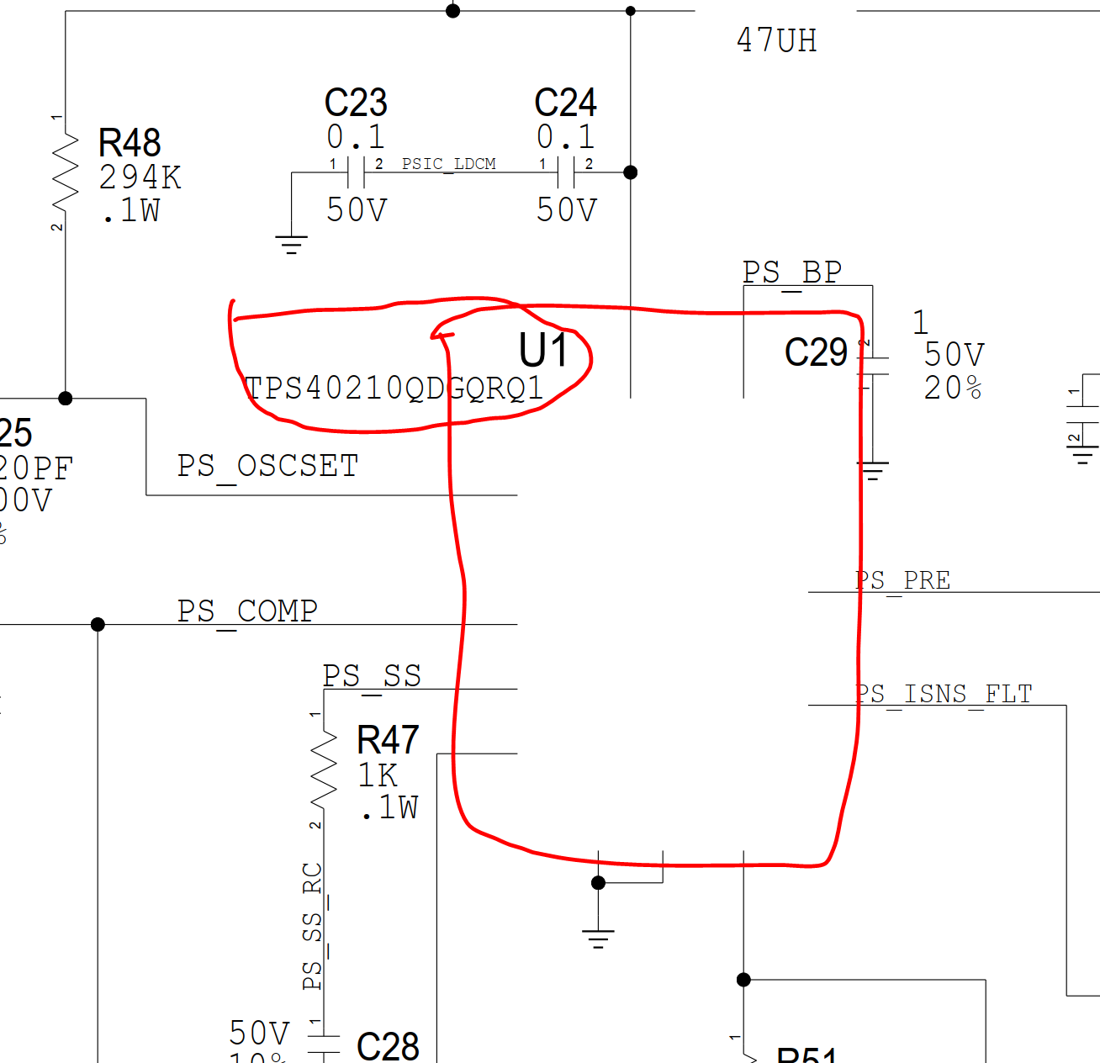
Macom | 4
MACOM | 40
MACOM | 40 - 50 | For this job if we need to create the footprints hours may increase up to 4 hours
Macom |  | We need board outline dxf or clear dimension and netlist to start layout
Macom
Macom
MACOM - PT-0034634-A | Hours | Notes
MACOM -PT-0029526C SENT ON 051424 | 16 | We need dsn file for the intertooling for the placement | quoted and requested the files 02/13/24
Macom 021324 | 16 | Can we get an updated schematic pdf? The provided schematic pdf is missing the component symbol image(schematic symbol dra).example refdes U1,U7
Macom 021424 | 4
Macom 021624 | 4
MACOM-PT-0035530- | 40
MARVEL | 40-50
Marvell
NCAB
NCAB | PT-0035916 | Layout 48 hrs | Quoted 02/13/24
NCAB GROUP
NCAB GROUP | PT-0034556-B |  | quoted 02/14/24
NCAB GROUP | routing | 8
NCAB GROUP | silk+fab | 2
NCAB GROUP | release | 4
NCAB GROUP | Total | 14
NCAB GROUP
NCAB Group | Placement | 8hrs | quoted 02/16/24
ncabgroup | Routing/Power plane | 24hrs
No customer name | Silk+fab | 6hrs
Onsemi | Release | 4hrs
P3
P3 | Total | 42hrs
P3
P3 | NCP81428 7 phase board sent on 021924 | 12 - 16 hrs | quoted 02/19/24
P3 | Allegro to pads conversion
P3
P3
P3 | IGT - MH - IGT-103 - MUX LGA DUT card |  | quoted 02/21/24
P3 | SCHEMATIC | 4hrs
P3 | Layout | 20hrs
P3
P3 | TP2.11M1 sent on 022324(if we continue with TP2.11M0 file the hours will be 4) if any placement changes need to be done then the hours will vary | 4 hrs | quoted 02/23/24
P3 | IGT - MH - IGT-104 BAH CAMS A2 Chroma Load board, 256 BGA hand test sent on 022324 |  | quoted but do we ahve enough informaiotn to get started ? 02/23/24
P3 | SCHEMATICS - 4 | 16 - 20 hours
P3 | Layout - 16 hrs
P3
P3 | PT-0037173 | 8Hrs | quoted 02/28/24
P3
P3 | Control board
P3 | Schematics - 24 hours | 92 hours | quoted, we will just do the layout 03/01/24
P3 | Component creation - 10 hours
P3 | Placement - 16 hours
P3 | Routing /Power plane - 32 hours
P3 | Sik /Assembly -6 hrs
P3 | Fab/Gerber -4 hrs
p3
p3 | Query:
P3- ANTENNA BOARD | Need Fpga Datasheet with pin Details
P3-BRCM - NV - NXT009 1A4H PBB | Need rereference pcb for the circuit replicate and board dimensions
P3-moon surgicals
P3-TH00-0247-0A | Approx Component list
P3TI | MCIO connector | 1
P3TI | PCIe connector 64 pin | 8
P3TI | PCIe connector 58 pin | 1
P3TI | Header | 1
P3ti | 10 pin header | 1
p3ti | input power supply conn | 2
p3ti | LDO-LTM4676 | 2
p3ti | POWER- DC - DC (TPS54531DDAR) | 2
p3ti | LDO-PTR08060WVD | 1
p3ti | LDO-LT3033EUDC | 2
P3ti | LTC3026EMSE | 1
P3ti | TPS74801 | 1
P3ti | Voltage monitor-TPS3808 | 3
P3ti | SEQUENCE GEN - LM3881 | 1
P3ti | BSS138 | 1
P3ti | HOT swap controller IC | 8
P3ti | current sense amp IC | 24
P3ti | ADC IC | 1
P3ti | Flash IC | 1
P3ti | OSC IC | 1
P3ti | FRAM IC | 1
P3ti | Fan conroller IC | 1
P3ti | Main FPGA-780 PIN-BGA | 1
P3ti | TXS0108ERGYR- aproximate | 2
P3ti | PASSIVE | 650
P3ti
P3ti
P3ti | Heater B82-20000-048 | 4 Hrs | quoted but can you confirm if we can meet the requirement on Monday morning 03/01/24
P3ti |  |  | Yes. We can meet the requirement using 13mil trace width and 8 mil air gap
P3ti | PV3.21A1 | Approx 30 - 32 hrs .As per the customer mail they say addition of components will happen but deletion of components happens.Attached is the eco report in mail. | quoted, they did not say there will be deletion of components? Pls get started 03/05/24
P3ti | ASM2003147 IM2c |  | quoted 03/05/24
P3ti
P3ti | Placement | 16hrs
P3ti | Routing | 20hrs
P3ti | Silk +fab + assembly | 6hrs
P3ti | Release | 4hrs
P3ti | Total | 46hrs
P3ti | Queries
P3ti | 1.Can we place the component in bot side? Please provide the height restriction.
P3ti | 2.Confirm that any mounting holes are needed.
P3ti | 3.As they said "Follow Vicor guidelines re: layout" for Refdes U22. However, guidelines were missing in the datasheet. (Request them to provide that guideline layout)
P3ti | 4.Please provide the guideline for antenna and keepout details
P3ti | 5.Is there any specific location for antenna ?
P3ti | 6.Is board outline is fixed?
P3ti
P3ti | MD36249-0 | 8 Hrs | quoted 03/06/24
P3ti | MD36244-0 | 8 Hrs | quoted 03/06/24
P3ti | 1.Trace width 4 mil / via size 6/16
P3ti | 2.The layer count will be increased (approximetly 4 layers)
P3ti | 3.The fiducials are too close to the bottom pads in MD36244 (minimun spacing is 1.5 mil)
P3ti | 4.Hope we can go with pad on via option
P3ti | 5.Rough layout sent on skype
P3ti | 6. Is there any specific orientation for top side pads we don't have pin number information
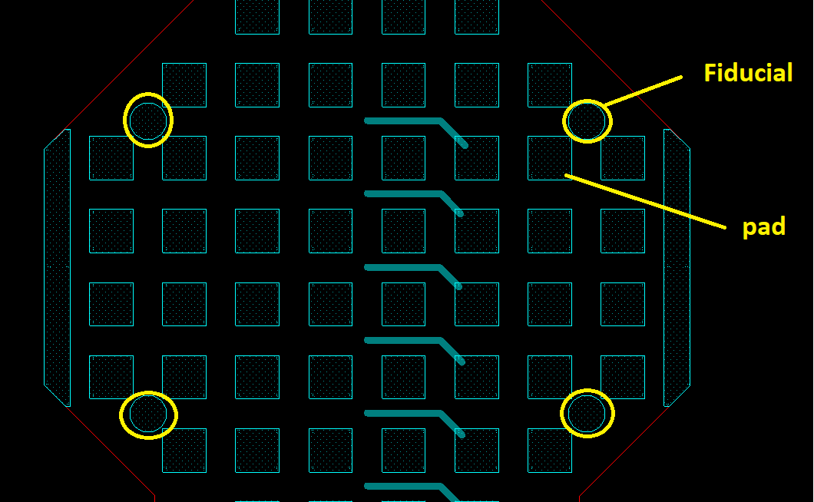
P3ti
P3ti
P3ti
P3ti
P3ti
P3ti
P3ti
P3ti
P3ti
P3ti
P3ti
P3ti
P3ti
P3ti
P3ti
P3ti
P3Ti -GC2804
P3ti(120924)
PCBA Design
PLACEMENT
placement
Placement+fanout
Placement+fanout
PT-0021385-C
PT-0033772-A
PT-0033774-A
PT-0034195-A sent 120823
PT-0034556-B
PT-0035755-A
PT-0036334-
Query sent 021824
release | PT-0029258D | 32 Hrs | quote sent 03/09/24
release | PT-0010359B | 30Hrs | quoted 03/10/24
release | Rigid = RFQ# 2403-0343(mail sent regarding it) | 4 HRS | quoted 03/10/24
RFQ for Microchip UNG PCB | Flex = RFQ# 2403-0344(mail sent regarding it) | 4 HRS | quoted 03/10/24
RFQ_Interposer w/ Thermistor sent on 120823 | PT-0029229B | 32Hrs | quoted 03/13/24
routing
routing | Main_board(ALTIUM) | 48 hrs | submitted on 03/15/24
routing | Power_board (ALTIUM) -Board have any Creepage rules? The board has VAC inputs only. | 32 hrs | submitted on 03/15/24
ROUTING AND PLANE
SILK,ASSEMBLY,FAB AND RELEASE | PT-0030259C | 34 Hrs | quoted on 03/18/24
silk+assembly | RIBBON_CABLE | 4 hrs | quoted on 03/20/24
SNitch Snow - need to send quote
Sparrow2 | PT-0029260B | 34 Hrs | quoted on 03/22/24
stellar-exploration | SCF-106328-01-SA | 2 hrs | quoted 03/24/24
SUMMIT (quote sent on 021824)
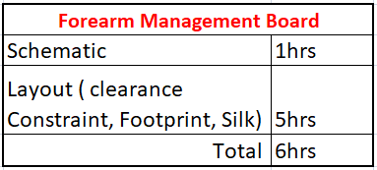
SUMMIT INTERCONNECT
Textron layout Quotes -P3 ( 7 JOBS) | Quote sent on 032724 |  | quoted 03/27/24
Total
Total
TOTAL
Total
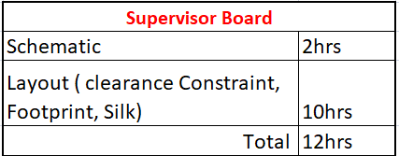
W1 79073-49016 Acoustic Flex 4 hours
W13 79073-49028 Seismic Flex 4 hours
W2 79073-49017 Terminal Sensor Flex 2 hours
YES

 | CXL Control Board - UPDATED QUOTE SENT IN MAIL ON 032724 |  | quoted 03/27/24
 | Sandia * Flex cable | 8 hrs | quoted 03/28/24

 | PT-0009636A | 34 Hrs | quoted 04/01/24
 | FAA – Conceptual layout | 9 hrs | quoted 04/03/24
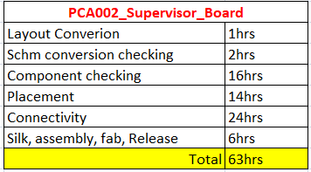
 |  |  | quoted 04/03/24

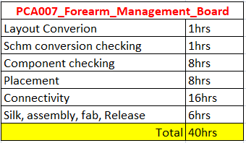

 | SRC NewUro Parallel Circuit query mail sent on 040824 | quoted 04/08/24
 | Custom Samtec connector with FFC layer count mail sent on 040924 | quoted 04/09/24
 | Stardust LAYOUT ONLY - 4 HOURS SENT ON 041123 | quoted 04/11/24

 | PT-0038458A
 | PLACEMENT - 6hrs | quoted 04/11/24
 | ROUTING,LENGTH MATCHING AND PLANE - 18hrs
 | SILK,ASSEMBLY,FAB AND RELEASE - 6hrs
 | CHANGES - 2hrs
 | TOTAL - 32

 | IGT-105 ( 93K probe card layout) - 20hrs | quoted 04/15/24

 | GBB3.32A0 40 to 48 hours sent on 04/16/24 | quoted 04/16/24

 | IGT-106 EL4544 Chroma Loadboard - 32Hrs sent on 04/16/24 both layout and schematics | quoted 04/16/24
 | BRCM - NV - Queensboro (APD0490) - 82 Hrs sent on 04/16/24 only layout schematics will be provided from customer. | quoted 04/16/24
 | Reverse Engineering Approx 20 hours sent on 04/16/24 | Quoted, pls fix the gerbers 04/16/24
 | iChlor ATE Ctrl, Rev B sent on 04/18/24 total -38 Hrs | Is this to recreate the schematics and layout 04/18/24 | yes they gave pdf if they provide dsn we dont need to work on it but we have quoted 4 hours for the schematics.
 | Thermal Load Board Approx 56-60hrs | quoted 04/18/24
 | Chroma 3650 - schematics + LAYOUT - TOTAL - 16 HRS sent on 041923 | Quoted 04/19/24
 | CEM Control Adapter Board - schematics + LAYOUT - TOTAL - 25 HRS sent on 042223 | Infuture pls list schematics hours and layout hours seperately
 | EDSFF_Control_Adapter_Board - schematics + LAYOUT - TOTAL - 24 HRS sent on 042223 | Quoted 04/22/24
 | Test_Board - schematics + LAYOUT - TOTAL - 20 HRS sent on 042223
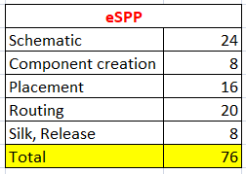
 | Quote sent on 042424 | quoted 04/24/24
 |  | lease start this project do not add to the list yet.

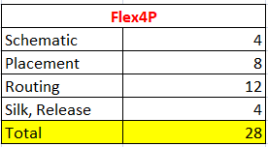
 | Quote sent on 042424 | quoted 04/24/24

 | INSCOPIX_MINI2PFLEX_R0.1 (rigid-flex) 12-14hrs sent on 042524 | quoted 04/29/24
 | Need datasheet for LCC20(U3) connector

 | X6846(FIT RFQ# 2403-0320 for MD36249-0 & 2403-0321 for MD36244-0 ) 2 hours sent on 042924(ref file sent on mail) | quoted 04/29/24, specify this during layout
 | 1.Hope we can swap the signals as we did on previous version.
 | 2.We can use only 6x14 via(6 mil drill/14 mil pad) to avoid DFM issues.(in previous version we used 6x16 via 6mil drill/16 mil pad)

 | IGT-109 -803-1045707-000UFF BGA Chroma load board- Need BGA pin list as for now SCH-4HRS LAYOUT -24HRS(BGA COUNT 356 PINS) TOTAL -28HRS APPROX | quoted 04/30/24
 | IGT-108- Morpheus Chroma 3650 Loadboard - SCH-4HRS LAYOUT -16HRS TOATAL- 20HRS | quoted 04/30/24
 | RFQ for Microchip UNG PCB ED2 SODIMM - Component , placement , routing and release -20hrs | quoted 05/02/24
 | TH00-0247-0B - 6 hours | quoted 05/02/24
 | TH17-0059-0C - 1 HR SENT ON 050324 | quoted 05/03/24
 | PMIC RFQ SCH + LAYOUT = 5 HR + 32 HR = 37 HR | quoted 05/03/24
 | Reverse Engineering a Flex Board (P22493) - 12 hrs we need clear information to proceed kindly see mail. | quoted 05/14/24
 | RTI- 93k quote(If the signals are ok to swap else if it is dedicated resource the quote will increase by 50%)
 | Daughter board - 24 HRS SCH 4 + 20 HRS LAYOUT (Raj: 30hrs) | quoted 05/07/24
 | Mother board - 30 HRS SCH 6 + 24 HRS LAYOUT (Raj: 36hrs) | quoted 05/07/24

 | GBB interposer board layout. - only layout 8 hours | Quoted 05/10/24
 | Y - FLEX - only layout 6 hrs | Quoted 05/10/24
 | Test BOARD - schematics 1 hr + layout 9 hours = Total 10 hrs | Quoted 05/10/24

 | Monish - MF1_1041_F1_A1 - Total 88 hrs | quoted 05/10/24
 | Monish - MF1_1042_F1_A1 - Total 56 hrs | quoted 05/10/24

 | IGT-110 Chroma LB XCF32PFS48C - Sch and layout - 16Hrs | Quoted 05/12/24

 | 210123 - Revision layout 16Hrs (051124) | Quoted 05/13/24

 | RU0-876-1024 PGA - 24 hours | quoted 05/12/24

 | 6
 | 18
 | 6
 | 2
 | 32 | quoted 05/14/24

 | W16 79073-49030 VSI Flex - 8 Hours | quoted 05/14/24
 | W11 79073-49026 RFC3 Interface Flex- 8 hours | quoted 05/14/24
 | W2 79073-4907 Terminal Sensor Flex - RevA -4 Hours | quoted 05/14/24
 | W4 79073-49019 Enable Switch Flex- 4 hours | quoted 05/14/24

 | 32
 | 12
 | 12
 | 56
 | 8
 | 2
 | 8
 | 130 | quoted 05/16/24

 | NR-RTI-PN 1001HB051424A - 40 Hrs | quoted 05/16/24
 | Dronut Main Board R1 - Layout and schm - 56 hours quoted on 051624 | The understanding of the scope of work is not clear.
 | Scope of the project: To combine 4 boards into single board (Dronut main board ) | looks like the document was not completely read.
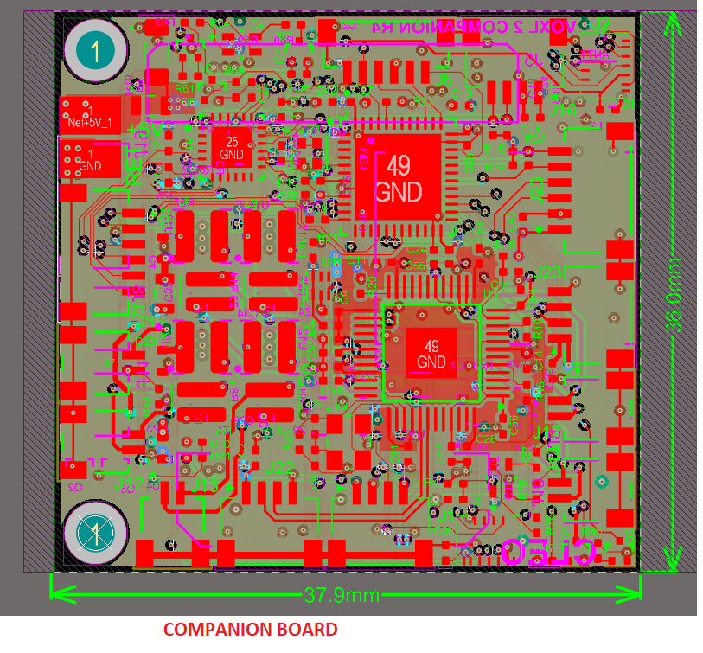
 | We need clear mechanical information.

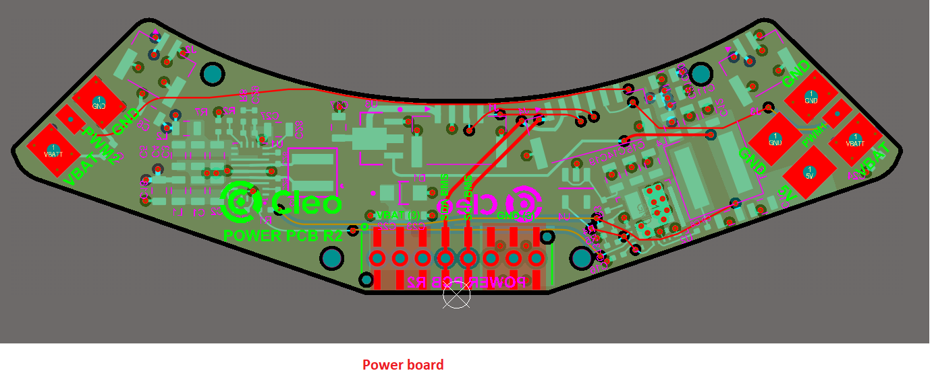

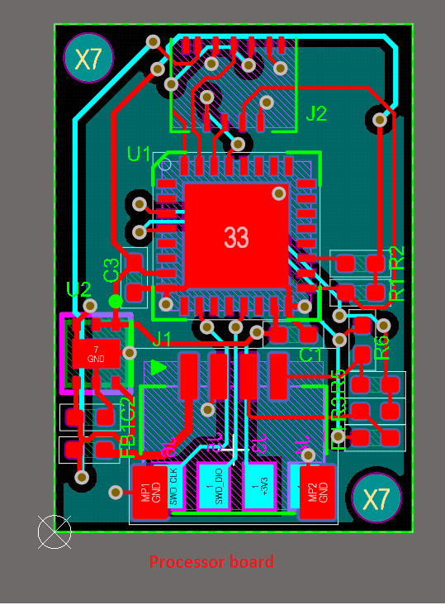

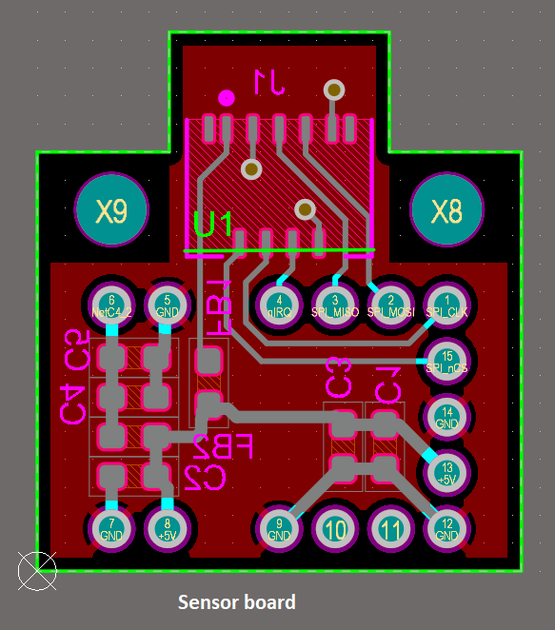

 | Block diagram for Dronut Main Board - Single board
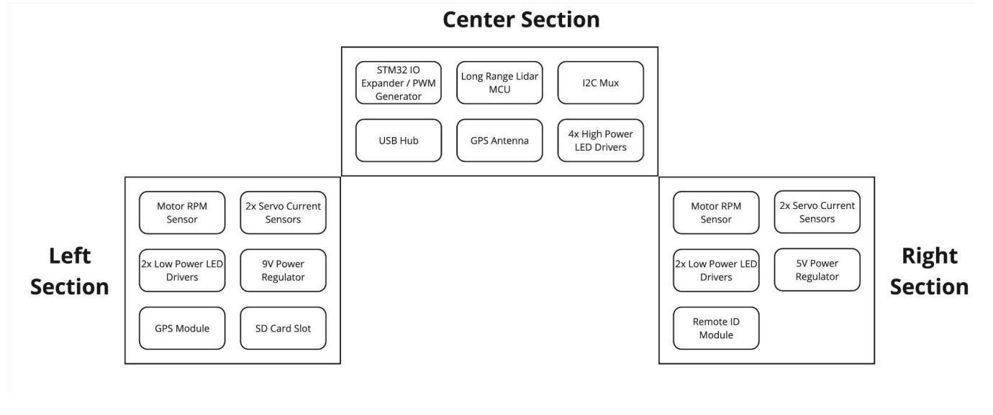

 | IGT-112 PN UFF Chroma Probe card - 18 Hrs Need template to proceed | Quoted 05/17/24

 | ROCT-508 - 32hrs pitch - /0.35 mm layercount - /10 tracewidth - 2 mil /Airgap - 1.37 mil / drill to copper - 3.87 mil (pin count - 269 /routing nets also 269) | quoted 05/20/24
 | RZM2-015 - 18hrs - connector only tracewidth 10 mil / airgap - 8 mil / drill to copper 8 mil / layer count - (6 layers) (384 nets to be routed) | quoted 05/20/24

 | GM35_Probecard_Cables Layout and schematics 14-16Hrs | quoted 05/21/24

 | PT-0029263C
 | PLACEMENT - 6hrs
 | ROUTING AND PLANE - 14hrs
 | SILK,ASSEMBLY,FAB AND RELEASE - 6hrs
 | CHANGES - 2hrs
 | TOTAL - 28hrs | quoted 05/21/24

 | Placement , routing , length matching and cleanup - 24 hrs
 | Queries attached in the mail

 | Flex 4p - Intial quoted hours 20 hours revised quote will be 48 hrs

 | NXT009-2A8H Quote 05/22/2024 - Layout 78hrs, Schematic-18 hrs Total-96hrs | Quoted 05/22/24

 | Riser card - 2 days | Quoted 05/22/24

 | ROCT-509_511 PSP | Quoted 05/29/24
 | Nets - 511 all to be routed
 | pitch - 0.35 mm
 | layer count - 10- 12 layers

 | PT-0038707A | quoted 05/30/24
 | COMPONENT CREATION/PLACEMENT - 4hrs
 | ROUTING AND PLANE - 16hrs
 | SILK,ASSEMBLY,FAB AND RELEASE - 6hrs
 | CHANGES - 2hrs
 | TOTAL - 28hrs

 | AVY probe card - Layout- 16hrs (including component creation) & sch -3Hrs Total-19hrs | quoted 05/30/24

 | Proteus SIB board | 80% of the Brcm
 | COMPONENT CREATION - 2hrs | quoted 06/03/24
 | SCHEMATIC - 15hrs
 | PLACEMENT - 16hrs
 | ROUTING AND PLANE - 30hrs
 | SILK,ASSEMBLY,FAB AND RELEASE - 12hrs
 | CHANGES - 5hrs
 | TOTAL - 80hrs

 | LED Panel, FAB-00109-01 - 3 HRS | quoted 06/04/24
 | QSFP-DD Daughter Card V03, FAB-00023-03 - 3 HRS
 | OSFP Daughter Card V02, FAB-00021-02 - 3 HRS

 | Socket SP7 - 140 hours | quoted 06/04/24

 | GBB_TestBoard_A1(need to hrs of GBB3_32A1) 10 HRS | quoted 06/04/24

 | RTI-PN RYU0-891 (10776) - Its not regular template total net count 240 signal need to create connectors (2 components) - 20 hrs | quoted 06/05/24

 | ITT-MH/H IGT-111 // 8 pin QFN hand test DUT card - Schematics and layout - 16 hrs | quoted 06/06/24

 | KCB-MH/H PN: 81300 Rev -16 HRS | quoted 06/06/24

 | MD36943- rigid board 8 HRS | quoted 06/06/24

 | PT-0037446A | quoted 06/06/24
 | PLACEMENT -4hrs
 | ROUTING AND PLANE - 12hrs
 | SILK,ASSEMBLY,FAB AND RELEASE - 6hrs
 | CHANGES - 2hrs
 | TOTAL - 24hrs

 | 10802_ROCT-511 | quoted 06/07/24
 | Nets to be routed - 1080
 | pin pitch - 0.35 mm
 | Total - 1905 pins rest plane .

 | PV3.21A2 Hours 44 to 50 | quoted 06/09/24

 | 10705_RZM2-017 net to be routed 384, no socket, connector to probe connections only. | quoted 06/11/24

 | 3-4 weeks for layout 2-3 weeks for schematics | quoted 06/10/24

 | New quote KCB-MCS-MH/H PN: 81630 Rev 02 8 hours | quoted 06/13/24

 | Gal Probe Card - 24 hours | quoted 06/13/24

 | TH00-0265 - 10 hrs | quoted 06/13/24
 | TH00-0266 -10 hrs
 | TH00-0267 - 10 hrs

 | Meadowlark Optics 23028 Flex Interconnect.pdf - 126403- M6342 -Logo creation - 4 hours | quoted 06/13/24

 | 81646 Rev 01. -16 HRS | quoted 06/14/24

 | Test bench flex cable design - 10 hrs | quoted 06/20/24

 | RH1013DICE DUT board - sch 3hrs, layout - 15hrs (including component creation) - Total - 18Hrs | quoted, pls create a seperate excel file for this. let us talk 06/24/24

 | 10775_ROCT-513 | quoted 06/25/24
 | 0.65 mm pitch need to create socket
 | total 480 nets all routing

 | PT-0033774B | quoted 06/25/24
 | FOOT PRINT CREATION AND PLACEMENT - 6hrs
 | ROUTING AND PLANE - 20hrs
 | SILK,ASSEMBLY,FAB & RELEASE- 6hrs
 | CHANGES - 4hrs
 | TOTAL - 36hrs

 | 16-pin FPC update 3hrs only for sch and layout update if we need to add fab and release then hours will increase | quoted 07/01/24

 | IGT-114-MH- 4 pin Transistor RF DUT card - SCH 1hr LAYOUT-4 TO 6hrs | quoted 06/27/24

 | ControllerBoard (ALTIUM) - 18 hrs | quoted 06/27/24

 | Cu Coin Marketing PCB - 8 hrs | quoted 06/27/24

 | DXF conversion (Blur Products 101381-01 PCB Layers) 8 Hrs | quoted 06/29/24

 | RFQ Carrier Board CB_A0 placement and layout 36 to 40 Hrs | quoted 07/01/24

 | iTEST Layout - 10 Hrs | quoted 07/02/24

 | PT-0039362A | quoted 07/02/24
 | FOOTPRINT CREATION & PLACEMENT - 2hrs
 | ROUTING AND PLANE - 8hrs
 | SILK,ASSEMBLY,FAB & RELEASE- 4hrs
 | CHANGES - 2hrs
 | TOTAL - 16hrs

 | iTEST Layout - REQUOTE 32 Hrs

 | Mini2P-Cable-Board - 6 hours. | quoted 07/09/24

 | Top side rectangular box , bottomside circle we assume bottom one is a through hole in that case will we have short between nets.

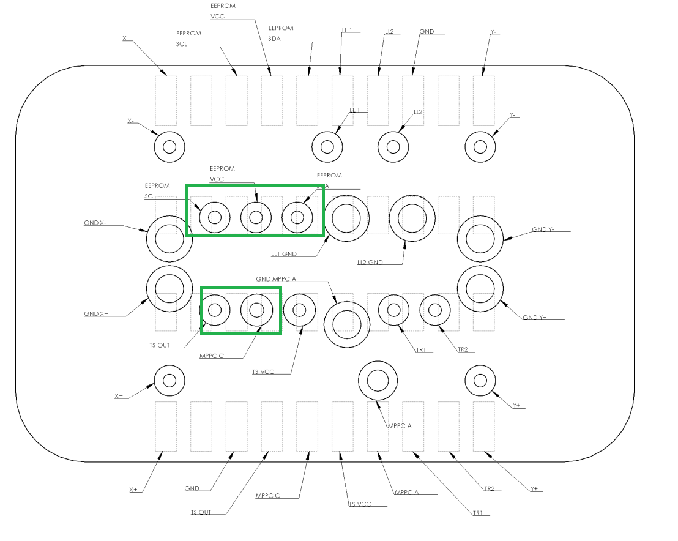

 | PV3.11M0 board 40 Hrs | quoted 07/11/24
 | 1175JO071024 Burn in board (option1) gbr to layout conversion - 10 hrs | quoted 07/12/24
 | 1175JO071024 Burn in board (option2) If layout given through hole to smd - 3 hrs

 | USB3 FLEX 8 HRS board size 4 inch x .55 inch - 2 layer | layer count??
 | ETHERNET FLEX 8 HRS board size 4 inch x .55 inch - 2 layer
 | IO1 Flex Cable (IO flex) 12 HRS board size 4 inch x .866 inch - 4 layer
 | IO2 Flex Cable (serial flex) 12 HRS board size 4 inch x .630 inch - 4 layer

 | KLA_SLX Backplane Board - 4 HOURS | QUOTED

 | PV3.31A0 - 24 hrs. | quoted 07/23/24
 | AirJet to PCB Cable 8 hrs | quoted 07/26/24
 | Thermostat to PCB Cable 8 hrs | quoted 07/26/24

 | small QSFP Paddle Card 8 HRS | quoted 07/31/24

 | PT-0039315A - TOTAL 58Hrs | quoted on 08/01/24

 | ITT-MH/H PN: IGT-115 -2432 Chroma probe card designs - 10 to12 Hrs | quoted 08/02/24

 | ITT-MH/H PN: IGT-116 - 2427A Chroma probe card designs - 10 to 12 Hrs | quoted 08/02/24

 | GBB3.32A2 40 Hrs | quoted expedite, so pls finish this asap 08/06/24. let the customer know completion date

 | PAK 3C 16-pin FPC 8 Hrs | quoted 08/06/24

 | PT-0039023A - TOTAL 58hrs | quoted 08/06/24

 | 0900-0283-01 - 26 hrs | quoted 08/06/24

 | Query:
 | Which tool we need to design Altium or allegro they have given schematics in altium but we need to add parameters to the components in the schematic file
 | E-points (A1-A8...,H1-H8) have no connection in the schematic file. please confirm but in reference gerber they have connections.
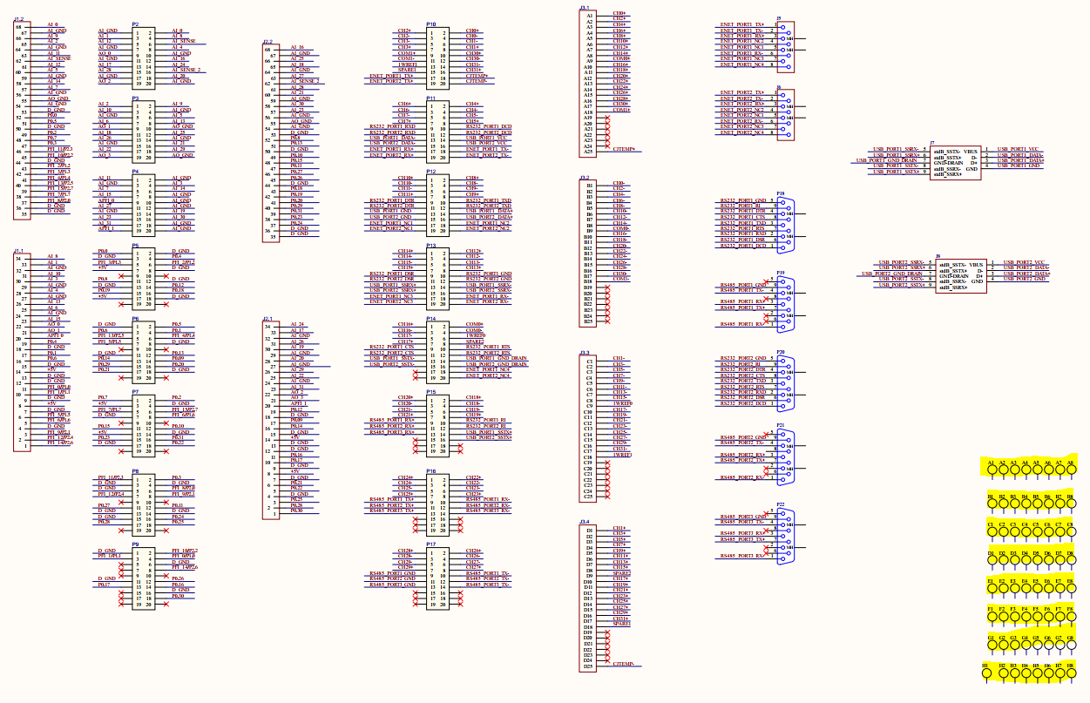

 | PT-0034227B
 | PLACEMENT - 8hrs
 | ROUTING AND PLANE - 16hrs
 | SILK,ASSEMBLY - 6hrs
 | FAB AND RELEASE - 6hrs
 | CHANGES - 4hrs
 | TOTAL - 40 | quoted 08/09/24

 | PT-0040054A | quoted 08/13/24
 | PLACEMENT AND COMPONENT CREATION - 12
 | HIGH SPEED ROUTING - 10
 | ROUTING AND PLANE - 16
 | SILK,ASSEMBLY - 6
 | FAB AND RELEASE - 6
 | CHANGES - 4
 | TOTAL -54

 | 6-PIN vs10-PIN FLEX V1_0 - 8 hrs

 | SODIMM -Estimate quote hours and notes sent. 081624 - sch + layout - 40 + 100 = 140 hours | quoted 08/16/24 |  | Udhay | quoted should not be listed in this sheet 08/16/24

 | UNIVERAL FPCNTHERM - 3 hrs

 | ROCT-520_1890 pins - (48 hours actual working time) | quoted 08/26/24

 | Socket SP8 MTB PCB Design (QUOTE AS PREVIOUS VERSION) | quoted 08/27/24

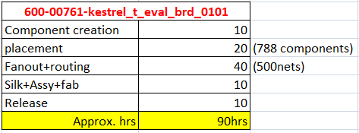
 | 600-00761-kestrel_t_eval_brd | quoted 08/27/24

 | PT-0040031A - TOTAL-12HRS | quoted 08/27/24

 | 6249 -(12-14 hours) sent on 082930 | quoted 08/30/24

 | Stellartech Research Corp: Revision to 882-0716-000 X1 (2 HRS)
 | EXISTING JOB NAME: SRC NewUro Parallel Circuit (Fit part number D6882)

 | Flex4P updates 28 to 32 hrs | quoted 09/12/24
 | Need data sheet for Kinsun 4002P40000 power connector
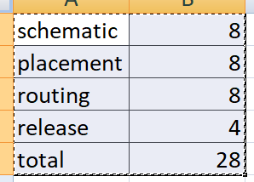

 | KLA Flex totally three projects hours. | quoted 09/13/24
 | Flex3 = 6 HRS
 | Flex4 = 6 HRS
 | Flex5 = 6 HRS

 | Estimate 40 to 48 Hours. 091724

 | RU0-889 | Quoted 09/20/234
 | Need to create socket
 | Nets - 426 all to be routed
 | pitch - 0.35 mm
 | layer count - 8-10 layers

 | ROCT-524 | quoted 09/23/24
 | Need to create socket
 | Nets - 1036 to be routed
 | pitch - 0.39 mm
 | layer count - 10-12 layers
 | Total Hours - 40

 | CB_INT_A0 8 hours | quoted 09/24/24

 | 10-PIN 6-PIN-FPC-CH1_V1_0 3 Hrs | quoted 09/27/24

 | UDIMM design - Estimate 140 Hours | quoted 09/30/24
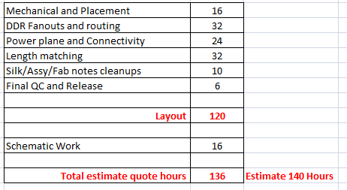

 | TOMCAT_AUTO_SD_DC - 12 hours. | quoted 10/01/24

 | IGT- 118 - TOTAL HOURS-24-30 (Layout-24 ,SCH-2) | quoted 10/03/24
 | IGT-115 - TOTAL HOURS -30 (Layout-24 ,SCH-5) | quoted 10/03/24
 | IGT-116 - TOTAL HOURS -30 (Layout 24, SCH-5) | quoted 10/03/24
 | R-HL-103 - TOTAL HOURS -32 (Layout 24, SCH-8) | quoted 10/02/24

 | Coolstar Technology - 10 Hours. 100324 | quoted 10/03/24

 | ROCT-526 | quoted make sure you have the details in pink. 10/04/24
 | Need to create socket
 | BGA pin count- 2331
 | Nets - 981 to be routed
 | pitch - 0.65 mm
 | layer count - 14-16 layers
 | Total Hours - 40

 | ROCT-527 | quoted 10/08/24
 | Need to create socket
 | BGA pin count- 1446
 | Nets - 1000 to be routed
 | pitch - 0.35MM
 | layer count - 14-16 layers
 | Total Hours - 40

 | KLA - SLX Backplane Pads to Allegro Conversion | quoted 10/08/24

 | Schematic Cleanups - 4 Hrs
 | Footprints Checking - 8 Hrs Nearby 20-type above components present.
 | Layout cleanups and connectivity - 20Hrs
 | Total 32 Hours. Estimate quote hours : 32 - 40 Hours.

 | NCSI IO Card
 | Footprint creation - 4 Hrs | This is very confusing to view. cleanup the way the quote details are listed.
 | Placement - 4 Hrs
 | Highspeed routing and cleanups - 2 Hrs
 | Connectivity - 2 Hrs
 | Silk/Assy and Fab - 2 Hrs
 | Final Qc and Release - 2 Hrs
 | Total : 16 Hours

 | Need minimum 4 - 6 Layers.
 | we can go with 62mil board thick.

 | SKY-PN SKY5400 80LGA Octal Site (NEED TEMPLATE) | quoted 10/08/24
 | Component creation- 8Hrs
 | Placement - 6Hrs
 | Routing - 16Hrs
 | Plane- 6Hrs
 | Silk,Assy& Fab - 4Hrs
 | Package - 6Hrs
 | SCH - 12Hrs (altium)
 | Total - 58Hrs

 | IGT-101 | quoted 10/09/24
 | SCH-4Hrs
 | LAYOUT-20Hrs
 | Total - 24Hrs

 | STEPPER DRIVER INTERFACE | quoted 10/18/24
 | TOTAL HOURS - 8 to 10Hrs (including SCH)

 | Breakout PCB | quoted 10/18/24
 | TOTAL HOURS - 8 Hrs

 | SCM (Potential Project for Budgetary Quote Part# T636-XXX R:A) | quoted 10/21/24
 | Placement Cleanups ---12hrs
 | Routing+length --- 26hrs
 | Silk+fab+Assembly --- 5hrs
 | Release --- 5hrs
 | Total - 48hrs

 | ROU-891 | quoted 10/21/24
 | Need to create socket & connector
 | BGA pin count- 84
 | Nets - 24 Signals/3 PWR's
 | pitch - 1.27MM
 | layer count - 4 layers
 | Total Hours - 8

 | Burn in board (10938) - TOTAL HOURS-26-30 (Layout-24 ,SCH-4) | quoted 10/22/24
 | Avalite Test Design - Layout-48Hrs | Quoted 10/23/24
 | Galaxite Test Design- Layout-48Hrs | Quoted 10/23/24
 |  | This is a normal reference board.
 | ROCT-530 | quoted 10/23/24
 | Need to create socket
 | BGA pin count- 1400
 | Nets - 765 to be routed
 | pitch - 0.35MM
 | layer count - 16
 | Total Hours -40

 | ROCT-531 | quoted 10/23/24
 | Need to create socket
 | BGA pin count- 305
 | Nets - 305 to be routed
 | pitch - 0.35MM
 | layer count - 8
 | Total Hours -20

 | UNG10092 | quoted 10/24/24
 | Placement --- 10hrs
 | Routing+length --- 24hrs
 | Silk+release --- 8hrs
 | Total --- 42hrs

 | PT-0040545A | quoted 10/24/24
 | FOOT PRINT CREATION AND PLACEMENT - 16
 | HIGH SPEED ROUTING - 14
 | ROUTING AND PLANE - 12
 | SILK,ASSEMBLY,FAB AND RELEASE -8
 | CHANGES - 4
 | TOTAL - 54

 | PV3.11A1 | quoted 10/24/24
 | Quote - 32 Hours

 | PT-0040685A | quoted 11/01/24
 | FOOT PRINT CREATION AND PLACEMENT - 8
 | ROUTING AND PLANE - 16
 | SILK,ASSEMBLY,FAB AND RELEASE - 6
 | CHANGES - 4
 | TOTAL - 34

 | OSFP-XD | quoted 11/03/24
 | Footprint creation - 4
 | Placement - 10
 | HS routing, Cutout and GND stitching via cleanups - 16
 | Connectivity - 10
 | Silk/Assy and Fab cleanups - 8
 | Qc and Release - 4
 | Total 52 Hours. (Estimate 52 to 56 hours)

 | RLMT-298 | quoted 11/05/24
 | Need to create BGA
 | BGA pin count- 784
 | Nets - 253 to be routed
 | Pitch - 0.8MM
 | Layer count - 8
 | Total Hours -20

 | Pak 3C DVT flex (8 hrs) | quoted 11/07/24
 | Packages released on 110824

 | Hammer-SIB project | quoted 11/07/24
 | Estimate quote hour is 120 Hrs minimum for layout work alone. (Schematic hours not included)
 |  | quoted 11/07/24
 | Broadcom CORAL - Layout is completed. Waiting for the customer responses for release.
 | Designer's worked minimum calculated hour is 80 Hrs and schematic work is 8 Hrs. Total 88 Hrs.

 | PV3.31A1
 | Estimate quote 16-20 Hours | quoted 11/12/24

 | Test_Fixture_FOR_3610 (6 hours) | quoted 11/12/24

 | PT-0040054A - REQUOTE FOR ADDITIONAL CHANGES
 | PLACEMENT - 6
 | HIGH SPEED ROUTING - 8
 | ROUTING AND PLANE - 8
 | SILK,ASSEMBLY - 2
 | FAB AND RELEASE - 4
 | CHANGES - 2
 | TOTAL -30

 | 10086700 RM02 | Quoted 11/19/24
 | Schematic Work - 20
 | Footprint Creation - 16 | Need to Requote
 | Placement - 12
 | Routing+Power Plane - 16
 | Silk/Assy - 6
 | Fab and Release - 6
 | TOTAL - 76 Hours + 4 (Panel Drawing work) = 80 Hours

 | PV3.11 Interposer board 4 HRS | quoted 12/01/24
 | Packages released to customer on 112324

 | PT-0035483B | quoted 11/21/24
 | FOOT PRINT CREATION AND PLACEMENT - 12
 | HIGH SPEED ROUTING - 18
 | ROUTING AND PLANE - 14
 | SILK,ASSEMBLY,FAB AND RELEASE - 8
 | CHANGES - 6
 | TOTAL - 58

 | PT-0041131A | quoted 11/21/24
 | FOOT PRINT CREATION AND PLACEMENT- 12
 | HIGH SPEED ROUTING - 14
 | ROUTING AND PLANE - 12
 | SILK,ASSEMBLY,FAB AND RELEASE - 6
 | CHANGES - 4
 | TOTAL - 48

 | PN 2410-207-01 12 to 14 HRS (C7000 Main Board) | quoted 11/25/24
 | PN 2410-204-01 2 HRS (C7000 PCB Battery board) Kindly refer to the below image for queries
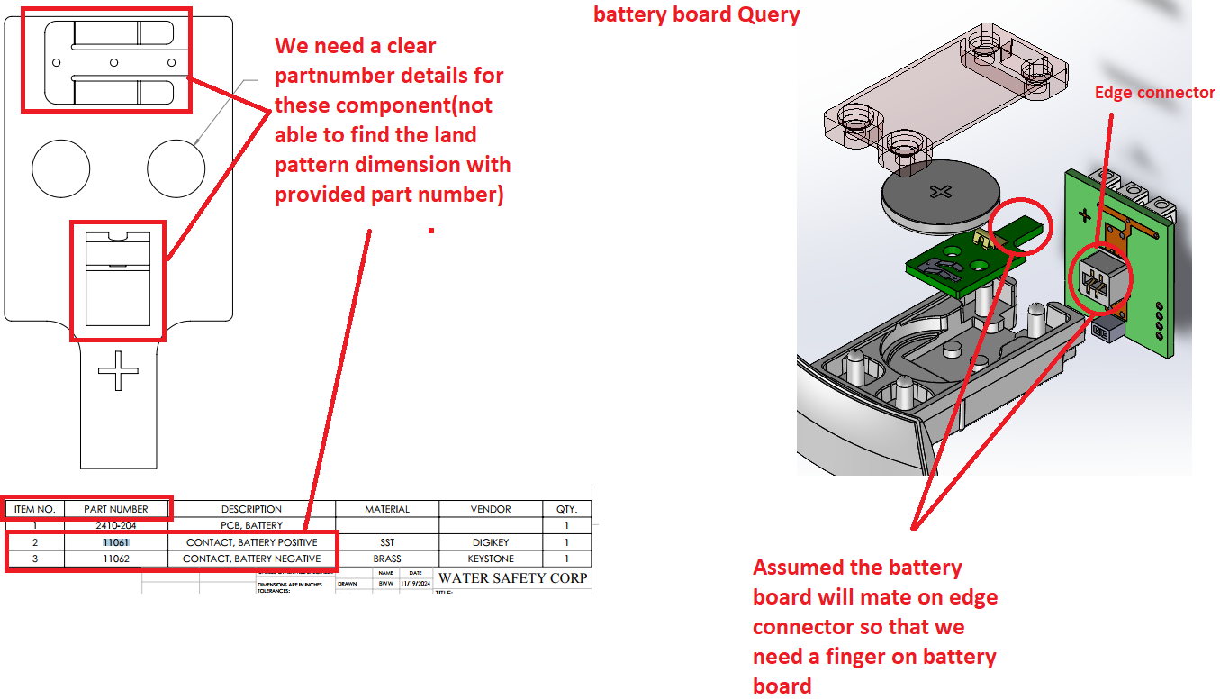

 | ROCT-534 | quoted 11/25/24
 | Need to create BGA
 | BGA pin count- 339
 | Nets - 339to be routed
 | Pitch - 0.35MM
 | Layer count - 8-10 Layers
 | Total Hours -20

 | RU0-895 | quoted 11/25/24
 | Need to create BGA using pinlist excel
 | BGA pin count- 1523
 | Nets - 1045 to be routed
 | Pitch - 0.35MM
 | Layer count - 16 Layers
 | Total Hours -48

 | PV3.41A0 40 HRS | quoted 12/02/24

 | ROCT-535 | quoted 12/04/24
 | Need to create BGA
 | BGA pin count- 2636
 | Nets - 951 to be routed
 | Pitch - 0.5MM
 | Layer count - 18 Layers
 | Total Hours -48

 | Blatek PCB Actuator – MD37396 Rev0 4 HRS | quoted 12/05/24

 | Gust TX
 | Placement - 2 Fanout+ Routing - 20 Silk + fab - 4 Release -4 Total - 30 -32hrs

 | KCB410 Burn In Board | quoted 12/09/24
 | Total Hours-24 hRS

 | PV3.11A2 estimate quote is 26 - 30HRS | quoted 12/06/24

 | PT-0041161A | quoted 12/09/24
 | PLACEMENT-12
 | HIGH SPEED ROUTING-16
 | ROUTING AND PLANE-12
 | SILK,ASSEMBLY,FAB AND RELEASE -8
 | CHANGES-4
 | TOTAL-52

 | Teledyne rev4 | already quoted on 11/21/24
 | IF we continue with Type1 the hours will be 16 hrs.
 | IF we continue with Type2 the hours will be 20-24 hrs(in this type we need to update the placement at north side of the slot connector).

 | Charge_dock_EV
 | Sch - 3hrs (including bom properties update)

 | Module_26-11-2024
 | Sch - 4hrs (including bom properties update)

 | FR4 Boards(TC2-4872161_02-0042-59957 PCB_ LAMP HOUSING_ ROCKET) 8 HRS.
 | Need clarification. Do we need to do Item5 only?Is it possible to get seperate dxf files? curretly we have step file combined with item3,4 and 5.
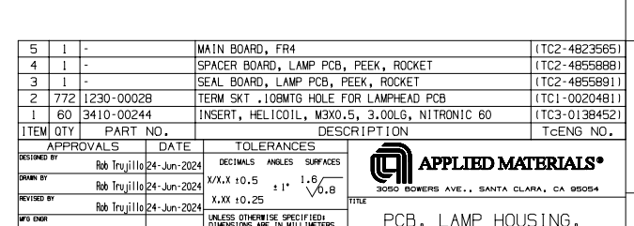

 | MSI Adaptor Layout Estimate quote is 16 Hours | quoted 12/16/24

 | Cable testing kit PCB Estimate quote is 28-30 Hours

 | PT-0034542B | quoted 12/17/24
 | PLACEMENT - 8
 | HIGH SPEED ROUTING - 16
 | ROUTING AND PLANE - 8
 | SILK,ASSEMBLY,FAB AND RELEASE - 6
 | CHANGES - 4
 | TOTAL - 42

 | L3H RFQ 1239094 Rev. 002 Estimate quote is 12-14 Hours

 | Amphenol CPC PCB Estimate 24 Hours | quoted 12/21/24

 | MX3-spc | quoted 12/23/24
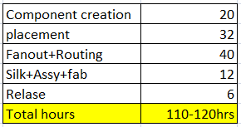

 | flex4p_REVC 16 HRS

 | flex4p_REVC 16 to 20 HRS | quoted 12/23/24 (Does this include schematic work too)
 | ESPP_Rev B 16 to 20 HRS | quoted 12/23/24

 | 45027-ROHS - 4 Hrs | quoted 12/23/24

 | ROCT-539
 | Need to create socket | quoted 12/30/24
 | BGA pin count- 1024
 | Nets - 1024 to be routed
 | pitch - 0.45MM
 | layer count - 18
 | Total Hours -24

