Question 2
 | Question 2

a) | Make changes to the assumptions so as to generate the highest possible temperature increase. The url on your browser will change as you change the assumptions. Submit the url for the highest temperature increase scenario. Write a narrative describe the assumptions and the impacts on primary energy sources, emissions and temperature.

 | Link: | Highest possible temperature increase

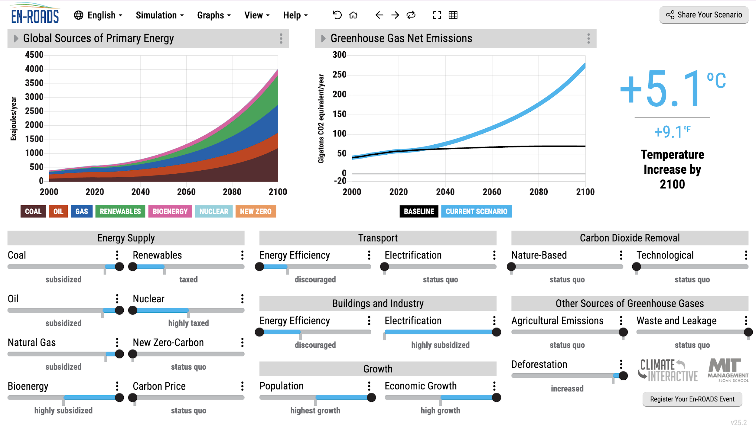

 | Energy Supply
> | In this scenario, the temperature increases as high as 5.1°C by 2100 as the world continues to subsidize coal, oil, and natural gas, keeping these energy sources affordable and widely available. This leads to their continued use and contributes to higher carbon emissions and rising temperatures. Bioenergy use while seemingly a step toward renewable energy, will also cause the global temperature to rise as converting the biomass into usable energy still releases carbon emissions into the atmosphere.
> | High taxes on nuclear and renewable energy will discourage investment, slowing the transition to clean energy and increasing reliance on fossil fuels. At the same time, the lack of progress in carbon pricing policies weakens incentives for emissions reduction, making it unlikely for industries to move away from carbon-intensive practices. All of these factors will drive up carbon emissions and global temperatures.
> | Without breakthroughs in zero-carbon technology, the world will be left with no other options than to continue the reliance on carbon-intensive energy sources, which further the dependency on high-emission energy sources and exacerbating climate challenges.

 | Energy Efficiency and Electrification
 | Insufficient support for energy efficiency and electrification in transportation, buildings, and industry (combined with the lack of progress in shifting towards clean energy) will demand more use of fossil fuels. Combined with the increase in population and economic growth (which means more energy-intensive activity), will lead to higher carbon emissions and a rise in global temperatures.

 | Carbon dioxide removal and other sources of GHG
 | No progress in nature-based carbon dioxide removal, such as reforestation and ecosystem restoration, yet increasing deforestation rate, will reduce natural carbon absorption rate. Slow advancements in technological-based carbon dioxide removal will further limit emission offsets. Stagnant improvements and progress in agricultural emissions, along with continued waste and leakage, will add to rising emissions of other greenhouse gas like methane. These factors will increase atmospheric carbon emissions and drive temperature to rise significantly.

b) | Make changes to the assumptions so as to generate the lowest possible temperature increase. Submit the url for this scenario. Write a narrative describe the assumptions and the impacts on primary energy sources, emissions and temperature.

 | Link: | Lowest possible temperature increase

 | Energy Supply
> | In this scenario, the temperature increases only by 1.2°C by 2100, way below the temperature increase limit set in the Paris Agreement. This positive outcome is due to a significant reduction in the use of high-emission energy sources such as oil, gas, coal, and bioenergy because of the high taxes imposed on these dirty energy sources that make them less economically viable. At the same time, substantial subsidies for renewable energy and clean technologies accelerate their adoption, making them more cost-competitive and as a result, causing the world to shift toward cleaner alternatives.
> | This is also supported by the breakthroughs in zero-carbon technology which further enhance its efficiency and scalability, and a high carbon price incentivizes industries to cut emissions and adopt low-carbon solutions. These combined factors lead to lower greenhouse gas emissions and a less significant temperature increase compared to the first scenario.

 | Energy Efficiency and Electrification
 | Increased energy efficiency and electrification in transportation, buildings, and industry reduce primary energy demand and consumption, leading to lower emissions. Low population growth further reduces energy demand. While low economic growth has drawbacks for the world’s economy, it leads to reduced carbon emissions because of less industrial or economic activity which means low energy use. These factors contribute to the overall smaller carbon emissions and temperature increases.

 | Carbon dioxide removal and other sources of GHG
> | Significant progress in nature-based carbon dioxide removal reduces emissions as scenario like reforestation and lower deforestation rates increase carbon absorption. Advancement in tech-based carbon removal further decrease emissions by capturing and storing carbon more efficiently. This will reduce carbon emissions in the atmosphere and reduce the risk of world’s temperature increase.
> | Improvements in agricultural practices (for example, through regenerative agriculture practices) will lead to lower methane emissions, while reductions in waste and leakage minimize unnecessary greenhouse gas output from energy use and methane release from landfills and supply chains. These efforts collectively decrease emissions and a lower temperature increase.

c) | Make changes to the assumptions so as to generate what you consider to be a plausibly good outcome. Submit the url for this scenario. Write a narrative describe the assumptions and the impacts on primary energy sources, emissions and temperature.

 | Link: | Plausible good outcome

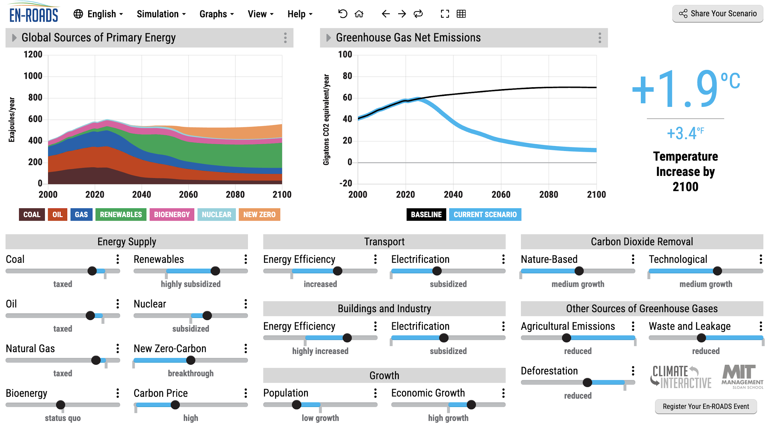

 | Energy Supply
> | The scenario is based on assumptions on the current world’s progress in climate change. Note that these are “plausibly good outcomes” scenarios and might differ from the actual condition in the world (considering aspects such as economics and politics).
> | In this scenario, the world experiences a 1.9°C temperature increase by 2100. Moderate taxation on coal, oil, and gas reduces their use but does not eliminate reliance on fossil fuels. Bioenergy taxation remains unchanged, maintaining its current role in the energy mix. However, high subsidies for renewables and increased support for nuclear power encourage a shift toward cleaner energy sources.
> | A moderate rate of breakthroughs in zero-carbon technology improves efficiency and adoption, but not rapidly enough to fully replace fossil fuels. Additionally, a rising carbon price incentivizes emission reductions, though its impact is (again) still limited by continued fossil fuel use. These conditions lead to lower emissions than in high-emission scenarios but not enough to keep temperature rise below 1.5°C.

 | Energy Efficiency and Electrification
 | This scenario supports efforts to improve energy efficiency and electrification in transportation, buildings, and industry. This energy efficiency will lower primary energy consumption required for these sector. Eventhough a low population growth slows the increase of energy consumption, high economic growth will drive industrial or economic activity and still increase energy use. However, advancements in clean energy and efficiency measures help offset some of the emissions from increased economic activity.

 | Carbon dioxide removal and other sources of GHG
 | This scenario is similar to the 1.2°C temperature increase scenario in terms of nature-based and technological carbon dioxide removal, reduced agricultural emissions, lower waste and leakage, and decreased deforestation. However, the impact is more moderate, with only medium growth in carbon dioxide removal efforts and a medium reduction in agricultural emissions, waste leakage, and deforestation rates. As a result, while emissions decline, they do so at a slower pace, leading to a higher overall temperature increase of 1.9°C by 2100 instead of 1.2°C. The improvements still contribute to lowering net emissions, but not enough to achieve the lowest warming scenario.

