Sheet1
Test Case ID | Bug ID | Title | Steps to Reproduce | Expected Result | Actual Result | Severity | Screenshots
TC_06 | BG_01 | Price sort filter fails to apply for problem_user | 01.Navigate to swag lab login page. 02. Log in as a problem_user 03.Click filter drop down menu on inventory ui 04.Select Price(High to low). 05.Observe items order | Drop down menu select specified option.All items sorted on prices, from high prices to low | Option not getting selected.Items are not sorted correctly from high price to low prices. | High | 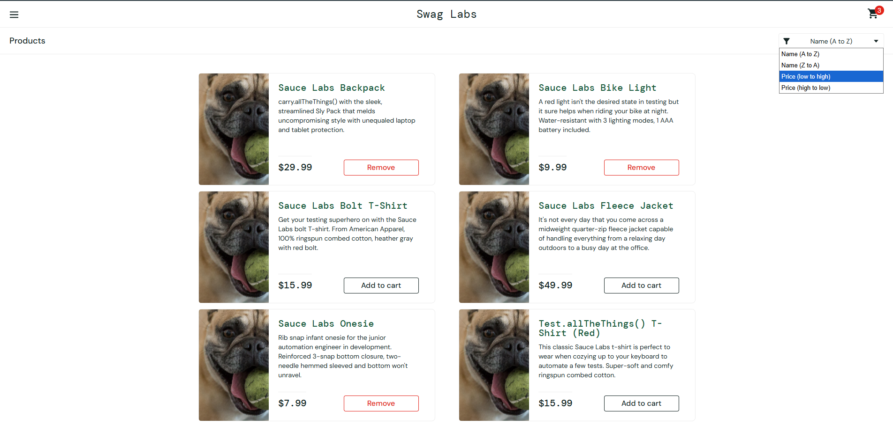 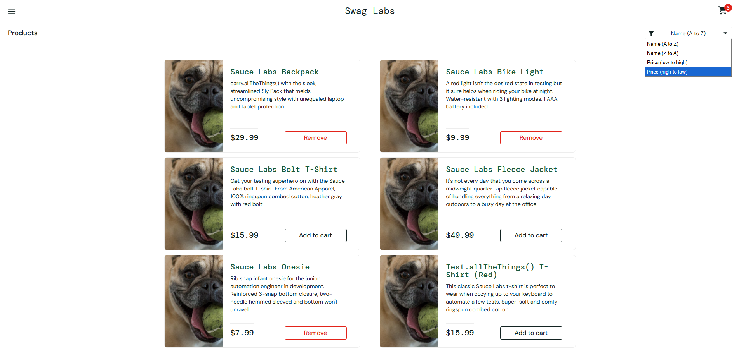
TC_08 | BG_02 | Add to Cart button non-functional for problem_user | 01.Navigate to swag lab login page. 02. Log in as a problem_user 03. Click the "Add to Cart" button for all items. | Items are added to the cart and button names changed to "Remove" | Some Items are not added to the cart, and the buttons appear to be frozen. | High | 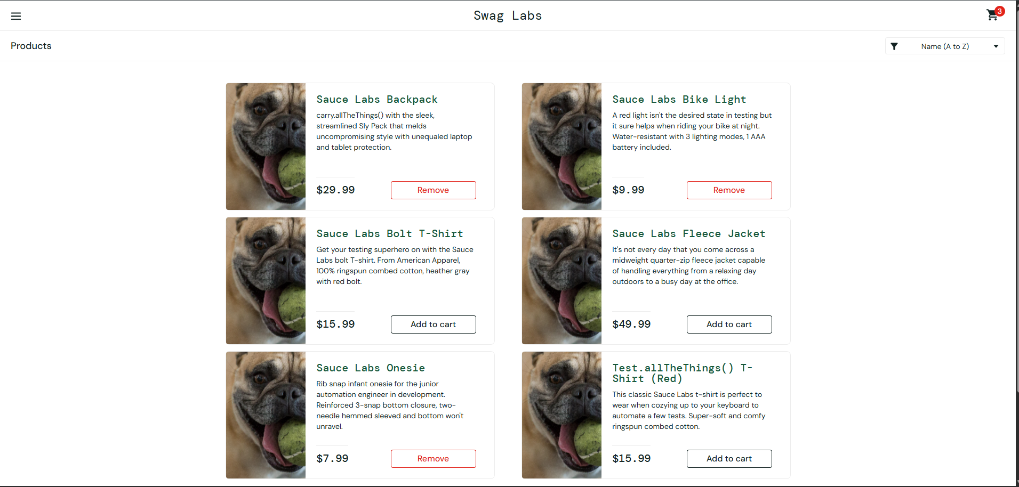
TC_09 | BG_03 | Remove from Cart button non-functional for problem_user | 01.Navigate to swag lab login page. 02. Log in as a problem_user. 03.Click "Add to cart" for some items 04. Click the "Remove" button to remove those items from the cart. | Item should be removed from the cart."Remove" button change to "Add to cart" | Item is not removed from the cart, and the buttons appear to be frozen. | High
TC_11 | BG_04 | Last Name field input overwrites First Name field for problem_user | 01.Navigate to swag lab login page. 02. Log in as a problem_user. 03.Add some items to the cart and navigate to the cart ui 04.Click "Checkout" 05.Enter valid First Name 06.Enter valid Last Name 07.View behaviour of the form | System should allow independent input in each field without affecting other fields. | System displays abnormal behavior when entering text in the Last Name field. While typing in the Last Name field, the First Name field updates, with characters appearing one at a time. | High | 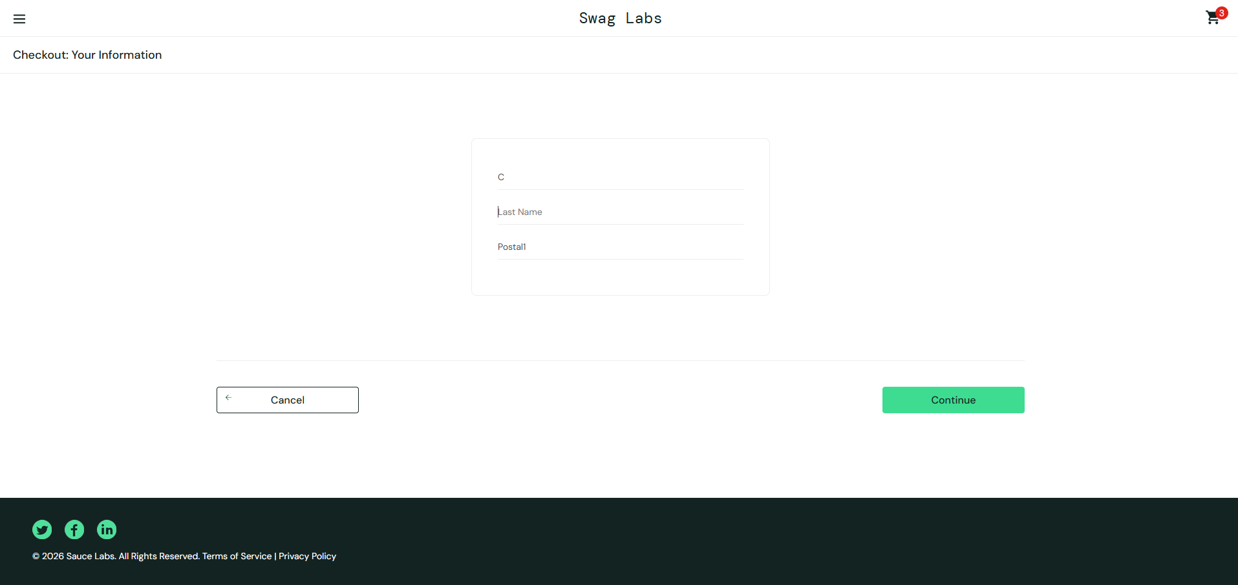
TC_15 | BG_05 | Item total displays rounding to two decimal point error on Checkout Overview for visual_user | 01.Navigate to swag lab login page. 02. Log in as a visual_user. 03.Add the Sauce Labs Bike Light ($9.99) to the cart. 04.Add the Sauce Labs Fleece Jacket ($49.99) to the cart. 05.Click cart icon. 06.Click "Checkout".(note :Checkout button appears at top-right due to UI misalignment) 07.Enter valid First Name 08.Enter valid Last Name 09.Enter valid Zip/Postal code 10.Click "Continue" on Your information ui 11.View overview page 12.Observe the calculated "Item total". | System should calculate total price correctly with tax. And should rounded to two decimal places. The Item total should display exactly: Item total: $59.98 | System displays : Price Total Item total: $59.980000000000004 Tax: $4.80 Total: $64.78 | Medium | 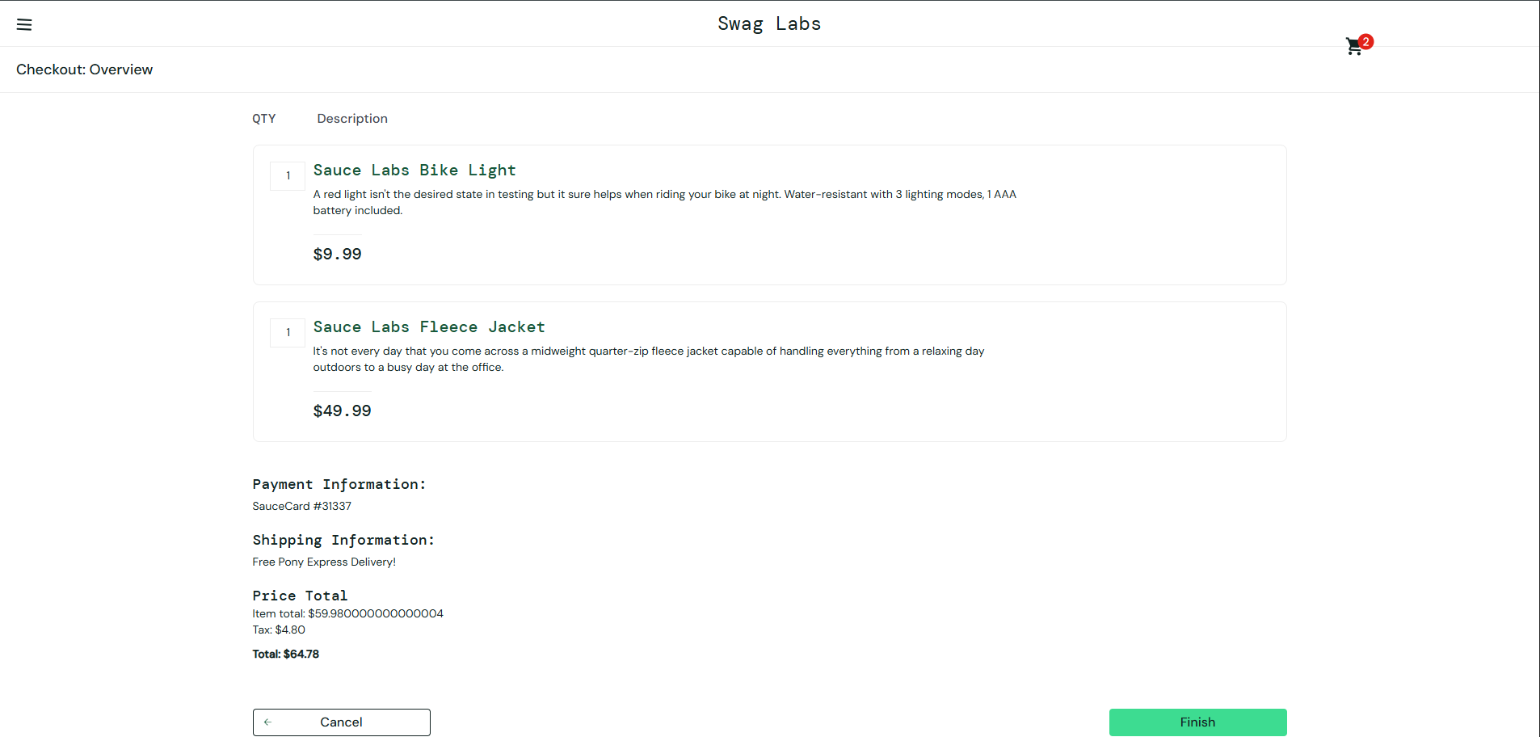 | 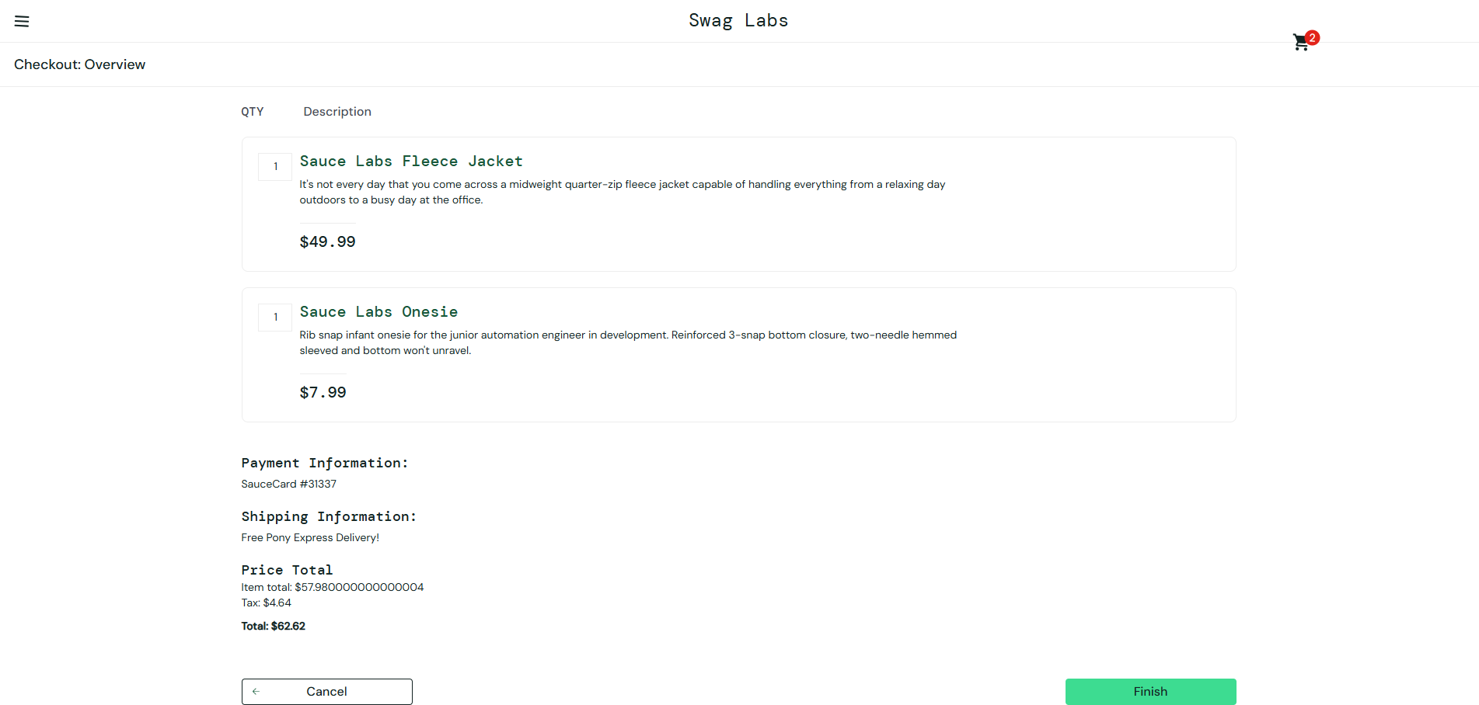 | Item total is not rounded.This doesn’t happen when , $10.50 + $5.25 = $15.75 | 