Bug_4041_Screenshots
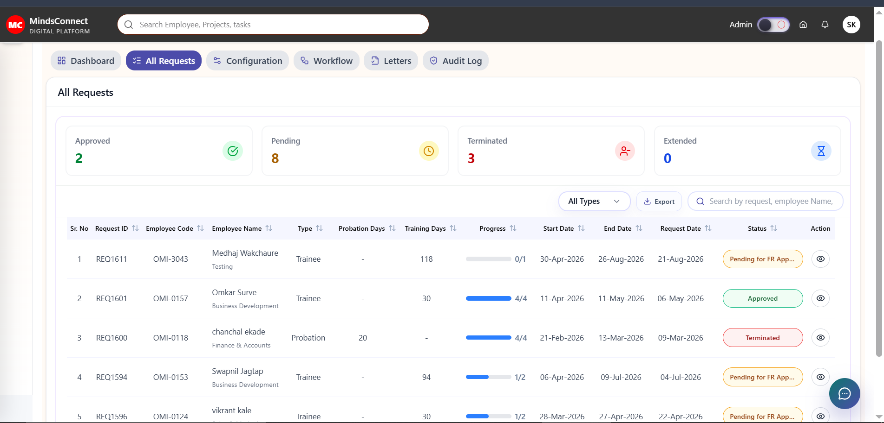
Bug ID: 4041

Screenshot : 1

Bug_4061_Screenshots
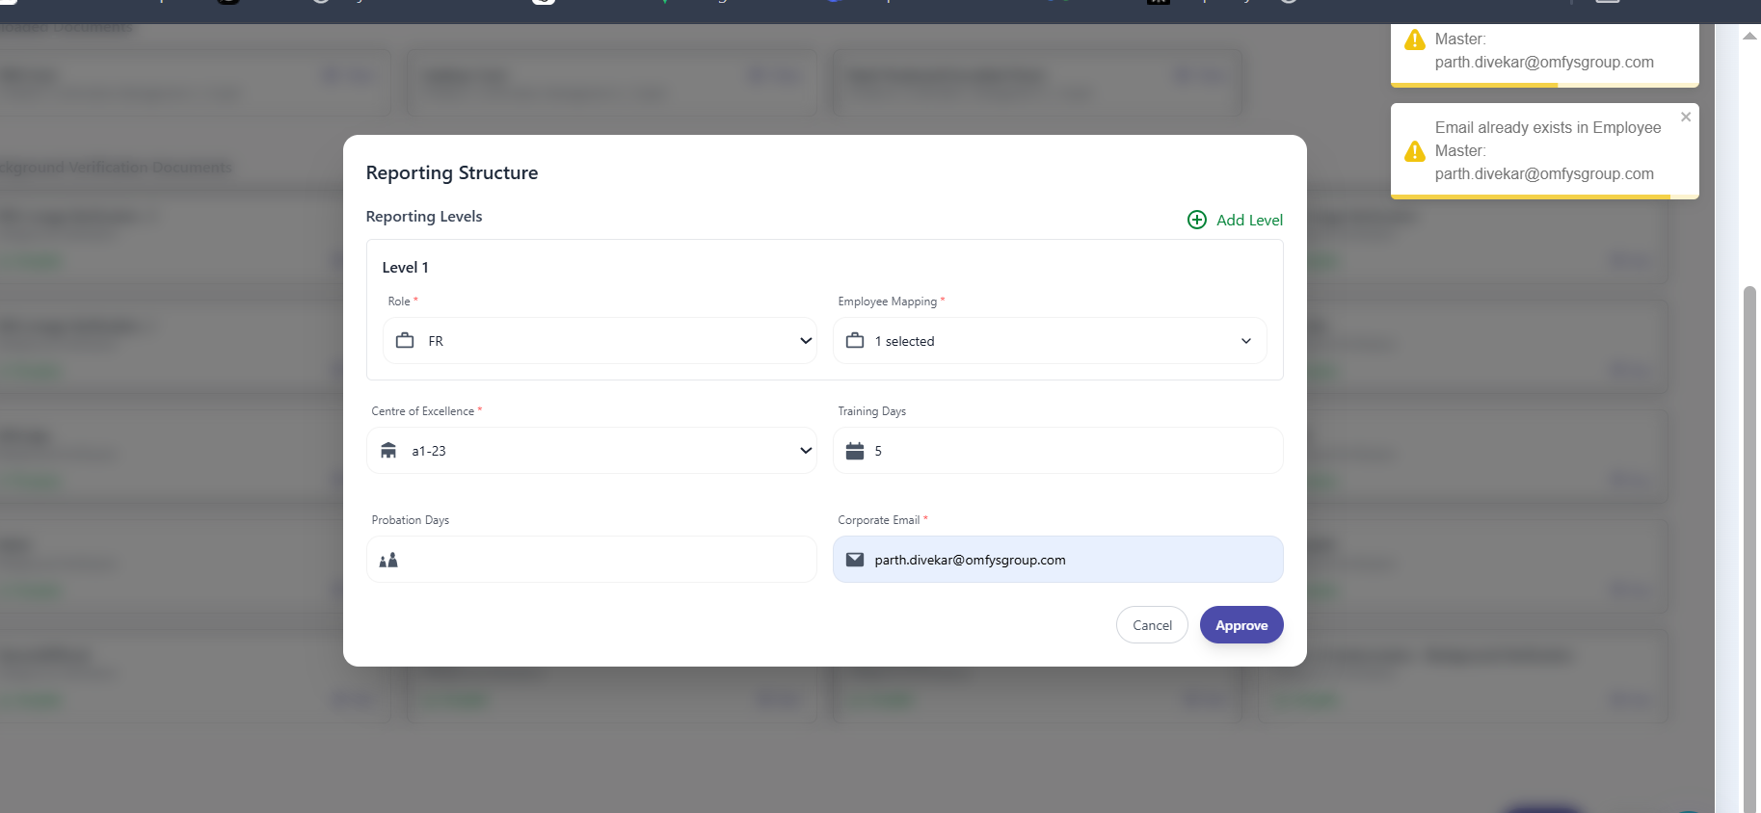
Bug ID: 4061

Screenshot : 1
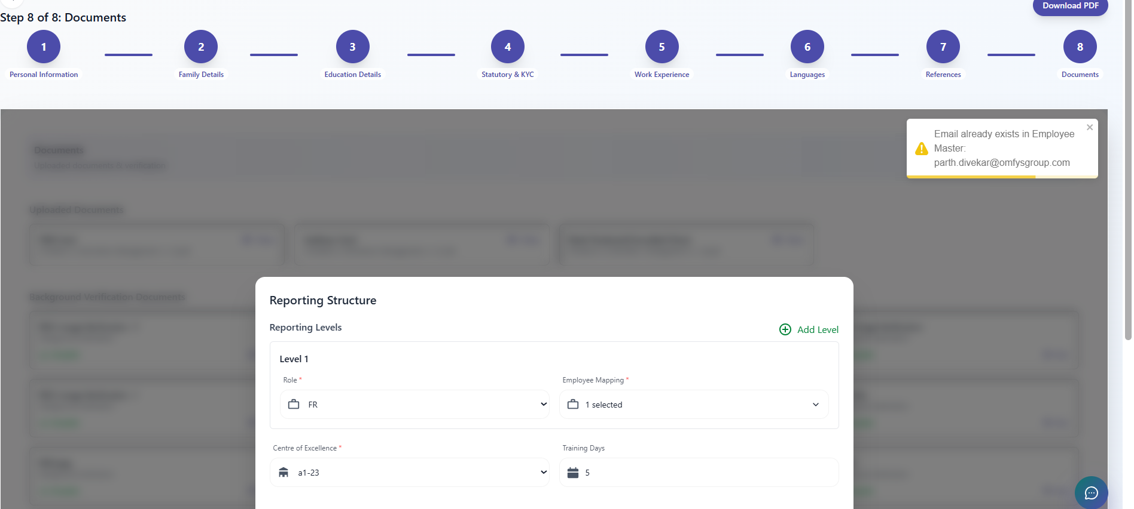

Screenshot : 2

Bug_4081_Screenshots
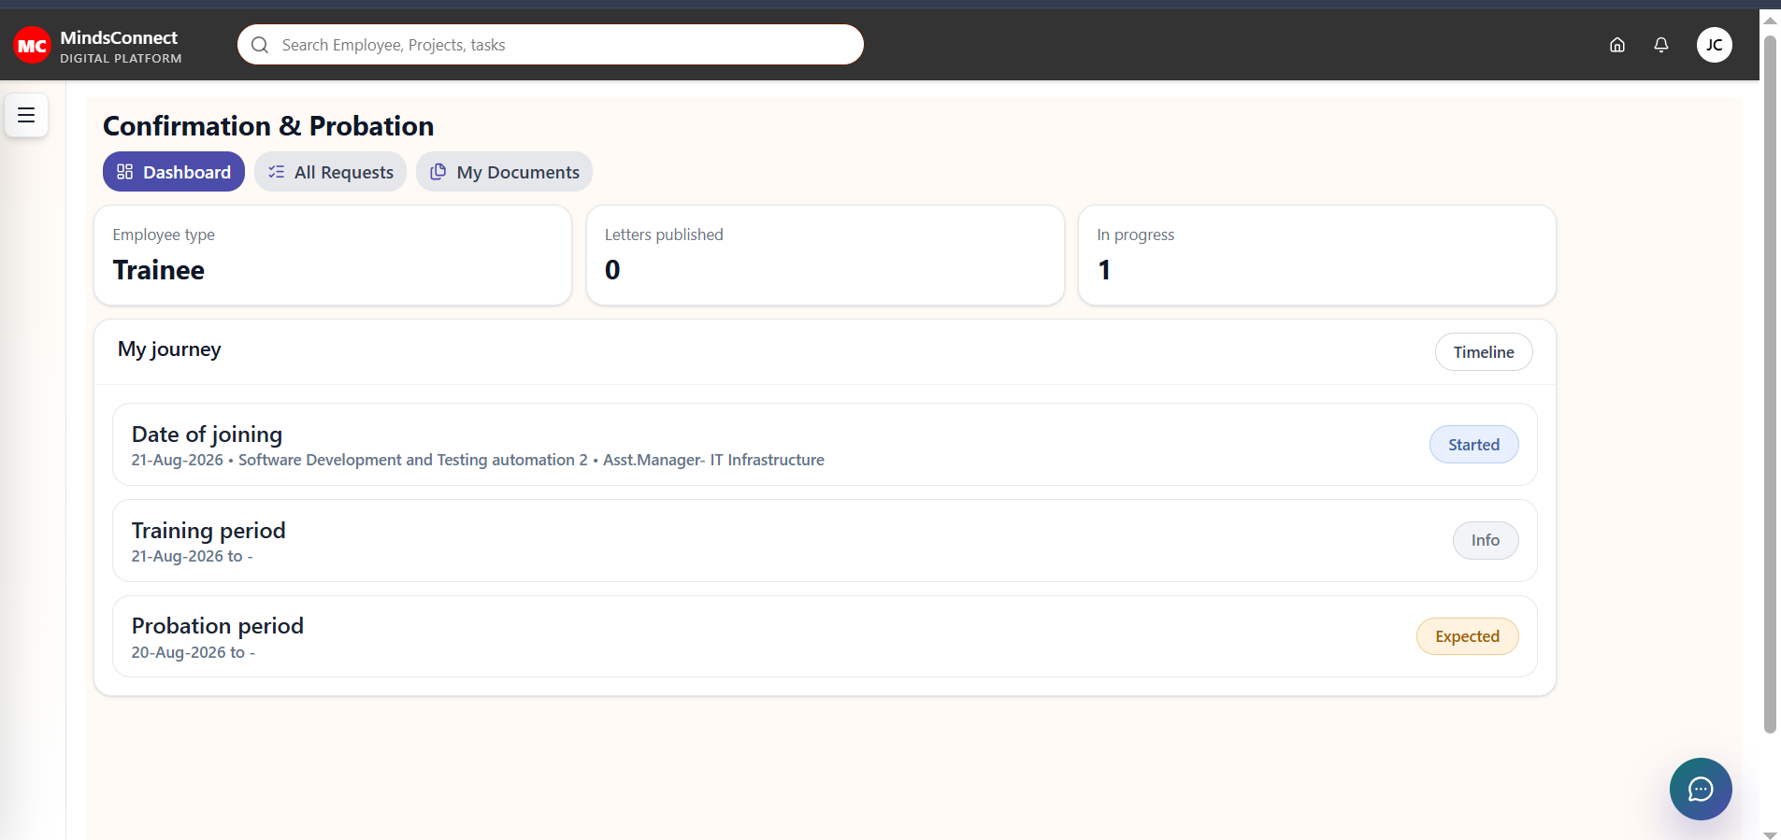
Bug ID: 4081

Screenshot : 1

Bug_4082_Screenshots
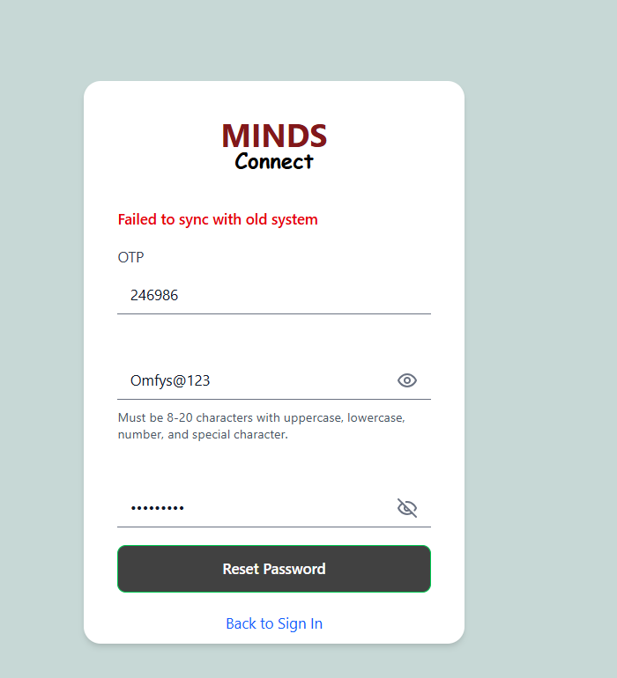
Bug ID: 4082

Screenshot : 1

Bug_4101_Screenshots
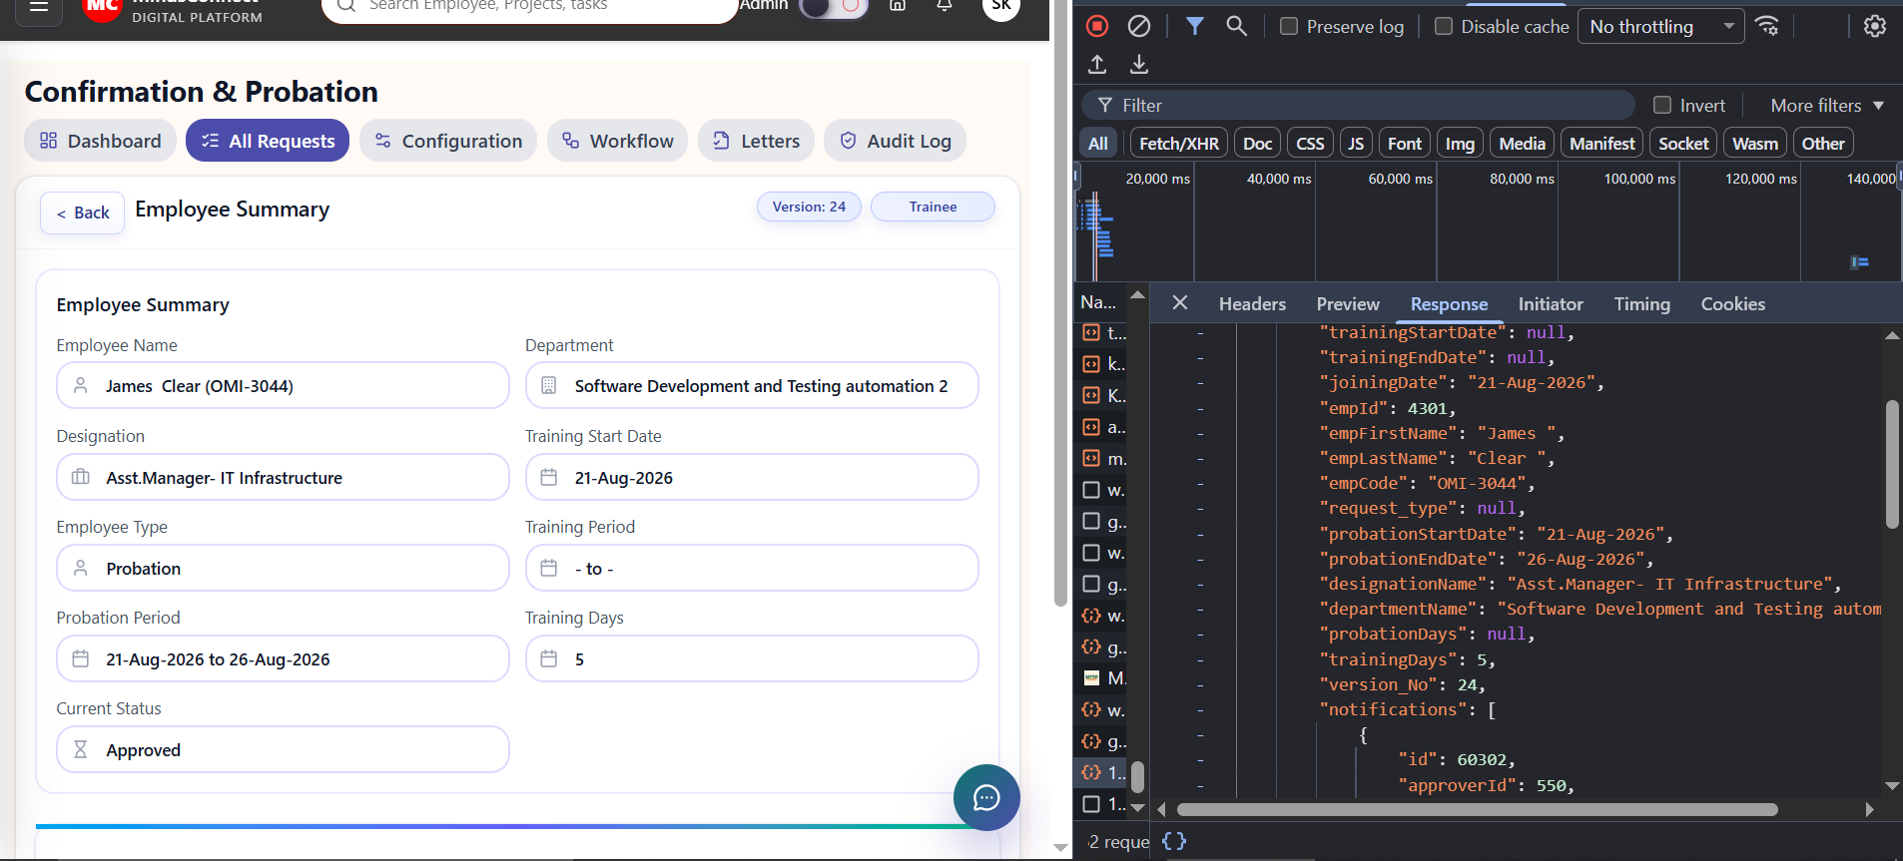
Bug ID: 4101

Screenshot : 1

Bug_4102_Screenshots
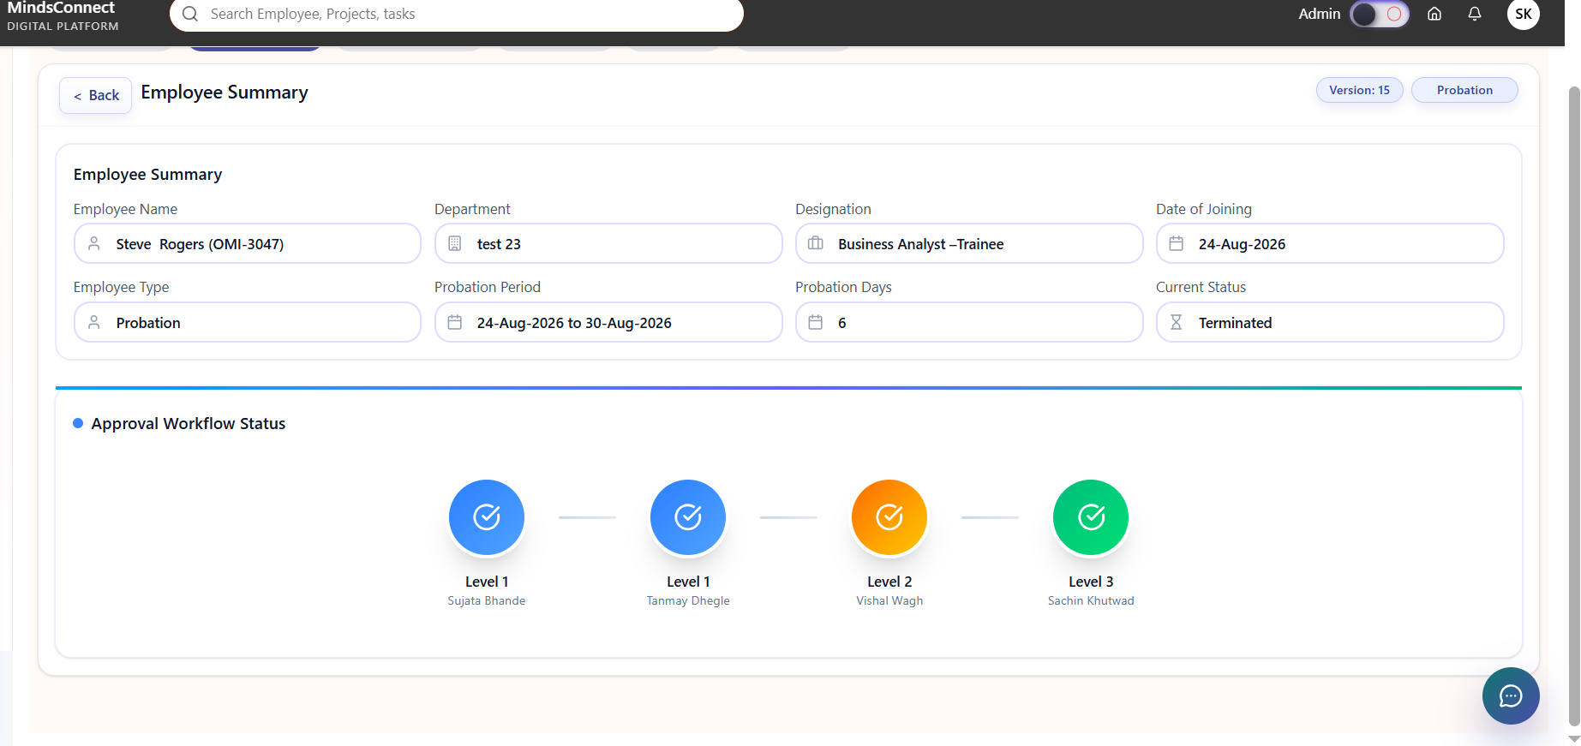
Bug ID: 4102

Screenshot : 1
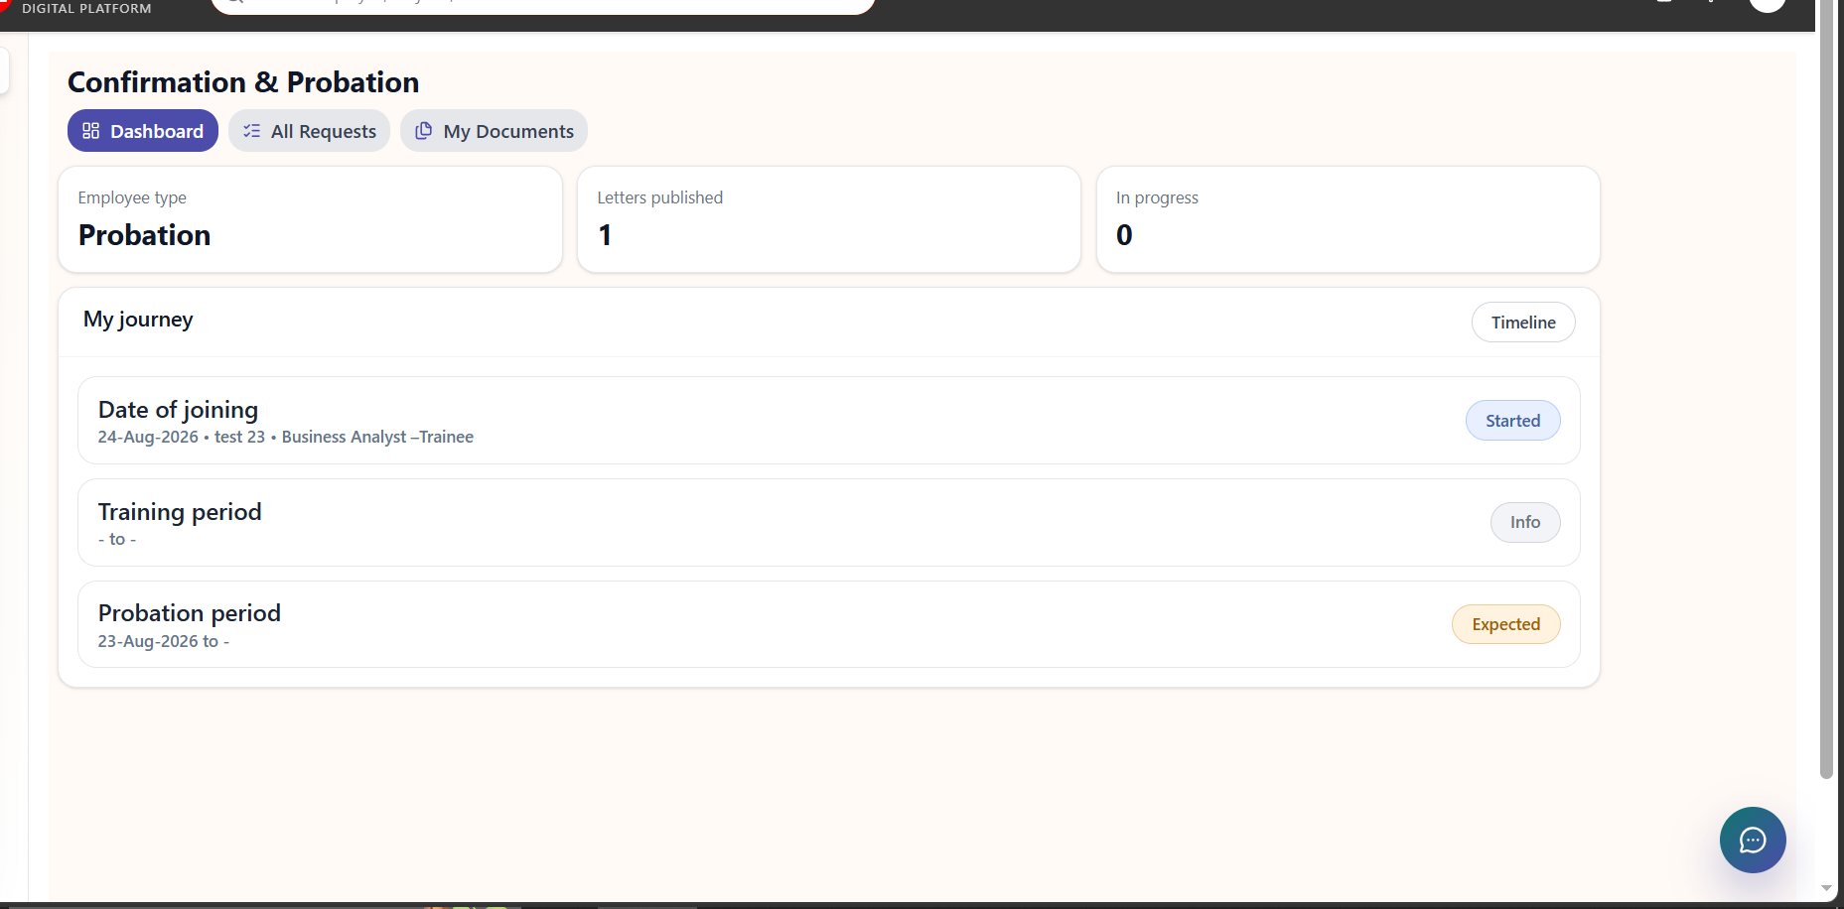

Screenshot : 2

Bug_4103_Screenshots
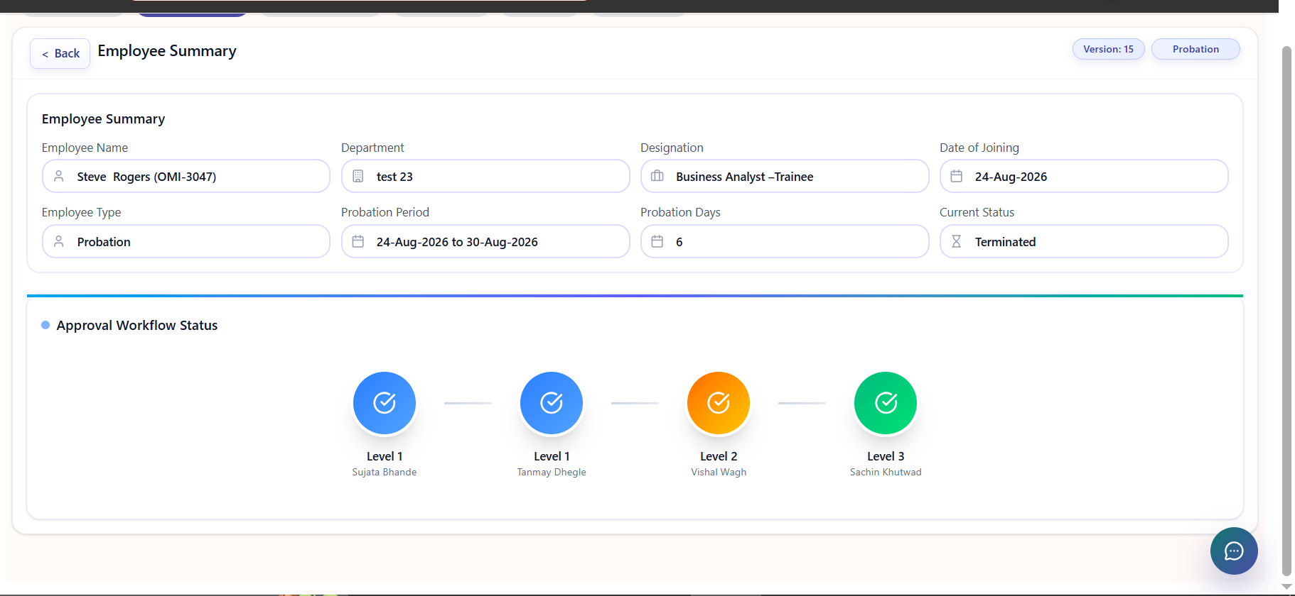
Bug ID: 4103

Screenshot : 1
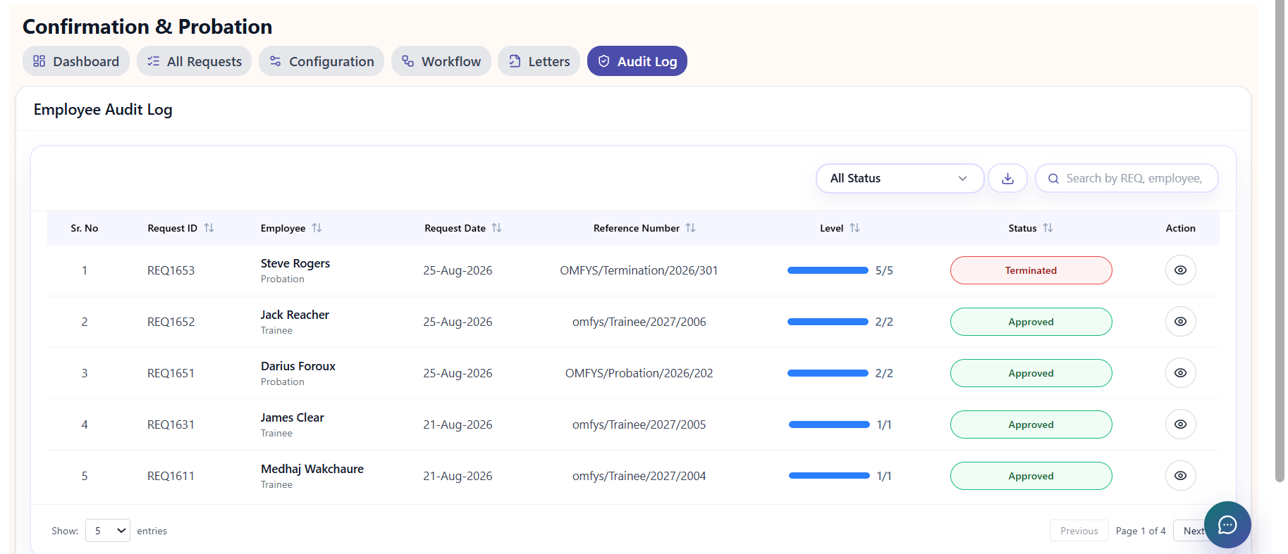

Screenshot : 2

Screenshot : 3
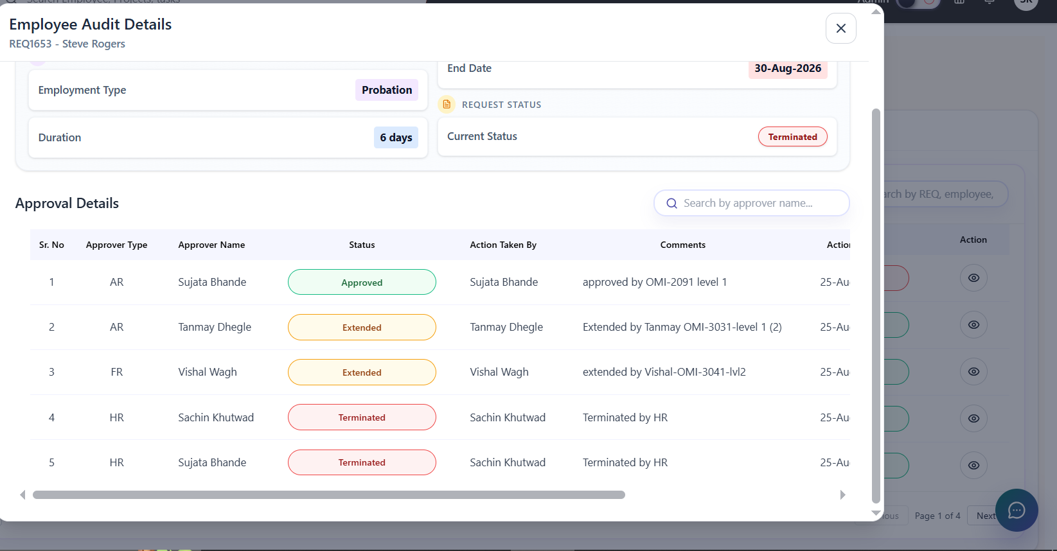

Screenshot : 4

Bug_4104_Screenshots
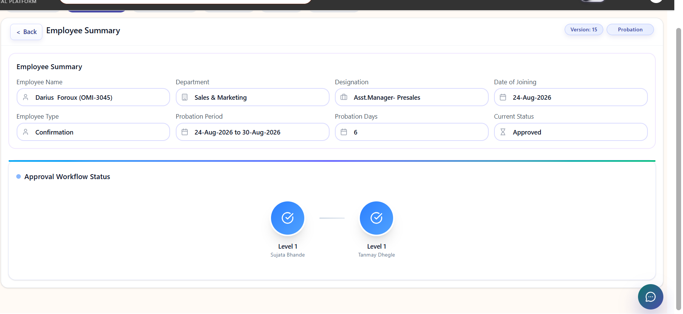
Bug ID: 4104

Screenshot : 1
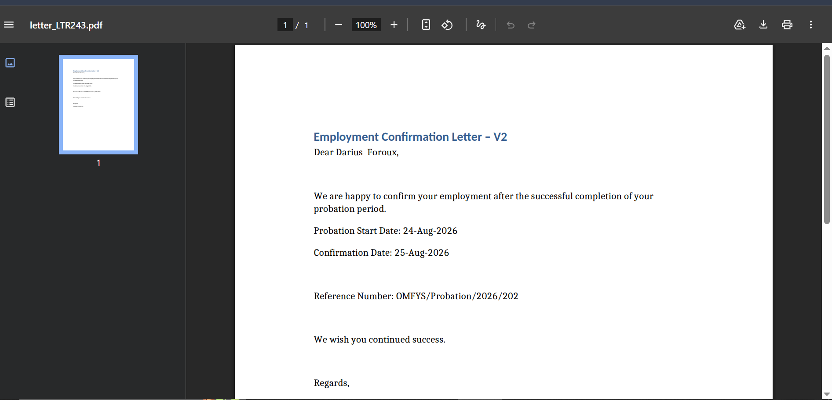

Screenshot : 2

Bug_4105_Screenshots
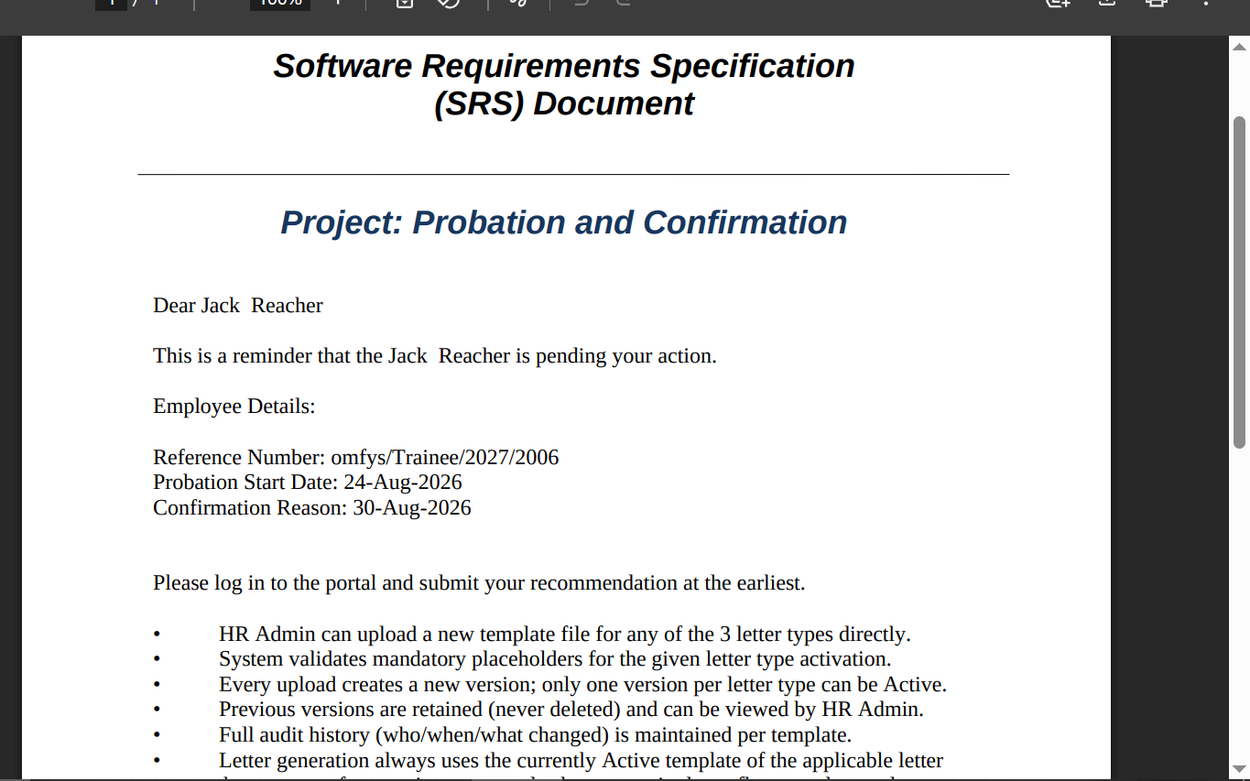
Bug ID: 4105

Screenshot : 1
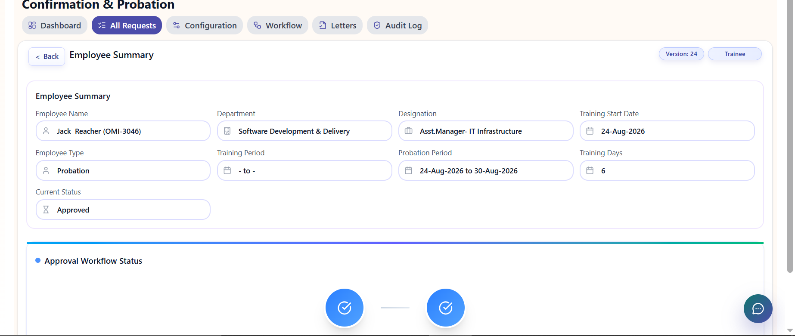

Screenshot : 2
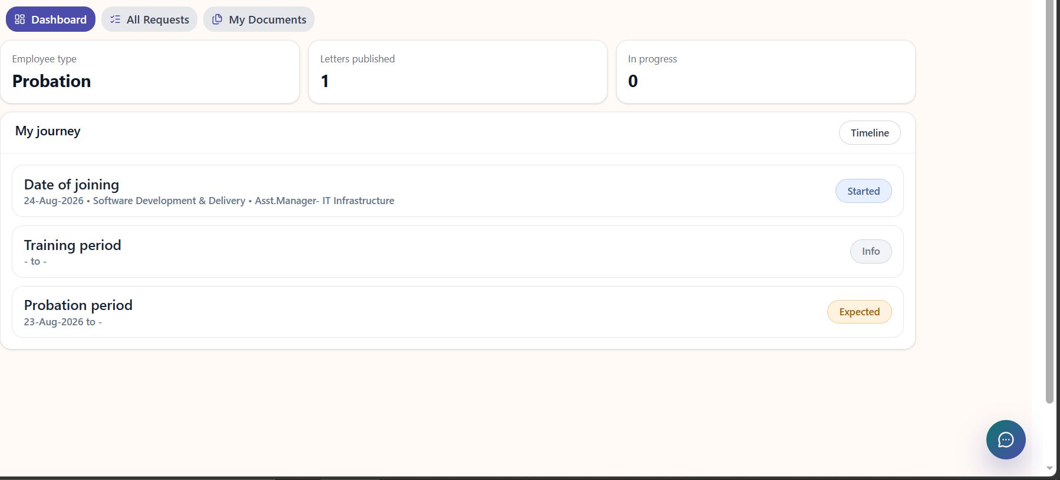

Screenshot : 3

