Sheet1
Field | Crop | Maturity | Area | NDVI Image date | NDVI value | NDVI change | NDMI Image date | NDMI value | NDMI change | RECI Image date | RECI value | RECI change | MSAVI Image date | MSAVI value | MSAVI change | NDRE Image date | NDRE value | NDRE change | Sowing / Planting | Tillage type | Irrigation type | NDVI values split | Current risks | Sown area detected, % | Field notes | Old Date | Old NDVI Image date | Old NDVI value | Old NDMI Image date | Old NDMI value | Old RECI Image date | Old RECI value | Old MSAVI Image date | Old MSAVI value | Old NDRE Image date | Old NDRE value | Language | NDVI ADVISORY | NDMI ADVISORY | RECI ADVISORY | MSAVI ADVISORY | NDRE ADVISORY |  | FIELD OVERVIEW | CURRENT RISKS | RECOMMENDATIONS | FINAL INSIGHT FOR THE FARMER | IRRIGATION ADVISORY | Assume Value | IMAGE | Wather Date From | Wather Date To | Current Image date
Trichy Field 1 | - | - | 0.59 ha |  | 0.18 | 0 |  2025-07-16 | -0.14 | +0.03 |  2025-07-16 | 0.45 | 0 |  2025-07-16 | 0.15 | +0.03 |  2025-07-16 | 0.1 | +0.01 | - | - | - | Open soil - 87% Sparse vegetation - 13% Moderate vegetation - 0% Dense vegetation - 0% Cloudiness - 0% | Index risk - No risks | Not sown | This land hasn’t been used for a long time. Soil is very dry, and no plants are growing. | 2025-07-16 |  | 0.18 | 2025-07-16 | -0.14 | 2025-07-16 | 0.45 | 2025-07-16 | 0.15 | 2025-07-16 | 0.1 | Tamil | திருச்சி வயல் 1க்கான பண்ணை ஆலோசனை அறிக்கை: தற்போது உங்கள் வயல் 1ல் பசுமை ஆரோக்கிய ஸ்கோர் (NDVI) மதிப்பு 0.18 ஆக உள்ளது, இது மிகக் குறைந்த தாவர அடர்த்தியையும், மண்ணின் ஆரோக்கியமற்ற நிலையையும் குறிக்கிறது. பசுமை ஆரோக்கிய ஸ்கோர் (NDVI) மதிப்பில் எந்த மாற்றமும் இல்லை, இது வயலின் தற்போதைய மோசமான நிலை சீராக இருப்பதைக் காட்டுகிறது. உடனடியாக மண் பரிசோதனை செய்து, மண்ணின் சத்து குறைபாடுகளை கண்டறிய வேண்டும். ஆழமான நீர்ப்பாசனம் மற்றும் கரிம உரம் அல்லது பசுந்தாள் உரம் போன்றவற்றை இட்டு மண்ணின் வளத்தை அதிகரிக்க வேண்டும். அவசர நிலை: மிக அதிகம். | திருச்சி வயல் 1-க்கான அறிக்கை: உங்கள் வயலில் பசுமை ஆரோக்கிய ஸ்கோர் (NDVI) ஈரப்பதம் (NDMI) இலைகள் புத்துணர்ச்சி (RECI) வளர்ச்சி பலம் (MSAVI) முன்கூட்டியே அழுத்தத்தை சரிபார்த்தல் (NDRE) மதிப்பு 0.03 ஆக உள்ளது, இது மிகக் குறைந்த மண்ணின் ஈரப்பதத்தைக் குறிக்கிறது, அதாவது மண் மிகவும் வறண்டு உள்ளது. ஈரப்பதம் -0.14 குறைந்துள்ளது, இது மண்ணின் ஈரப்பதம் குறைந்து வருவதைக் காட்டுகிறது. நிலத்தின் ஈரப்பதம் மிக மோசமான நிலையில் உள்ளது. அவசர நிலை: மிக அதிகம். | திருச்சி வயல் 1-க்கான அறிக்கை: உங்கள் வயலில் இலைகள் புத்துணர்ச்சி (RECI) மதிப்பு 0.45 ஆக உள்ளது. இது மிகக் குறைந்த தாவர ஆரோக்கியத்தையும், நைட்ரஜன் அளவையும் குறிக்கிறது. இலைகள் புத்துணர்ச்சி (RECI) மதிப்பில் எந்த மாற்றமும் இல்லை. அதாவது, வயலின் தற்போதைய மோசமான நிலை சீராக உள்ளது. அவசர நிலை: மிக அதிகம். | திருச்சி வயல் 1 (2025-07-16) அறிக்கை: உங்கள் வயலின் வளர்ச்சி பலம் (MSAVI) மதிப்பு 0.15 ஆக உள்ளது. இது மிகக் குறைந்த தாவர அடர்த்தியைக் குறிக்கிறது, அதாவது வயல் பெரும்பாலும் வெறும் மண்ணாக உள்ளது. MSAVI மதிப்பில் +0.03 மாற்றம் உள்ளது. இது பசுமை வளர்ச்சி மெதுவாக மேம்படுவதைக் காட்டுகிறது. இருப்பினும், தற்போதைய நிலை மிகக் குறைவாகவே உள்ளது. அவசர நிலை: அதிகம். | திருச்சி வயல் 1க்கான அறிக்கை: உங்கள் வயலில் ஏர்லி ஸ்ட்ரெஸ் செக்கர் (NDRE) மதிப்பு 0.01 ஆக உள்ளது, இது மிகக் குறைந்த குளோரோபில் மற்றும் நைட்ரஜன் அளவைக் குறிக்கிறது. இந்த மதிப்பு நிலைத்தன்மையுடன் உள்ளது, அதாவது வயலின் தற்போதைய மோசமான நிலை சீராக உள்ளது. உடனடி நடவடிக்கை தேவை: மிக அதிகம். இந்த வயல் தற்போது பயிரிட ஏற்றது அல்ல. | Farm advisory report for Trichy Field 1: Currently, your field 1's Green Health Score (NDVI) is 0.18, indicating very low plant density and unhealthy soil. There is no change in the Green Health Score (NDVI), which shows that the current poor condition of the field is stable. Immediately conduct a soil test to identify nutrient deficiencies. Increase soil fertility by deep irrigation and adding organic manure or green manure. Urgency: Very high. | The language entered is not supported at this time. | This field shows extremely low NDRE (0.10) with no meaningful change, confirming poor chlorophyll levels and nitrogen deficiency. The biggest risk is crop failure due to dry soil and lack of vegetation. Attempting to sow now would likely result in poor germination and wasted inputs. The field has remained uncultivated for years, and natural recovery is absent. Risk of erosion and nutrient loss is high due to exposed soil. Without deep irrigation and organic amendments, productivity will remain near zero. Treat this field as a long-term recovery zone and avoid rushing into cultivation. | This field is barren with NDRE at 0.10 and no signs of recovery. Do not sow yet. Begin with deep irrigation to restore moisture and apply organic compost or green manure to improve nitrogen levels. Use cover crops to rebuild soil structure and microbial activity. Avoid chemical fertilizers until vegetation indices show consistent improvement. Monitor NDRE weekly—values must rise above 0.3 before considering planting. Treat this field as a long-term recovery zone. Focus on soil health and moisture retention strategies. | This field is currently barren with NDRE at 0.10, showing no signs of vegetation. Avoid sowing now. Begin with deep irrigation to restore moisture and apply organic compost or green manure to improve nitrogen levels. Use cover crops to rebuild soil structure and microbial activity. Avoid chemical fertilizers until NDRE rises above 0.3. Monitor weekly using NDRE—only sow when consistent improvement is seen. Treat this field as a long-term recovery zone. Focus on soil health and moisture retention. With patience and care, this field can be revived for future cultivation | NDRE is 0.10—field is barren. Begin deep irrigation to restore subsoil moisture. Use drip or furrow methods to avoid runoff. Add organic compost or green manure to improve water retention and nitrogen levels. Avoid sowing until NDRE rises above 0.3. Weekly monitoring is essential. Focus on moisture retention using mulch or cover crops. This field needs recovery, not cultivation | NDVI=Green Health Score (NDVI) NDMI=Moisture Level Indicator (NDMI) RECI=Leaf Freshness Index (RECI) MSAVI=Growth Strength Index (MSAVI) NDRE=Early Stress Checker (NDRE) | 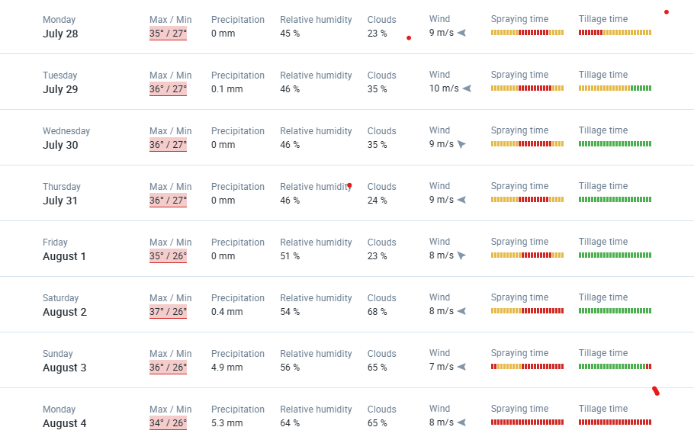
TN 34-01 | Sugarcane | default-maturity | 0.27 ha | 2025-07-11 | 0.75 | +0.08 | 2025-07-11 | 0.31 | +0.07 | 2025-07-11 | 7.06 | +2.51 | 2025-07-11 | 0.53 | +0.07 | 2025-07-11 | 0.56 | +0.06 | 2025-02-19 | Rotational tillage | Surface irrigation | - | Index risk - Low risk | Not available | Sugarcane is growing very well. Soil has enough water, and plants are healthy. | 2025-07-11 |  | 0.75 |  2025-07-11 | 0.31 | 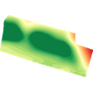 2025-07-11 | 7.06 |  2025-07-11 | 0.53 |  2025-07-11 | 0.56 |  | For Field TN 34-01, Sugarcane at default-maturity, the NDVI is 0.75 with a positive change of +0.08, indicating excellent crop health and vigorous growth. This field shows strong photosynthetic activity and high vegetation density, suggesting optimal conditions. The rising NDVI trend confirms the crop is thriving, likely due to effective management and favorable environmental factors. Top priority actions include maintaining the current irrigation and nutrient schedules to sustain this optimal growth, and proactively monitoring for any early signs of pest or disease pressure to prevent potential setbacks. Given the strong performance, consider fine-tuning nutrient applications to further optimize yield potential. Regular field inspections and continued monitoring of key indices will help maintain crop vigor. Urgency Level: Low, focus on optimization and preventative care to ensure sustained high productivity. The field is in an ideal state, requiring consistent, attentive management to maximize harvest. | NDMI stands at 0.31 with a +0.07 change, confirming excellent soil moisture. This supports root health, crop resilience, and strong vegetative growth. The field is well-managed, and irrigation practices appear effective. While rainfall data is missing, the NDMI trend suggests that water availability is sufficient for sugarcane development. To maintain this, ensure consistent irrigation and consider installing moisture sensors for precision management. Continued monitoring will help detect any early signs of moisture stress. This field is in optimal condition for sustained productivity. Use NDMI trends to guide irrigation scheduling and avoid overwatering. The positive NDMI change aligns with other healthy indices, reinforcing the field’s strong performance and low risk status. | RECI is 7.06 with a +2.51 increase, reflecting strong canopy reflectance and active leaf development. This confirms vigorous photosynthesis and excellent crop health, typical of mature sugarcane under ideal conditions. Maintain current irrigation and nutrient schedules to preserve canopy vigor. Use RECI trends to guide harvest timing and detect early stress indicators. Keep detailed records of RECI and other indices to support future decisions and optimize yield. This field is a model of best practices—continue proactive care to sustain productivity and resilience against environmental stressors. | MSAVI is 0.53 with a +0.07 increase, reflecting strong vegetation density and minimal soil exposure. This value confirms excellent canopy closure and healthy crop development. The field is well-managed, and MSAVI trends align with NDVI and RECI, reinforcing overall crop vigor. Maintain current irrigation and nutrient practices to preserve canopy health. Use MSAVI trends to detect early signs of stress and guide harvest timing. Continue proactive care and consider moisture sensors to optimize irrigation. This field is in optimal condition and poses minimal risk for productivity loss | NDRE: 0.56, Trend: Rising Excellent chlorophyll content and strong nitrogen uptake. The crop is thriving, with healthy canopy and minimal stress. Maintain current fertilization schedule and monitor for pest or disease signs. Use NDRE to fine-tune nitrogen application—avoid overuse. This field is a model of optimal nutrient management. Continue irrigation and weed control to sustain growth. If NDRE stabilizes above 0.55 for two weeks, expect high yield potential. No corrective action needed—focus on yield optimization and harvest planning. |  | NDRE is 0.56 with a rising trend, reflecting strong chlorophyll content and excellent nitrogen uptake. The crop is thriving with healthy canopy and minimal stress. Maintain current fertilization and irrigation schedules. Monitor for pest or disease signs and avoid over-fertilization. Use NDRE trends to fine-tune nutrient application. If NDRE stabilizes above 0.55 for two weeks, expect high yield potential. This field is a model of optimal nutrient management and should be prioritized for harvest planning and yield forecasting. | NDRE is high (0.56) and rising, indicating excellent chlorophyll content and strong nitrogen uptake. Current risk is low, but absence of rainfall data introduces uncertainty. If irrigation lapses, moisture stress could develop quickly. Pest pressure and nutrient imbalance should be monitored to prevent sudden issues. Over-fertilization may also pose a risk if not managed carefully. Maintain irrigation schedules and consider installing moisture sensors for precision control. This field is in excellent condition but requires proactive care to sustain performance. | NDRE is strong at 0.56, indicating excellent crop health. Maintain current irrigation and nutrient schedules. Introduce moisture sensors to fine-tune watering and prevent over-irrigation. Continue pest scouting and leaf analysis to catch early stress signs. Use NDRE trends to guide harvest timing and optimize yield. Keep detailed records to support future decisions. This field is performing well—stay proactive to preserve its productivity and resilience. | This sugarcane field is in excellent condition with NDRE at 0.56. Crop health is strong. Maintain current irrigation and nutrient schedules. Introduce moisture sensors to fine-tune watering and prevent over-irrigation. Continue pest scouting and leaf analysis to catch early stress signs. Use NDRE trends to guide harvest timing and optimize yield. Keep detailed records to support future decisions. This field is performing well—stay proactive to preserve its productivity and resilience. No major changes needed, just consistent care. | NDRE is 0.56—crop is healthy. Maintain current irrigation schedule. Use moisture sensors to avoid overwatering. Apply mulch to retain moisture and suppress weeds. Consider fertigation for efficient nutrient delivery. No major changes needed—just consistent care and monitoring. This field is water-efficient and performing well |  | 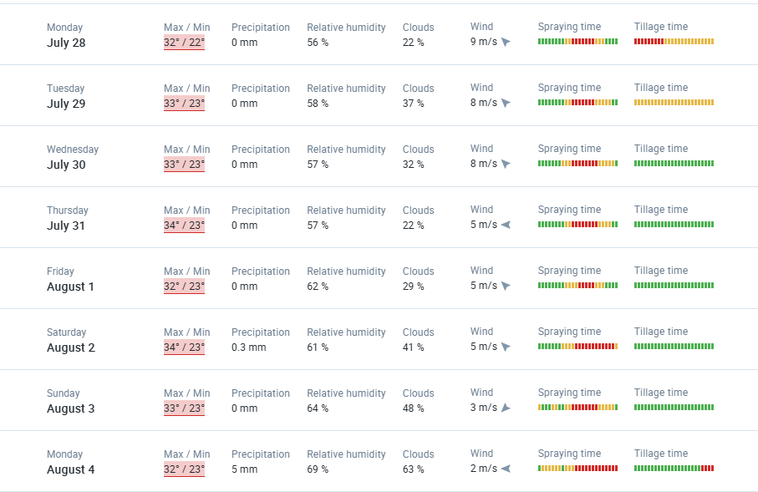
TN-28-KH001 | Pepper | - | 5.9 ha | 2025-07-11 | 0.78 | +0.03 | 2025-07-11 | 0.25 | -0.02 | 2025-07-11 | 8.37 | +1.72 | 2025-07-11 | 0.42 | -0.01 | 2025-07-11 | 0.49 | -0.02 | 2020-01-01 | - | Rainfall irrigation | - | Index risk - Low risk | 95 | Pepper crop looks strong, but soil is getting a little dry. | 2025-07-11 | 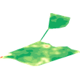 | 0.78 |  2025-07-11 | 0.25 | 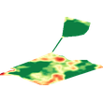 2025-07-11 | 8.37 | 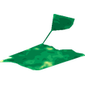 2025-07-11 | 0.42 | 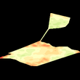 2025-07-11 | 0.49 |  | NDRE: 0.12, Trend: Improving (+0.05) Early signs of vegetation recovery. Chlorophyll levels are low but rising, indicating response to recent inputs or rainfall. Delay sowing until NDRE reaches 0.3. Apply organic fertilizers and monitor leaf color. Use NDRE trends to guide nutrient management and confirm readiness for cultivation. Pair with NDVI and RECI for full canopy assessment. With proper care, this field can transition from fallow to productive use. Continue soil conditioning and avoid heavy machinery to preserve structure. | NDMI is 0.25 but declined by -0.02, suggesting early-stage moisture loss. While the crop remains healthy, reduced water availability could become a concern, especially during flowering or fruiting stages. This decline should be addressed quickly to prevent stress that could impact yield. Consider increasing irrigation frequency and applying mulching to retain soil moisture. The drop in NDMI also correlates with declines in RECI and NDRE, indicating emerging stress. Monitor soil moisture levels regularly and use sensors to guide irrigation timing. If NDMI continues to fall, nutrient uptake and canopy health may suffer. Proactive moisture management is essential to maintain crop vigor and prevent yield loss. This field is productive but requires close attention to avoid escalation of stress indicators | RECI is 8.37 with a decline of -1.72, indicating reduced canopy reflectance and emerging stress. While NDVI remains strong, the drop in RECI suggests early-stage moisture or nutrient imbalance. Increase irrigation frequency and apply mulching to retain soil moisture. Monitor leaf health and consider foliar feeding to support recovery. Use RECI trends alongside NDMI and NDRE to detect stress early and prevent yield loss. This field is productive but requires close attention to avoid escalation of stress indicators. Timely action is critical to sustain crop vigor and ensure continued performance. | MSAVI is 0.42 with a slight decline of -0.01, suggesting stable but plateauing vegetation density. While the canopy remains intact, the drop may indicate emerging moisture stress or nutrient limitations. Apply mulching to reduce evaporation and improve soil moisture retention. Monitor MSAVI alongside NDVI and NDMI to detect early signs of crop stress. Consider supplemental fertilization and irrigation adjustments to support canopy recovery. This field is productive but requires close monitoring to prevent stagnation. Timely action will help sustain growth and avoid yield loss. | NDRE: 0.49, Trend: Slight Decline (-0.02) Healthy but showing early signs of nitrogen stress. Chlorophyll levels are still good, but the drop suggests emerging imbalance. Inspect for leaf yellowing or pest damage. Apply light nitrogen boost and ensure consistent moisture. Mulching can help retain soil nutrients. Use NDRE with NDMI to assess water stress. If trend continues downward, consider foliar spray. This field is productive but needs close monitoring to prevent yield loss. Recovery is likely with timely intervention. |  | NDRE is 0.49 with a slight decline of -0.02, suggesting early signs of nitrogen stress. Chlorophyll levels remain good, but the drop may indicate emerging imbalance. Inspect for leaf yellowing, pest damage, or moisture issues. Apply a light nitrogen boost and ensure consistent irrigation. Mulching can help retain nutrients. Use NDRE with NDMI to assess water stress. If the trend continues downward, consider foliar spray. This field is productive but needs close monitoring to prevent yield loss. Recovery is likely with timely intervention. | NDRE is 0.49 but declining slightly (-0.02), suggesting early signs of nitrogen stress. While the crop remains healthy, reduced chlorophyll levels could impact flowering and yield if not addressed. Moisture stress is also emerging, as seen in NDMI and RECI drops. Risk is moderate—act quickly to prevent escalation. Increase irrigation frequency, apply mulching, and consider foliar feeding. Monitor leaf color and soil moisture regularly. If trends continue downward, nutrient uptake and canopy health may suffer. Timely action is key to maintaining crop vigor. | NDRE is 0.49 but declining slightly, suggesting early nitrogen stress. Increase irrigation frequency and apply mulching to retain moisture. Consider foliar feeding to boost chlorophyll levels. Monitor leaf color and soil moisture weekly. Use NDRE with NDMI to detect deeper stress. If values continue to drop, adjust nutrient inputs promptly. This field is productive but needs close attention to avoid yield loss. Timely action will help sustain crop vigor. | NDRE is 0.49 but slightly declining, indicating early nitrogen stress. Increase irrigation frequency and apply mulching to retain moisture. Consider foliar feeding to boost chlorophyll levels. Monitor leaf color and soil moisture weekly. Use NDRE with NDMI to detect deeper stress. If values continue to drop, adjust nutrient inputs promptly. This field is productive but needs close attention to avoid yield loss. Timely action will help sustain crop vigor. Keep tracking NDRE weekly and respond quickly to any further decline. | NDRE is 0.49 but declining. Increase irrigation slightly. Use drip irrigation to target root zones. Apply mulch to reduce evaporation. Monitor NDMI alongside NDRE to detect deeper stress. If NDMI drops, split irrigation into morning and evening cycles. Watch leaf color and soil moisture weekly. Timely action will prevent yield loss. |  | 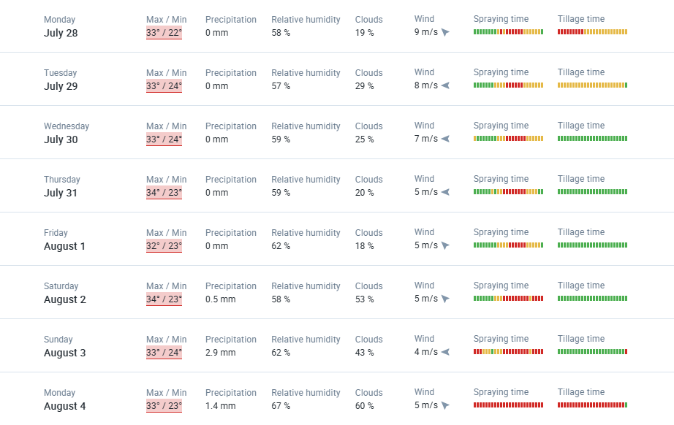
TN-24-UT001(N) | - | - | 0.65 ha | 2025-07-11 | 0.33 | -0.24 | 2025-07-11 | -0.09 | -0.15 | 2025-07-11 | 1.02 | -1.66 | 2025-07-11 | 0.23 | -0.13 | 2025-07-11 | 0.18 | -0.15 | - | - | - | Open soil - 0% Sparse vegetation - 91% Moderate vegetation - 9% Dense vegetation - 0% Cloudiness - 0% | Index risk - Low risk | Not sown | Plants are dying, and soil is dry. Looks like no one worked on this field recently. | 2025-07-11 |  | 0.33 |  2025-07-11 | -0.09 |  2025-07-11 | 1.02 |  2025-07-11 | 0.23 |  2025-07-11 | 0.18 |  | NDVI is 0.33 with a sharp decline of -0.24, indicating deteriorating vegetation and possible field abandonment or severe stress. This drop suggests poor management or environmental degradation. Avoid sowing until NDVI stabilizes and shows consistent improvement. Apply irrigation and soil conditioning to restore fertility. Use NDVI as a recovery tracker—values must rise above 0.5 before considering planting. The field currently poses a high risk of crop failure due to low vegetation and poor soil moisture. Consider cover crops or fallow management to rebuild soil health. Monitor NDVI weekly and combine with other indices like NDMI and RECI to assess recovery. Without intervention, productivity will remain low or nonexistent. Treat this field as a rehabilitation zone requiring sustained care and monitoring. | NDMI is -0.09 with a -0.15 drop, showing significant moisture loss and dry soil conditions. This level of decline is concerning and could lead to long-term degradation if not addressed. The field is currently unsuitable for planting, and immediate intervention is needed. Apply deep irrigation to restore water retention and consider organic amendments to improve soil structure. The sharp NDMI decline aligns with drops in NDVI and RECI, confirming that the field is under severe stress. Avoid sowing until NDMI rises above 0.2 and stabilizes. Use moisture sensors to guide irrigation and prevent further deterioration. Weekly monitoring is essential to track recovery. Without corrective action, the field may not support future crops and poses a high risk of failure. | RECI is 1.02 with a sharp drop of -1.66, confirming poor canopy reflectance and vegetation loss. This aligns with declining NDVI and NDMI, indicating severe stress or field abandonment. The field is currently unsuitable for planting. Apply deep irrigation and organic matter to restore fertility and improve soil structure. Use RECI as a recovery tracker—values must rise significantly before considering sowing. Weekly monitoring is essential to assess progress. Without intervention, productivity will remain low or nonexistent. Treat this field as a rehabilitation zone requiring sustained care and moisture management. | MSAVI is 0.23 with a sharp decline of -0.13, indicating sparse vegetation and exposed soil. This drop confirms deteriorating field conditions and increased erosion risk. The field is currently unsuitable for planting. Immediate intervention is needed—apply deep irrigation and organic amendments to restore soil health. Use MSAVI as a recovery tracker; values must rise above 0.4 before considering sowing. Weekly monitoring is essential to assess progress. Without corrective action, the field may not support future crops. Treat this as a rehabilitation zone requiring sustained care and moisture retention strategies. | NDRE: 0.18, Trend: Sharp Decline (-0.15) Severe nitrogen deficiency and declining plant health. Likely causes: drought, poor soil fertility, or pest damage. Field is unsuitable for planting. Apply deep irrigation and organic amendments. Use NDRE as a recovery tracker—values must rise above 0.3 before sowing. Weekly monitoring is essential. Without intervention, the field may not support future crops. Treat this as a rehabilitation zone requiring sustained care and nutrient support. Avoid chemical fertilizers until soil health improves. |  | NDRE is 0.18 with a sharp decline of -0.15, indicating severe nitrogen deficiency and declining plant health. Likely causes include drought, poor soil fertility, or pest damage. The field is unsuitable for planting. Apply deep irrigation and organic amendments to restore fertility. Use NDRE as a recovery tracker—values must rise above 0.3 before sowing. Weekly monitoring is essential. Without intervention, the field may not support future crops. Treat this as a rehabilitation zone requiring sustained care and nutrient support. Avoid chemical fertilizers until soil health improves. | NDRE is 0.18 with a sharp decline (-0.15), indicating severe nitrogen deficiency and poor plant health. This field is under high stress and unsuitable for planting. Risk of crop failure is very high. Soil is dry, vegetation is sparse, and canopy reflectance is low. Without deep irrigation and organic amendments, the field may not recover. Avoid sowing until NDRE rises above 0.3 and stabilizes. Weekly monitoring is essential. Consider cover crops or fallow management to rebuild soil health. Treat this field as a rehabilitation zone requiring sustained care. | NDRE is critically low at 0.18 and falling, indicating severe nitrogen deficiency. Do not sow. Apply deep irrigation and organic matter to restore fertility. Consider soil testing to identify nutrient gaps. Use NDRE as a recovery tracker—wait until values exceed 0.3 before planting. Weekly monitoring is essential. Introduce cover crops or fallow management to rebuild soil health. This field is high-risk and needs sustained rehabilitation before cultivation. | NDRE is critically low at 0.18 and falling, indicating severe nitrogen deficiency. Do not sow in this field yet. Apply deep irrigation and organic matter to restore fertility. Consider soil testing to identify nutrient gaps. Use NDRE as a recovery tracker—wait until values exceed 0.3 before planting. Weekly monitoring is essential. Introduce cover crops or fallow management to rebuild soil health. This field is high-risk and needs sustained rehabilitation before cultivation. Focus on long-term recovery and avoid rushing sowing decisions. | NDRE is 0.18—severely stressed. Do not irrigate for sowing. Begin deep, slow irrigation to penetrate root zone. Add organic matter to improve water retention. Avoid frequent shallow watering. Monitor NDRE weekly—wait for values above 0.3 before planting. Focus on soil recovery and moisture buildup. This field needs patient rehabilitation |  | 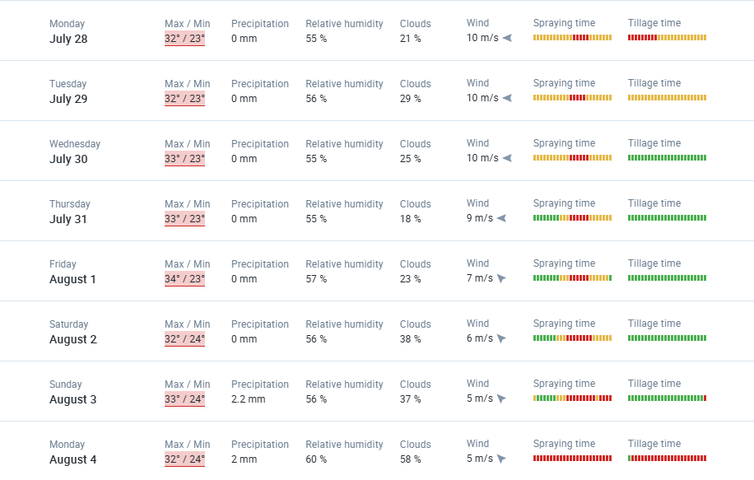
Field 6 | - | - | 0.87 ha | 2025-07-16 | 0.21 | +0.04 | 2025-07-16 | -0.11 | +0.05 | 2025-07-16 | 0.53 | +0.13 | 2025-07-16 | 0.14 | +0.04 | 2025-07-16 | 0.12 | +0.05 | - | - | - | - | Index risk - No data | Not sown | This field was empty but is slowly getting better. | 2025-07-16 |  | 0.21 |  2025-07-16 | -0.11 |  2025-07-16 | 0.53 |  2025-07-16 | 0.14 |  2025-07-16 | 0.12 |  | NDVI is 0.21 with a +0.04 change, indicating minimal but improving vegetation. This suggests early recovery or pre-sowing activity. The field may be fallow or recently cleared. Continued improvement depends on moisture and soil health. Monitor NDVI weekly to confirm upward trends. Delay sowing until NDVI reaches at least 0.4–0.5. Apply pre-irrigation and organic amendments to support vegetation growth. Use mulching to reduce evaporation and erosion. This field has potential, but rushing into planting may result in poor germination and low yield. NDVI trends should guide timing and input decisions. Combine NDVI with NDMI and RECI to get a full picture of field readiness. With proper care, this field can transition from fallow to productive use in the near future. | NDMI is -0.11 with a +0.05 change, showing low but recovering soil moisture. This is a positive sign, especially if cultivation is planned. The field may be fallow or recently cleared, and the improving NDMI suggests response to recent rainfall or irrigation. Continue moisture enrichment through controlled irrigation and mulching to reduce evaporation. Monitor NDMI weekly to ensure the upward trend continues. Delay sowing until NDMI reaches at least 0.2 to support healthy germination. Combine NDMI insights with NDVI and RECI to assess overall field readiness. This field has potential for recovery, but premature planting may result in poor crop establishment. Treat this as a transitional field and prioritize moisture retention strategies | RECI is 0.53 with a +0.13 increase, suggesting early-stage vegetation recovery. This aligns with improving NDVI and NDMI, indicating response to recent rainfall or irrigation. While conditions are improving, vegetation and moisture levels are still below optimal for planting. Delay sowing until RECI stabilizes above 1.0. Continue moisture enrichment and apply organic amendments to support vegetation growth. Use mulching to reduce evaporation and erosion. Monitor RECI weekly to guide planting decisions. With proper care, this field can transition from fallow to productive use in the near future. | MSAVI is 0.14 with a +0.04 increase, suggesting sparse vegetation but early signs of recovery. This aligns with improving NDVI and RECI, indicating a response to recent rainfall or irrigation. While still below optimal levels, the upward trend is promising. Delay sowing until MSAVI reaches at least 0.4 to ensure sufficient canopy development. Apply pre-irrigation and organic amendments to support vegetation growth. Use mulching to reduce evaporation and erosion. Monitor MSAVI weekly to guide planting decisions. With continued care, this field can transition from fallow to productive use. Would you like similar advisories for NDRE or a combined dashboard summary next? | NDRE: 0.12, Trend: Improving (+0.05) Early signs of vegetation recovery. Chlorophyll levels are low but rising, indicating response to recent inputs or rainfall. Delay sowing until NDRE reaches 0.3. Apply organic fertilizers and monitor leaf color. Use NDRE trends to guide nutrient management and confirm readiness for cultivation. Pair with NDVI and RECI for full canopy assessment. With proper care, this field can transition from fallow to productive use. Continue soil conditioning and avoid heavy machinery to preserve structure. |  | NDRE: 0.12, Trend: Improving (+0.05) Early signs of vegetation recovery. Chlorophyll levels are low but rising, indicating response to recent inputs or rainfall. Delay sowing until NDRE reaches 0.3. Apply organic fertilizers and monitor leaf color. Use NDRE trends to guide nutrient management and confirm readiness for cultivation. Pair with NDVI and RECI for full canopy assessment. With proper care, this field can transition from fallow to productive use. Continue soil conditioning and avoid heavy machinery to preserve structure. | NDRE is 0.12 with a positive change (+0.05), showing early signs of recovery. The field is still in transition, and the main risk is premature sowing. Vegetation and nitrogen levels are improving but remain below optimal. If planted now, crops may struggle to establish. Soil exposure increases erosion risk. Delay sowing and focus on moisture retention and nutrient buildup. Use mulching and organic inputs. Monitor NDRE weekly—if values continue rising, the field may be ready soon. Risk is moderate but manageable with proper care. | NDRE is 0.12 with a positive trend, showing early recovery. Delay sowing until NDRE reaches 0.3. Apply organic fertilizers and pre-irrigation to support vegetation growth. Use mulching to reduce evaporation and erosion. Monitor NDRE weekly to confirm readiness. Pair with NDVI and NDMI for full field assessment. With proper care, this field can transition from fallow to productive use. Avoid heavy machinery to preserve soil structure during recovery. | NDRE is 0.12 with a slight upward trend, showing early signs of recovery. Delay sowing until NDRE reaches 0.3. Apply organic fertilizers and pre-irrigation to support vegetation growth. Use mulching to reduce evaporation and erosion. Monitor NDRE weekly to confirm readiness. Pair with NDVI and NDMI for full field assessment. With proper care, this field can transition from fallow to productive use. Avoid heavy machinery to preserve soil structure during recovery. Stay consistent with inputs and track progress closely. | NDRE is 0.12—early recovery. Apply light irrigation every 3–4 days. Use mulch or cover crops to retain moisture. Avoid heavy watering and machinery. Monitor NDRE and NDMI weekly. Once NDRE reaches 0.3, shift to sowing-phase irrigation. Stay consistent with inputs and track progress. This field can recover with steady care |  | 