GRAPH
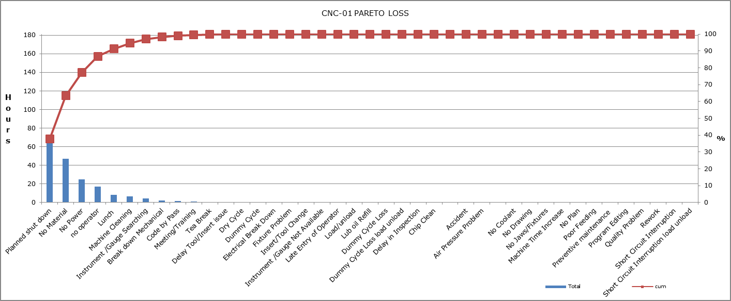
AREA WISE TOTAL LOSS HRS
 | OVER ALL LOSSED APRIL 2019
 | AREA | U/SETTING TIME HRS | NO MATERIAL HRS | NO OP. HRS | BREAK DOWN HRS | INSERT CHANGE TOOL SETTING | STOP BY QUALITY HRS | MISC. HRS | McTi | Lunch | Delay in Inspection | No Plan | New Component Development | Toilet | Fixture Problem | Electric Breakdown | Continue till last down reason | AREA | TOTAL HRS
 | CNC | 0 | 0 | 0 | 0 | 0 | 0 | 0 | 0 | 0 | 0 | 0 | 0 | 0 | 0 | 0 |  | CNC | 0.0
 | VMC | 0 | 0 | 0 | 0 | 0 | 0 | 0 | 0 | 0 | 0 | 0 | 0 | 0 | 0 | 0 |  | VMC | 0.0
 | HMC | 0 | 0 | 0 | 0 | 0 | 0 | 0 | 0 | 0 | 0 | 0 | 0 | 0 | 0 | 0 |  | HMC | 0.0
OVER ALL LOSSED HRS APRIL 2019

SUMMARY |  | HRS
UNDER SETTING HRS |  | 0.00
NO MATERIAL HRS |  | 0.00
NO OPERATOR HRS |  | 0.00
BREAK DOWN HRS |  | 0.00
INSERT /TOOL HRS |  | 0.00
ISSUE QUATITY HRS |  | 0.00
MISS HRS |  | 0.00
McTi |  | 0.00
Lunch |  | 0.00
Delay in Inspection |  | 0.00
No Plan |  | 0.00
New Component Development |  | 0.00
Toilet |  | 0.00
Fixture Problem |  | 0.00
Electric Breakdown |  | 0.00
TOTAL HRS |  | 0

OEE % MONTH OF APRIL
OP EFF % MONTH APRIL
 |  | OEE |  | OP EFF
 | CNC | 0 | CNC | 0
 | VMC | 0 | VMC | 0
 | HMC | 0.0 | HMC | 0

YTD
 | OEE | QE | AE | OP EFF | LOSS HRS
JAN
FEB
MAR
APR
MAY
JUN
JUL
AUG
SEP
OCT
NOV
DEC
YEAR 2019 | OEE | QE | AE | OP EFF | LOSS HRS
JAN
FEB
MAR
APR
MAY
JUN
JUL
AUG
SEP
OCT
NOV
DEC

