중국어
중국어_이미지 | 테스트6 | 테스트8 | 테스트9 | 이미지 설명 | Scripts | 3 | 버전정보
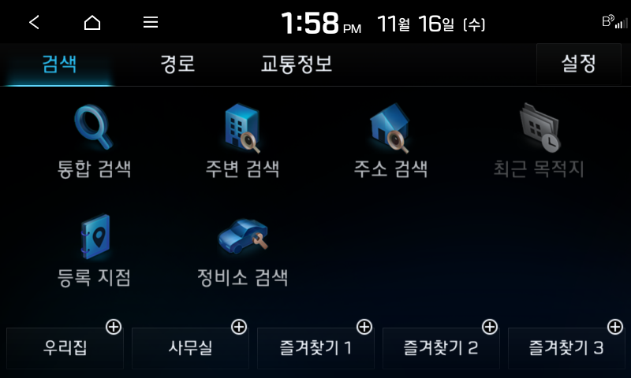 D:/00.Work/00.Kraken/com.auto.script/Tool Project/PAT/Report/20221116-135824/FAIL/IBD_usage_search_directionToSelectedPoi__.c\2022-11-16 135856_org.png | FAIL | FAIL | FAIL | asfasf | safsafsaf | fassaf | 1r12r12f12
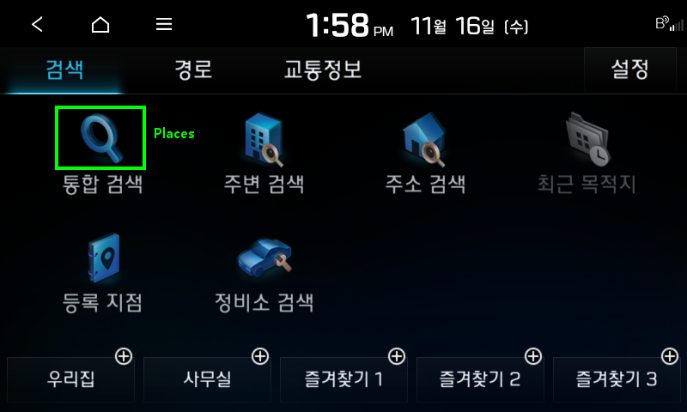 D:/00.Work/00.Kraken/com.auto.script/Tool Project/PAT/Report/20221116-135824/FAIL/IBD_usage_search_directionToSelectedPoi__.c\2022-11-16 135900_det.png | FAIL | FAIL | FAIL | qewrq | qwrwqr | qwrqwr | 1r12r12f12
 D:/00.Work/00.Kraken/com.auto.script/Tool Project/PAT/Report/20221116-135824/FAIL/IBD_usage_search_directionToSelectedPoi__.c\2022-11-16 135900_org.png | FAIL | FAIL | FAIL | asfafsfa | faafsfas | fasafsafs | 1r12r12f12
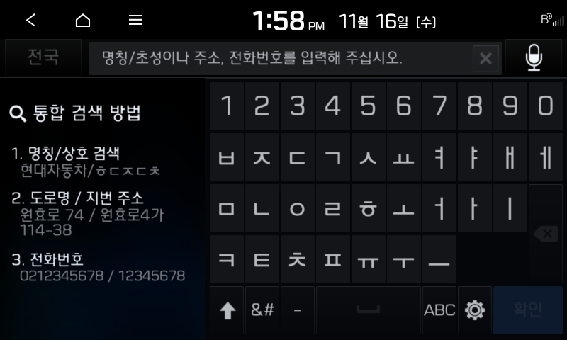 D:/00.Work/00.Kraken/com.auto.script/Tool Project/PAT/Report/20221116-135824/FAIL/IBD_usage_search_directionToSelectedPoi__.c\2022-11-16 135903_org.png | N/T | N/T | N/T | dvsvcxcxv | sedwed | ewvewwv | 1r12r12f12
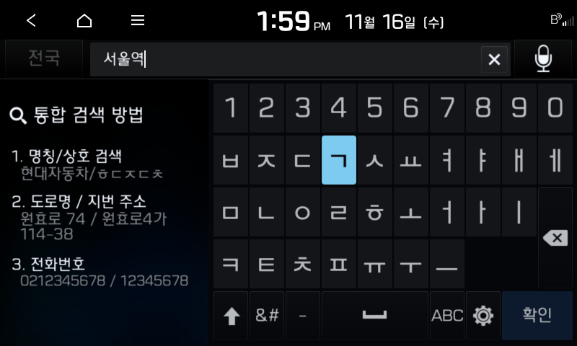 D:/00.Work/00.Kraken/com.auto.script/Tool Project/PAT/Report/20221116-135824/FAIL/IBD_usage_search_directionToSelectedPoi__.c\2022-11-16 135915_org.png |  |  |  |  |  |  | 1r12r12f12
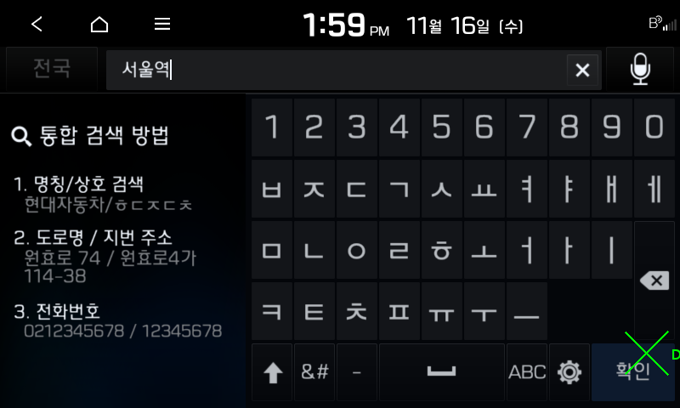 D:/00.Work/00.Kraken/com.auto.script/Tool Project/PAT/Report/20221116-135824/FAIL/IBD_usage_search_directionToSelectedPoi__.c\2022-11-16 135919_det.png
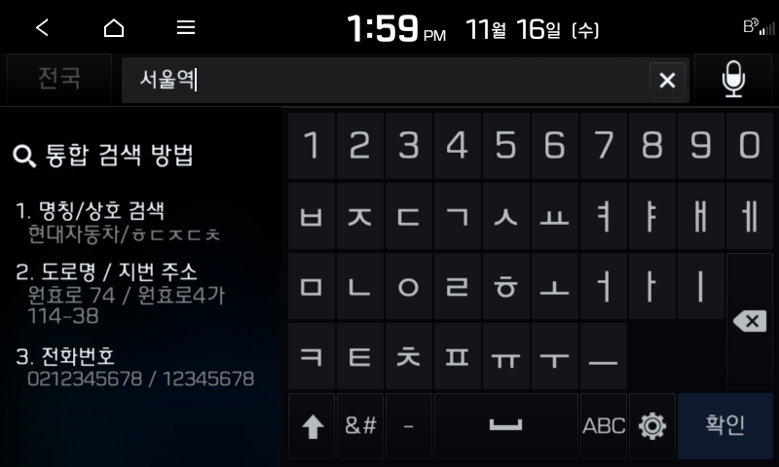 D:/00.Work/00.Kraken/com.auto.script/Tool Project/PAT/Report/20221116-135824/FAIL/IBD_usage_search_directionToSelectedPoi__.c\2022-11-16 135919_org.png
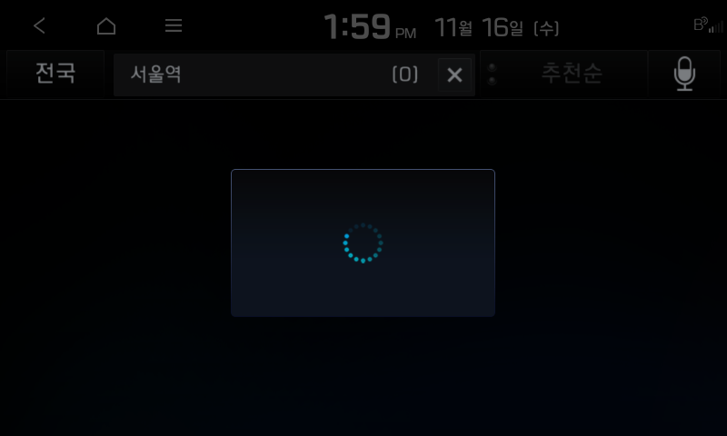 D:/00.Work/00.Kraken/com.auto.script/Tool Project/PAT/Report/20221116-135824/FAIL/IBD_usage_search_directionToSelectedPoi__.c\2022-11-16 135922_org.png
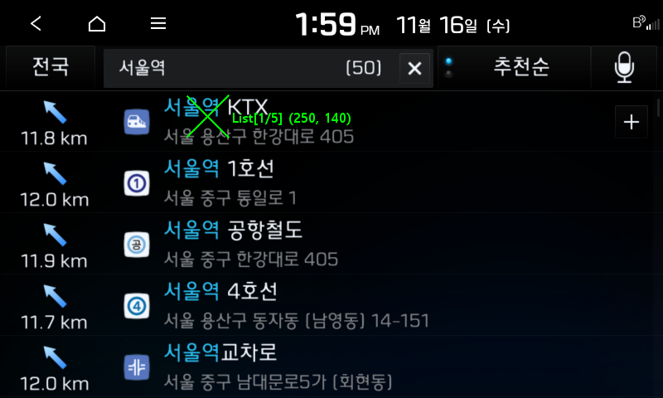 D:/00.Work/00.Kraken/com.auto.script/Tool Project/PAT/Report/20221116-135824/FAIL/IBD_usage_search_directionToSelectedPoi__.c\2022-11-16 135931_det.png
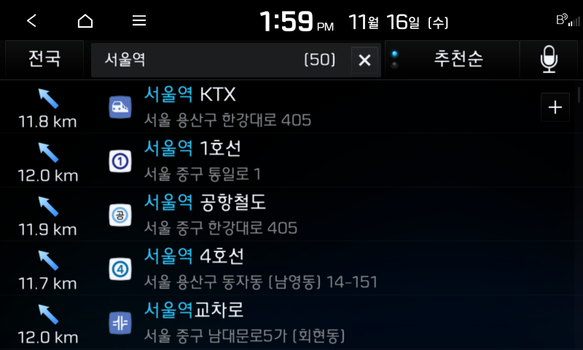 D:/00.Work/00.Kraken/com.auto.script/Tool Project/PAT/Report/20221116-135824/FAIL/IBD_usage_search_directionToSelectedPoi__.c\2022-11-16 135931_org.png
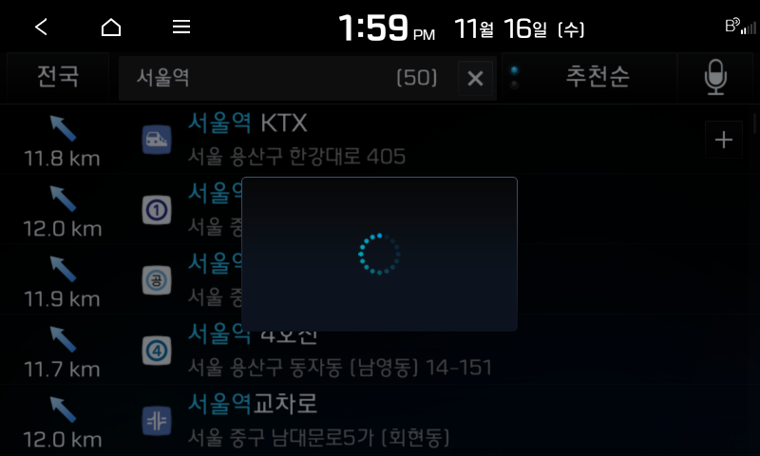 D:/00.Work/00.Kraken/com.auto.script/Tool Project/PAT/Report/20221116-135824/FAIL/IBD_usage_search_directionToSelectedPoi__.c\2022-11-16 135934_org.png
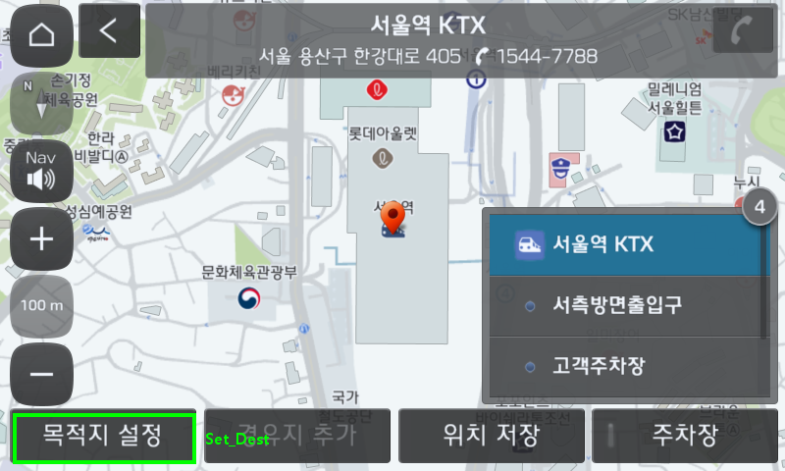 D:/00.Work/00.Kraken/com.auto.script/Tool Project/PAT/Report/20221116-135824/FAIL/IBD_usage_search_directionToSelectedPoi__.c\2022-11-16 135946_det.png
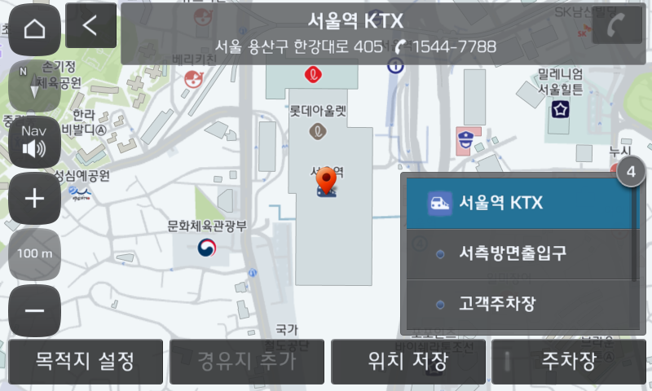 D:/00.Work/00.Kraken/com.auto.script/Tool Project/PAT/Report/20221116-135824/FAIL/IBD_usage_search_directionToSelectedPoi__.c\2022-11-16 135946_org.png
D:/00.Work/00.Kraken/com.auto.script/Tool Project/PAT/Report/20221116-135824/FAIL/IBD_usage_search_directionToSelectedPoi__.c\2022-11-16 135950_org.png
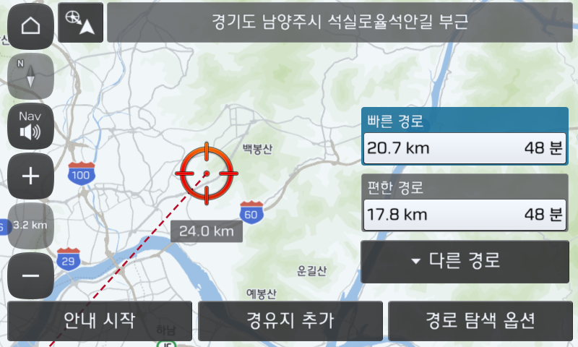 D:/00.Work/00.Kraken/com.auto.script/Tool Project/PAT/Report/20221116-135824/FAIL/IBD_usage_search_directionToSelectedPoi__.c\2022-11-16 140012_org.png
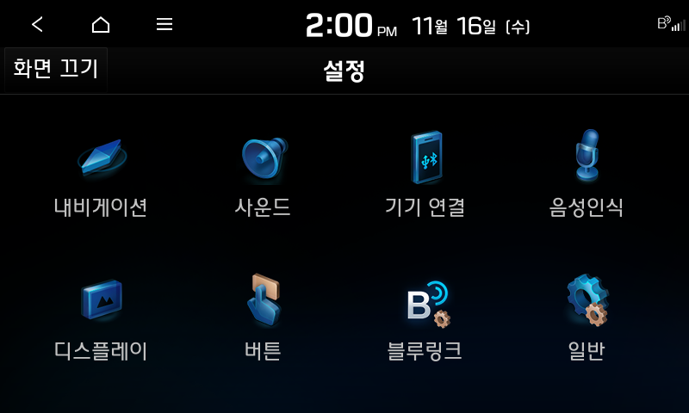 D:/00.Work/00.Kraken/com.auto.script/Tool Project/PAT/Report/20221116-135824/FAIL/IBD_usage_search_directionToSelectedPoi__.c\2022-11-16 140053_org.png
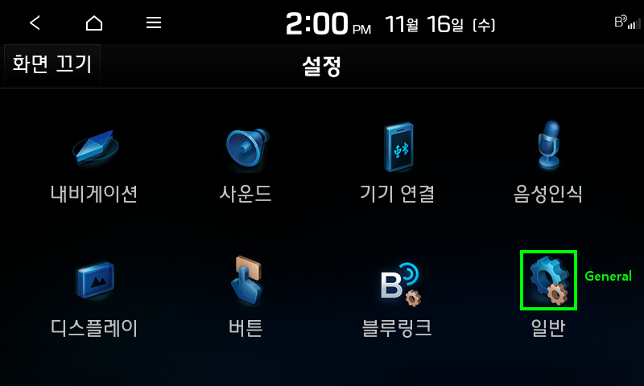 D:/00.Work/00.Kraken/com.auto.script/Tool Project/PAT/Report/20221116-135824/FAIL/IBD_usage_search_directionToSelectedPoi__.c\2022-11-16 140057_det.png
D:/00.Work/00.Kraken/com.auto.script/Tool Project/PAT/Report/20221116-135824/FAIL/IBD_usage_search_directionToSelectedPoi__.c\2022-11-16 140057_org.png
D:/00.Work/00.Kraken/com.auto.script/Tool Project/PAT/Report/20221116-135824/FAIL/IBD_usage_search_directionToSelectedPoi__.c\2022-11-16 140100_org.png
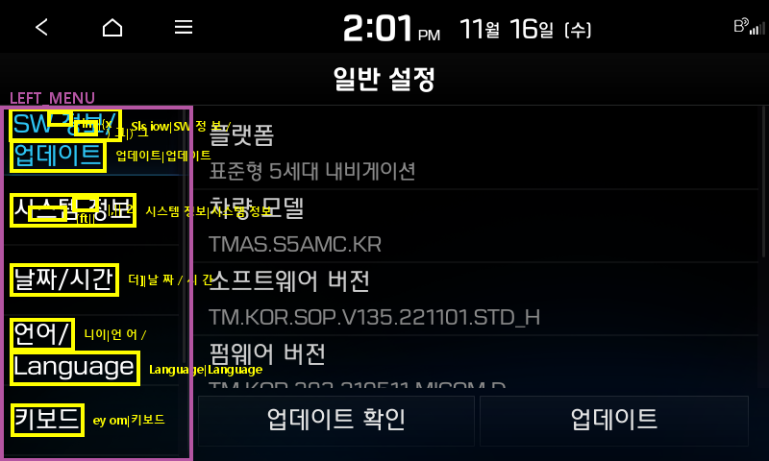 D:/00.Work/00.Kraken/com.auto.script/Tool Project/PAT/Report/20221116-135824/FAIL/IBD_usage_search_directionToSelectedPoi__.c\2022-11-16 140105_det.png
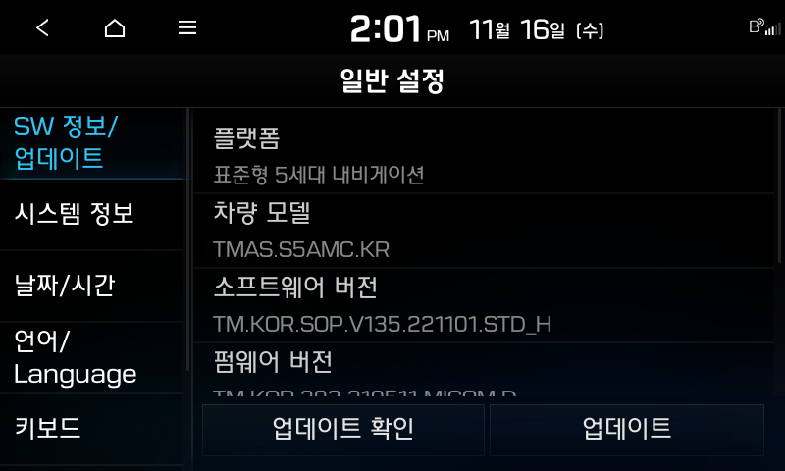 D:/00.Work/00.Kraken/com.auto.script/Tool Project/PAT/Report/20221116-135824/FAIL/IBD_usage_search_directionToSelectedPoi__.c\2022-11-16 140105_org.png
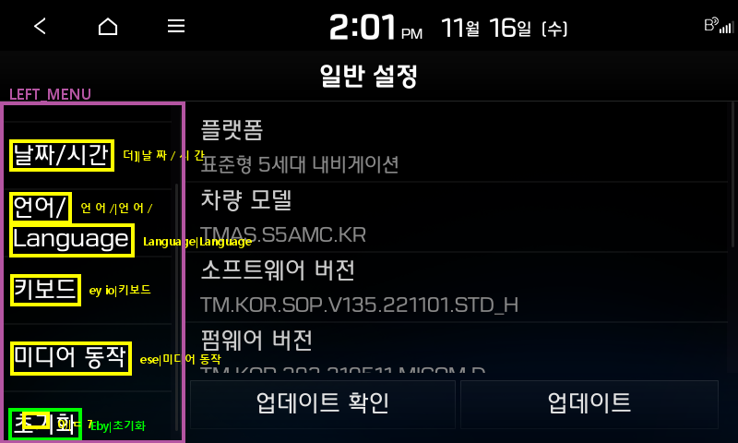 D:/00.Work/00.Kraken/com.auto.script/Tool Project/PAT/Report/20221116-135824/FAIL/IBD_usage_search_directionToSelectedPoi__.c\2022-11-16 140109_det.png
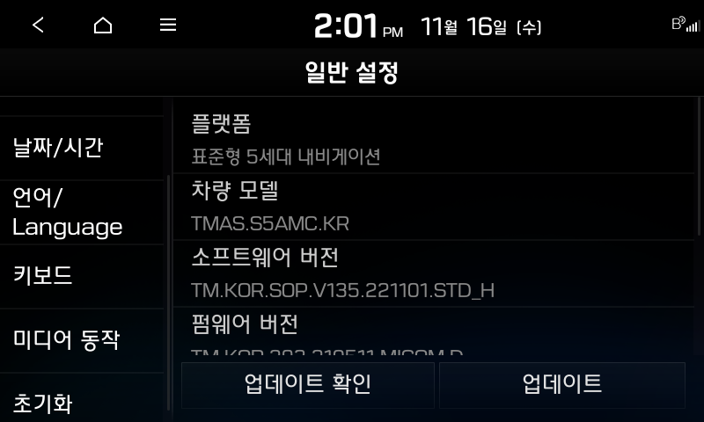 D:/00.Work/00.Kraken/com.auto.script/Tool Project/PAT/Report/20221116-135824/FAIL/IBD_usage_search_directionToSelectedPoi__.c\2022-11-16 140109_org.png
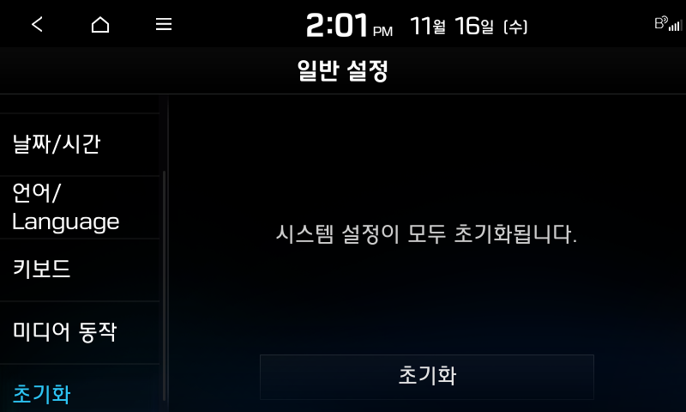 D:/00.Work/00.Kraken/com.auto.script/Tool Project/PAT/Report/20221116-135824/FAIL/IBD_usage_search_directionToSelectedPoi__.c\2022-11-16 140112_org.png
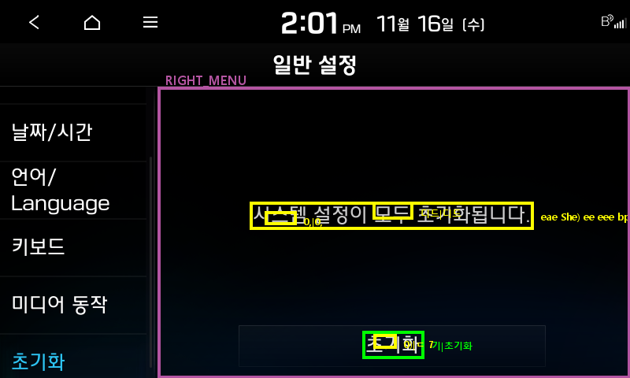 D:/00.Work/00.Kraken/com.auto.script/Tool Project/PAT/Report/20221116-135824/FAIL/IBD_usage_search_directionToSelectedPoi__.c\2022-11-16 140113_det.png
D:/00.Work/00.Kraken/com.auto.script/Tool Project/PAT/Report/20221116-135824/FAIL/IBD_usage_search_directionToSelectedPoi__.c\2022-11-16 140113_org.png
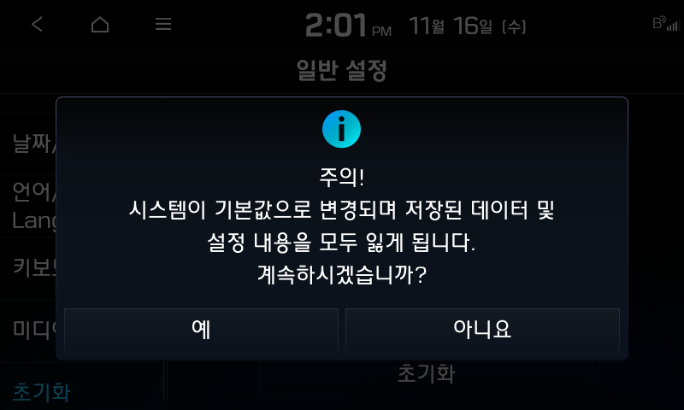 D:/00.Work/00.Kraken/com.auto.script/Tool Project/PAT/Report/20221116-135824/FAIL/IBD_usage_search_directionToSelectedPoi__.c\2022-11-16 140116_org.png
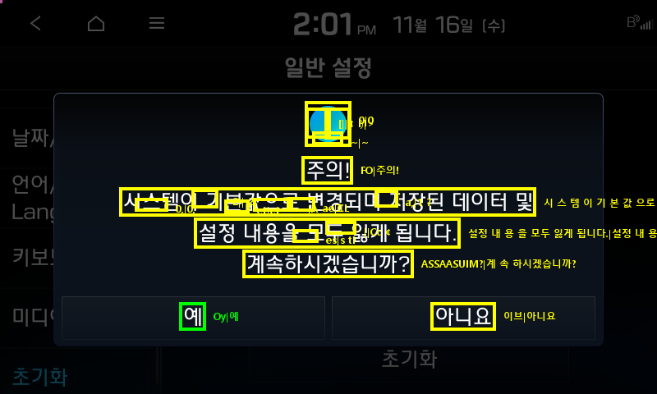 D:/00.Work/00.Kraken/com.auto.script/Tool Project/PAT/Report/20221116-135824/FAIL/IBD_usage_search_directionToSelectedPoi__.c\2022-11-16 140118_det.png
D:/00.Work/00.Kraken/com.auto.script/Tool Project/PAT/Report/20221116-135824/FAIL/IBD_usage_search_directionToSelectedPoi__.c\2022-11-16 140118_org.png
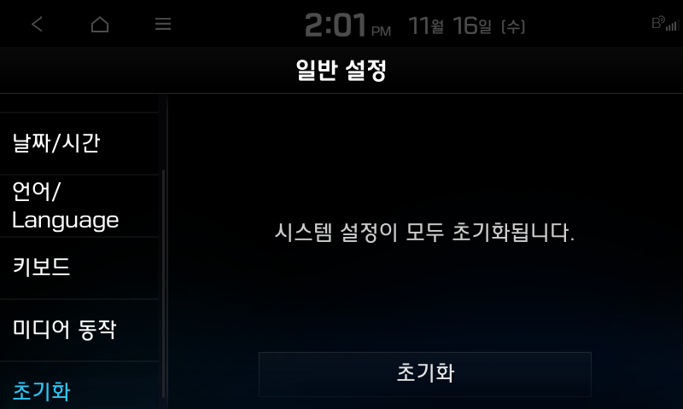 D:/00.Work/00.Kraken/com.auto.script/Tool Project/PAT/Report/20221116-135824/FAIL/IBD_usage_search_directionToSelectedPoi__.c\2022-11-16 140121_org.png

