중국어
중국어_이미지 | 문자 넘침 | 개행 오류 | 다국어 기능과 의미 비매칭 | 축약어 | 124125251 | 이미지 설명 | Scripts | 이슈 번호 | 비고 | 버전정보
 D:/test/TestList_CSV/git-practice-main/IMG_Source\logo.png | PASS | PASS | PASS | PASS | PASS | 1 | 1 | 1 | 1 | aehw ah awh ah
 D:/test/TestList_CSV/git-practice-main/IMG_Source\modim.png | FAIL | FAIL | FAIL | FAIL | FAIL | 2 | 2 | 2 | 2 | aehw ah awh ah
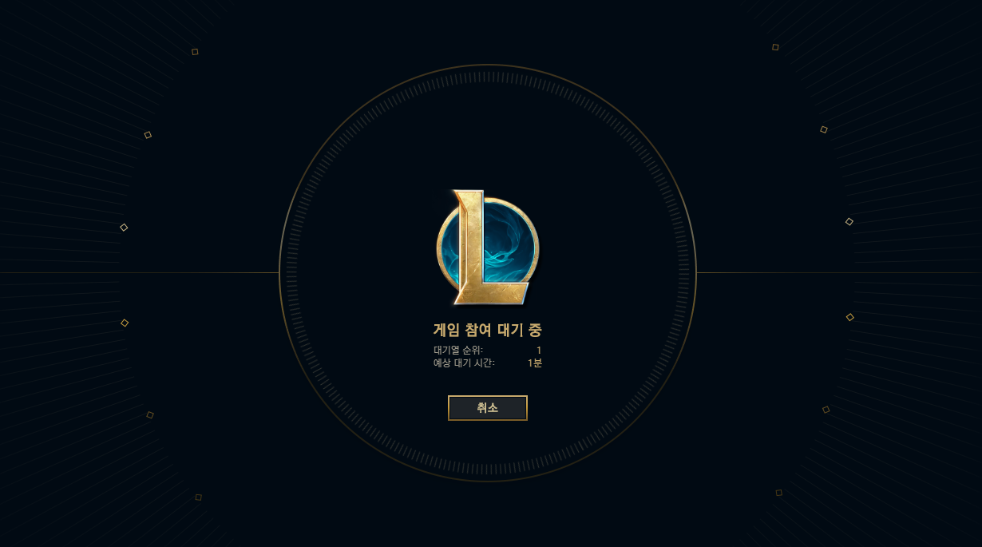 D:/test/TestList_CSV/git-practice-main/IMG_Source\start.png | FAIL | FAIL | FAIL | FAIL | FAIL | 3 | 3 | 3 | 3 | aehw ah awh ah

독일어
독일어_이미지 | 문자 넘침 | 개행 오류 | 다국어 기능과 의미 비매칭 | 축약어 | 124125251 | 이미지 설명 | Scripts | 이슈 번호 | 비고 | 버전정보
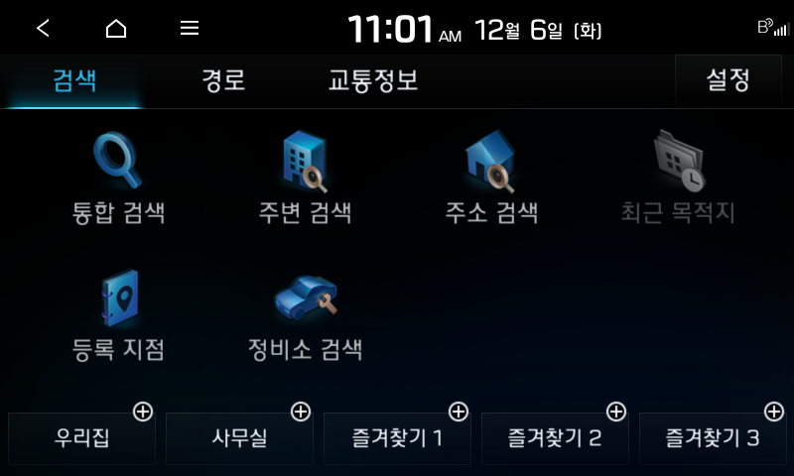 D:/00.Work/00.Kraken/com.auto.script/Tool Project/PAT/Report/20221206-105013/PASS/IBD_usage_stopGuidance_shortLongPress__1.c\2022-12-06 110107_org.png | PASS | PASS | PASS | PASS | PASS
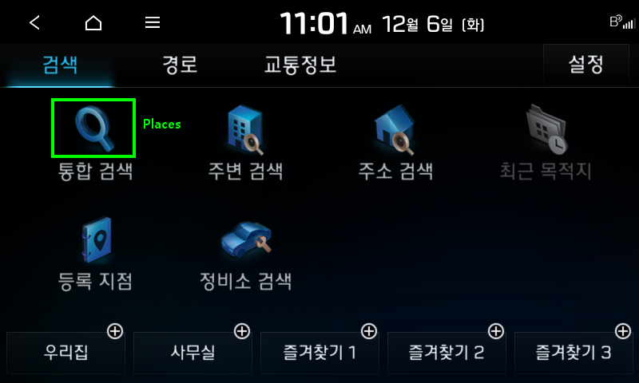 D:/00.Work/00.Kraken/com.auto.script/Tool Project/PAT/Report/20221206-105013/PASS/IBD_usage_stopGuidance_shortLongPress__1.c\2022-12-06 110110_det.png | PASS | PASS | PASS | PASS | PASS
D:/00.Work/00.Kraken/com.auto.script/Tool Project/PAT/Report/20221206-105013/PASS/IBD_usage_stopGuidance_shortLongPress__1.c\2022-12-06 110110_org.png | FAIL | FAIL | FAIL | FAIL | FAIL
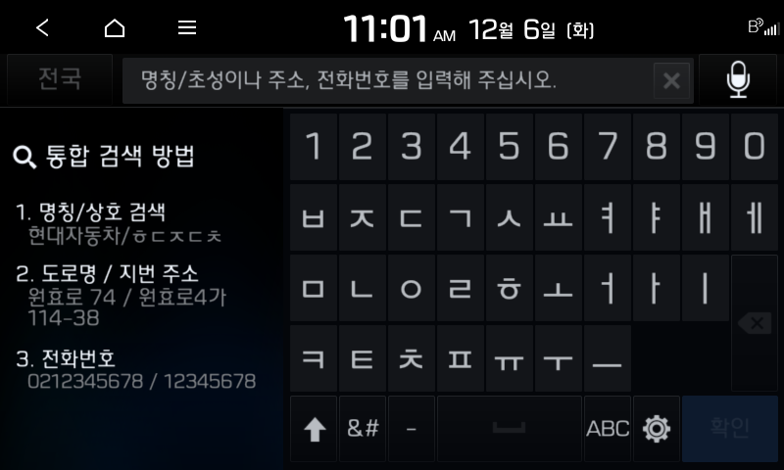 D:/00.Work/00.Kraken/com.auto.script/Tool Project/PAT/Report/20221206-105013/PASS/IBD_usage_stopGuidance_shortLongPress__1.c\2022-12-06 110113_org.png | FAIL | FAIL | FAIL | FAIL | FAIL
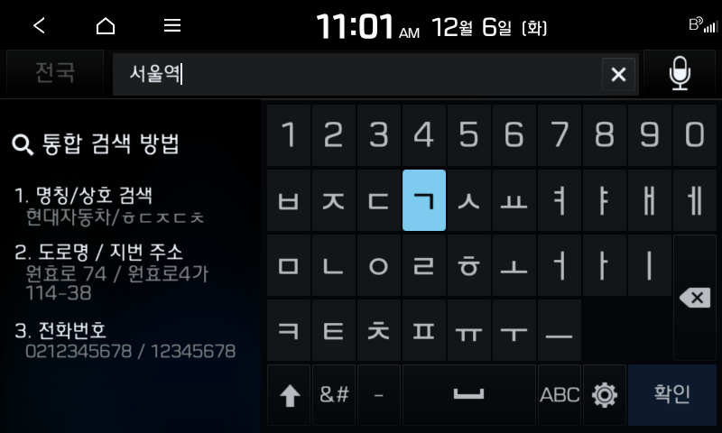 D:/00.Work/00.Kraken/com.auto.script/Tool Project/PAT/Report/20221206-105013/PASS/IBD_usage_stopGuidance_shortLongPress__1.c\2022-12-06 110124_org.png | FAIL | FAIL | FAIL | FAIL | FAIL
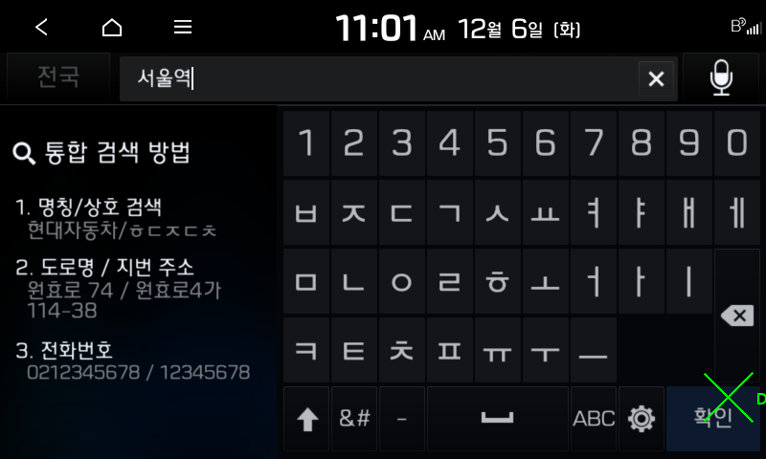 D:/00.Work/00.Kraken/com.auto.script/Tool Project/PAT/Report/20221206-105013/PASS/IBD_usage_stopGuidance_shortLongPress__1.c\2022-12-06 110127_det.png | N/T | N/T | N/T | N/T | N/T
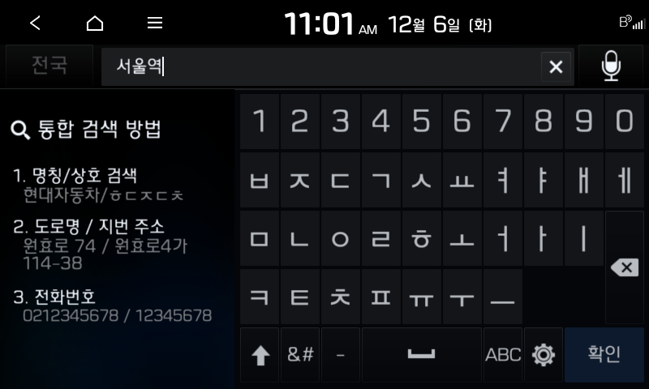 D:/00.Work/00.Kraken/com.auto.script/Tool Project/PAT/Report/20221206-105013/PASS/IBD_usage_stopGuidance_shortLongPress__1.c\2022-12-06 110127_org.png | N/T | N/T | N/T | N/T | N/T
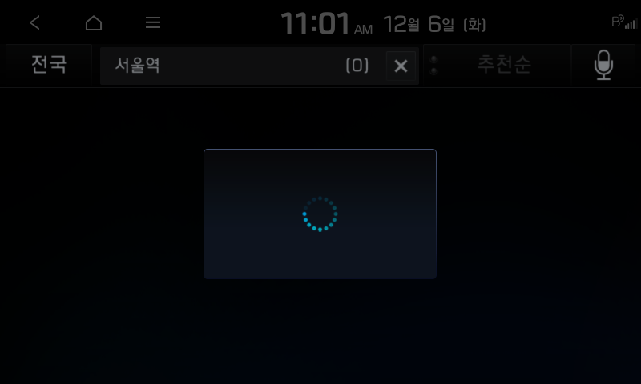 D:/00.Work/00.Kraken/com.auto.script/Tool Project/PAT/Report/20221206-105013/PASS/IBD_usage_stopGuidance_shortLongPress__1.c\2022-12-06 110130_org.png | N/T | N/T | N/T | N/T | N/T
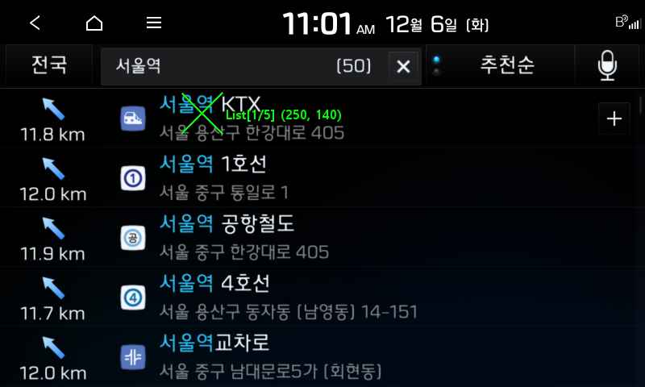 D:/00.Work/00.Kraken/com.auto.script/Tool Project/PAT/Report/20221206-105013/PASS/IBD_usage_stopGuidance_shortLongPress__1.c\2022-12-06 110139_det.png | N/A | N/A | N/A | N/A | N/A
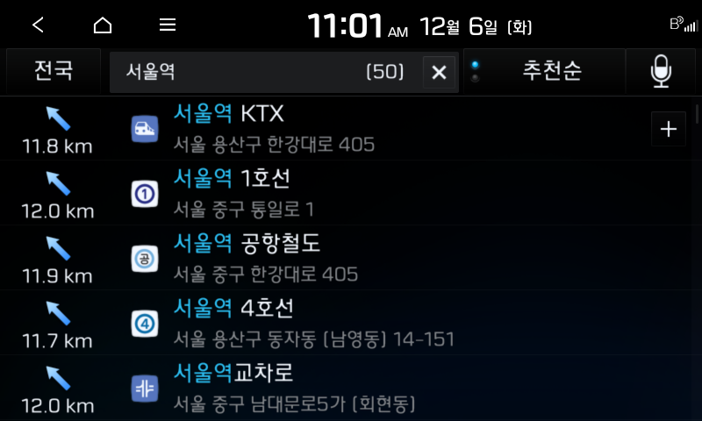 D:/00.Work/00.Kraken/com.auto.script/Tool Project/PAT/Report/20221206-105013/PASS/IBD_usage_stopGuidance_shortLongPress__1.c\2022-12-06 110139_org.png
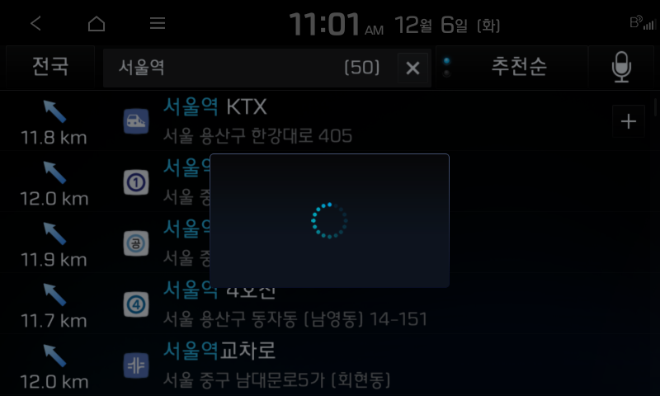 D:/00.Work/00.Kraken/com.auto.script/Tool Project/PAT/Report/20221206-105013/PASS/IBD_usage_stopGuidance_shortLongPress__1.c\2022-12-06 110141_org.png
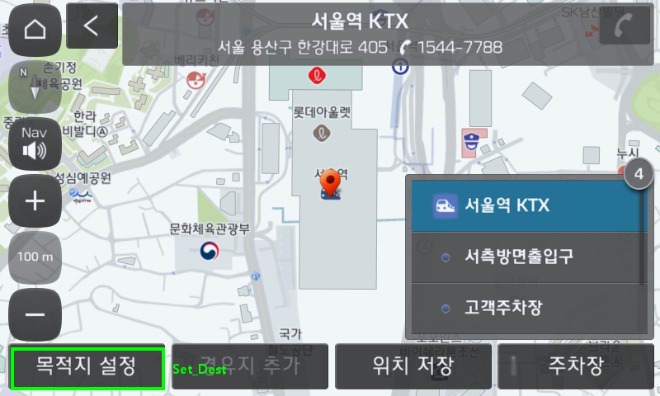 D:/00.Work/00.Kraken/com.auto.script/Tool Project/PAT/Report/20221206-105013/PASS/IBD_usage_stopGuidance_shortLongPress__1.c\2022-12-06 110153_det.png
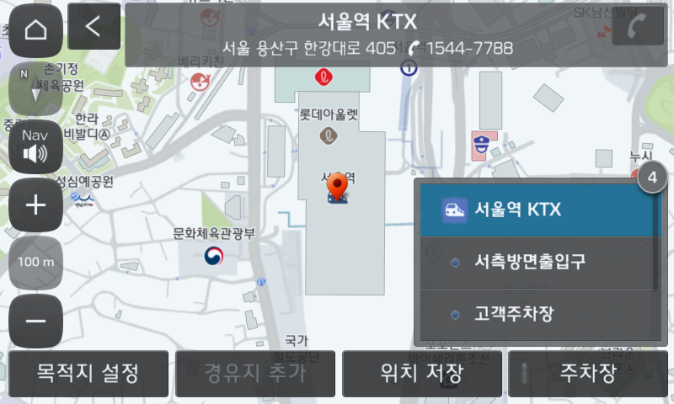 D:/00.Work/00.Kraken/com.auto.script/Tool Project/PAT/Report/20221206-105013/PASS/IBD_usage_stopGuidance_shortLongPress__1.c\2022-12-06 110153_org.png
D:/00.Work/00.Kraken/com.auto.script/Tool Project/PAT/Report/20221206-105013/PASS/IBD_usage_stopGuidance_shortLongPress__1.c\2022-12-06 110156_org.png
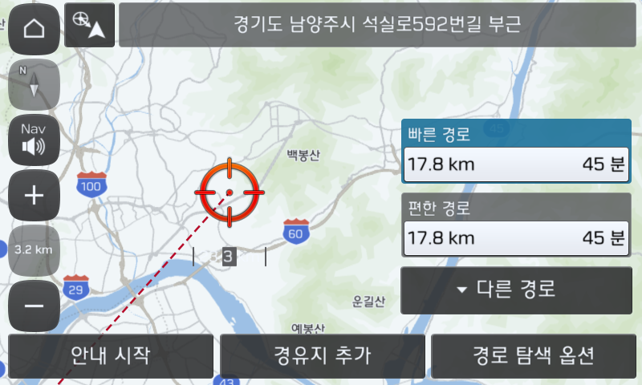 D:/00.Work/00.Kraken/com.auto.script/Tool Project/PAT/Report/20221206-105013/PASS/IBD_usage_stopGuidance_shortLongPress__1.c\2022-12-06 110218_org.png
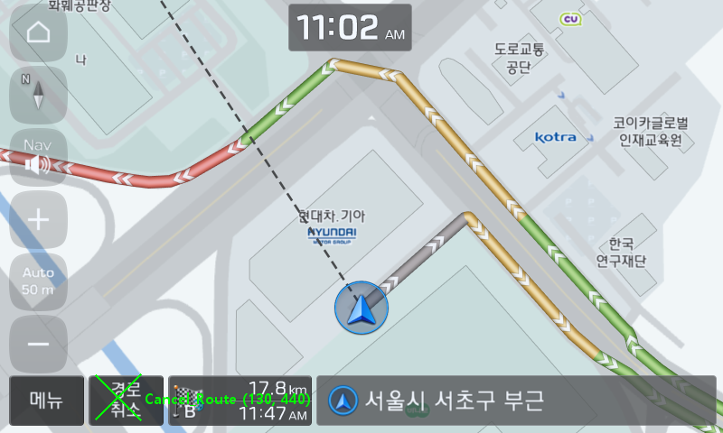 D:/00.Work/00.Kraken/com.auto.script/Tool Project/PAT/Report/20221206-105013/PASS/IBD_usage_stopGuidance_shortLongPress__1.c\2022-12-06 110231_det.png
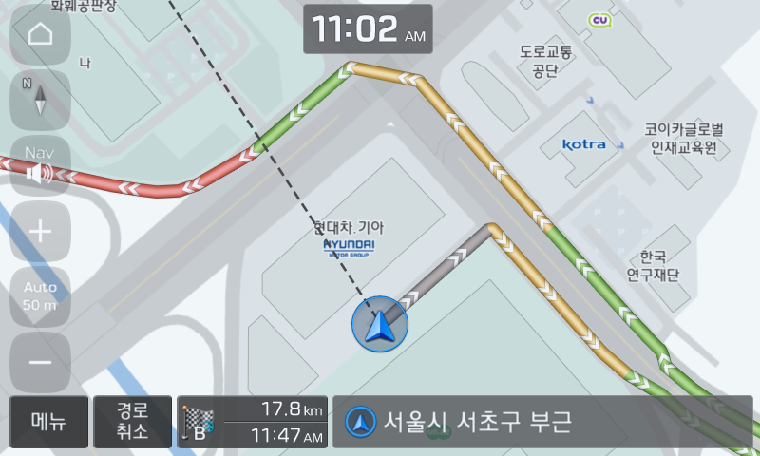 D:/00.Work/00.Kraken/com.auto.script/Tool Project/PAT/Report/20221206-105013/PASS/IBD_usage_stopGuidance_shortLongPress__1.c\2022-12-06 110231_org.png
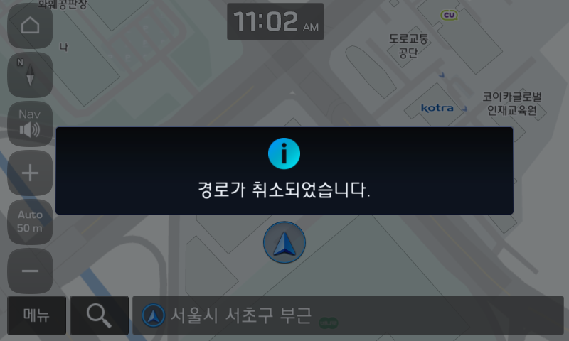 D:/00.Work/00.Kraken/com.auto.script/Tool Project/PAT/Report/20221206-105013/PASS/IBD_usage_stopGuidance_shortLongPress__1.c\2022-12-06 110233_org.png
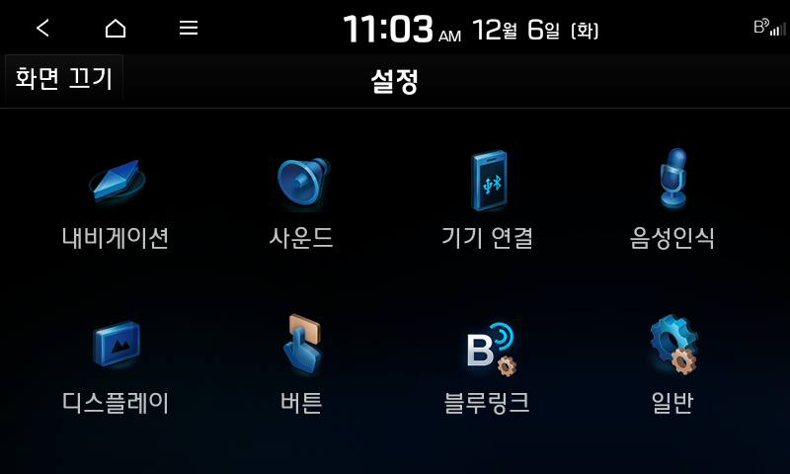 D:/00.Work/00.Kraken/com.auto.script/Tool Project/PAT/Report/20221206-105013/PASS/IBD_usage_stopGuidance_shortLongPress__1.c\2022-12-06 110305_org.png
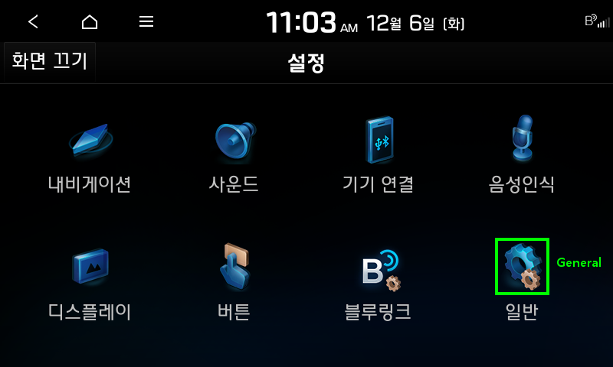 D:/00.Work/00.Kraken/com.auto.script/Tool Project/PAT/Report/20221206-105013/PASS/IBD_usage_stopGuidance_shortLongPress__1.c\2022-12-06 110309_det.png
D:/00.Work/00.Kraken/com.auto.script/Tool Project/PAT/Report/20221206-105013/PASS/IBD_usage_stopGuidance_shortLongPress__1.c\2022-12-06 110309_org.png
D:/00.Work/00.Kraken/com.auto.script/Tool Project/PAT/Report/20221206-105013/PASS/IBD_usage_stopGuidance_shortLongPress__1.c\2022-12-06 110311_org.png
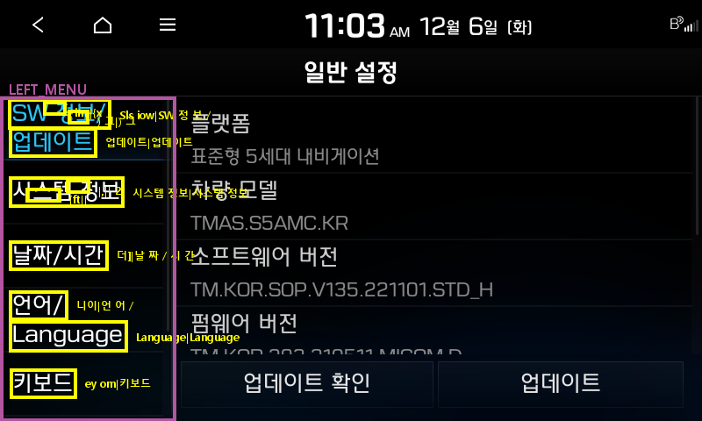 D:/00.Work/00.Kraken/com.auto.script/Tool Project/PAT/Report/20221206-105013/PASS/IBD_usage_stopGuidance_shortLongPress__1.c\2022-12-06 110316_det.png
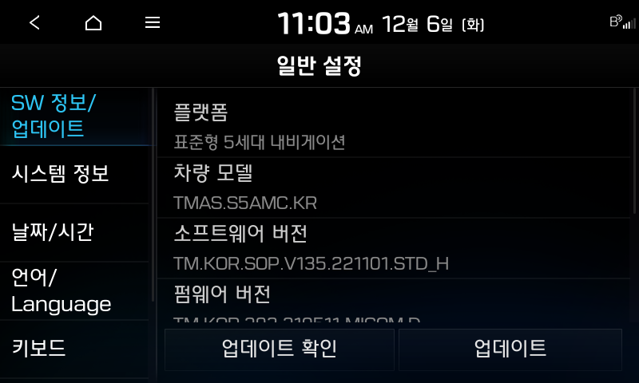 D:/00.Work/00.Kraken/com.auto.script/Tool Project/PAT/Report/20221206-105013/PASS/IBD_usage_stopGuidance_shortLongPress__1.c\2022-12-06 110316_org.png
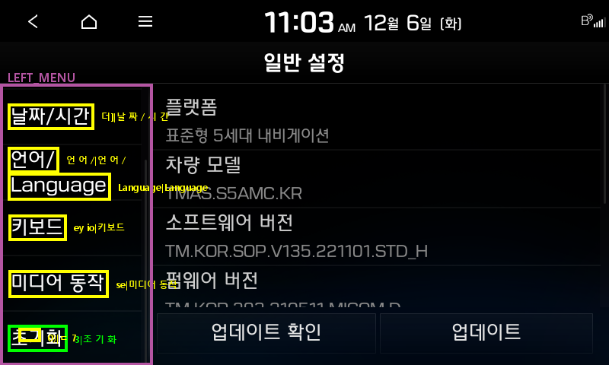 D:/00.Work/00.Kraken/com.auto.script/Tool Project/PAT/Report/20221206-105013/PASS/IBD_usage_stopGuidance_shortLongPress__1.c\2022-12-06 110319_det.png
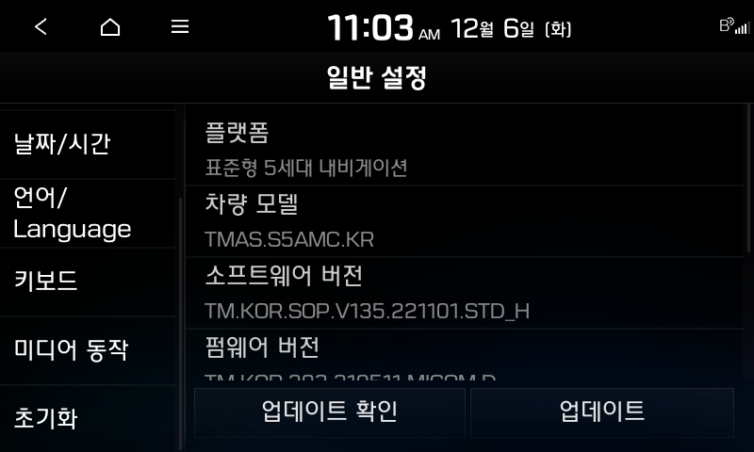 D:/00.Work/00.Kraken/com.auto.script/Tool Project/PAT/Report/20221206-105013/PASS/IBD_usage_stopGuidance_shortLongPress__1.c\2022-12-06 110319_org.png
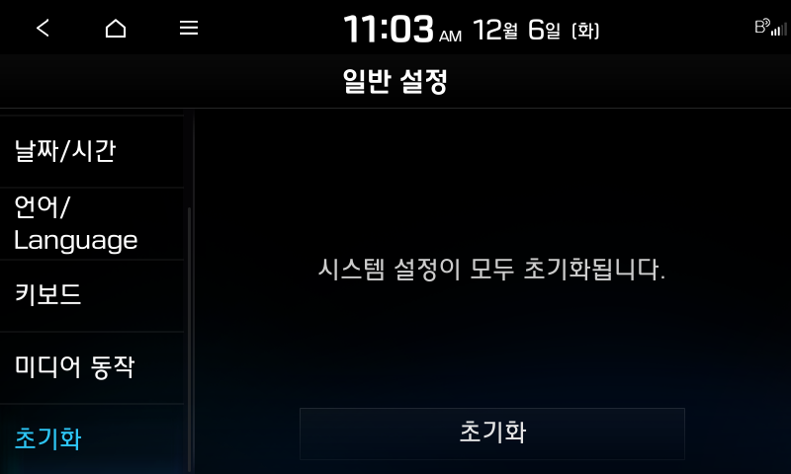 D:/00.Work/00.Kraken/com.auto.script/Tool Project/PAT/Report/20221206-105013/PASS/IBD_usage_stopGuidance_shortLongPress__1.c\2022-12-06 110321_org.png
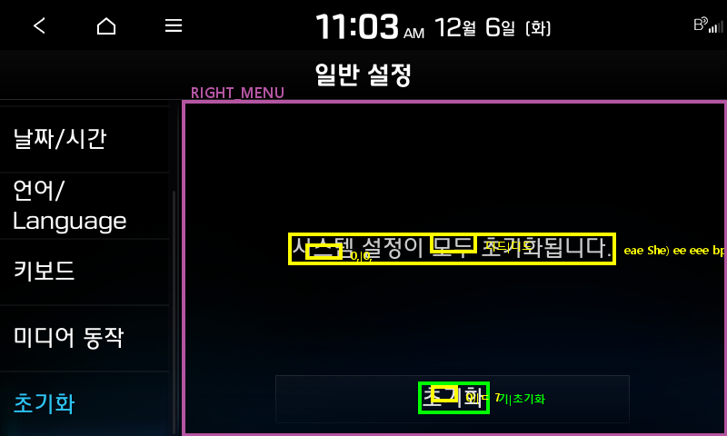 D:/00.Work/00.Kraken/com.auto.script/Tool Project/PAT/Report/20221206-105013/PASS/IBD_usage_stopGuidance_shortLongPress__1.c\2022-12-06 110322_det.png
D:/00.Work/00.Kraken/com.auto.script/Tool Project/PAT/Report/20221206-105013/PASS/IBD_usage_stopGuidance_shortLongPress__1.c\2022-12-06 110322_org.png
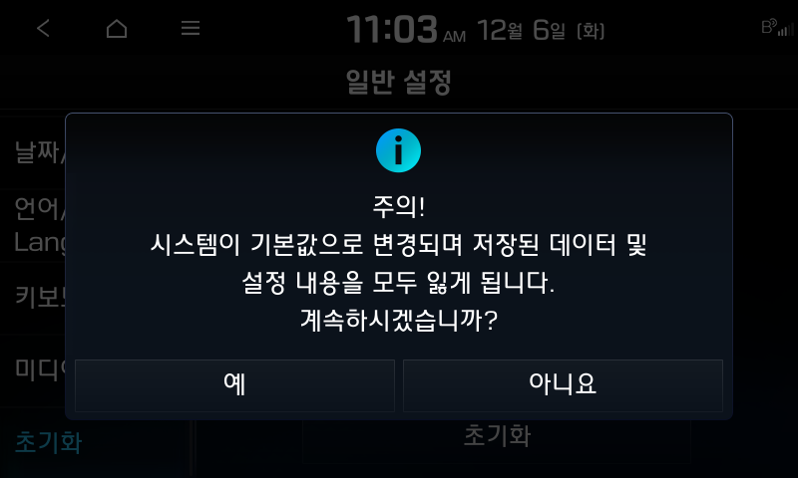 D:/00.Work/00.Kraken/com.auto.script/Tool Project/PAT/Report/20221206-105013/PASS/IBD_usage_stopGuidance_shortLongPress__1.c\2022-12-06 110324_org.png
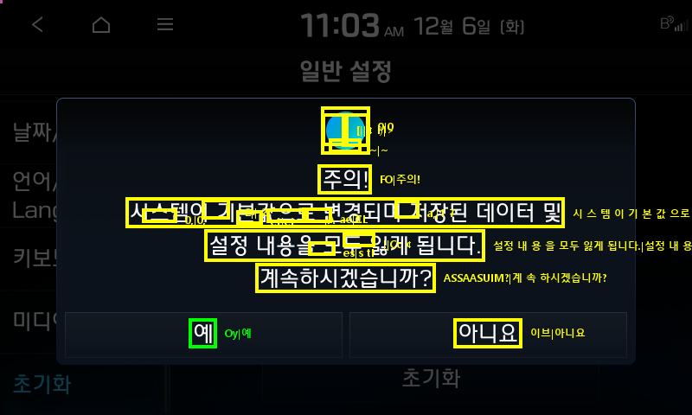 D:/00.Work/00.Kraken/com.auto.script/Tool Project/PAT/Report/20221206-105013/PASS/IBD_usage_stopGuidance_shortLongPress__1.c\2022-12-06 110326_det.png
D:/00.Work/00.Kraken/com.auto.script/Tool Project/PAT/Report/20221206-105013/PASS/IBD_usage_stopGuidance_shortLongPress__1.c\2022-12-06 110326_org.png
D:/00.Work/00.Kraken/com.auto.script/Tool Project/PAT/Report/20221206-105013/PASS/IBD_usage_stopGuidance_shortLongPress__1.c\2022-12-06 110328_org.png
D:/00.Work/00.Kraken/com.auto.script/Tool Project/PAT/Report/20221206-105013/PASS/IBD_usage_stopGuidance_shortLongPress__1.c\2022-12-06 110339_org.png

