Sheet1
Step | Action
1 | Add the new O365 SharePoint site
 | https://abbott.sharepoint.com
 | to trusted sites and local intranet in IE. Internet options -> Security -> Sites
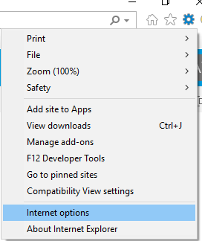

 | Add https://abbott.sharepoint.com
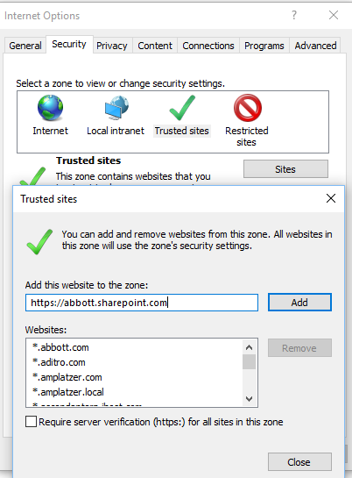

 | After you have perform the steps above, close and reopen your IE browser
2 | Go to the following Url and login with your Abbott 511 account
 | https://abbott.sharepoint.com/teams/Penang/Org/IT/SharepointProjects/
 | After youhave successfully login, refresh your OLI page so that the picture will display out.
 | Should you still have issue viewing the picture, please open the site in Chrome or submit IT service ticket and add a note below
 | Please assign it to ‘O365 SharePoint Support Team’

 | Note : If you could not remember your Abbott 511 account, you may find it from the link below
 | http://upi.web.abbott.com/content/toolUPIExplorer.aspx

