Evd(Before Css &Js)
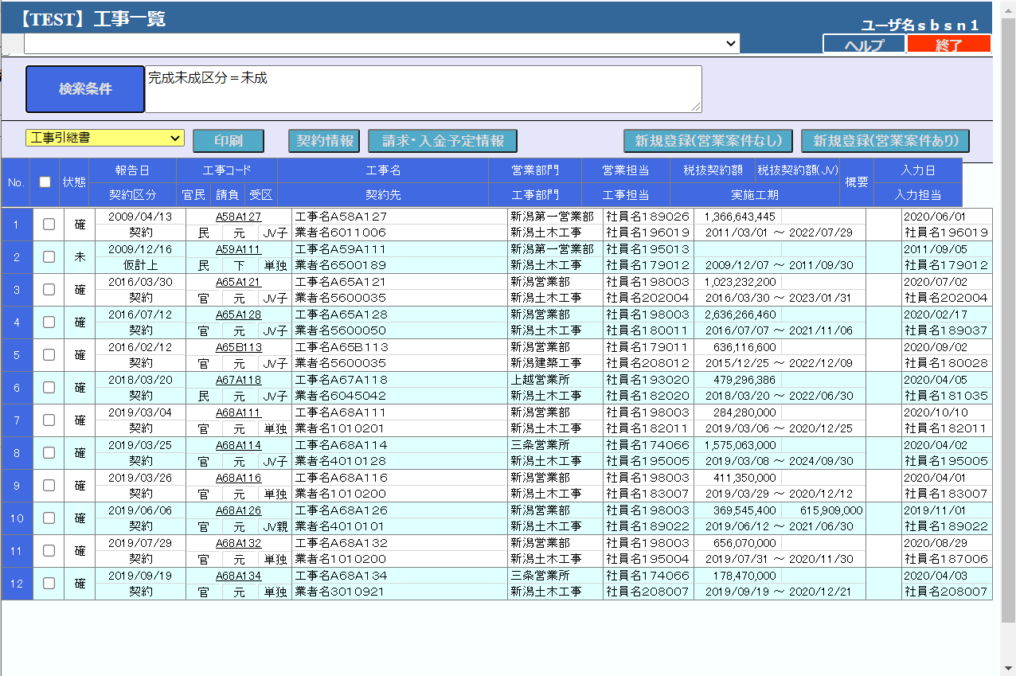
After version upgrade (but not change in Css and JS)

Evd(After Css & Js)
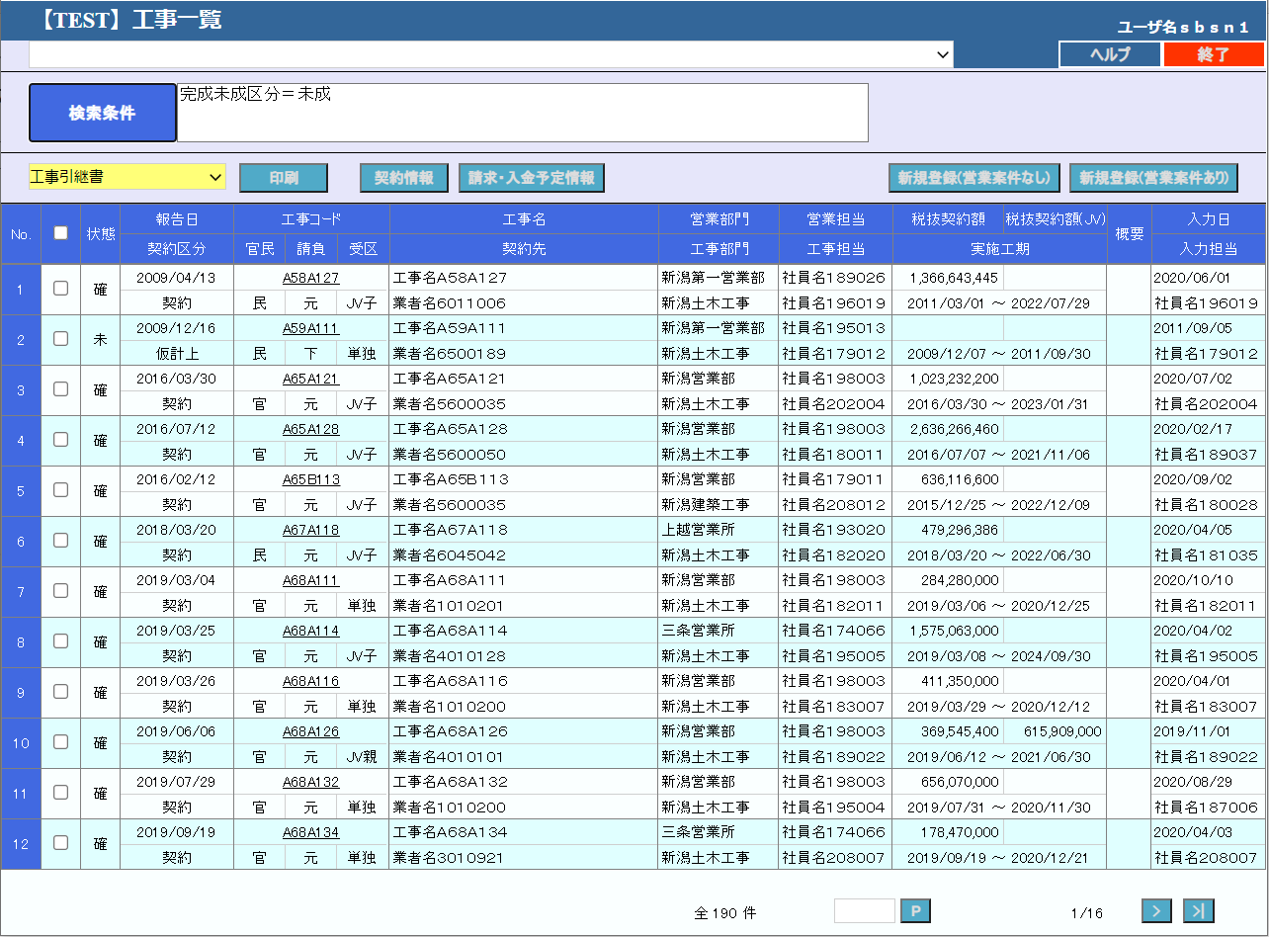
After version upgrade ( Changed in Css and JS)

Encode Prob
