INPUT
F01 ASSET | Stock
F02A HTF | Monthly
F02B ITF | Weekly
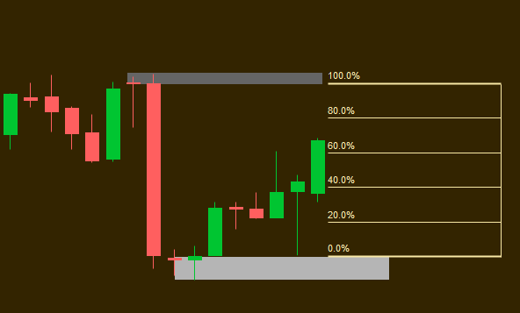
F02C ITF | Daily | HTF Image Below
F03 DIR | Short
F04A Start | 2020-04-17
F04B End Date | Not Applicable
Higher Time Frame
F05-HTF Range | 24
F06A HTF LI | 5
F06B HTF LO | 5
F06C HTF DZ LI % (Below) | >= 0.8
F06C HTF SZ LI % (Above) | >= 0.8
F06D HTF DZ LO % (Below) | >= 0.8
F06D HTF SZ LO % (Above) | >= 0.8
F07 HTF BASE % (below) | <= 0.3
F07 HTF BASE % (Above) | <= 0.3
Lower Time Frame
F08-LTF Range | 250 | LTF Image below:
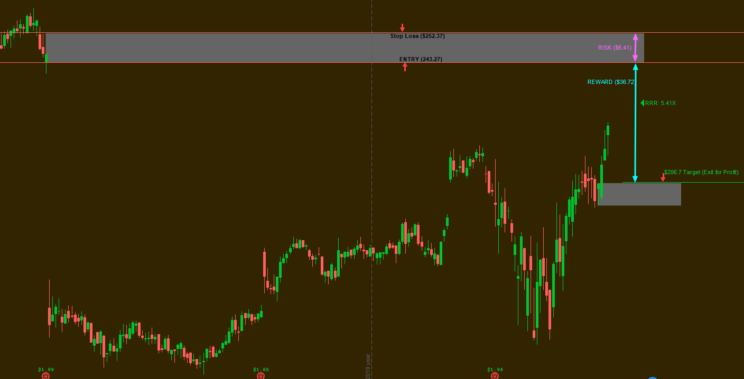
F09A LTF LI VALUE | 50
F09B LTF LO VALUE | 50
F09C LTF DZ LI % (Below) | >= 0.6
F09C LTF SZ LI % (Above) | >= 0.6
F09D LTF DZ LO % (Below) | >= 0.6
F09D LTF SZ LO % (Above) | >= 0.6
F10 LTF BASE % (below) | <= 0.3
F11 LTF BASE % (Above) | <= 0.4

