Interpretation
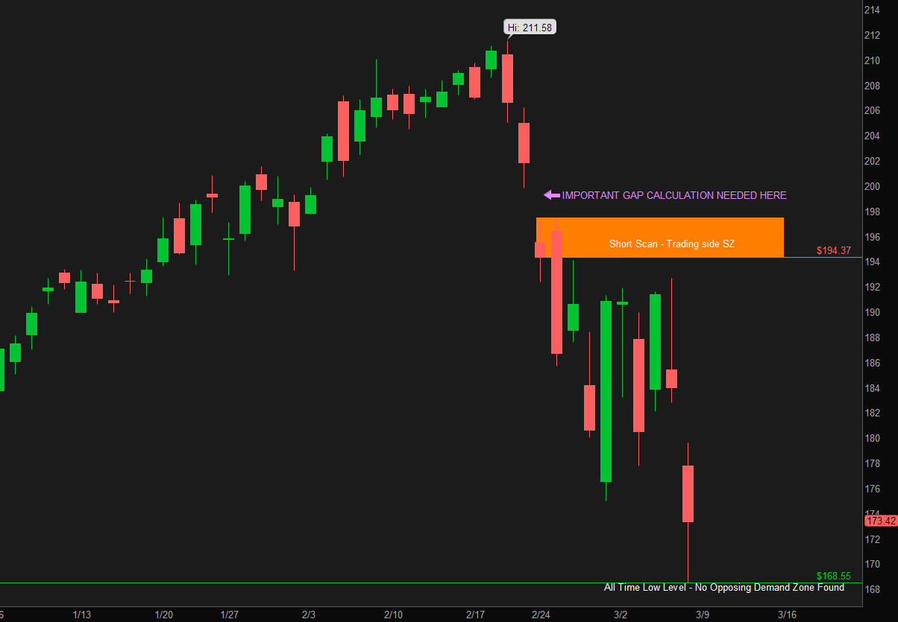
Recommedation:
VALID SHORT TRADE @ $194.37

My Interpretation:
On the chart below, Looking upwards and left from current price.
The first set of three candles that are Li-B-LO without being penetrated by other candles, is Feb 21, 24,25th. Drop Base Drop
IMPORTANT TO NOTE: Only if the program calculated the gap between legin and base and added the difference to the LEGIN BODY, that candle will become a leg-in. If that gap was ignored, the leg-in "range-body" ratio is only 48% and that would make it a base. Therefore GAPS are a MUST.
IMPORTANT TO NOTE: In the GUI, the HTF GUI 6A Field, th rank for the LEG-in is TOP 10. Without the gap added, the rank would be 12th and thus a valid zone will not be found. With the gap added to the body of LI, that candle would be ranked in top 5 and thus be True.
With gap added, this is a valid SZ (Orange band below) and is the high end of the curve range, on the HTF. If this chart time-aggregation was LTF, this level will be trade entry.
Looking down and left, there is no valid Demand Zone in the database. ATL check to be done - The current candle LOW is the lowest price in the past 183 candles (max lookback for opposing zone when HTF is DAY). Thus the low of current candle becomes the low end of the curve.
Assuming this chart is just analysing HTF, If you divide the space between the top of the lower box and the low of curve, the current price is low on the curve and thus this is a valid recommendation for SHORT trade @ $194.37.
If this was a LTF chart, ther Risk would be $ 197.42 - $194.37 = $3.05. The reward would be 194.37 - 168.55 = $25.82 per share. That is Risk to Reward Ratio = 25.82/3.05 = 8.4 times.

