INTERPRETATION
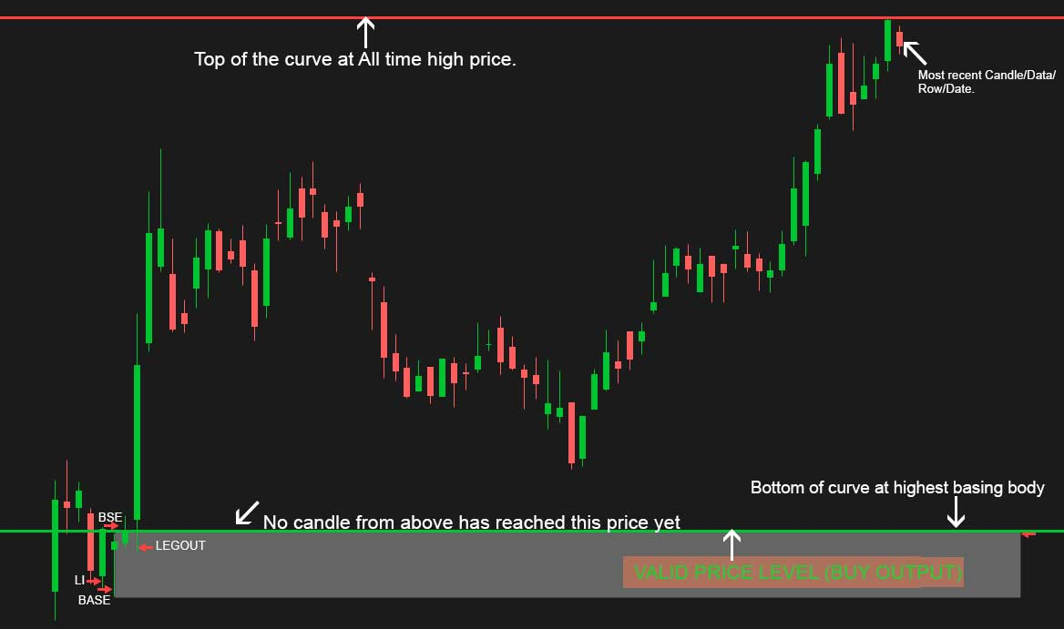

 | LONG TRADE EXAMPLE WITH PRICES MAKING ALL TIME HIGH. NO VALID SUPPLY ZONE ABOVE CURRENT CANDLE IN THE PAST.

The way I interpret this chart is the following
1.I start from most recent date (11/08/19) and try to find a setup of price. This set up is made up of usually 3 candles, or 4, sometimes 5. That is maximum. These candles have to be next to each other. (You will see this setup at the bottom left in the image above)
2. I also need to located this setup either below the lowest price of the current candle or above the highest price of the current candle. Above or lower will be determined by the trade direction choseen in the UI.
3. Long trades require that the multi-candle setup be below the current price, Short trade require I find a similar pattern formed above the price.
4. Assuming, Im looking for lond trade and I find a suitable setup below, I will still find a oppsising setup above too on the same chart and same timeframe, this opposing pattern above the price is the other end of the range of trading price. I go long below (at the pattern) and sell the position above (at the pattern).
5. Importantly, the setup below (where I will open the trade) needs to be validated by the values I put into the GUI, but the opposing pattern can be simply a LegIn-Base-Legout pattern that requires no scoring.
6. I prefer this setup, where i want to open the trade, to be closer to the current candle in DATE and farther in Price. In other words, the setup I am interested in, is more valuable to me if it occurred more recently and had a large price movement. Price and date are both very important
7. I look backwards in time to see where did price, most recently, create a longer candle than usual (LegIn), then price did not move much at all for the next 2 or 3 candles (base) and then price moved a lot again to create another long candle (Leg Out).
8. When I find this setup, I want to know the price level of the highest body in the basing candle, if long trade. Lowest body in basing, if short trade. These two points become the range of the curve.
9. If current price is closer to the bottom of the curve, it is a potential long trade, if closer to the top, it is potentially a shorting opportunity. (only exception being that the price recently made a all time high or low and there is no opposing pattern). There we have to make sure we deal with such exceptions and GUI field 12 comes into consideration.
10. Once I find a setup, I make sure that the leg-in candle is more than (>=) 50% body to range ratio of the same candle. And the basing candles (1, 2 or 3 of them), all have their body to range ratio under (<=)50%. Finally, the leg-out candle also must have body to range ratio higher than 50%. These percentages can be modulated from the GUI.
11. It is REQUIRED that such a setup be entirely formed at price levels where no other candle that was formed after the setup have their prices reach the price levels where the setup is. All the way to the last, most recent candle, formed. In other works, the Li-B-LO setup must still be fresh and unbalanced.
12. If you look at the above chart, the left end of the grey box is where the leg-in/Basing/leg-out pattern occurred and since then no other candle have reached the top of the highest basing candles in this dataset. And this pattern is also entirely below the current price. Meaning it is a valid price level to score and recommend that value as output.

