Interpretation
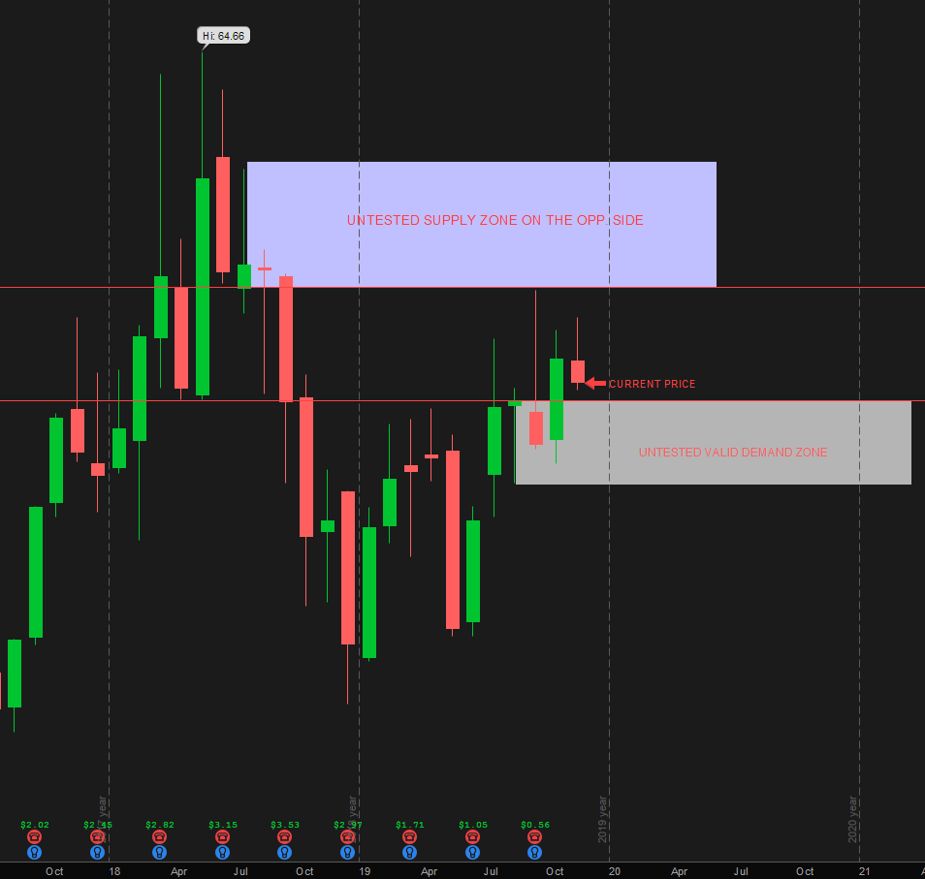
Recommedation:
VALID LONG TRADE @ 6/1/2019 @ $45.27

My Interpretation:
On the chart below, Looking downwards and left from current price.
I see the next four candles forming a LI-BASE-BASE-BASE-LO pattern. The closer to current candle, the better
No other candles are penetrating the price levels of this pattern.
This is valid DZ. The top of the lower grey box is the price is the low end of the range, on the HTF. If this chart time-aggregation was LTF, this level will be trade entry.
Looking up and left, I see a SZ LI-BASE-BASE-LO.
No other candles are penetrating the price levels of this pattern.
This is valid SZ. The bottom of the upper blue box is the price is the upper end of the range for HTF. If this chart time-aggregation was LTF, this level will be trade exit.
Assuming this chart is just analysing HTF, If you divide the space between the top of the lower box and the bottom of the upper box, the current price is very low on the curve and thus this is a valid recommendation for LONG trade.

