Interpretation
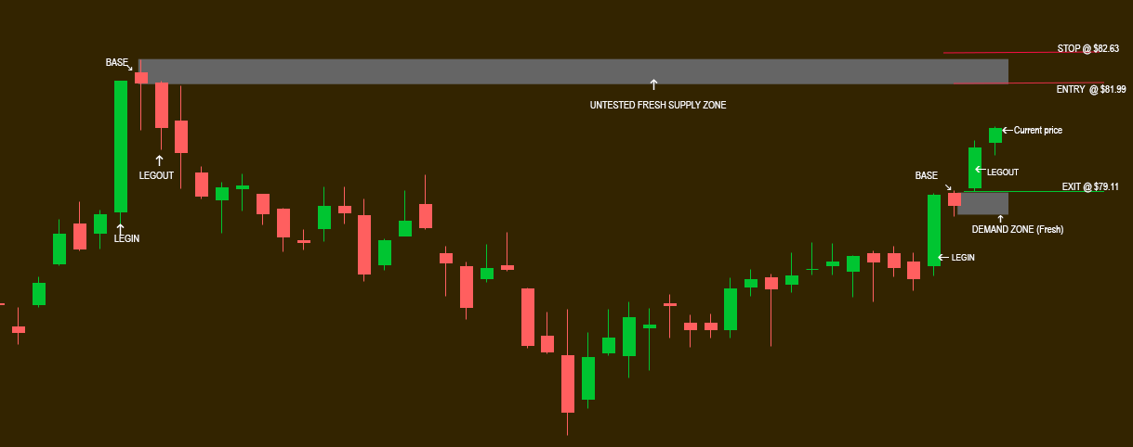
Recommedation:
VALID SHORT TRADE @ $81.99

My Interpretation:
On the chart below, Looking upwards and left from current price.
I see the next four candles forming a LI-BASE-BASE-BASE-LO pattern. The closer to current candle, the better
No other candles are penetrating the price levels of this pattern. Thef irst candle is SZ Legout, show her on the left of the chart.
This is valid SZ. The bottom of the upper grey box is the high end of the range, on the HTF. If this chart time-aggregation was LTF, this level will be trade entry.
Looking udown and left, I see a DZ LI-BASE-LO. No other candles are penetrating the price levels of this pattern.
This is valid DZ. The top of the lower grey box is the upper price end of the range for HTF. If this chart time-aggregation was LTF, this level will be trade exit.
Assuming this chart is just analysing HTF, If you divide the space between the top of the lower box and the bottom of the upper box, the current price is High on the curve and thus this is a valid recommendation for SHORT trade @ $81.99.
If this was a LTF chart, ther Risk would be $ 81.99 - $82.63 = $0.64. The reward would be $2.88 per share. That is Risk to Reward Ratio of : 4.5 times.

