Interpretation
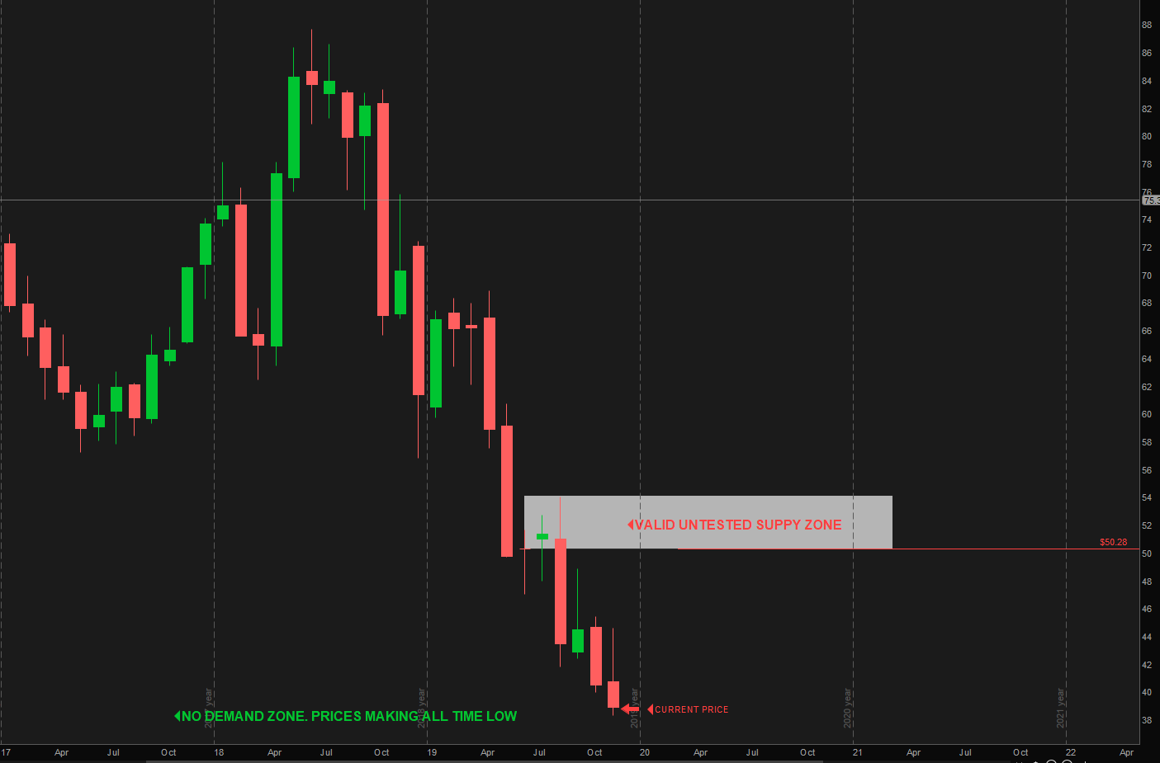
INTERPRETATION
Recommedation:
VALID SHORT TRADE @ 6/1/2019 @ $50.28

My Interpretation:
On the chart below, Looking upwards and left from current price.
I see four candles forming a LI-BASE-BASE-LO pattern.
No other candles are penetrating the price levels of this pattern.
This is valid SZ. The bottom of the upper grey box is the high end of the range, on the HTF. If this chart time-aggregation was LTF, this level will be trade entry.
Looking down and left, I see no Demand Zone. The price must be Making a all time low.
The most recent candle making the lowest price in the last 12 candles (since HTF is monthly), is the low level of the curve. In this case, it is the current candle itself making ATL.
Assuming this chart is just analysing HTF, If you divide the space between the top of the lower box and the ATL Level, the current price is LOW on the curve and thus this is a valid recommendation for SHORT trade @ $81.99.

