Ark1
 | Second-Order Hydraulic Model
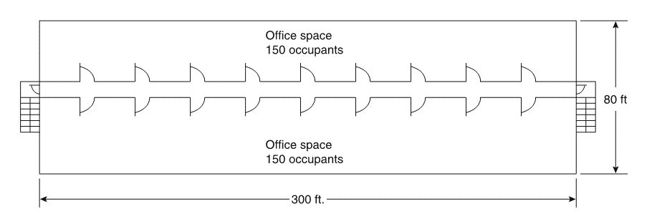
 | Floors | 9
 | Floor length | 91.4 | m
 | Floor width | 24.4 | m
 | Floor to floor height | 3.7 | m
 | Numbers of stairways pr. floor | 2
 | Stair width | 1.12 | m
 | stair distance from floor to floor | 11.6 | m
 | Stair type | 7/11
 | k_cor | 1.4
 | k_stair | 1.08
 | a | 0.266
 | Stair landings pr. floor
 | Door width pr. stairway and exit | 0.91 | m
 | The first floor does not exit through stairways
 | Corridor width pr. floor | 2.44 | m
 | Population pr. floor | 300 | persons/floor
 | Boundary Layer Width (Corridor) | 0.15 | m
 | Boundary Layer Width (door) | 0.15 | m
 | Boundary Layer Width (stairway) | 0.15 | m

1 | Assumptions | The population will use all exit facilities optimally; all occupants start egress at the same time. All persons are assumed to start to evacuate at time zero.

2 | Estimate following for each floor | Divide each ﬂoor in half to produce two exit calculation zones, each 45,7 m (91,4 m / 2)
 | Flow density (D)
 | Speed (S) | If all occupants try to move through the corridor at the same time, that is, 150 persons moving through 45,7 m of an 2.4 m wide corridor.
 | Specific flow (Fs)
$$D_{cor}=\frac{150 persons}{2,44 m ∙45,7 m}=1,35 persons/m²$$
 | Effective Width (We)
 | Calculated flow (Fc) |  |  |  |  | D_cor | 1.3451949636 | persons/m²

$$S_{cor}=k_{cor}−a∙k_{cor}∙D_{cor}=1,40−0,266∙1,40∙1,35=0,90 m/s$$
 |  |  |  |  |  | S | 0.89904939556 | m/s

$$F_{s,cor}=(1−a∙D_{cor})∙k_{cor}∙D_{cor}=(1−0,266∙1,35)∙1,40∙1,35=1,21 m/s$$
 |  |  |  |  |  | F_s,cor | 1.2093967189 | persons/s/m(eff)

 |  | Check | F_s,cor < F_sm | 1,21 < 1,30 | true

$W_{e,cor}=2,44−(2∙0,15)=2,14 m$(eff)
 |  |  |  |  |  | W_e,cor | 2.14 | m(eff)

$$F_{c,cor}=F_{s,cor}∙W_{e,cor}=1,21∙2,14=2,59 persons/s$$
 |  | Initial calculated flow |  |  |  | Initial
 |  |  |  |  |  | F_c,cor | 2.5881089785 | persons/s | 155.28653871 | persons/min

$W_{e,door}=0,91−(2∙0,15)=0,61 m$(eff)
3 | Estimate impact of stairway entry doors on exit flow |  |  |  |  | W_e,door | 0.61 | m(eff)

$$F_{s,door}=\frac{F_{s(in)}∙W_{e(in)}}{W_{e(out)}}=\frac{F_{s,cor}∙W_{e,cor}}{W_{e,door}}=\frac{1,21∙2,14}{0,61}=4,24\frac{persons}{s}/m(eff)$$
 |  |  |  |  |  | (not used)
 |  |  |  |  |  | F_s(out) | 4.2428016041 | persons/s/m(eff)

 |  | Check | F_s,door < F_sm | 4,24 < 1,30 | false

$$F_{s,door}=1,30 \frac{persons}{s}/m(eff)$$
 |  |  |  |  |  | (used)
 |  |  |  |  |  | F_s(out) | 1.3 | persons/s/m(eff)

$$F_{c(door)}=1,3∙0,61=0,79 persons/s$$
 |  |  |  |  |  | F_c,door | 0.793 | persons/s | 47.58 | persons/min

$$Queue buildup=F_{c,cor}−F_{c,door}=2,59 −0,79=1,80 persons/s$$
 |  |  |  |  |  | Queue buildup | 1.7951089785 | persons/s | 107.70653871 | persons/min

$W_{e,stair}=1,12−(2∙0,15)=0,82 m$(eff)
4 | Estimate impact of stairway on exit flow |  |  |  |  | W_e,stair | 0.82 | m

$$F_{s,stair}=\frac{F_{s,door}∙W_{e,door}}{W_{e,stair}}=\frac{1,30∙0,61}{0,82}=0,97\frac{persons}{s}/m(eff)$$
 |  |  |  |  |  | F_s,stair | 0.96707317073 | persons/s/m(eff)

 |  | Check | F_s,stair < F_sm | 0,98 < 1,01 | true

$$F_{s,stair}=\left(1−a∙D_{stair}\right)∙k_{stair}∙D_{stair}\underset{⇒}{}a∙k_{stair}∙D_{stair}^{2}−k_{stair}∙D_{stair}+F_{s,stair}=0$$

$$0,266∙1,08∙D_{stair}^{2}−1,08∙D_{stair}+0,97=0$$

$$0,29∙D_{stair}^{2}−1,08∙D_{stair}+0,97=0$$

$$D_{stair}=\frac{−b±\sqrt{b^{2}−4ac}}{2a}=\frac{1,08±\sqrt{{1,08}^{2}−4∙0,29∙0,97}}{2∙0,29}$$

$$D_{stair}=\frac{1,08+\sqrt{{1,08}^{2}−4∙0,29∙0,97}}{2∙0,29}=2,29 persons/m²$$
 |  |  |  |  |  | (not used)
 |  |  |  |  |  | D_stair (+) | 2.288307297 | persons/m²

$$D_{stair}=\frac{1,08−\sqrt{{1,08}^{2}−4∙0,29∙0,98}}{2∙0,29}=1,47 persons/m²$$
 |  |  |  |  |  | (used)
 |  |  |  |  |  | D_stair (-) | 1.4710911992 | persons/m²

$$S_{stair}=1,08−0,266∙1,08∙1,47=0,66 m/s$$
 |  |  |  |  |  | S_stair | 0.65738492029 | m/s

$t_{one floor}=11,6/0,66=18$s
 |  |  |  |  |  | t_one floor | 17.645674006 | s | 0.29409456677 | min

$$F_{c,stair}=0,97∙0,82=48 persons/s$$
 |  |  |  |  |  | F_c,stair | 0.793 | persons/s | 47.58 | persons/min

