Parent_Category
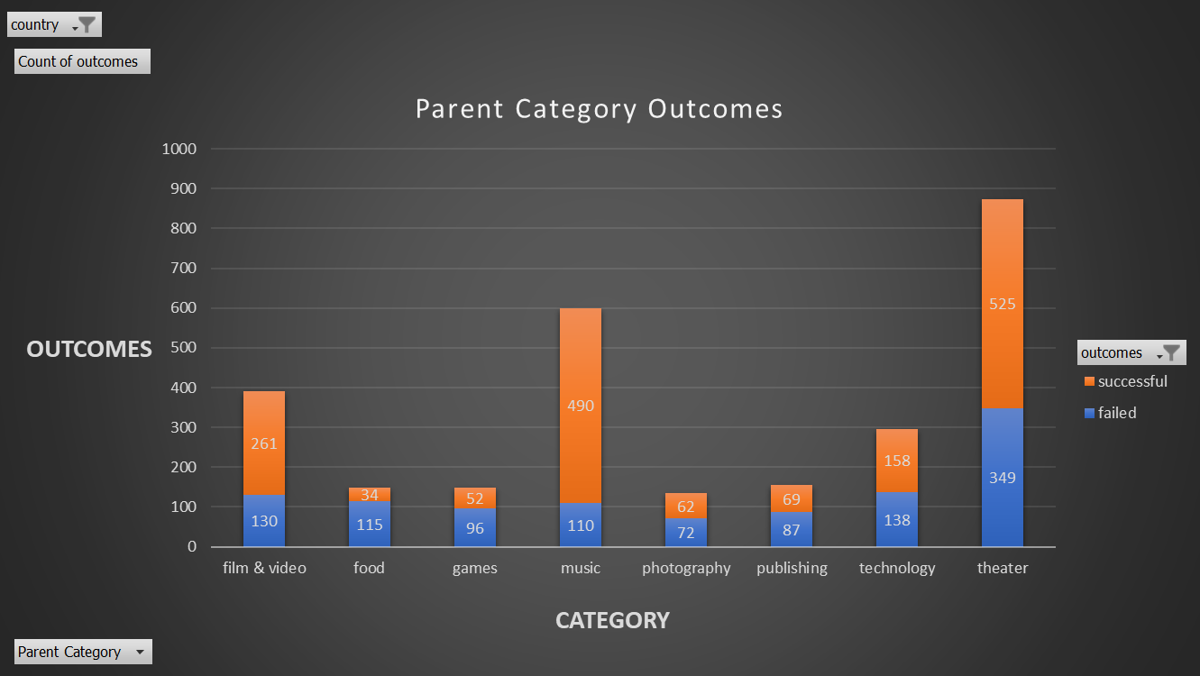
country | US

Count of outcomes | Column Labels
Row Labels | failed | successful | Grand Total
film & video | 130 | 261 | 391
food | 115 | 34 | 149
games | 96 | 52 | 148
music | 110 | 490 | 600
photography | 72 | 62 | 134
publishing | 87 | 69 | 156
technology | 138 | 158 | 296
theater | 349 | 525 | 874
Grand Total | 1097 | 1651 | 2748

Parent Category Outcomes

Subcategory_Statistics
Parent Category | theater
country | GB

Count of outcomes | Column Labels
Row Labels | canceled | failed | live | successful | Grand Total
musical | 5 | 11 |  | 10 | 26
plays |  | 70 | 6 | 238 | 314
spaces | 1 | 8 |  | 10 | 19
Grand Total | 6 | 89 | 6 | 258 | 359

 | canceled | failed | live | successful
musical | 5 | 11 |  | 10
plays |  | 70 | 6 | 238
spaces | 1 | 8 |  | 10

Outcomes Based on Launch Date
Parent Category | (All)
Years | (All)
country | (All)

Count of outcomes | Column Labels
Row Labels | canceled | failed | live | successful | Grand Total
Jan | 26 | 127 |  | 133 | 286
Feb | 29 | 124 |  | 150 | 303
Mar | 28 | 124 | 20 | 207 | 379
Apr | 29 | 100 | 29 | 187 | 345
May | 28 | 120 | 1 | 204 | 353
 | canceled | failed | live | successful
Jan | 26 | 127 |  | 133
Feb | 29 | 124 |  | 150
Mar | 28 | 124 | 20 | 207
Apr | 29 | 100 | 29 | 187
May | 28 | 120 | 1 | 204
Jun | 23 | 120 |  | 222
Jul | 33 | 134 |  | 222
Aug | 39 | 155 |  | 196
Sep | 24 | 136 |  | 156
Oct | 34 | 145 |  | 160
Nov | 21 | 133 |  | 161
Dec | 35 | 112 |  | 187
Jun | 23 | 120 |  | 222 | 365
Jul | 33 | 134 |  | 222 | 389
Aug | 39 | 155 |  | 196 | 390
Sep | 24 | 136 |  | 156 | 316
Oct | 34 | 145 |  | 160 | 339
Nov | 21 | 133 |  | 161 | 315
Dec | 35 | 112 |  | 187 | 334
Grand Total | 349 | 1530 | 50 | 2185 | 4114

