Parent_Category
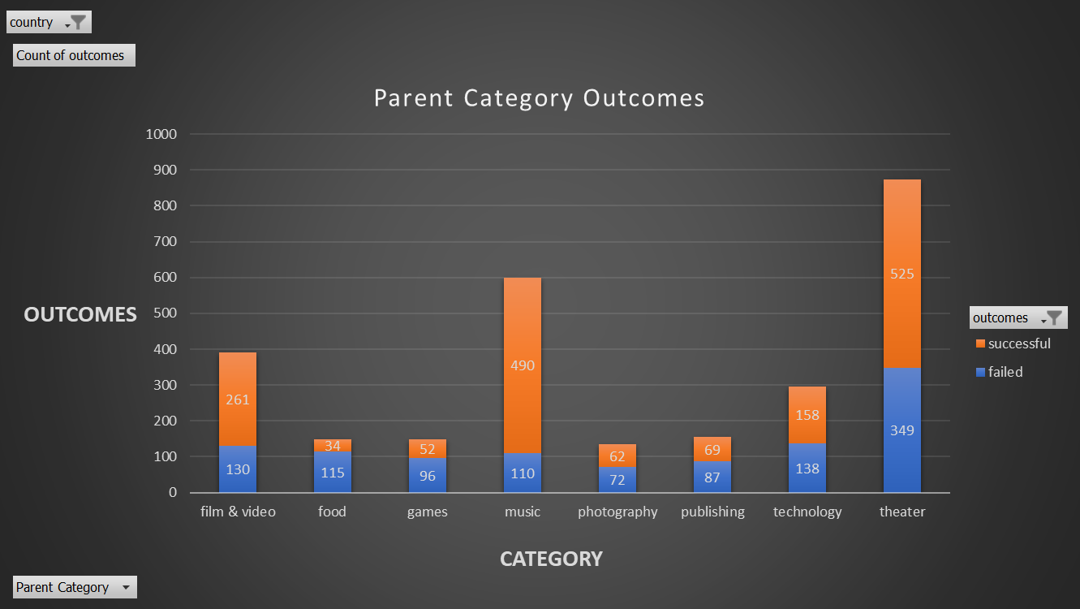
country | US

Count of outcomes | Column Labels
Row Labels | failed | successful | Grand Total
film & video | 130 | 261 | 391
food | 115 | 34 | 149
games | 96 | 52 | 148
music | 110 | 490 | 600
photography | 72 | 62 | 134
publishing | 87 | 69 | 156
technology | 138 | 158 | 296
theater | 349 | 525 | 874
Grand Total | 1097 | 1651 | 2748

Parent Category Outcomes

Subcategory_Statistics
Parent Category | theater
country | GB

Count of outcomes | Column Labels
Row Labels | canceled | failed | live | successful | Grand Total
musical | 5 | 11 |  | 10 | 26
plays |  | 70 | 6 | 238 | 314
spaces | 1 | 8 |  | 10 | 19
Grand Total | 6 | 89 | 6 | 258 | 359

 | canceled | failed | live | successful
musical | 5 | 11 |  | 10
plays |  | 70 | 6 | 238
spaces | 1 | 8 |  | 10

Outcomes Based on Launch Date
Parent Category | (All)
Years | (All)
country | (All)

Count of outcomes | Column Labels
Row Labels | canceled | failed | live | successful | Grand Total
Jan | 26 | 127 |  | 133 | 286
Feb | 29 | 124 |  | 150 | 303
Mar | 28 | 124 | 20 | 207 | 379
Apr | 29 | 100 | 29 | 187 | 345
May | 28 | 120 | 1 | 204 | 353
 | canceled | failed | live | successful
Jan | 26 | 127 |  | 133
Feb | 29 | 124 |  | 150
Mar | 28 | 124 | 20 | 207
Apr | 29 | 100 | 29 | 187
May | 28 | 120 | 1 | 204
Jun | 23 | 120 |  | 222
Jul | 33 | 134 |  | 222
Aug | 39 | 155 |  | 196
Sep | 24 | 136 |  | 156
Oct | 34 | 145 |  | 160
Nov | 21 | 133 |  | 161
Dec | 35 | 112 |  | 187
Jun | 23 | 120 |  | 222 | 365
Jul | 33 | 134 |  | 222 | 389
Aug | 39 | 155 |  | 196 | 390
Sep | 24 | 136 |  | 156 | 316
Oct | 34 | 145 |  | 160 | 339
Nov | 21 | 133 |  | 161 | 315
Dec | 35 | 112 |  | 187 | 334
Grand Total | 349 | 1530 | 50 | 2185 | 4114

Theater Outcomes by Launch Date
Year(Date Created) | (All)
Parent Category | theater

Count of outcomes | Column Labels
Row Labels | successful | failed | canceled | Grand Total
Jan | 56 | 33 | 7 | 96
Feb | 71 | 39 | 3 | 113
Mar | 56 | 33 | 3 | 92
Apr | 71 | 40 | 2 | 113
Theater_Outcomes_vs_Launch
 | successful | failed | canceled
Jan | 56 | 33 | 7
Feb | 71 | 39 | 3
Mar | 56 | 33 | 3
Apr | 71 | 40 | 2
May | 111 | 52 | 3
Jun | 100 | 49 | 4
Jul | 87 | 50 | 1
Aug | 72 | 47 | 4
Sep | 59 | 34 | 4
Oct | 65 | 50
Nov | 54 | 31 | 3
Dec | 37 | 35 | 3
May | 111 | 52 | 3 | 166
Jun | 100 | 49 | 4 | 153
Jul | 87 | 50 | 1 | 138
Aug | 72 | 47 | 4 | 123
Sep | 59 | 34 | 4 | 97
Oct | 65 | 50 |  | 115
Nov | 54 | 31 | 3 | 88
Dec | 37 | 35 | 3 | 75
Grand Total | 839 | 493 | 37 | 1369

Outcomes Based on Goals
Goals | Number Successful | Number Failed | Number Canceled | Total Projects | Percentage Successful | Percentage Failed | Percentage Canceled
Less than 1000 | 248 | 1202 | 262 | 1712 | 14.49% | 70.21% | 15.30%
1000 to 4999 | 907 | 219 | 48 | 1174 | 77.26% | 18.65% | 4.09%
5000 to 9999 | 383 | 54 | 14 | 451 | 84.92% | 11.97% | 3.10%
10000 to 14999 | 178 | 18 | 6 | 202 | 88.12% | 8.91% | 2.97%
15000 to 19999 | 97 | 9 | 4 | 110 | 88.18% | 8.18% | 3.64%
20000 to 24999 | 66 | 6 | 3 | 75 | 88.00% | 8.00% | 4.00%
25000 to 29999 | 51 | 5 | 0 | 56 | 91.07% | 8.93% | 0.00%
30000 to 34999 | 47 | 4 | 1 | 52 | 90.38% | 7.69% | 1.92%
35000 to 39999 | 25 | 2 | 0 | 27 | 92.59% | 7.41% | 0.00%
40000 to 44999 | 19 | 4 | 2 | 25 | 76.00% | 16.00% | 8.00%
45000 to 49999 | 17 | 1 | 0 | 18 | 94.44% | 5.56% | 0.00%
greater than 50000 | 147 | 6 | 9 | 162 | 90.74% | 3.70% | 5.56%

Outcomes Based on Goal
 | **Note: This Data is based on pledged numbers for results**

