Guide
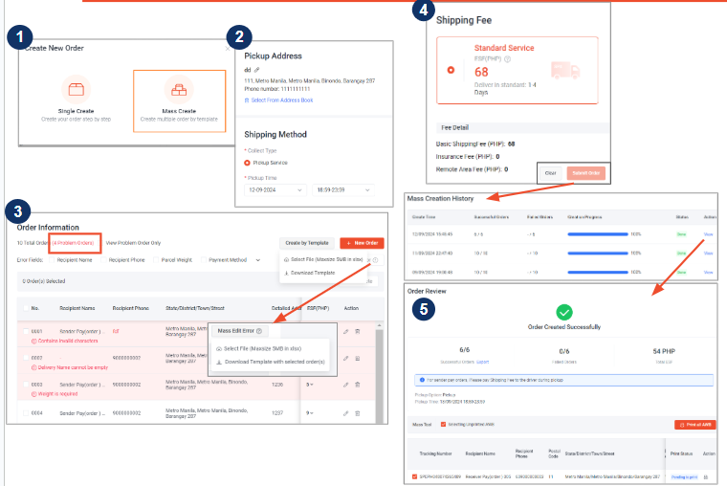
How to use the mass upload template
> | View the Field Definitions tab to view accepted inputs for each cell
> | Items highlighted in yellow are mandatory for orders to be successfully processed
> | Once all rows are completed, upload to the SPX Shipment portal by selecting "Select File"
> | You may adjust the errors manually if applicable or filter out all orders with errors and download them to adjust in Excel

