distances
D1 | a | b | c | d | e | f | g | h |  | cedfh | u | 1
a |  |  |  |  |  |  |  |  |  | a
b | 5 |  |  |  |  |  |  |  |  | c | e | d | f | h
c | 8 | 6 |  |  |  |  |  |  |  | 8 | 7 | 4 | 7 | 2
d | 4 | 4 | 5 |  |  |  |  |  |  | b
e | 7 | 5 | 1 | 4 |  |  |  |  |  | c | e | d | f | h
f | 7 | 4 | 2 | 4 | 1 |  |  |  |  | 6 | 5 | 4 | 4 | 4
g | 8 | 3 | 7 | 7 | 7 | 5 |  |  |  | g
h | 2 | 4 | 6 | 1 | 5 | 5 | 8 |  |  | c | e | d | f | h
 |  |  |  |  |  |  |  |  |  | 7 | 7 | 7 | 5 | 8
D2 | cedfh | a | b | g |  | acdefh | v | 2
cedfh |  |  |  |  |  | b |  |  | g
a | 2 |  |  |  |  | cedfh | a |  | cedfh | a
b | 4 | 5 |  |  |  | 4 | 5 |  | 5 | 8
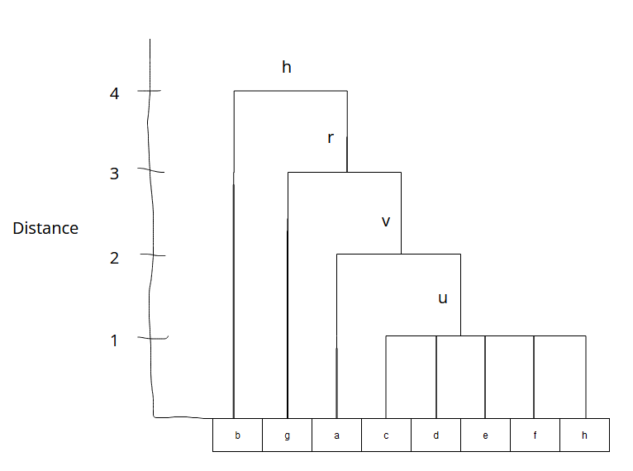
g | 5 | 8 | 3

D3 | acdefh | b | g |  | acdefgh | r | 3
acdefh |  |  |  |  | b
b | 4 |  |  |  | acedfh
g | 5 | 3 |  |  | 4

D4 | acedfgh | b |  | abcedfgh | h | 4
acedfgh
b | 4

D5 | abcedfgh
abcedfgh | 0

part 2

D1 | a | b | c | d | e | f | g | h
a | 0 | 5 | 8 | 4 | 7 | 7 | 8 | 2
b | 5 | 0 | 6 | 4 | 5 | 4 | 3 | 4
c | 8 | 6 | 0 | 5 | 1 | 2 | 7 | 6
d | 4 | 4 | 5 | 0 | 4 | 4 | 7 | 1
e | 7 | 5 | 1 | 4 | 0 | 1 | 7 | 5
f | 7 | 4 | 2 | 4 | 1 | 0 | 5 | 5
g | 8 | 3 | 7 | 7 | 7 | 5 | 0 | 8
h | 2 | 4 | 6 | 1 | 5 | 5 | 8 | 0

Num within 6 IF > 2 Then Core | 4 | 8 | 6 | 7 | 6 | 7 | 3 | 7

 | Am I missing something? They are all core.

