Dashboard
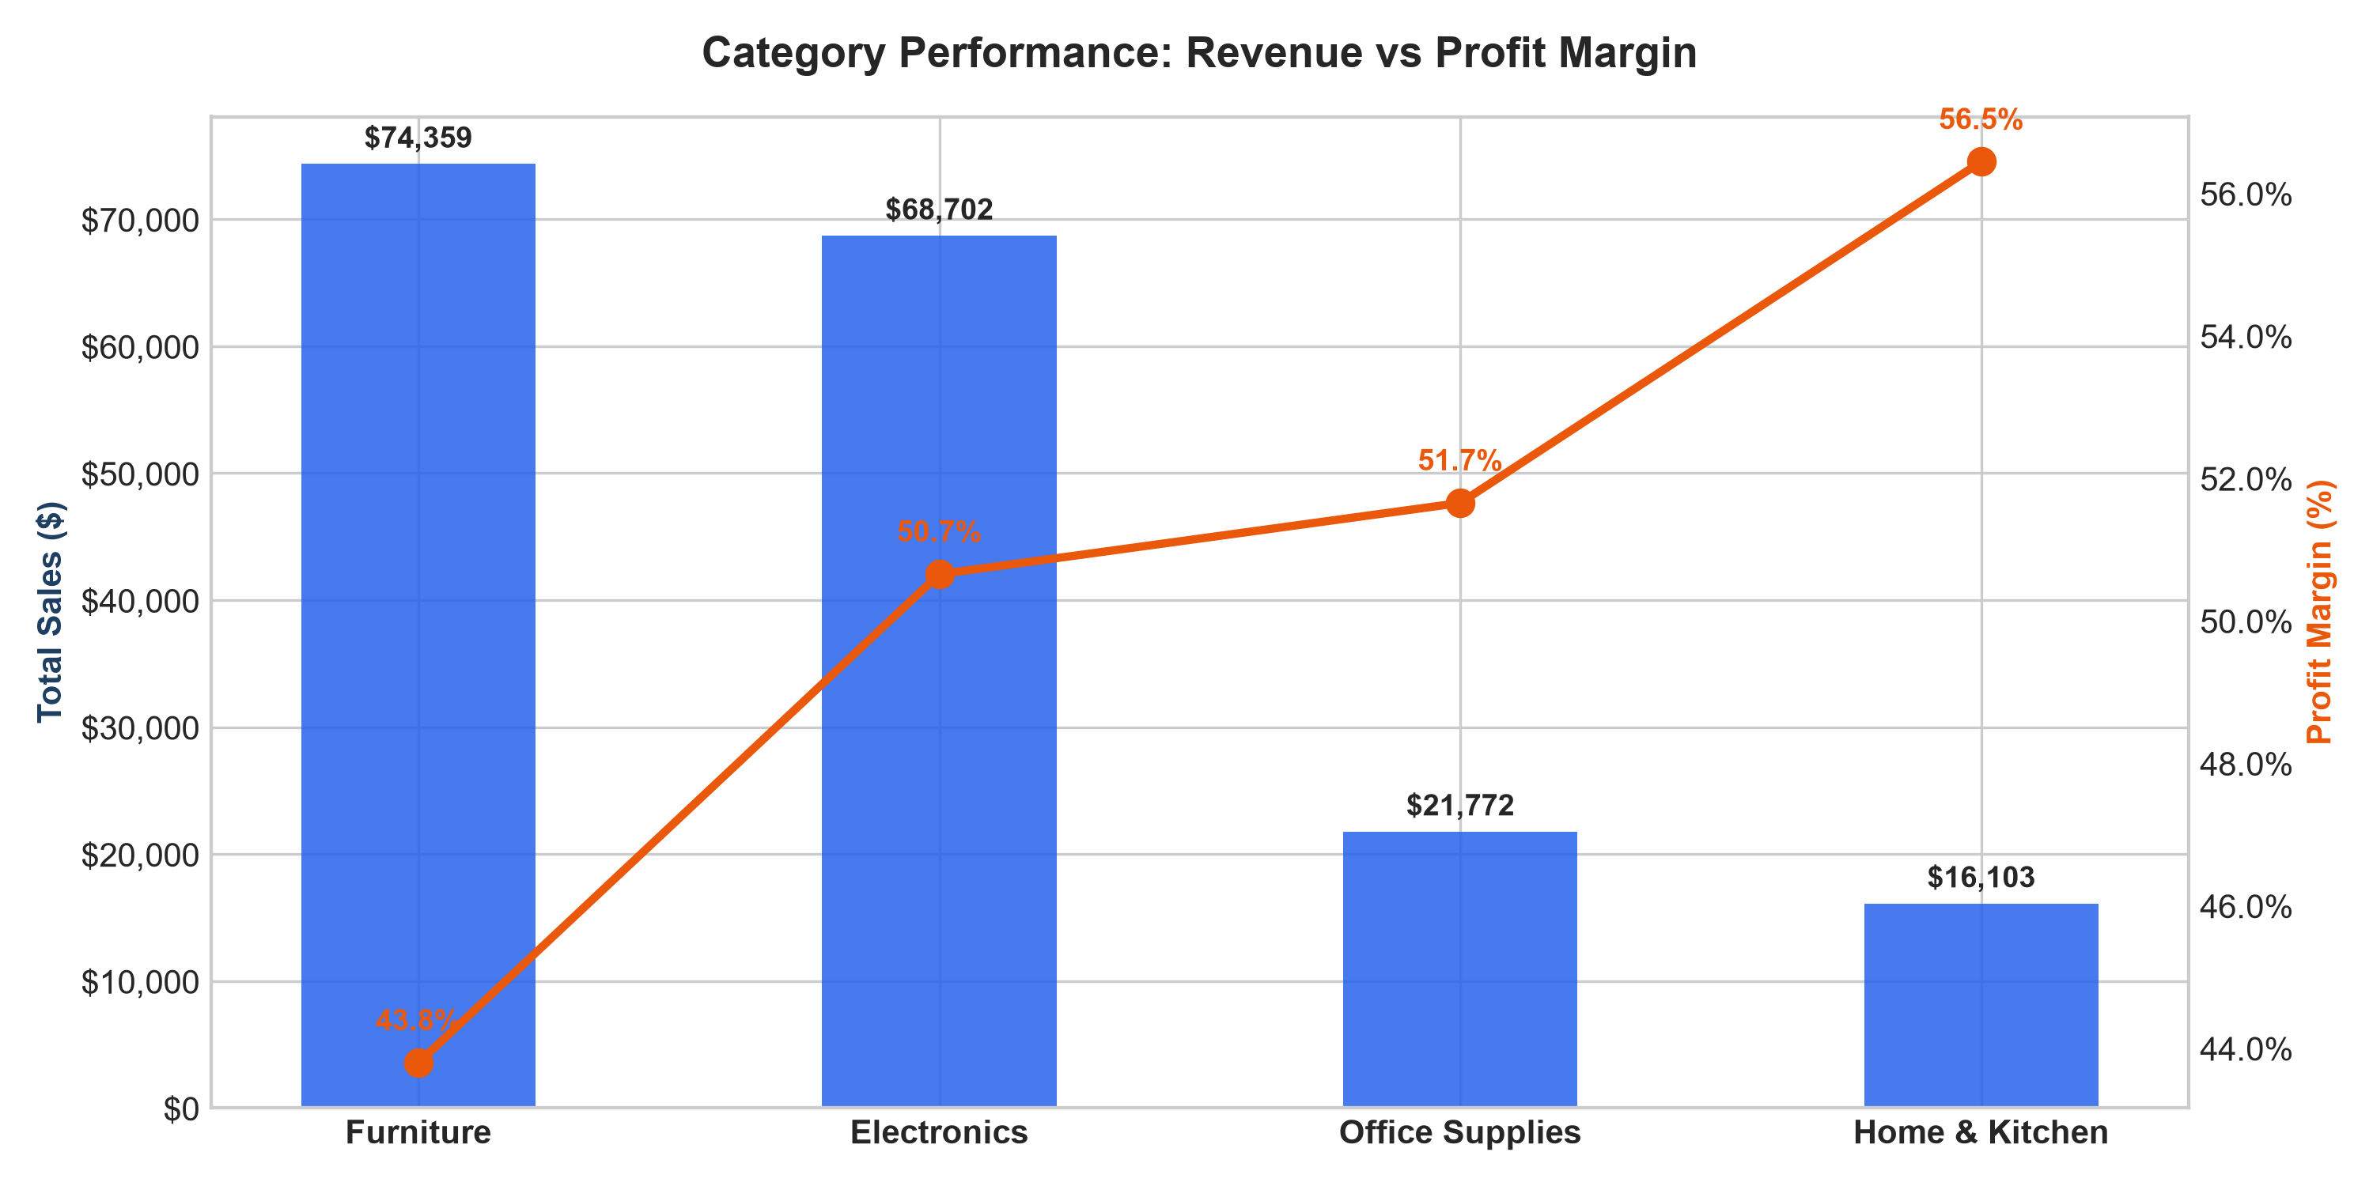
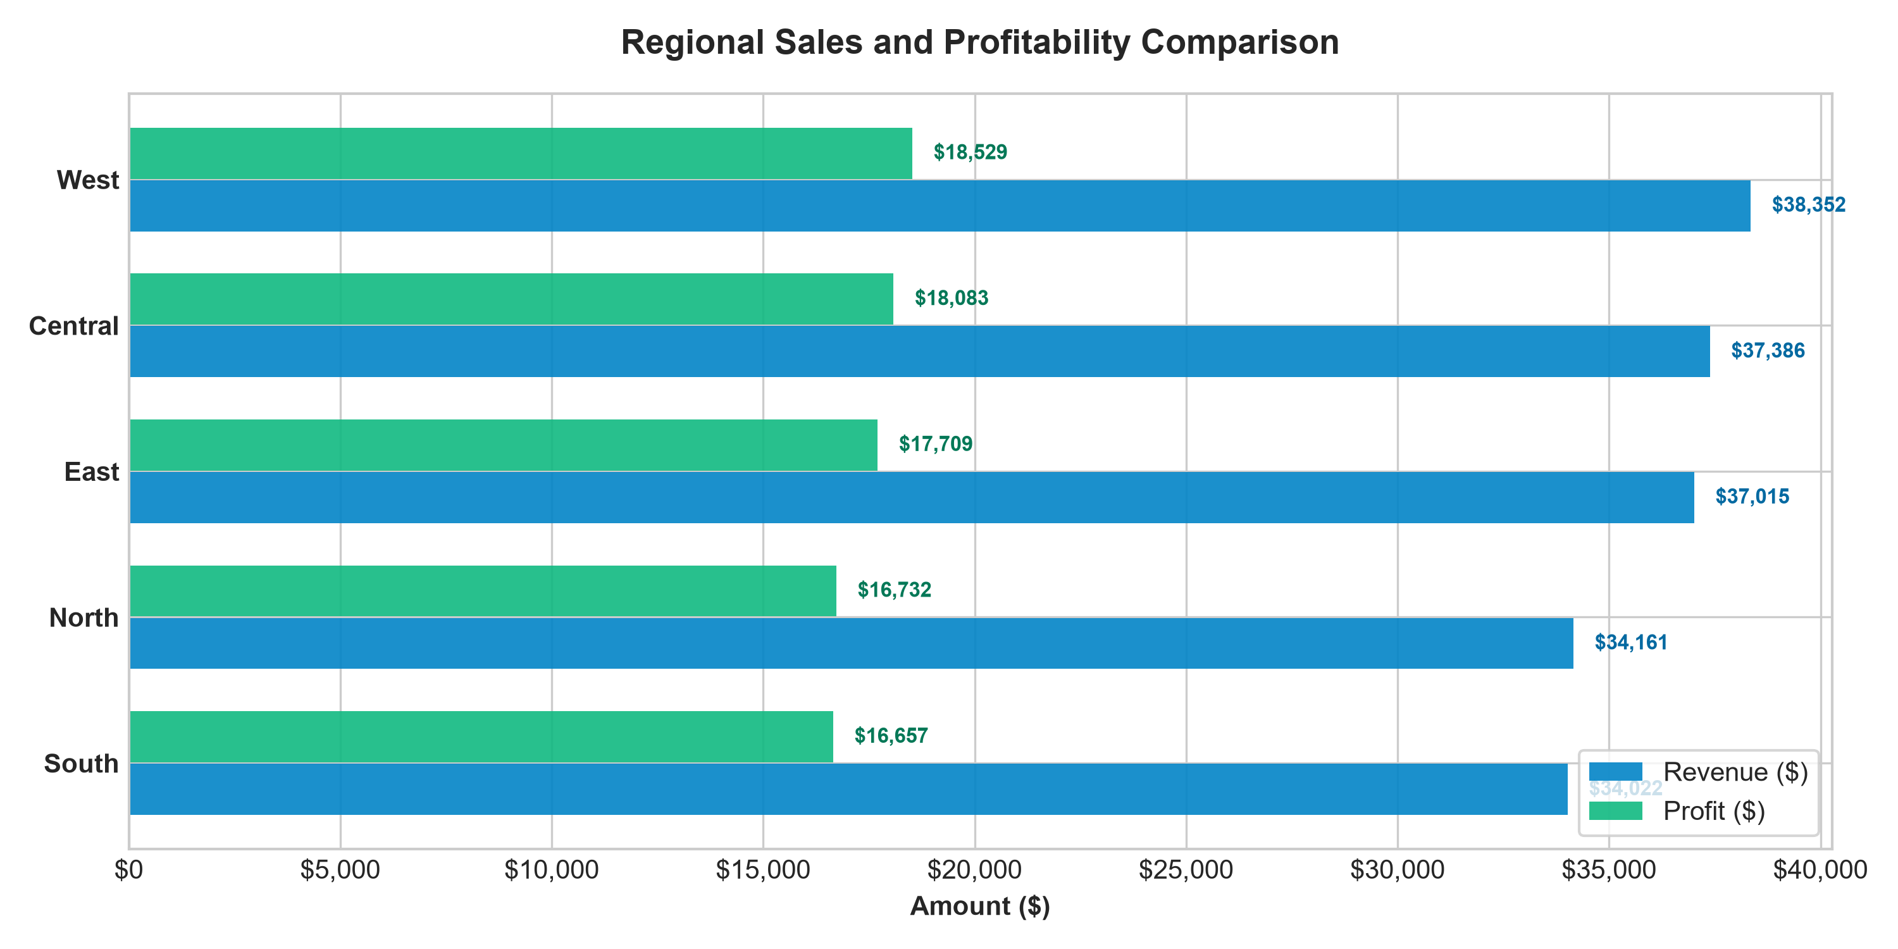
SMALL BUSINESS EXECUTIVE SALES DASHBOARD (FY 2024)
Performance Monitoring | Monthly Revenue, Category Margins, Regional Profitability & Product Sales

TOTAL REVENUE |  | TOTAL PROFIT |  | OVERALL MARGIN | TOTAL ORDERS | AVG ORDER VALUE

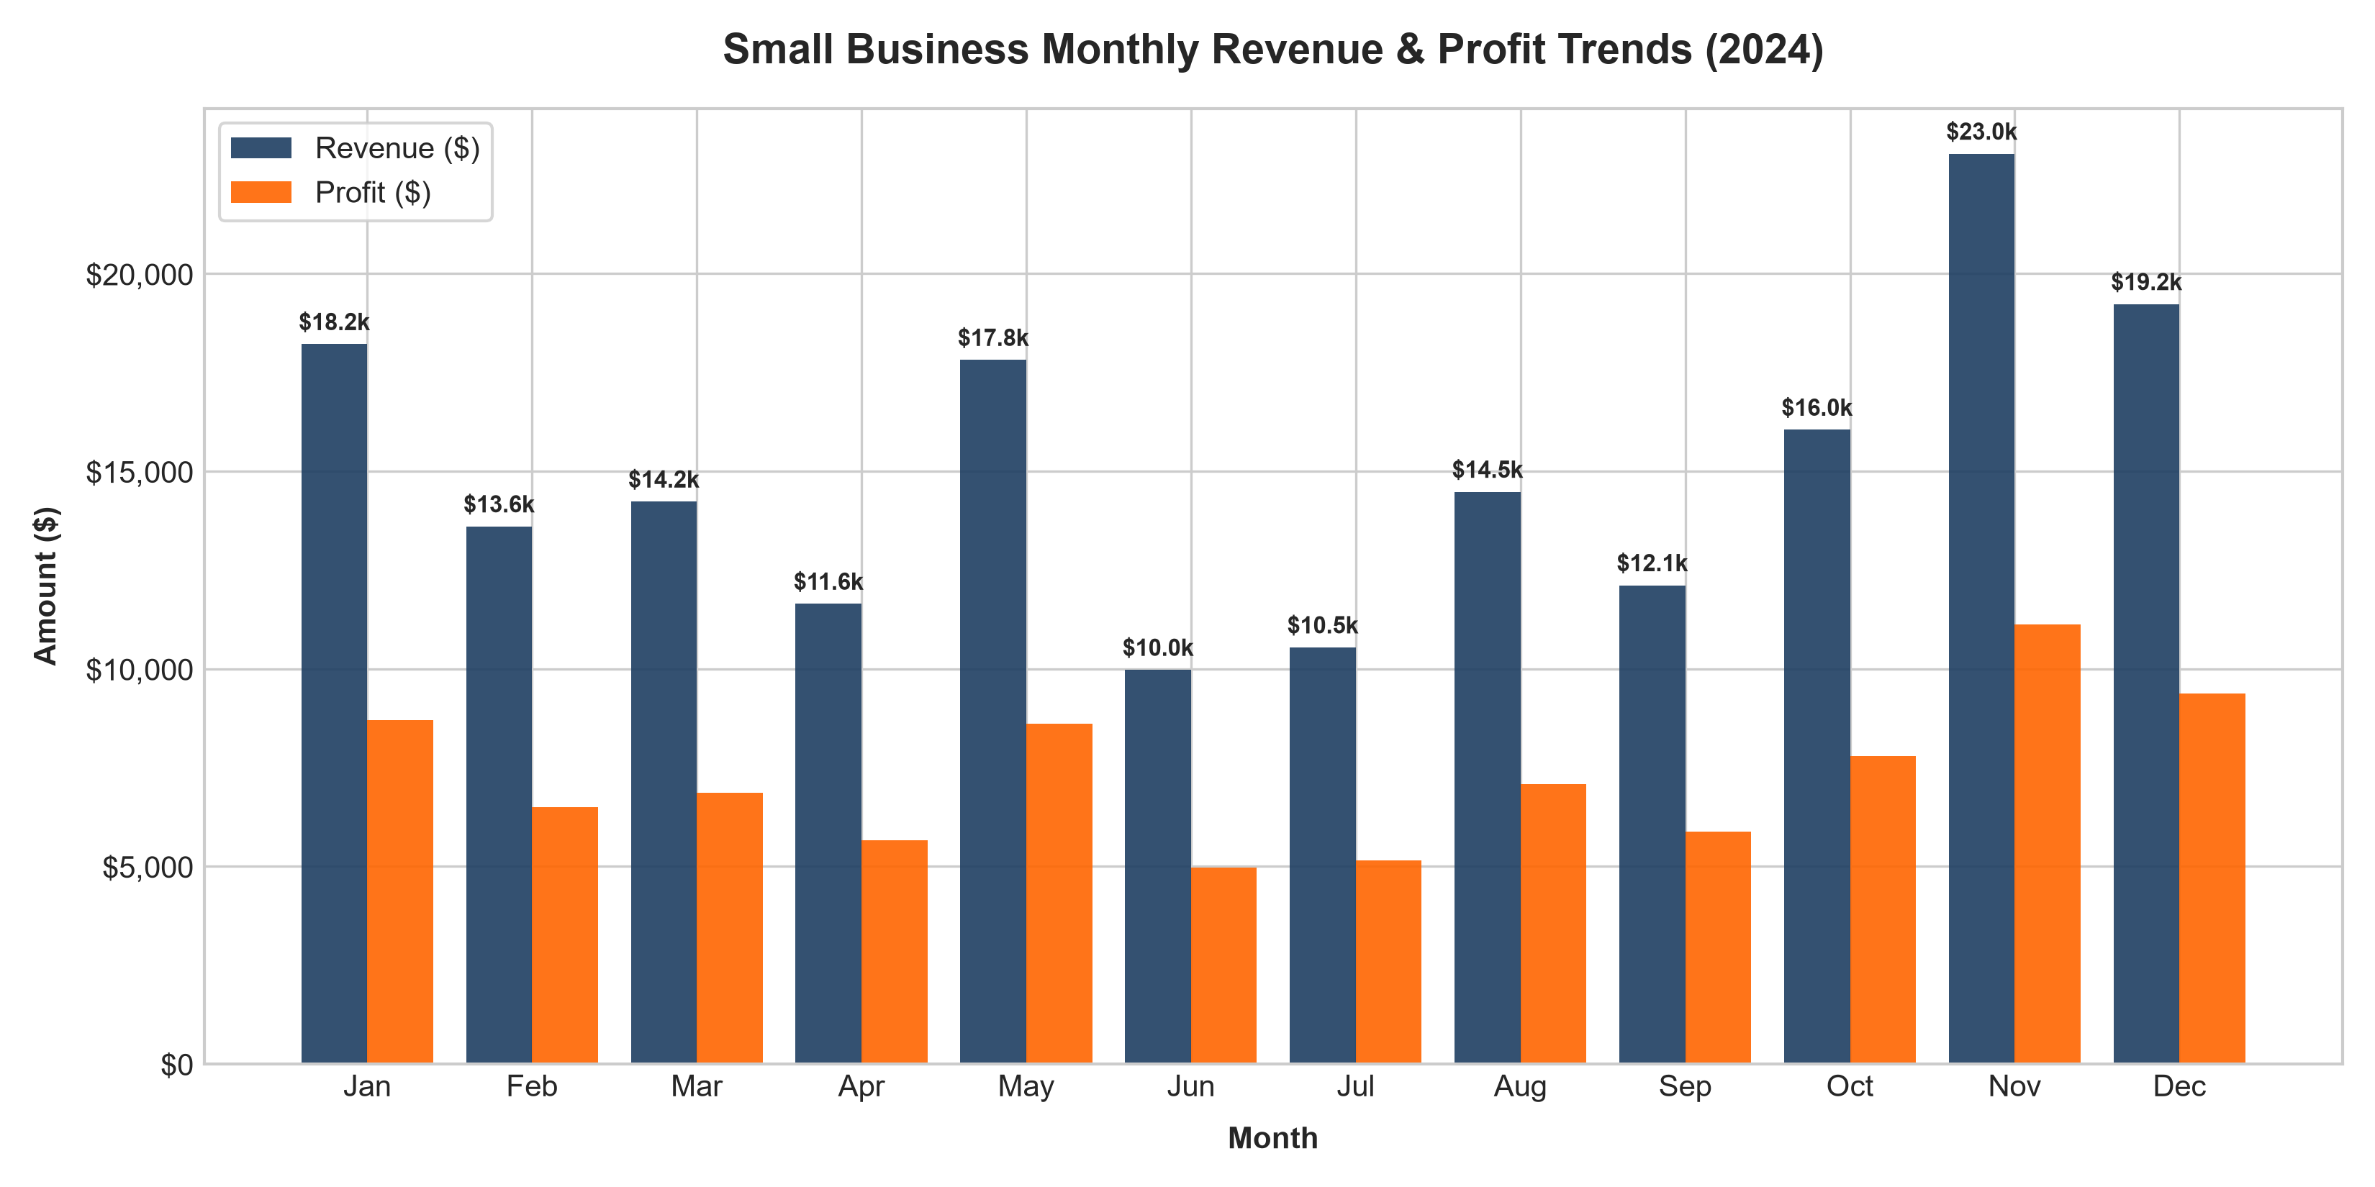
MONTHLY SALES PERFORMANCE SUMMARY
Month | Revenue ($) | Profit ($) | Orders | Margin %
Jan | $18,217 | $8,697 | 119 | 47.7%
Feb | $13,603 | $6,501 | 97 | 47.8%
Mar | $14,232 | $6,863 | 99 | 48.2%
Apr | $11,645 | $5,655 | 86 | 48.6%
May | $17,818 | $8,618 | 122 | 48.4%
Jun | $9,972 | $4,973 | 91 | 49.9%
Jul | $10,541 | $5,160 | 97 | 49.0%
Aug | $14,479 | $7,072 | 116 | 48.9%
Sep | $12,114 | $5,885 | 90 | 48.6%
Oct | $16,050 | $7,784 | 119 | 48.5%
Nov | $23,036 | $11,124 | 108 | 48.3%
Dec | $19,230 | $9,377 | 106 | 48.8%

